Loop Table 2
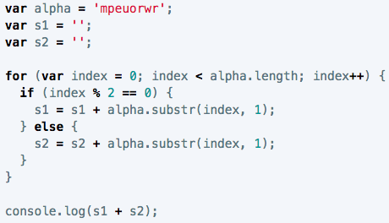
Loop Table 2

 | loop count | value of index | value of s1 | value of s2 | output
 | 1 | 0 | m | '' | m | index starts at 0, and the loop will continue as long as index is less than 8 (alpha.length); if index divided by 2 results in a remainder of zero (meaning index is even), s1 is equal to s1 plus the string character that is the value of index, 1; if it's an odd number (modulo is not 0), s2 is equal to the value of s2 plus the string character that is the value of index, 1; at the end of every loop we'll add one to index; when the condition is no longer true (when index > alpha.length), it will display s1 + s2 in console --> "meow" + "purr" = meowpurr
 | 2 | 1 | '' | p | p
 | 3 | 2 | me | '' | me
 | 4 | 3 | '' | pu | pu
 | 5 | 4 | meo | '' | meo
 | 6 | 5 | '' | pur | pur
 | 7 | 6 | meow | '' | meow
 | 8 | 7 | '' | purr | purr
 | 9 | 8

 |  |  |  | meowpurr

