Sheet1
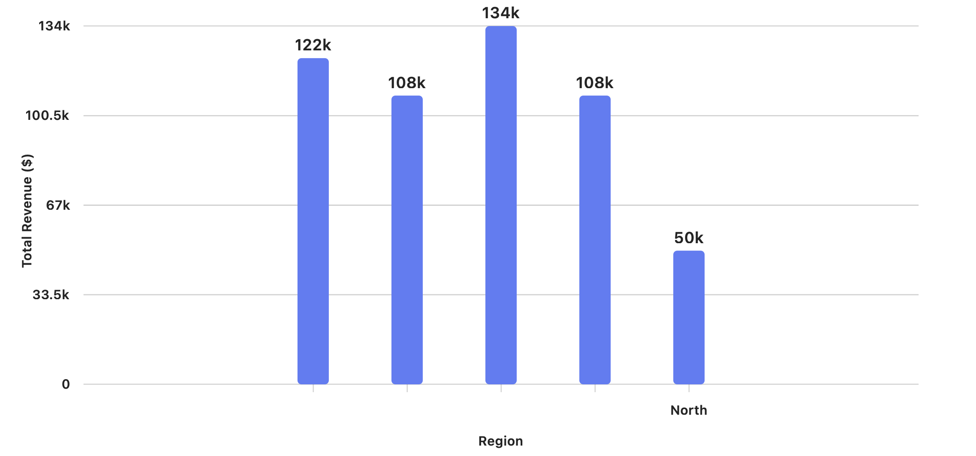
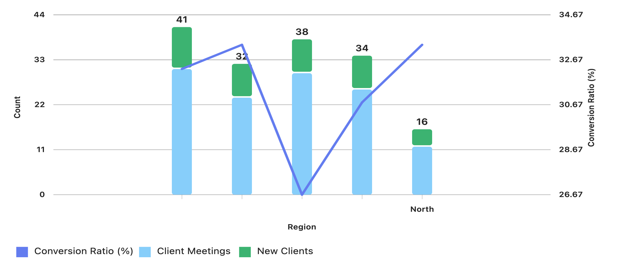
Sales Rep ID | Sales Rep Name | Region | Total Sales ($) | Units Sold | Sales Target ($) | Sales Achieved (%) | Bonus ($) | Client Meetings | New Clients | ,
101 | Sophia Martin] | South | 45000 | 105 | 46000 | 98 | 2200 | 9 | 2
102 | John Smith | North | 50000 | 120 | 48000 | 104 | 3000 | 12 | 4
103 | Lisa Taylor | South | 42000 | 110 | 40000 | 105 | 2500 | 10 | 3
104 | David Johnson | East | 60000 | 130 | 62000 | 97 | 2000 | 15 | 5
105 | Sarah Lee | West | 58000 | 125 | 60000 | 97 | 2500 | 14 | 4
106 | Michael Brown | North | 55000 | 118 | 55000 | 100 | 3000 | 13 | 4
107 | Emily Clark | South | 47000 | 112 | 45000 | 104 | 2800 | 11 | 3
108 | James Davis | East | 62000 | 138 | 64000 | 97 | 1500 |  | 5
109 | Jennifer White | West | 50000 | 124 | 52000 | 96 | 1000 | 12 | 4
110 | Christopher Garcia | North | 53000 | 117 | 51000 | 104 | 2000 | 11 | 4

