MEAL Intro
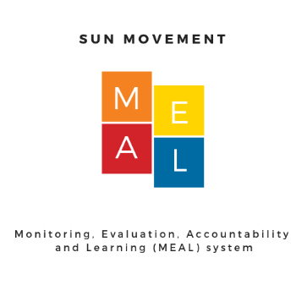 SUN Movement Monitoring, Evaluation, Accountability, Learning (MEAL) 2019 Dashboards Dataset updated September 2019
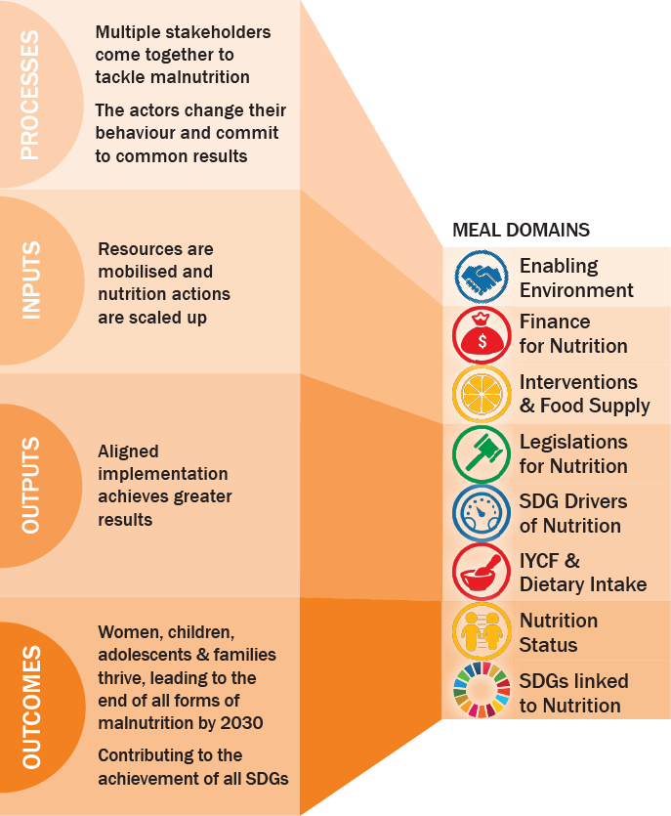 | SUN Movement stakeholders seek to demonstrate how their work and resources are converted into results that deliver nutrition impacts for children and women. The Monitoring, Evaluation, Accountability and Learning (MEAL) system provides the backbone to measure the Theory of Change of the SUN Movement (see figure at left) and is well suited to the systemic nature of changes that SUN countries seek to catalyze. With input from the MEAL Advisory Group, the SUN Movement Secretariat has developed a Results Framework that includes key indicators grouped under each step in the Theory of Change. This database provides the most recent data available for the MEAL key indicators reported on in the SUN Movement 2019 MEAL Country Dashboards. This file includes the dataset as well as a brief description of each variable. For full details on how each indicator was defined and the source of data, please refer to the SUN Movement MEAL Results Framework and Lists of Indicators (Sep 2019). More details available on the SUN Movement website: https://scalingupnutrition.org/progress-impact/monitoring-evaluation-accountability-and-learning-meal/

