Introduction
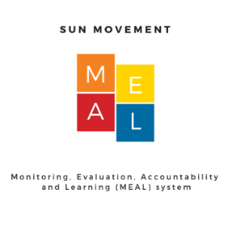 Monitoring, Evaluation, Accountability, Learning (MEAL) 2018 All SUN Countries Dashboard Updated April 2019
SUN Movement stakeholders seek to demonstrate how their work and resources are converted into results that deliver nutrition impacts for children and women. The Monitoring, Evaluation, Accountability and Learning (MEAL) system provides the backbone to measure the Theory of Change of the SUN Movement and is well suited to the systemic nature of changes that SUN countries seek to catalyze. With input from the MEAL Advisory Group, the SUN Movement's Results Framework outlines lists of key performance indicators grouped under domains that correspond with each step in the SUN Movement Theory of Change. This All SUN Countries Dashboard tool provides a summary for all SUN member countries of the colour-coded classification of performance for MEAL indicators in 2018. As described in the Dashboard Guidance Note (available on the MEAL website), the classification is based on performance relative to other SUN countries except when established cut-offs are available. The “green” colour indicates “good” performance, intervention coverage or nutrition status in relative terms. It does not represent that this target has been fully met. This dashboard is designed to support SUN Movement stakeholders at national, regional and global levels to assess progress using a standard set of indicators that cover the eight MEAL domains. It allows users to compare performance across countries for a specific indicator or to look at one country's performance across a range of indicators.Countries can also be listed by region, year of joining the SUN Movement, income classification, and humanitarian risk level.
A detailed description of the MEAL Framework of Results and Lists of Indicators, including definitions and data sources, is available on the MEAL website.
https://scalingupnutrition.org/progress-impact/monitoring-evaluation-accountability-and-learning-meal/
This work was supported by Nutrition International, formerly the Micronutrient Initiative (MI), under the Technical Assistance for Nutrition (TAN) project, funded with UK aid from the UK government.

