BSED English
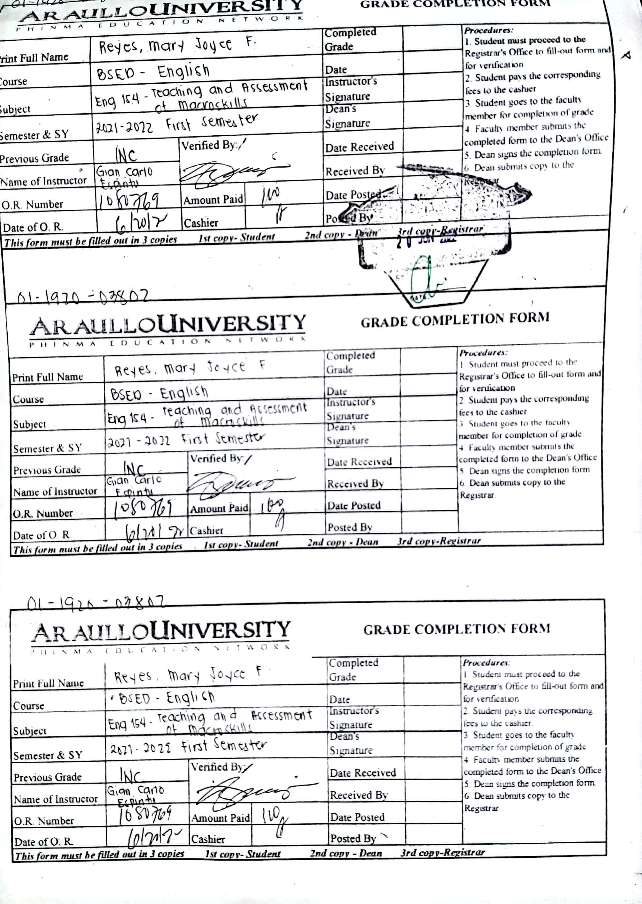
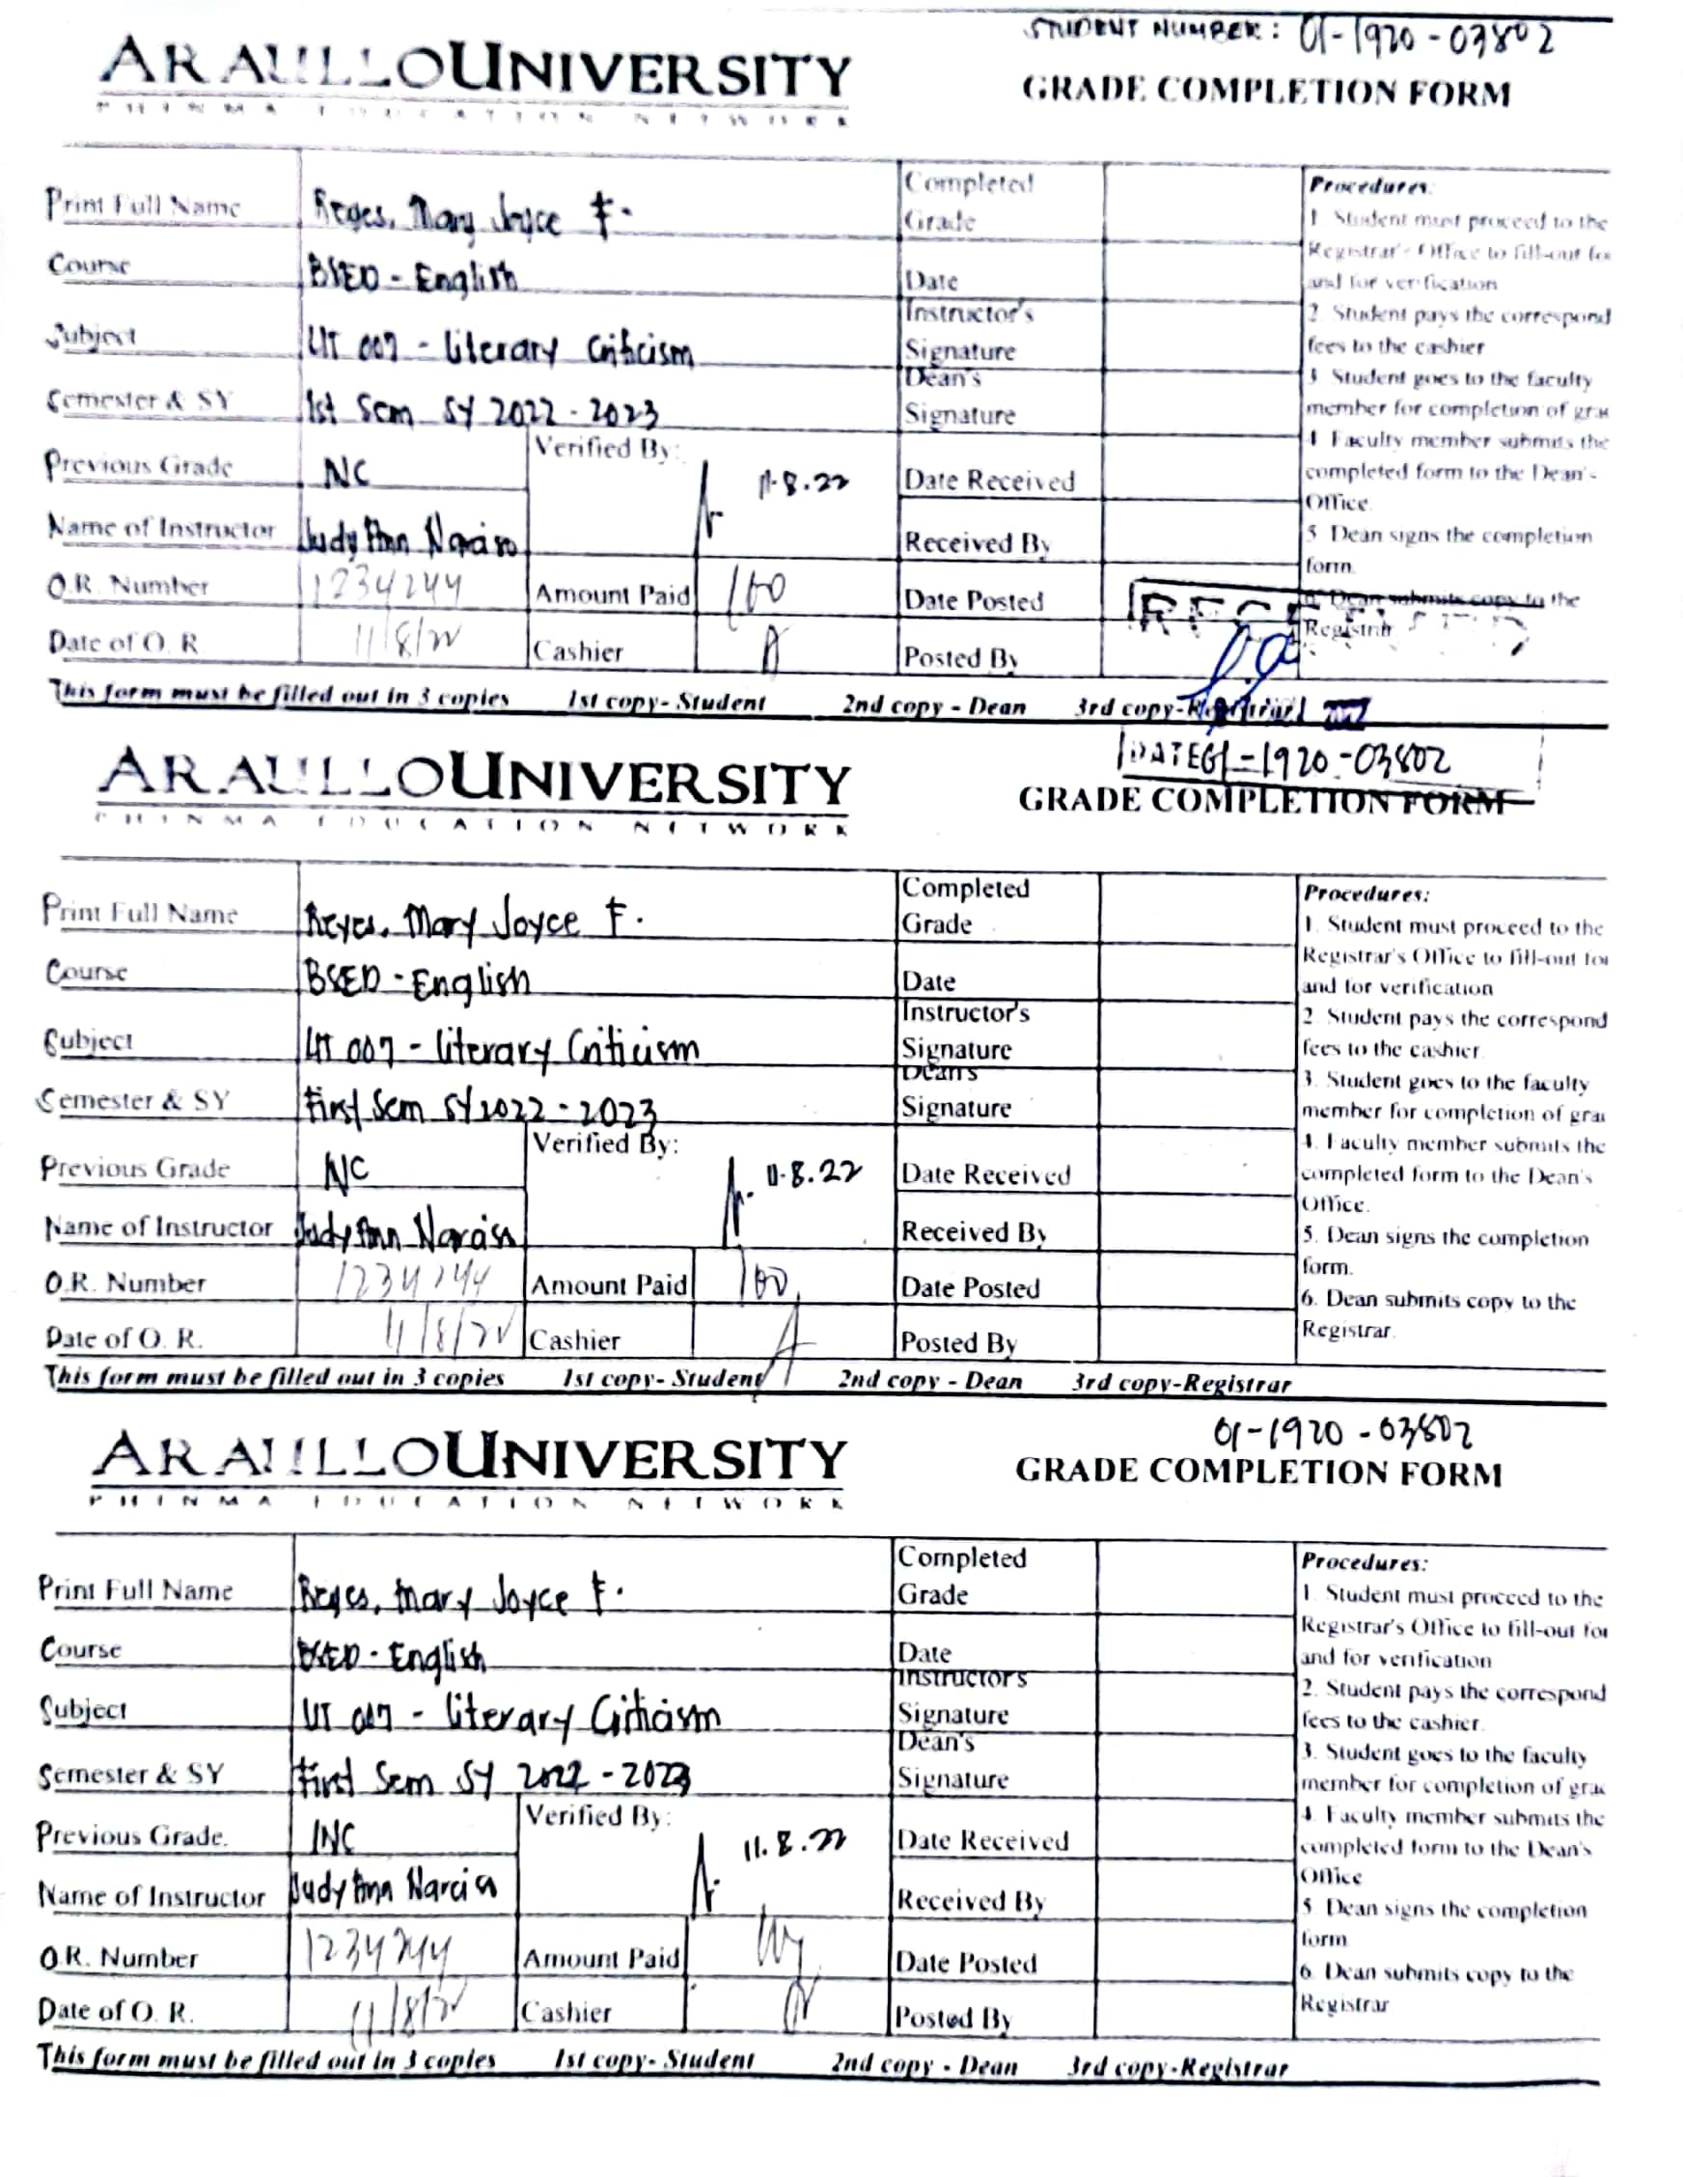
PHINMA Education Network
Bachelor of English Education
FIRST YEAR
1st Semester |  |  |  |  |  |  |  | 2nd Semester
PEN Code | Subject Title | Periodical |  |  | CFE | FINAL GRADES | Please indicate here if INC | PEN Code | Subject Title | Periodical |  |  | CFE | FINAL GRADES | Please indicate here if INC
 |  | 1st Period | 2nd Period | 3rd Period | Score |  |  |  |  | 1st Period | 2nd Period | 3rd Period | Score
GEN 002 | Understanding the Self | 82 | 87 | 64 | N/A | 2 |  | GEN 004 | Readings in Philippine History | 89 | 94 | 94 | N/A | 1.25
ART 002 | Art Appreciation | 90 | 85 | 98 | N/A | 1.25 |  | GEN 001 | Purposive Communication | 76 | 82 | 94 | N/A | 1.5
GEN 003 | Science, Technology and Society | 78 | 56 | 77 | N/A | 2.25 |  | MAT 151 | Mathematics in the Modern World | 77 | 87 | 75 | N/A | 1.75
HIS 007 | Life and Works of Rizal | 75 | 85 | 84 | N/A | 1.75 |  | GEN 005 | The Contemporary World | 50 | 60 | 70 | N/A | 2.75
EDU 530 | The Child and Adolescent Learners and Learning Principles | 58 | 83 | 86 |  | 2.75 |  | EDU 531 | Facilitating Learner-Centered Teaching | 76 | 65 | 81 |  | 2
EDU 050 | Field Study 1 | 75 | 82 | 85 | N/A | 1.75 |  | EDU 051 | Field Study 2 | 90 | 95 | 98 | N/A | 1.25
NCT 002 | National Service Training Program 1 | 97 | 97 | 99 | N/A | 1 |  | NST 003 | National Service Training Program 2 | 95 | 80 | 90 | N/A | 1.5
PED 025 | Movement Enhancement | 88 | 97 | 97 | N/A | 1.25 |  | PED 026 | Fitness Exercises | 83 | 98 | 78 | N/A | 1.5
SECOND YEAR
1st Semester |  |  |  |  |  |  |  | 2nd Semester
PEN Code | Subject Title | Periodical |  |  | CFE | FINAL GRADES | Please indicate here if INC | PEN Code | Subject Title | Periodical |  |  | CFE | FINAL GRADES | Please indicate here if INC
 |  | 1st Period | 2nd Period | 3rd Period | Score |  |  |  |  | 1st Period | 2nd Period | 3rd Period | Score
GEN 006 | Ethics | 86 | 84 | 89 | N/A | 1.75 |  | GEN 010 | Gender and Society (GE Elective 3) | 78 | 73 | 83 | N/A | 1.75
FIL 128 | SineSosyedad/Pelikulang Panlipunan (GE Elective 1) | 76 | 81 | 80 | N/A | 1.75 |  | EDU 532 | The Teacher and the School Curriculum | 74 | 86 | 70 | 70 | 2.25
BAM 006 | Business Communication (GE Elective 2) | 81 | 80 | 86 | N/A | 1.75 |  | EDU 053 | Field Study 4 | 86 | 90 | 91 | N/A | 1.5
EDU 011 | The Teaching Profession | 60 | 75 | 75 | 71 | 2.25 |  | ENG 029 | English for Specific Purposes | 94 | 80 | 91 |  | 3
EDU 052 | Field Study 3 | 86 | 82 | 89 | N/A | 1.5 |  | ENG 149 | Language Learning Materials Development | 87 | 81 | 94 | 80 | 1.75
COM 002 | Campus Journalism | 60 | 69 | 73 | 60 | 2.5 |  | ENG 150 | Principles and Theories of Language Acquisition and Learning | 73 | 75 | 83 | 75 | 2.25
ENG 018 | Introduction to Linguistics | 60 | 71 | 60 |  | 3 |  | ENG 151 | Language, Culture and Society | 74 | 74 | 75 |  | 2.5
PED 027 | Physical Activities Towards Health and Fitness 1 | 80 | 55 | 80 | N/A | 2.25 |  | PED 028 | Physical Activities Towards Health and Fitness II | 89 | 91 | 95 | N/A | 1.25
SSP 005 | Student Success Program 1 | C | C | C | N/A | C |  | SSP 006 | Student Success Program 2 | C | C | C | N/A | C
THIRD YEAR
1st Semester |  |  |  |  |  |  |  | 2nd Semester
PEN Code | Subject Title | Periodical |  |  | CFE | FINAL GRADES | Please indicate here if INC | PEN Code | Subject Title | Periodical |  |  | CFE | FINAL GRADES | Please indicate here if INC
 |  | 1st Period | 2nd Period | 3rd Period | Score |  |  |  |  | 1st Period | 2nd Period | 3rd Period | Score
EDU 533 | Assessment in Learning 1 | 82 | 75 | 85 | 63 | 2.5 |  | EDU 535 | Assessment in Learning 2 | 79 | 76 | 79 | 67 | 2.5
EDU 534 | Technology for Teaching and Learning 1 | 67 | 86 | 92 | 64 | 2.5 |  | EDU 536 | The Teacher and the Community, School Culture and Organizational Leadership | 68 | 68 | 70 | 68 | 2.75
EDU 054 | Field Study 5 | 84 | 83 | 73 | N/A | 2 |  | EDU 055 | Field Study 6 | 88 | 89 | 91 | N/A | 1.5
ENG 152 | Children and Adolescent Literature | 74 | 76 | 67 | 68 | 2.5 |  | ENG 157 | Speech and Theater Arts | 67 | 39 | 77 | 66 | 3
ENG 153 | Teaching and Assessment of Literature Studies | 75 | 71 | 80 | 66 | 2.5 |  | LIT 006 | Mythology and folklore | 76 | 88 | 85 | 89 | 1.75
ENG 154 | Teaching and Assessment of the Macroskills | 57 | 75 | 84 |  | INC |  | ENG 158 | Survey of Philippine Literature in English | 77 | 82 | 83 | 84 | 2
ENG 155 | Teaching and Assessment of Grammar | 50 | 64 | 73 | 90 | 2.25 |  | ENG 159 | Survey of Afro-Asian Literature | 80 | 46 | 75 | 89 | 2.25
ENG 156 | Language Programs and Policies in Multilingual Societies | 96 | 93 | 84 | 81 | 1.75 |  | ENG 160 | Survey of English and American Literature | 68 | 71 | 30 | 87 | 2.5
ENG 028 | Structure of English | 68 | 70 | 81 | 66 | 2.5 |  | ENG 161 | Stylistics and Dicsourse Analysis | 60 | 68 | 67 | 72 | 2.5
SSP 007 | Student Success Program 3 | C | C | C | N/A | C |  | SSP 008 | Student Success Program 4 | C | C | C | N/A | C
FOURTH YEAR
1st Semester |  |  |  |  |  |  |  | 2nd Semester
PEN Code | Subject Title | Periodical |  |  | CFE | FINAL GRADES | Please indicate here if INC | PEN Code | Subject Title | Periodical |  |  |  | FINAL GRADES | Please indicate here if INC
 |  | 1st Period | 2nd Period | 3rd Period | Score |  |  |  |  | 1st Period | 2nd Period | 3rd Period
EDU 537 | Foundation of Special and Inclusive Education | 67 | 70 | 77 | 67 | 2.5 |  | EDU 360 | Professional Integration | 3 | 0 | 3 |  | EDU 011, EDU 530 to EDU 535
EDU 538 | Building and Enhancing New Literacies Across the Curriculum | 71 | 61 | 89 | 75 | 2.25 |  | EDU 541 | Teaching Internship | 3 | 0 | 6
EDU 539 | Field Study 7 | 67 | 76 | 76 | N/A | 2.5 |  |  | Total | 6 | 0 | 9 |  | GWA =
EDU 542 | Technology for Teaching and Learning 2 (Technology in Language Education) | 76 | 63 | 75 | 70 | 2.5
ENG 162 | Contemporary, Popular, and Emergent Literature | 62 | 60 | 74 | 65 | 2.75
LIT 007 | Literary Criticism | 64 | 66 | 67 |  | INC
ENG 015 | Technical Writing | 86 | 70 | 81 | 83 | 2
ENG 163 | Language Education Research | 86 | 75 | 75 | 85 | 2
SSP 009 | Student Success Program 5 | C | C | C | N/A | C

