1. Title Page
Instacart Grocery Basket Analysis

Project Name: Instacart Grocery Basket Analysis
Date: August 17, 2023
Analyst Name: Ella Rosborough

Contents:
Population Flow
Consistency checks
Wrangling steps
Column derivations
Visualizations
Recommendations

Citation:
“The Instacart Online Grocery Shopping Dataset 2017”, Accessed from www.instacart.com/datasets/grocery-shopping-2017 via Kaggle on August 1, 2023.

Sources (Career Foundry):
Data Dictionary
Customers data set

2. Population Flow
Title page

Population flow

Orders_products_combined
Orders_products_merged
Orders_products_all

Total: 32,404,859
Total: 32,434,489
Total: 32,404,859

3. Consistency checks
 |  |  |  | Title page
Consistency checks

Dataset | Missing values | Missing values treatment | Duplicates
orders | none |  | none
products | 16 in product_name | removed the rows | 5 duplicates removed
orders_products_prior
customers | 11259 missing first names | none-first names are not essential to analysis | none
orders_products_all | days_since_prior_order | crosstab with order_number shows all missing values correspond to order_number=1 meaning the missing values can be safely ignored

4. Wrangling steps
 |  |  |  | Title page
Wrangling steps - orders.csv

Columns dropped | Columns renamed | Columns' type changed | Comment/Reason
eval_set |  |  | unnecessary
 | order_dow to orders_day_of_week
 |  | order_id and user_id | both changed from int to str because IDs
 | order_hour_of_day to hour_order_placed

Wrangling steps - customers.csv

Columns dropped | Columns renamed | Columns' type changed | Comment/Reason
 |  | user_id from int to str | IDs should be strings
 | Surnam to last_name |  | makes more since in American english
 | First Name to first_name |  | consistency

5. Column derivations
 |  |  |  | Title page

Column derivations and aggregations

Dataset | New column | Column/s it was derived from | Conditions
orders_products_merged | price_range | prices | low-range if less than 5 mid range if between 5-15 high range if more than 15
 | busiest_days | orders_day_of_week | busiest if value=0,1 slowest if value=3,4 regular else
 | busiest_period_of_day | hour_order_placed | busiest if value between 9-16 average if 7, 8, or between 17-22 fewest if 23 or between 0-6
 | max_order | user_id order_number | maximum orders a user has made
 | loyalty_flag | max_order | loyal customer if > 40 orders regular customer if between 10-40 orders new customer if <=10 orders
 | avg_price | user_id prices | avg price spent on a product by user
 | spending_flag | avg_price | low spender if avg price <10 high spender if avg price>=10
 | med_dspo | user_id days_since_prior_order | median days since prior order by user
 | frequency_flag | med_dspo | non-frequent customer if med dspo>20 regular customer if med dspo between 10-20 frequent customer if med dspo<=10
orders_products_all | region | state | follows regional divisions used by the US census bureau

6. Visualizations
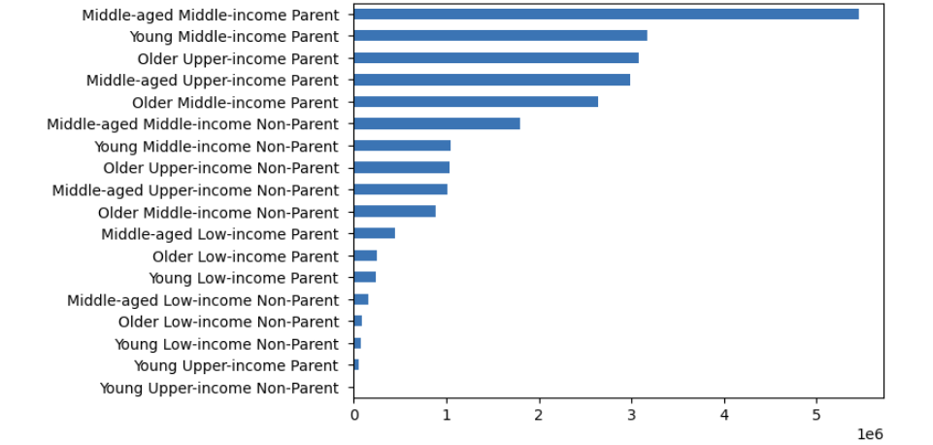
 |  |  |  |  | Title page

Visualisations

Key Questions
1 - What are the busiest days of the week and hours of the day?

 | Bar chart showing number of orders based on the hour of the day (0-23) |  | Bar chart showing number of orders based on day of the week (day 0 is Saturday)
 | Busiest time frame is 9-16 (9am to 4pm) |  | Busiest days are Saturday, Sunday, and Friday




2 - Are there particular times of the day when people spend the most money?

 | Line chart showing average price of items purchased by hour.
 | Prices of items purchased are on average highest in the hours 0-5 (12-5am) although this also correlates to more variation.
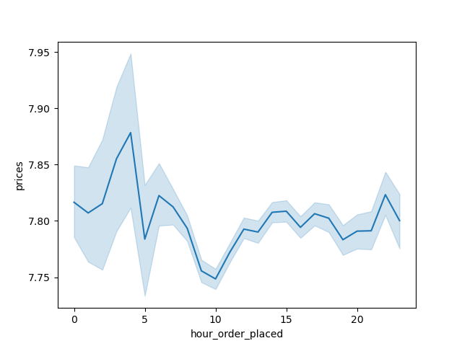

3 - How can marketing and sales best group prodects into price ranges?

 |  | Bar chart showing frequency of products by price - filtered for those under $25
 |  | The large majority of products are $15 and under. Therefore, ranges could be products between 15-25, under 5, 5-10, and 10-15.


4 - Are there certain types of products that are more popular than others (which departments have the highest frequency of product orders)?

 |  | Bar chart showing frequency of products ordered by department_id. Department names with IDs are as follows - |  | department_id | 1 | 2 | 3 | 4 | 5 | 6 | 7 | 8 | 9 | 10 | 11 | 12 | 13 | 14 | 15 | 16 | 17 | 18 | 19 | 20 | 21
 |  | Most popular department (4) is produce, followed by dairy/eggs (16) |  | department | frozen | other | bakery | produce | alcohol | international | beverages | pets | dry goods pasta | bulk | personal care | meat seafood | pantry | breakfast | canned goods | dairy eggs | household | babies | snacks | deli | missing
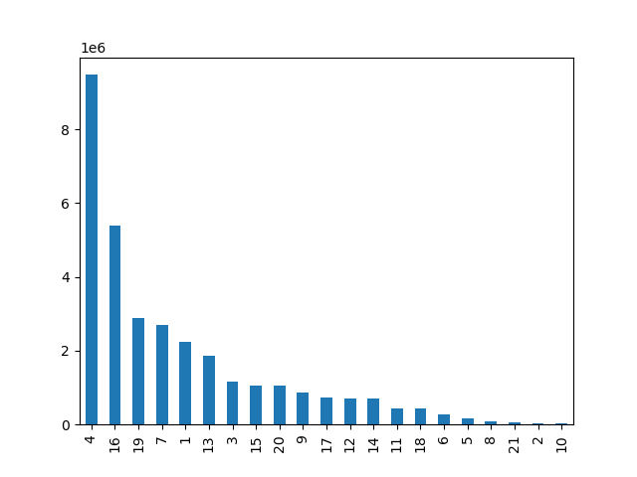

5 - What are the different types of customers and how do their ordering behaviors differ?

 |  | Line chart showing how age is related to a customer's number of dependants on average. | Scatterplot showing customers' age versus income.



 |  | Bar chart showing number of orders placed by customer loyalty type |  | Distribution of age groups among frequent customer types.
 |  | (regular customers have made between 10-40 orders, new have made less than that, loyal more).

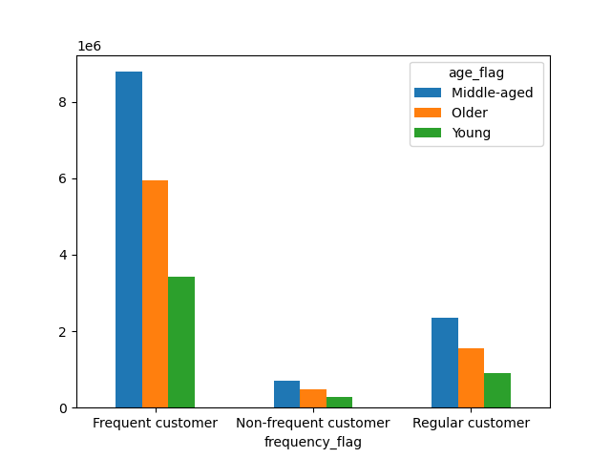

 |  | Breakdown between parents and non parents of purchases by department (names shown above). |  | Breakdown of purchases within departments by customers separated into geographical regions.
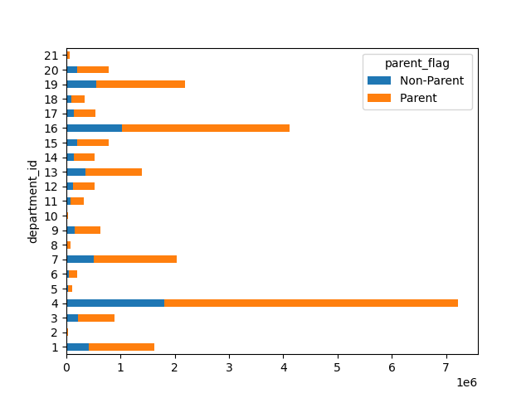
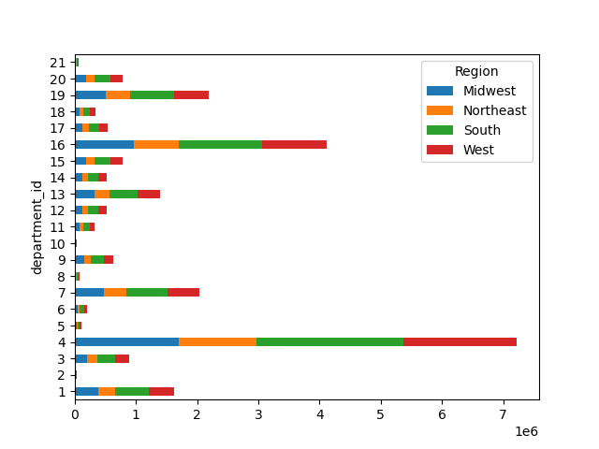

 |  | Frequency of customer profiles types among all users.

7. Recommendations
 |  |  | Title page

Recommendations

Based on data wrangling, consistency checks, analysis, and visualizations, the key questions posted by teams at Instacart are answered here below.

Question | Answer | Recommendation
1 - What are the busiest days of the week and hours of the day? | The busiest days of the week are Saturday, Sunday, and Friday. The busiest times of the week are between 9am and 4pm. | Schedule ads, discounts, offers on days and at times with fewer orders. Offer incentives to employees for working during "peak" hours in order to have adequate staffing.

2 - Are there particular times of the day when people spend the most money? | On average, people spend the most money on items between 12pm and 5am. | Focus advertising on higher priced "luxury" items during this timeframe based on user preferences as customers may be more likely to splurge.

3 - How can marketing and sales best group prodects into price ranges? | Under $5, $5-10, $10-15, $15-25, and over $25

4 - Are there certain types of products that are more popular than others (which departments have the highest frequency of product orders)? | Top 10 departments in order: Produce, Dairy/Eggs, Snacks, Beverage, Frozen, Pantry, Bakery, Canned Goods, Deli, Dry Goods/Pasta | Focus advertising to these 10 categories for similar items to those the customer has previously purchased

5 - What are the different types of customers and how do their ordering behaviors differ? | The majority of customers have made between 10-40 orders. | To increase the number of loyal customers (40+ orders), introduce a loyalty program which includes benefits for those who have made over 40 orders.
 | The majority of customers are parents, and parents are responsible for the majority of sales in many departments. | Promote recommended items for users in departments for which parents make up the large majority of sales such as Babies, Breakfast, Personal Care, Pets, International, Alcohol.
 | The most frequent customer profile is Middle-aged Middle-income Parent. | Focus advertising for Instacart to outlets where this demographic is likely to be.

Bar-regional spending
spending_flag | Midwest | Northeast | South | West | total
High spender | 155975 | 108225 | 209691 | 160354 | 634245
Low spender | 7441350 | 5614511 | 10582194 | 8132559 | 31770614
total | 7597325 | 5722736 | 10791885 | 8292913 | 32404859
Spending among Regions
high spenders % | 2.05% | 1.89% | 1.94% | 1.93%

