Readme
1. General Considerations | This Excel workbook contains all Monthly module data reported to the NTD since January 2002 when the Monthly module was introduced in the National Transit Database (NTD).
 | Beginning with Calendar Year 2012, the bottom of each monthly data worksheet (UPT, VRM, VRH, VOMS) presents estimated monthly industry totals for Reduced Reporters (agencies operating fewer than 30 vehicles in maximum service). These agencies do not report data to the Monthly Ridership module effective in 2012. Estimates are calculated by dividing the annual service data values reported on the Reduced Reporting (RR-20) forms for the previous Annual Report year by 12. Estimated VOMS is presented as the actual VOMS reported on the most recent annual RR-20 form. Any values entered by agencies with Reduced Reporting Waivers during CY 2012 are removed to prevent double-counting values.
 | Beginning with Calendar Year 2012, the bottom of each monthly data worksheet presents estimated monthly industry totals for Rural reporters. These agencies do not report data to the Monthly Ridership module, so the workbook provides estimates beginning in January 2007, the earliest public data file. These estimates are calculated by dividing the sum of service data values reported in the annual Rural Subrecipient Service files by 12. Note that Intercity Bus unlinked passenger trips and vehicle revenue miles are excluded from this calculation. VOMS were estimated for 2007-2013 using the NTD's annual Revenue Vehicle Inventory database file and for 2014-Present using NTD's annual Service database file.
 | The Monthly module includes a limited set of key indicators reported by transit properties. Data is reported on a monthly basis, by mode and type of service, for a fiscal year. The four data items included are: 1. Unlinked Passenger Trips 2. Vehicle Revenue Miles 3. Vehicle Revenue Hours 4. Vehicles Operated in Maximum Service (Peak Vehicles)
 | Users are encouraged to use the glossary of transit terms located at https://www.transit.dot.gov/ntd/national-transit-database-ntd-glossary or the reporting manuals located at https://www.transit.dot.gov/ntd/manuals for more detailed information.
 | Mode and Type of Service Changes and Impacts on this Time Series: Monthly data are reported by mode and type of service. From 2002 through 2011, there were 16 modes in the NTD. NTD monthly ridership data is now reported according to refined modal classifications. Service previously reported as bus (MB) now may be reported as either MB, Commuter Bus (CB), or Bus Rapid Transit (RB). Additionally, service previously categorized as Light Rail (LR) now may be reported as LR or Streetcar (SR). Similarly, Types of Service were refined in Report Year 2019. From 2002 - 2018, there were two types of service: Directly Operated (DO) and Purchased Transportation (PT). As of 2019, Purchased Transportation is now classified such that agencies report the purchased transportation based on the type of contractor: general third party (PT), taxicab operator (TX), or transportation network company (TN). FTA concurrently removed the "Demand Response Taxi" (DT/PT) mode in 2019. FTA now considers all such service as Demand Response (DR) with Taxi (TX) type of service and this time series has been updated to reflect this change. This time series also considers modes which have been combined, collapsing the Automated Guideway (AG) and Monorail (MO) mode historical data into the Monorail/Automated Guideway (MG) mode to reflect the current reporting arrangement and allow for easier analysis of these modes. Finally, FTA introduced the Hybrid Rail (YR) mode in January 2012. While this mode combines some systems previously classified as either Commuter Rail (CR) or Light Rail (LR), this change could not be done uniformly; most operators of Hybrid Rail continued to offer services presently defined as CR or LR. Therefore, this time series does not attempt to combine historically. Data users should therefore take caution that the following systems converted completely from Commuter Rail to Hybrid Rail around this time: o 60048 Capital Metropolitan Transportation Authority (
 | This file will be updated periodically by FTA to include data for subsequent months, and to incorporate revisions to prior months in the calendar year that have been made by the transit properties. In some cases, this may include revisions to data from previous years.

2. Data Limitations | Users should use caution when using the data and the following items should be considered: · Data quality and completeness have improved significantly over time. The monthly data collection was introduced as a pilot program in 2002. Over time, most transit properties developed new internal data collection and processing methods to meet the new requirements. These developments, combined with the implementation of more sophisticated validation checks by FTA, have resulted in more complete and accurate data in more recent years.
 | · After the close of a month, transit properties have one month to compile and submit data to the NTD; therefore, there is a 30 days lag from the end of the month to the time the data is submitted. Some data may be missing for the most recent month if a transit agency failed to report data on time. Once the data is submitted, it is subjected to review and analysis for data completeness and reasonableness. Additionally, transit properties may revise their data at any time during their fiscal year reporting cycle until their annual report for that same fiscal year is closed. These changes may be done unilaterally by the transit property, as the transit property collects additional data on its operations, and these changes will be reflected in subsequent release of the monthly data base.

 | · FTA requires properties to report a 100 percent count of unlinked passenger trips if the data is available and reliable; however, there are many properties that do not have the technology or the means required to perform a 100 percent count. (This is because the reporting of unlinked passenger trips requires an accurate count of the number of transfers made by passengers.) In other cases, the service is too complex to allow a 100 percent count. In these cases, FTA allows reporting based on sampling. In general, FTA does not know what method properties use to determine unlinked trips on a monthly basis, i.e., if it is based on sampling or a 100 percent count.
 | · Unlike unlinked passenger trips, service supplied data (vehicle revenue miles, vehicle revenue hours, and vehicles operated in maximum service) must be reported based on a 100 percent count.
 | · A transit agency that directly operates some of its motorbus service and contracts out for the rest of its motorbus service will have two separate lines for motorbus service: one for the directly operated component, and another for the purchased transportation component. The same principle holds true for a transit agency that contracts out its service that was previously directly operated. The service will appear on two different lines, depending on whether it was directly operated or purchased transportation.

3. Major Data Considerations | · The largest transit property in the U.S., the New York City Transit Authority (NYCTA – NTD ID #20008), reports bus and heavy rail unlinked passenger trips based on a sampling method designed to meet a maximum margin of error of 10 percent. Starting in 2005, the authority developed a more reliable and accurate unlinked passenger trips data collection method for heavy rail. This new method revealed that the old method undercounted heavy rail unlinked passenger trips by a significant margin, an average of about 20 percent in each month. This file presents the data as reported, i.e. The period January 2002 – December 2004 includes the data estimated based on the old data collection process, while the period January 2005 to the current month/year presents the data based on the new method. Trend analysis covering timeframes starting before January 2005 may be biased due to the data collection method change. The bias does not affect any data aggregation that does not include NYCTA or modes other than heavy rail.
 | · In 2007 New York City Transit Authority (NYCTA - NTD ID #20008) began using MetroCard AFC data to gather 100% counts on its bus (MB) service. NYCTA MetroCard AFC data have been reported to NTD beginning in January 2008. Years 2007 and earlier represent surveyor data. NTD analysts have analyzed NYCTA data based on these two collection methods and has determined that no adjustment factor is necessary.
 | · Starting in 2004, a new property began operating in the New York City area. The MTA Bus Company (NTD ID #20188) was created in 2004 to take over the operations of a number of companies that operated under franchises granted by the New York City Department of Transportation. The merging of the companies into the MTA Bus began in January 2005 and was completed in February 2006. The first reported month after the merger was January 2006. The properties merged were: o Liberty Lines – NTD ID #20117 o Queens Surface Corporation – NTD ID #20136 o New York Bus – NTD ID #20040 o GTJC – NTD ID #20147
 | · Starting in January 2008, two properties operating in the San Diego Area (San Diego Trolley - NTD ID #90054, and MTS Contract Services – NTD ID #90185) were merged into the San Diego Transit System – NTD ID #90026. The data for this property will now include light rail (LR) (previously reported by San Diego Trolley), purchased bus and demand response services (previously operated by MTS Contract Services), and bus service provided by San Diego Transit System itself.
 | · In January of 2012 Long Island Bus (NTD ID #20007) began reporting to the MR Module as Nassau Inter County Express (NTD ID #20206)

4. UPT and VRM Data Estimation | This database file does not include adjustments for missing UPT or VRM values. For this adjustment, please see the "Complete Monthly Ridership (with adjustments and estimates)" file for the most recent month.

5. Who Reports | All transit properties that are recipients of Urbanized Area Formula Grants from the Federal Transit Administration are required to report; however, transit properties that operate 30 or fewer vehicles in peak service are eligible to receive a "Reduced Reporting Waiver" that exempts them from the monthly reporting.
 | A number of other transit properties voluntarily report to the NTD so as to benefit their local Urbanized Area in the annual apportionment of Urbanized Area Formula Grants. Voluntary NTD reporters are required to report data to the Monthly NTD Module as a condition of having their report accepted by the NTD.
 | Prior to 2015, a number of small transit agencies filed a consolidated report. Data for these small agencies would appear together under a single NTD ID.
 | This data set includes all properties that reported have reported to the Monthly Module since January 2002. It includes properties that are no longer active in the database and properties that began reporting after January 2002. Properties may become inactive by going out of business, merging with other properties, consolidating multiple reports into a single report, or deciding to discontinue voluntary reporting.

6. Report Layout | There are four monthly worksheets for each of the four data elements reported in the Monthly module (UPT, VRM, VRH, VOMS). Columns are arranged by month, and rows are arranged by mode and type of service for each transit property. For each property, the following basic information is included: · NTD ID · Legacy NTD ID · Agency Name · Status (Active in the above definitions) · Reporter Type · Urban Area Census Code (UACE) · Urbanized Area Name · Mode · Type of Service
 | This file includes 9 worksheets which include the following data:
 | These four worksheets are exactly the same size, and the cell location of each of the four data elements is the same across all worksheets.
 | · A Master File of all properties that currently report or reported monthly data during the period January 2002 - Current Calendar Year. The following data elements are included in the master file and reflect the data reported in the Annual module for the most recently reported fiscal year:
 | Prior to 2015, a number of small transit agencies filed a consolidated report. Data for these small agencies would appear together under a single NTD ID.
 | The last two worksheets respectively present calendar year totals for UPT and VRM for each transit agency, by mode and type of service. These worksheets use the adjusted monthly UPT and monthly VRM tabs as the respective source.
 | See Data Dictionary tab for data element definitions.

7. How Often is the Dataset Updated? | The dataset is updated monthly. The update date is indicated in the file name.

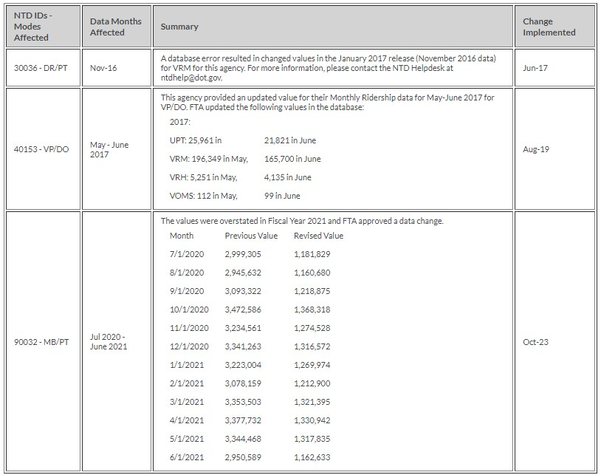
8. Change Log

