Visual Blueprint
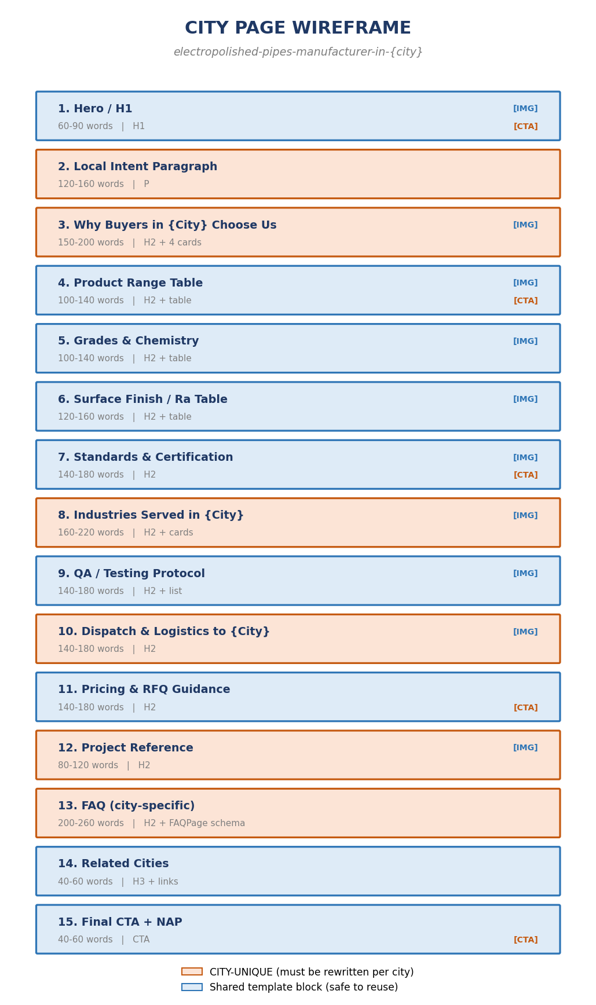
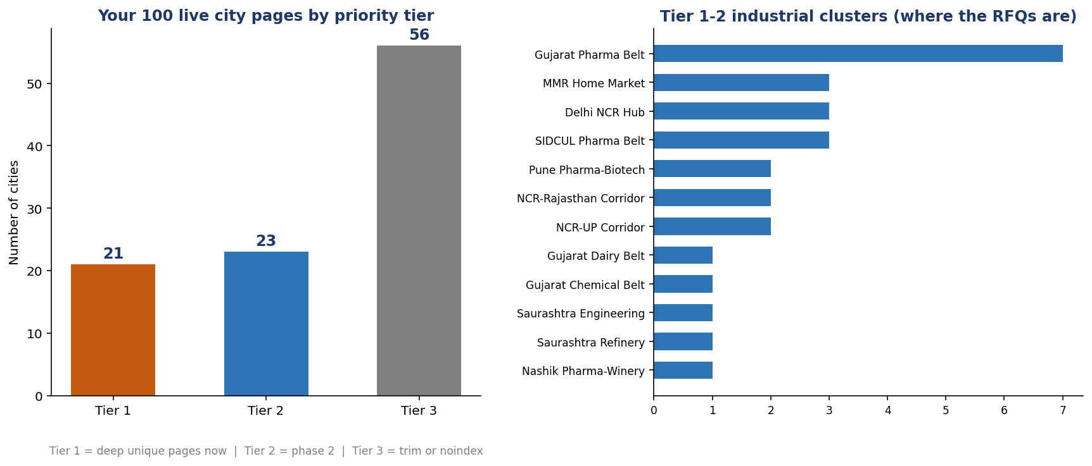
VISUAL BLUEPRINT
Show these four to your developer and content writer before anything else.
1. Page wireframe — what every city page must contain | 2. Where your 100 cities actually sit

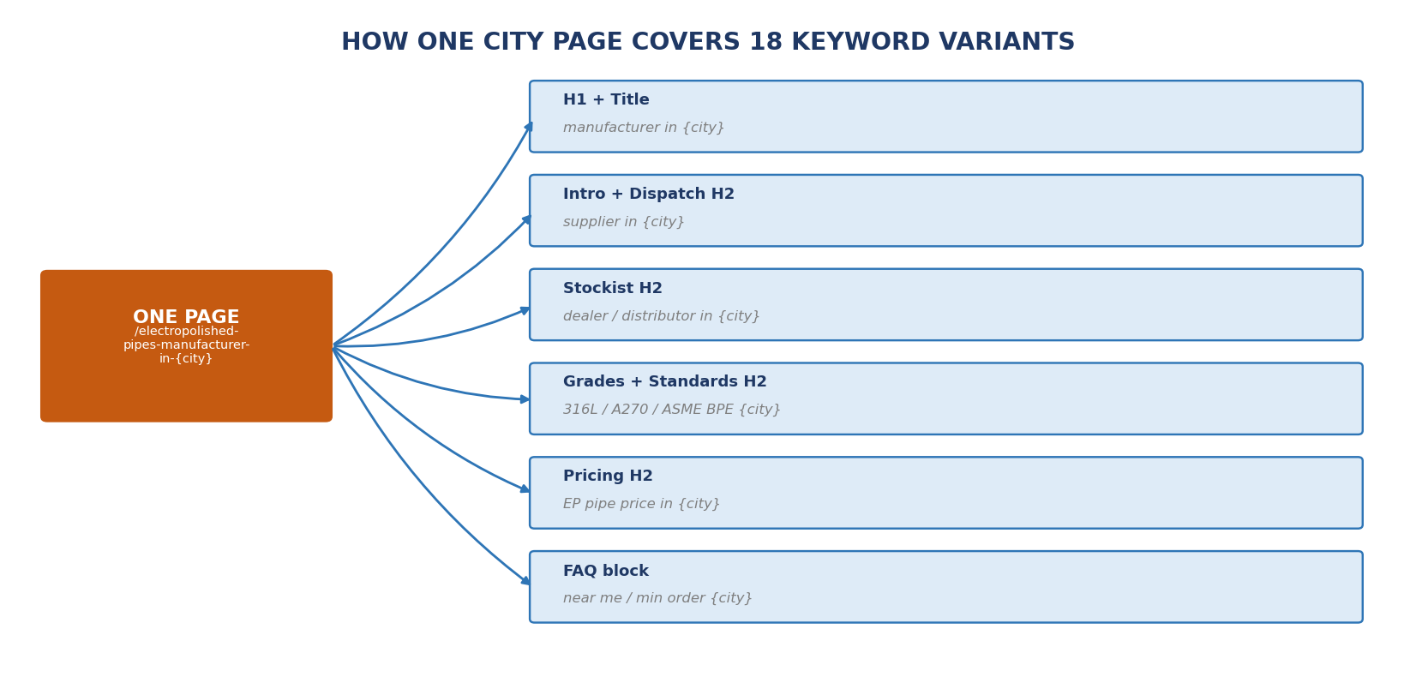
 | 3. One page, 18 keyword variants

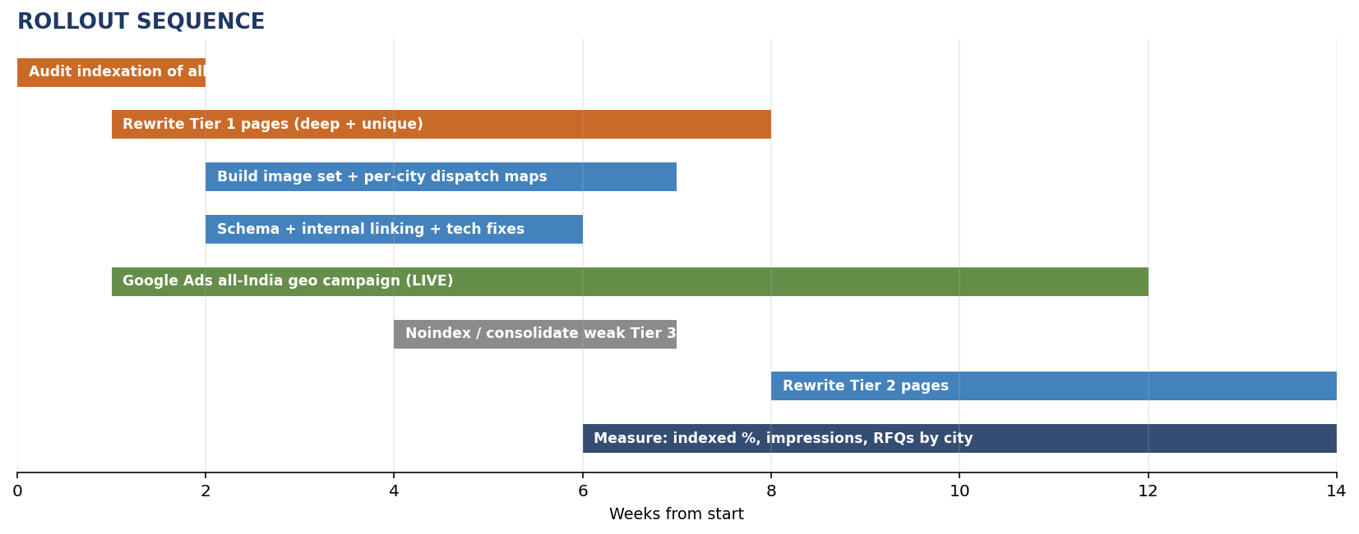
 | 4. Rollout sequence

