Dip Correction
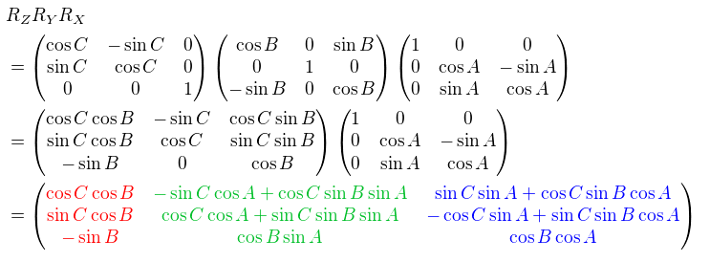
X-Vector | Grad | Rad
B | 10.00 | 0.17
C | 0.00 | 0.00

X (N) | 0.98
Y (E) | 0.00
Z | -0.17
Sum | 1.00

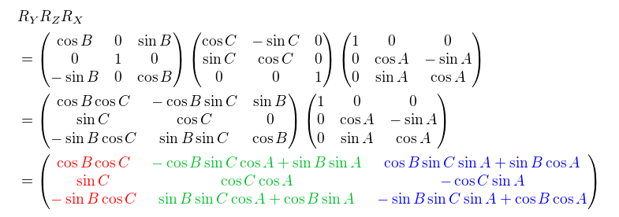
Pointing Downdip | DIP | DAZIM
Grad | 10.00 | 110.00
Rad | 0.17 | 1.92

X (N) | -0.34
Y (E) | 0.93
Z | 0.17
Sum | 1.00

Wellbore deviation survey reading at dip measurement
 | INCL Theta | AZIM Phi
 | 16.33 | 41.62
Rotation Z |  |  |  |  |  |  |  | Positive Rotation Y
0.75 | -0.66 | 0.00 |  | -0.34 |  | -0.87 |  | 0.96 | 0.00 | 0.28 |  | -0.34 |  | -0.27
0.66 | 0.75 | 0.00 | X | 0.93 | = | 0.47 |  | 0.00 | 1.00 | 0.00 | X | 0.93 | = | 0.93
0.00 | 0.00 | 1.00 |  | 0.17 |  | 0.17 |  | -0.28 | 0.00 | 0.96 |  | 0.17 |  | 0.26

Rotation Y |  |  |  |  |  |  |  | Positive Rotation Z
0.96 | 0.00 | 0.28 |  | -0.87 |  | -0.78 |  | 0.75 | -0.66 | 0.00 |  | -0.27 |  | -0.82
0.00 | 1.00 | 0.00 | X | 0.47 | = | 0.47 |  | 0.66 | 0.75 | 0.00 | X | 0.93 | = | 0.51
-0.28 | 0.00 | 0.96 |  | 0.17 |  | 0.41 |  | 0.00 | 0.00 | 1.00 |  | 0.26 |  | 0.26

True Dip | 24.22 |  |  |  |  |  |  | True Dip | 15.15 | 15.15 | 15.15
True Azimuth | 300.88 |  |  |  |  |  |  | True Azimuth | 148.14
wrong |  |  |  |  |  |  |  | correct

 |  |  |  |  |  |  |  |  |  |  |  |  |  | DIP_ORIG [deg] | DAZI_ORIG [deg] | INCL [deg] | AZIM [deg] | DIP [deg] | DAZI [deg]
 |  |  |  |  |  |  |  |  |  |  |  |  |  | 25.00 | 0.00 | 3.31 | 13.53 | 21.69 | 13.53
 |  | 45 | 135 | 225 | 315 |  | Grad | Rad |  |  |  |  |  | 22.00 | 150.00 | 5.23 | 22.68 | 26.51 | 171.48
 |  | 0.7853981634 | 2.3561944902 | 3.926990817 | 5.4977871438 |  | 0.00 | 0.00 |  |  |  |  |  | 18.00 | 235.00 | 11.77 | 25.39 | 24.44 | 264.23
 | SIN | 0.70710678119 | 0.70710678119 | -0.70710678119 | -0.70710678119 |  | 30.00 | 0.52 |  |  |  |  |  | 10.00 | 110.00 | 16.33 | 41.62 | 15.15 | 148.14
 | -COS | -0.70710678119 | 0.70710678119 | 0.70710678119 | -0.70710678119 |  | 60.00 | 1.05 |  |  |  |  |  | 12.00 | 220.00 | 16.45 | 34.85 | 24.31 | 258.47
 | -SIN | -0.70710678119 | -0.70710678119 | 0.70710678119 | 0.70710678119 |  | 90.00 | 1.57 |  |  |  |  |  | 0.00 | 0.00 | 16.94 | 25.06 | 16.94 | 25.06
 | COS | 0.70710678119 | -0.70710678119 | -0.70710678119 | 0.70710678119 |  | 120.00 | 2.09 |  |  |  |  |  | 90.00 | 111.00 | 16.99 | 29.47 | 73.01 | 29.47
 |  |  |  |  |  |  | 150.00 | 2.62 |  |  |  |  |  | correctly implemented
 |  |  |  |  |  |  | 180.00 | 3.14
 |  |  |  |  |  |  | 210.00 | 3.67
 |  |  |  |  |  |  | 240.00 | 4.19
 |  |  |  |  |  |  | 270.00 | 4.71
 |  |  |  |  |  |  | 300.00 | 5.24
 |  |  |  |  |  |  | 330.00 | 5.76

Stratigraphic Thickness
 | Marker Bed |  |  | Well
 | MD | Dip φ | Dip Azimuth αd | BH Inclination ψ | BH Azimuth αw
Top | 0.00 | 35.00 | 90.00 | 36.00 | 270.00
Base | 164.00
Measured Thickness | 164.00
α=αd-αw | -180.00
TVT | 200.18
TST | 163.98

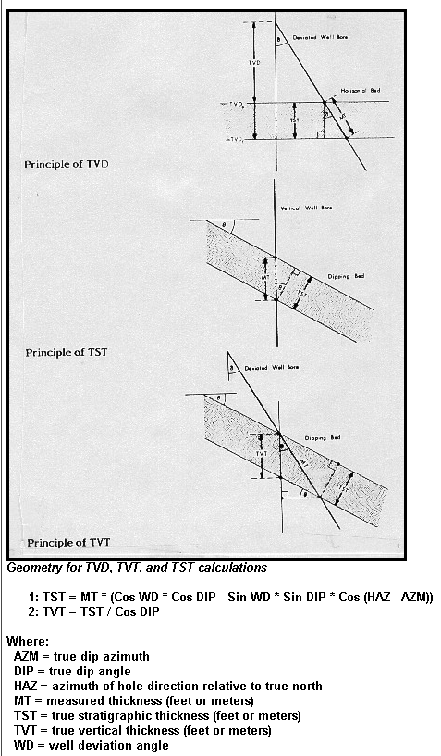
 |  |  |  |  |  |  | “Setchell” equation.

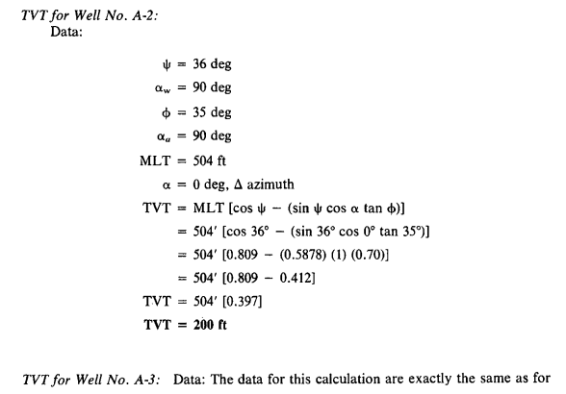

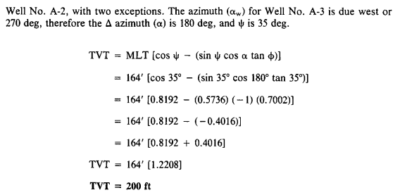

 |  |  |  |  |  | Example from
 |  |  |  |  |  | Tearpock and Bischke, 1991
 |  |  |  |  |  | verified

