Sheet1
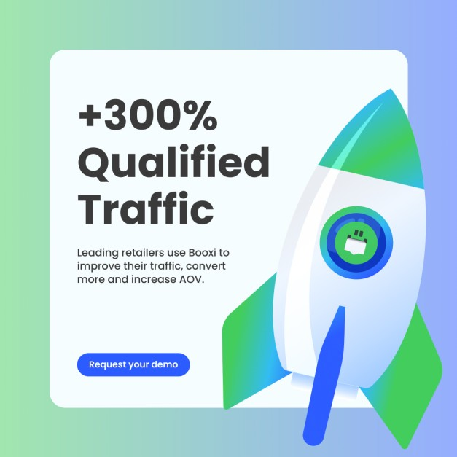
Objective | Text | Headline | Image | Landing Page
Brand awareness | 90% of managers are left out of critical development. Arist helps leading teams develop every manager, all in the flow of tools like Slack and Teams | Arist: Science-Backed Microlearning | 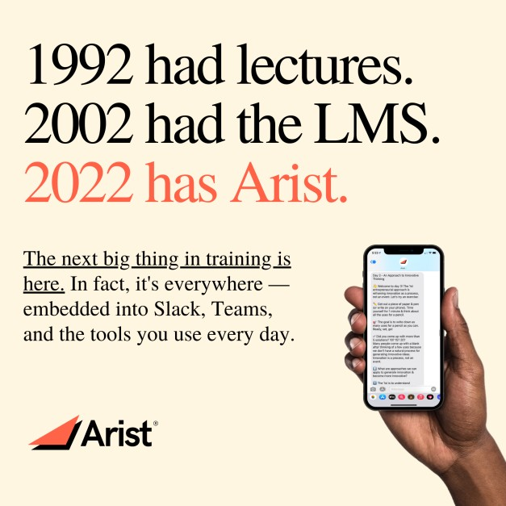 | https://www.arist.co/
Website conversions | Meet Arist: the only training solution that lets you compliantly reach everyone — any language, any location, any device. | Arist: Science-Backed Microlearning | 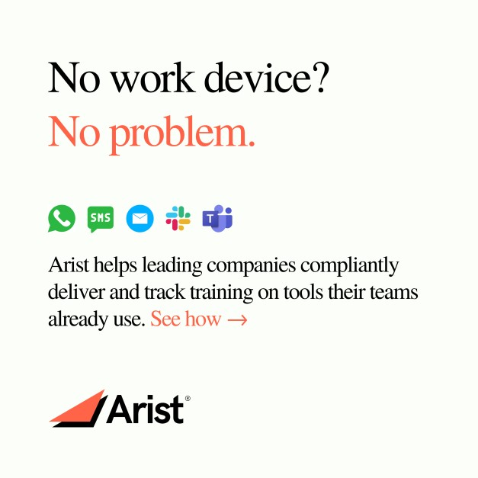 | https://www.arist.co/
Website conversions | Our experts are excited to show you what e-booking can do for your brand. | Boost your traffic, conversion and AOV. |  | https://www.booxi.com/contact/demo
Brand awareness | Booxi can help you increase your Customer Lifetime Value. Start 2023 the right way by getting the results you care about. | Boost your customer LTV with Booxi |  | http://www.booxi.com/campaign/retailers
Website conversions | We're driving more women into positions of power — and keeping them there. | Apply to join Chief, the private network that connects the most powerful women at the most powerful companies. |  | https://join.chief.com/apply
Website conversions | Streamline NetSuite implementation for your clients. Move faster with fewer deployment errors. Plus, earn a commission for every referral. | Earn revenue for every referred client |  | https://www.salto.io/partner-program
Website conversions | Save time, eliminate errors, and deploy changes efficiently. Plus, get a 15% commission for every referred client | Prove your expertise with Salto | 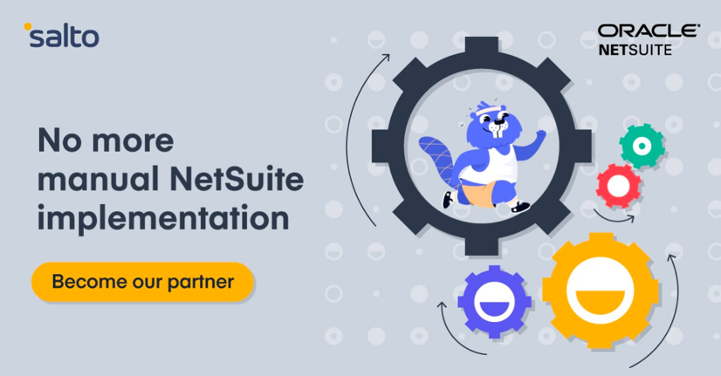 | https://www.salto.io/partner-program
Website visits | Whether handling dynamic changes in ECS Tasks and associated resource requests for CPU and Memory, or simply dealing with planned EC2 interruptions, Spot’s workload automation eliminated the need for Chegg’s operations team to manage all the infrastructure configurations. | [Case Study] Chegg Cuts EC2 Costs by 70% While Simplifying ECS Infrastructure Management | 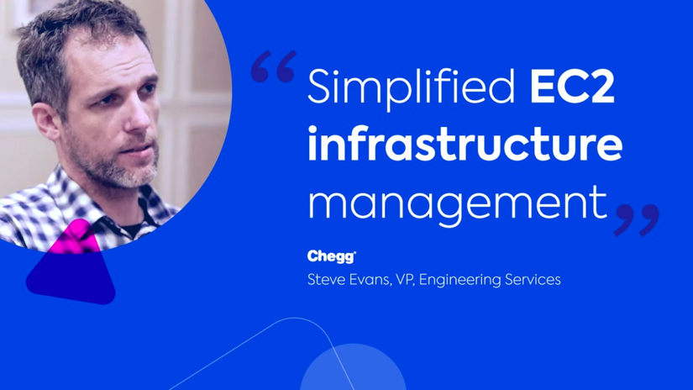 | https://spot.io/case-studies/chegg-ecs-success

