Sheet1
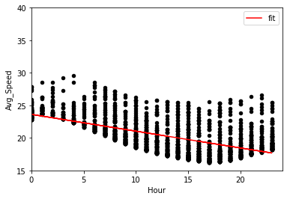
MOE | CITY | GRAPH
-2.0043 | NYC

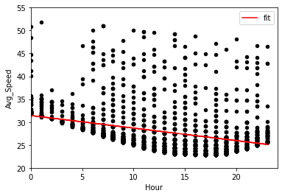
-2.6674 | San Francisco

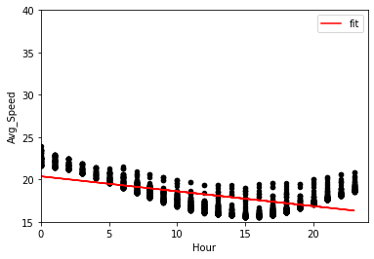
-2.2682 | London

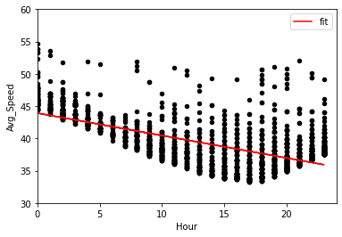
-2.3679834765 | Berlin

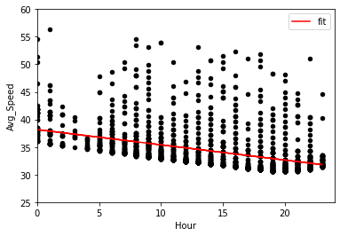
-1.7639 | Seattle

