Step 1 Diagram
1
Mixer
(under argon atmosphere)
Stirrer
Cooler
Stirrer
and cooler
3
5
7
9
Cooler/Stirrer
13
Heater
2
Stream # | Description
1 | 7-iodopyrrolo[2,1-f][1,2,4] triazin-4-amine
2 | suspended in tetrahydrofuran
3 | Resulting Mixture
4 | TMSCl
10
5 | Resulting Solution cooled to 0 degrees C
4
6
8
13
6 | PhMgCl added slowly
7 | Reaction mixture
8 | iPrMgCl (1M in tetrahydrofuran)
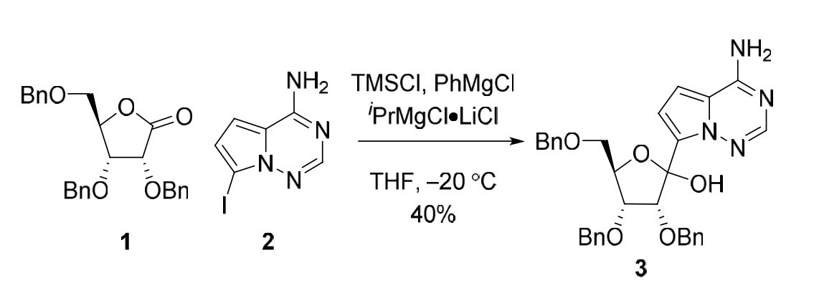
9 | Resulting Mixture internal temp below 5 C
Mixer
10 | Solution of 11 and 12
Quencher/
Stirrer
14
11 | 2,3,5-tri-0-benzyl-D-ribono-1,4-lactone
12 | tetrahydrofuran
13 | Resulting solution with internal temp of 20C
14 | Quenched with methanol at 0 degrees C
15 | Resulting Solution
16 | Quenched with acetic acid
17 | Resulting Solution
11
12
18 | Quenched with water
15
19 | Resulting Mixture warmed to room temp
20 | Concentrated mixture
21 | Ethyl Aceetate
Quencher/
Stirrer
22 | Aqueous HCl
16
23 | Organic Layer
24 | Aqueous layer
25 | Bicarbonate Solution
26 | Brine
27 | Resulting Solution
28 | Anhydrous sodium sulfate
29 | Resulting dried mixture
17
30 | Concentrated mixture
28
25
22
31 | 0-10% methanol in ethyl acetate
26
21
32 | (3R,4R,5R)-2-(4-aminopyrrolo[2,1-f][1,2,4]triazin-7-yl)-3,4-bis(benzyloxy)-5- ((benzyloxy)methyl)tetrahydrofuran-2-ol

Pressurizer
29
Dryer
27
Washer
24
Separator
20
Rotary Evaporator
19
Quencher/
Stirrer
18

30
23

Silica Gel Chromatography
32

31

Step 2 Diagram
1
Cooler
4
Stirrer
5
Stirrer
7
Stirrer
Warmed
9
10
Stream # | Description
1 | (3R,4R,5R)-2-(4-aminopyrrolo[2,1-f][1,2,4]triazin-7-yl)-3,4-bis(benzyloxy)-5- ((benzyloxy)methyl)tetrahydrofuran-2-ol
2 | dichloromethane
2
3 | trifluoromethanesulfonic acid
4 | Resulting Mixture
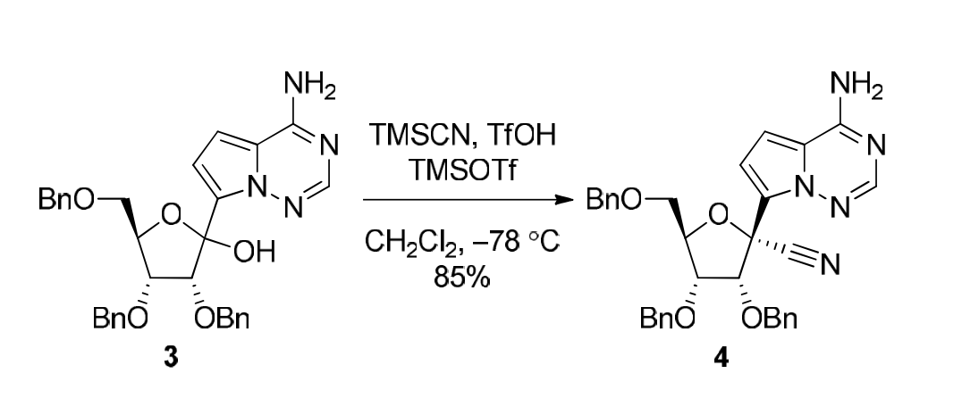
5 | After mixing of the mixture
6 | TMSOTf
3
6
8
7 | Resulting Mixture
8 | TMSCN added slowly
11
9 | Resulting Mixture
10 | Triethylamine
18
11 | Resulting Mixture
12 | Sodium Bicarbonate
13 | Resulting Mixture
14 | Slow Addition of Water
20
Washer
19
Separator
16
Stirrer
15
Stirrer
13
Mixer
12
15 | Resulting Mixture
16 | Resulting Mixture
17 | Aqueous Layer
18 | dichloromethane
19 | Organic Layer
20 | Washed with brine
21 | Resulting Solution
17
14
22 | Anhydrous Sodium Sulfate
23 | Dried mixture
24 | Concentrated Mixture
25 | 40-100% ethyl acetate in hexanes
21
26 | (2R,3R,4R,5R)-2-(4-aminopyrrolo[2,1-f][1,2,4]triazin-7-yl)-3,4-bis(benzyloxy)-5- ((benzyloxy)methyl)tetrahydrofuran-2-carbonitrile

22
Dryer
23
Pressure Reducer
24
Silica Gel Chromatography
26

25

Step 3 Diagram
3

Heater and Stirrer
1
Mixer under argon atmosphere
4
5
Cooler
7
Warmed
10
8
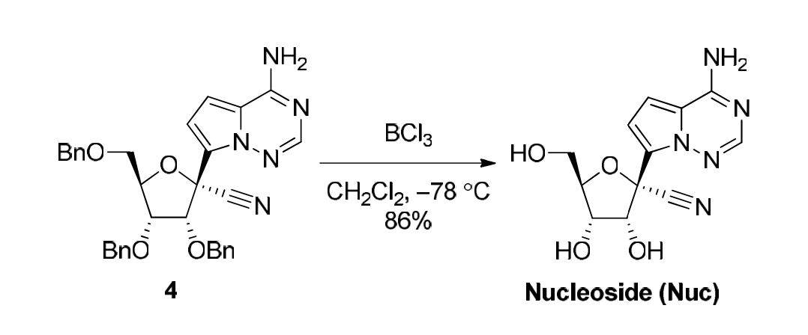
2
Stream # | Description
1 | (2R,3R,4R,5R)-2-(4-aminopyrrolo[2,1-f][1,2,4]triazin-7-yl)-3,4-bis(benzyloxy)-5- ((benzyloxy)methyl)tetrahydrofuran-2-carbonitrile
2 | Boron Trichloride added slowly
9
3 | Anhydrous dichloromethane in solution with (4)
4 | Resulting Mixture
6
5 | Resulting Mixture
6 | Methanol added dropwise
11
7 | Resulting Mixture
8 | Triethylamine
9 | Methanol
10 | Solution of Trieethylamine in methanol added dropwise
11 | Resulting Mixture at room tempeerature
12 | Resulting Mixture concentrated under reduced pressure
Reduced Pressure
13 | Hexanes added for slurry
Heater
Decant
14
Slurried
12
14 | solid residue slurried
17
16
15 | Liquid decanted
16 | Solid residue
17 | Suspended in methanol
18 | Resulting Mixture heated to 45 degrees C
19 | Water
20 | Resulting mixture concentrated under reduced pressure to remove volatiles
13
21 | Resulting Mixture cooled to room temperature
15
22 | Liquids extracted from filtration
23 | White Solids
24 | (2R,3R,4S,5R)-2-(4-aminopyrrolo[2,1-f][1,2,4]triazin-7-yl)-3,4-dihydroxy-5- (hydroxymethyl)tetrahydrofuran-2-carbonitrile
18

Reduced Pressure
Cooler
20
21
Vacuum Filtration
23
Oven Dryer
24

19

22

Step 4 Diagram
3
7

Stirreer/
Warmer
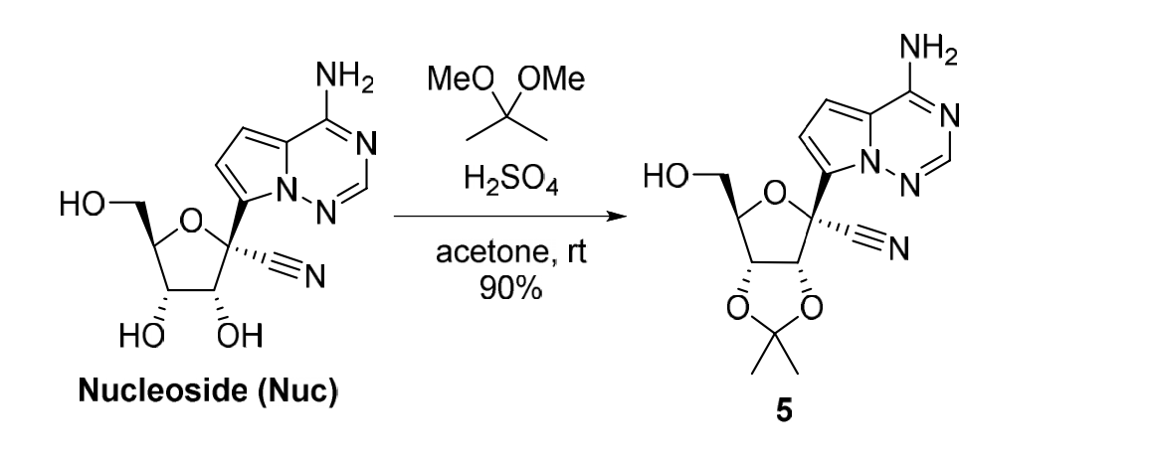
1
Mixer
4
5
Cooler
6
Stirrer
9
Reduced Pressure
Stream # | Description
1 | Nucleoside with 2,2-dimethoxypropane suspension in acetone at room temperature
2 | 2,2-dimethoxypropane
2
3 | sulfuric acid added dropwise to the suspension
4 | Reaction Mixture
5 | Reaction Mixture
8
6 | Reaction Mixture
7 | Solid sodium bicarbonate added first
8 | Water added right after
10
9 | Reaction Mixture
10 | Concentrated Reaction Mixture
11 | Ethyl Acetate
14
12 | Water
17
13 | Residue dissolved in ethyl acetate and water
14 | Ethyl Acetate used to extract water layer
Mixer
15 | Water layer
19
Reduced Pressure
18
16
Separator
13
Mixer
11
16 | Organic layer
17 | Anhydrous sodium sulfate used to dry organic extracts
18 | Reaction Mixture
19 | (3aR,4R,6R,6aR)-4-(4-aminopyrrolo[2,1-f][1,2,4]triazin-7-yl)-6-(hydroxymethyl)-2,2- dimethyltetrahydrofuro[3,4-d][1,3]dioxole-4-carbonitrile

12
15

Step 5 Diagram
3
5
8
1
Mixer
4
Mixer
6
Heater
7
Mixer
Stream # | Description
1 | (2S)-2-ethylbutyl 2-(((4- nitrophenoxy)(phenoxy)phosphoryl)amino)propanoate
2 | (3aR,4R,6R,6aR)-4-(4-aminopyrrolo[2,1-f][1,2,4]triazin-7-yl)-6-(hydroxymethyl)-2,2- dimethyltetrahydrofuro[3,4-d][1,3]dioxole-4-carbonitrile
3 | Magnesium Chloride
4 | Resulting Mixture
5 | Acetonitrile
2
6 | Resulting Solution
7 | Resulting Solution
8 | N,N-diisopropylethylamine
9 | Resulting Solution
10 | Resulting Solution
11 | Diluted with Ethyl Acetate
9
12 | Aqueous Layer
13 | Organic Layer
14 | Washed with 5% aqueous Citric acid Solution
14
11
15 | Resulting Solution
16 | Washed with Saturated Aqueous Ammonium Chloride Solution
17 | Resulting Solution
16
Washer
15
Washer
Separator
13
10
Cooler
18 | Washed with 5% Potassium Carbonate Solution (2x)
19 | Resulting Solution
20 | Washed with brine
21 | Resulting Solution
22 | Dried over Anhydrous Sodium Sulfate
23 | Resulting mixture
24 | Concentrated Mixture
12
25 | Elution with 0-100% Ethyl Acetate in hexanes
26 | (S)-2-ethylbutyl 2-(((S)-(((3aR,4R,6R,6aR)-6-(4-aminopyrrolo[2,1-f][1,2,4]triazin-7-yl)-6- cyano-2,2-dimethyltetrahydrofuro[3,4-d][1,3]dioxol-4- yl)methoxy)(phenoxy)phosphoryl)amino)propanoate

17

20
22

18
Washer
19
Washer
21
Mixer/Dryer
23
Reduced Pressure

24

26
Silica Gel Chromatography
25

Step 6 Diagram
4
7
9

1
Stirrer
3
Stirrer
5
Warmed
6
Mixer
8
Mixer
Stream # | Description
1 | (S)-2-ethylbutyl 2-(((S)-(((3aR,4R,6R,6aR)-6-(4-aminopyrrolo[2,1- f][1,2,4]triazin-7-yl)-6-cyano-2,2-dimethyltetrahydrofuro[3,4-d][1,3]dioxol-4- yl)methoxy)(phenoxy)phosphoryl)amino)propanoate

2
2 | Tetrahydrofuran
3 | Resulting Solution
4 | 37% Hydrochloric Acid Solution
5 | Resulting Mixture
6 | Resulting Mixture
7 | Water
8 | Resulting Mixture
9 | Aqueous Sodium Bicarbonate Solution to adjust to pH = 8
10 | Resulting Mixture
10
11 | Ethyl Acetate
19
12 | Inorganic Extract
16
14
13 | Organic Extract
14 | Brine used to wash organic extract
15 | Resulting Mixture
20
Silica Gel Chromatography
Reduced Pressure
Mixer
16 | Anhydrous Sodium Sulfate
18
17
Dryer/Mixer
15
13
Separator
11
17 | Resulting Mixturee
18 | Crude Residue
19 | Eluting with 0-100% Ethyl Acetate in hexanes
20 | GS-5734 (remdesivir)

12

