Instructions
 | NACAAT NA Commercialization Attribute Assignment Tool | Version | 3.09

 | Description |  | Support
 | NACAAT is an intelligent Excel tool which allows merchant teams to download TH NA-sourced design style information from MDM and identify styles for article |  | If you require support with NACAAT, please log a PVHAssist ticket.
 | creation in SAP. A commercialization worksheet can be generated based on user selection below along with style, channel, country, and owner data |  | https://pvhnow.service-now.com/assist
 | configuration in Centric NA. Furthermore, business rules are applied to pre-populate specific data attributes. Within the worksheet, records can then
 | be marked for export and a file will be generated for manual upload back into MDM.

 | Worksheet Creation Menu |  | Change Log
 |  |  | Version | Change Description | Responsible | Date
 |  |  | 3.09 | Improved source performance w/ FDL & disabling data preview | Eric Salinas | 2021-04-27
 |  |  | 3.08 | Canada data load procedures | Eric Salinas | 2021-04-27
 |  |  | 3.07 | Updated export filename and enabled additional data loads | Eric Salinas | 2021-04-27
 |  |  | 3.06 | Export procedure | Eric Salinas | 2021-04-27
 |  |  | 3.05 | Create named range for worksheet for export | Eric Salinas | 2021-04-27
 |  |  | 3.04 | Initialization procedure | Eric Salinas | 2021-04-27
 |  |  | 3.03 | Initial VBA copy to worksheet | Eric Salinas | 2021-04-27
 |  |  | 3.02 | Connection properties revised to prevent background refresh | Eric Salinas | 2021-04-26
 |  |  | 3.01 | Dynamic file sourcing based on relative path | Eric Salinas | 2021-04-23
 |  |  | 3.00 | Ported to Power Query; Raw data connections created | Eric Salinas | 2021-04-15
 |  |  | 2.00 - 2.50 | Ported to intermediary step via Python | Eric Salinas | 2021-03-28
 |  |  | 1.00 - 1.06 | Initial developments | Carl Jacquier | 2021-02-15

Step | Instructions
1 | Highly recommended to store the NACAAT files within a directory on your computer hard drive. Not in a OneDrive folder. |  | Known Issues / Things to Do
 | NACAAT has difficulty pulling data from shared drives or online sources. The directory name is not important. Just that the files are stored together. |  | Type | Description
 |  |  | To Do | Underwear Power Queries
2 | Open NACAAT. Click 'Enable Content' if the security warning pops up. This allows macros and refreshing data from active sources. |  | To Do | HK+/Japan worksheet creation
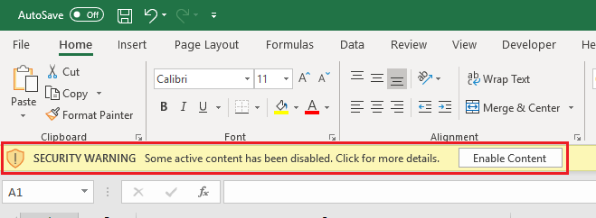
 |  |  | To Do | Dropdown LOVs
 |  |  | To Do | Assortment Sheet MSRP reads

3 | Place the latest HTS MDM extract file to the 'HTS Assignment Tool' directory. The file name from MDM is called 'excel.xlsx' and should remain
 | exactly that way. MDM files are extracted on a daily basis and distributed to end-users Log a PVHAssist ticket to revise the list of recipients.

 |  |  | Relative Path
 |  |  | C:\Users\esalin\Desktop\NA Commercialization\

 |  |  | Administrative Menu

4 | Place the latest HTS list of values (LOV) file in the 'KIP Attribute Update Tool' directory. The file name should remain exactly 'HTS Master.xlsx'.

