Instructions
 | NACAAT NA Commercialization Attribute Assignment Tool | Version | 3.23

 | Description |  | Support
 | NACAAT is an intelligent Excel tool which allows merchant teams to download TH NA-sourced design style information from MDM and identify styles for article |  | If you require support with NACAAT, please log a PVHAssist ticket.
 | creation in SAP. A commercialization worksheet can be generated based on user selection below along with style, channel, country, and owner data |  | https://pvhnow.service-now.com/assist
 | configuration in Centric NA. Furthermore, business rules are applied to pre-populate specific data attributes. Within the worksheet, records can then
 | be marked for export and a file will be generated for manual upload back into MDM.

 | Worksheet Creation Menu |  | Change Log
 |  |  | Version | Change Description | Responsible | Date
 |  |  | 3.23 | Relative path for theme data validation | Eric Salinas | 2021-05-12
 |  |  | 3.22 | Theme data validation | Eric Salinas | 2021-05-12
 |  |  | 3.21 | Pulled product segmentation from color level vs. style | Eric Salinas | 2021-05-12
 |  |  | 3.20 | Updated size map query to fixed filename | Eric Salinas | 2021-05-12
 |  |  | 3.19 | Underwear queries and worksheets | Eric Salinas | 2021-05-12
 |  |  | 3.18 | Sorted Queries in Editor | Eric Salinas | 2021-05-09
 |  |  | 3.17 | Updated delivery plant values (Defect 11517) | Eric Salinas | 2021-05-04
 |  |  | 3.16 | Asia FDL | Eric Salinas | 2021-04-29
 |  |  | 3.15 | Asia Worksheet Creation | Eric Salinas | 2021-04-29
 |  |  | 3.14 | Cleaned up size key queries | Eric Salinas | 2021-04-29
 |  |  | 3.13 | Updated queries for size key | Eric Salinas | 2021-04-29
 |  |  | 3.12 | Relative path for MDM size map | Eric Salinas | 2021-04-29
 |  |  | 3.11 | Sizing Map for US Whs and CA Whs | Eric Salinas | 2021-04-29
Step | Instructions |  | 3.10 | Formatting & Instructions | Eric Salinas | 2021-04-28
1 | It is highly recommended to store the NACAAT files within a directory on your computer hard drive. Not in a OneDrive folder. |  | 3.09 | Improved source performance w/ FDL & disabling data preview | Eric Salinas | 2021-04-27
 | NACAAT has difficulty pulling data from shared drives or online sources. The directory name is not important. Just that the files are stored together. |  | 3.08 | Canada data load procedures | Eric Salinas | 2021-04-27
 |  |  | 3.07 | Updated export filename and enabled additional data loads | Eric Salinas | 2021-04-27
2 | Open NACAAT. Click 'Enable Content' if the security warning pops up. This allows macros and refreshing data from active sources. |  | 3.06 | Export procedure | Eric Salinas | 2021-04-27
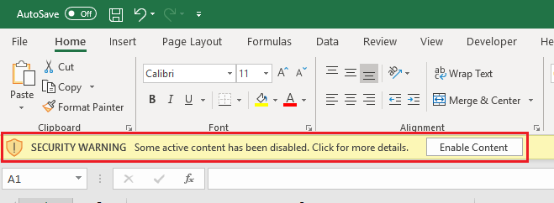
 |  |  | 3.05 | Create named range for worksheet for export | Eric Salinas | 2021-04-27
 |  |  | 3.04 | Initialization procedure | Eric Salinas | 2021-04-27
 |  |  | 3.03 | Initial VBA copy to worksheet; Git setup | Eric Salinas | 2021-04-27
 |  |  | 3.02 | Connection properties revised to prevent background refresh | Eric Salinas | 2021-04-26
 |  |  | 3.01 | Dynamic file sourcing based on relative path | Eric Salinas | 2021-04-23
 |  |  | 3.00 | Ported to Power Query; Raw data connections created | Eric Salinas | 2021-04-15
 |  |  | 2.00 - 2.50 | Ported to intermediary step via Python | Eric Salinas | 2021-03-28
 |  |  | 1.00 - 1.06 | Initial developments | Carl Jacquier | 2021-02-15
3 | Place the latest NA Commercialization MDM extract file to the same directory where NACAAT file is stored. The file name from MDM is called 'excel.xlsx'
 | and should remain named exactly that way. It is okay if other files or folders exist in the same directory. MDM files are extracted on a daily basis and
 | distributed to end-users. Log a PVHAssist ticket to revise the list of recipients as the teams evolve. |  | Known Issues / Things to Do
 |  |  | Type | Description
 |  |  | To Do | Create an ALL DATA view
 |  |  | To Do | Initialize filter settings
 |  |  | To Do | Explore: Pull IM commercialization insights from refined UBS
 |  |  | To Do | HK+/Japan worksheet defaults
 |  |  | To Do | Remaining dropdown LOVs
 |  |  | To Do | Explore: Assortment Sheet MSRP reads
 |  |  | To Do | Test on a shared drive to observe behavior
 | The raw MDM file is hierarchical with style information on one line and color information on different lines. This is okay and will be rectified as part of |  | To Do | Field Legend
 | the NACAAT processing routines. There is no need to open, change, or review this file. |  | To Do | Pull latest MDM size map with dynamic file name
 |  |  | To Do | Identify commercialization deltas

 |  |  | Relative Path
 |  |  | C:\Users\esalin\Desktop\NA Commercialization\

 |  |  | Administrative Menu
4 | Based on data from Centric, NACAAT has the ability to generate a commercialization file specific to a given country and channel. This allows NACAAT
 | to pre-populate, or default, input values which would otherwise require manual entry from an end-user.

 | A menu of buttons is presented above that allows the end-user to select the specific channel and country. Select the desired country/channel.

 | If you receive a message regarding Privacy levels during the process, please set the data source to Organizational privacy.
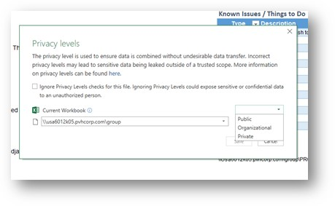

Note: Privacy levels are critical to configure correctly so that sensitive data is only viewed by authorized users. KIPAUT is set to Organizational level privacy which limits the visibility of a data source to a trusted group of people. It is isolated from all Public data sources, but is visible to other Organizational data sources.
By selecting Organizational privacy for the directory hosting the files, it can prevent you from inadvertently combining data from multiple data sources, which are set to different levels of privacy such as private and public.

 | When a button is pressed the following activities are performed automatically within NACAAT -
 | ● Data is pulled in from the MDM file that has been placed in your NACAAT directory
 | ● The hierarchical data (style vs color) is compressed into a flat, readable, and manageable format
 | ● Data records that are not applicable (other divisions, inactive colors, etc) are excluded
 | ● Input values are pre-populated based on business rules
 | ● Data validation formulas are pre-inserted to provide a drop-down list of values for select attributes (Adopted Size Range, Theme, etc)

 | While it is NACAAT is running, you may see your Excel screen flicker and status messages on the lower right.

 | When the process is complete, the following message box below appears.
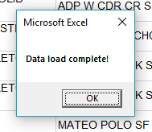

 | Based on initial testing, the processing should complete within 30 seconds.
 | Your mileage may vary based upon volume of data and computer specifications.

5 | A new tab will appear in the NACAAT workbook called 'NA Commercialization Worksheet'.

 | Styles and their attributes are available for your review. Blue fields are input fields. Black fields are read-only and for your information only.
 | Some of the blue input fields have been pre-populated for efficiency but can be overriden at your discretion.

 | The given collection is displayed at the top as a reminder to the user what the data represents.

6 | Based on your review of the data, select the records desired for commercialization using the first column in the spreadsheet named 'Export'.
 | You may mark the cell for your record with an 'X' or any combination of letters or numbers. Heck, maybe even an emoji would work!
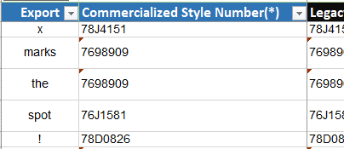

7 | When your selections are complete, hit the export button at the top of the worksheet.

 | When the export process is complete, you will receive a message that you can now close NACAAT and locate the file for MDM upload.
 | When you close NACAAT, it is not important to save. Your work has been captured in the export file.
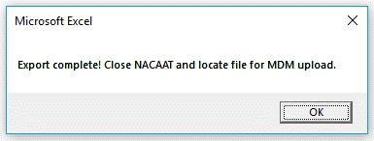

 | Based on initial testing, the export should complete within 30 seconds.
 | Your mileage may vary based upon volume of data and computer specifications.

8 | Navigate to your NACAAT directory. You will find an export file stamped with the collection, version, date, and time.

 | You may open the export file to review your work. It will consist of the records you marked for export and will be in a format ready for upload into MDM.

