BUGS
BUG Status | Description | Section | Browser | BUG type | Steps to reproduce | Expected result | Current Result
Open | Unbalanced UI on Benefits Dashboard | Paylocity Benefits Dashboard | Chrome / Mozilla | Design | 1.-Login to the page | The page UI should be square and properly aligned. | The UI is misaligned, affecting its overall appearance. | 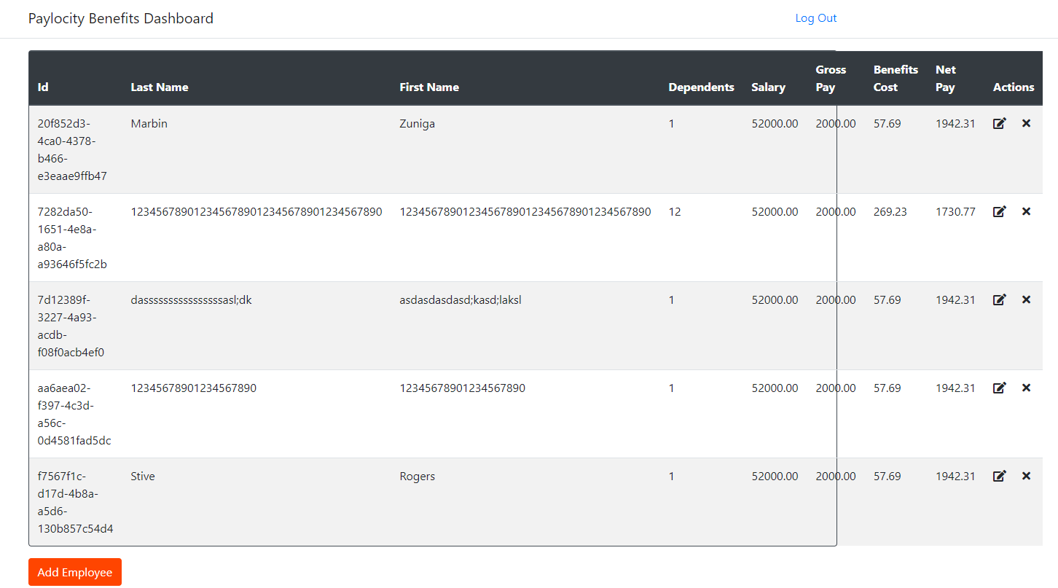
 |  |  |  |  | 2.- Click on Add employee
 |  |  |  |  | 3.- Insert First Name and Last Name with Characteres above 50
 |  |  |  |  | 3.- Click On Add Button

Open | UnAuthorize message | Paylocity Benefits Dashboard | Chrome / Mozilla | API | 1.- Login to the Page | The page should either redirect to the login screen or display a message indicating that your session has ended | The Add button does not perform any action.
 |  |  |  |  | 2. Wait for approximately 25 minutes without any activity on the computer.
 |  |  |  |  | 3. Click on Add employee
 |  |  |  |  | 4. Enter All the detail of employee
 |  |  |  |  | 5.- Click on Add

Open | access to the dashboard without logging in | Paylocity Benefits Dashboard | Chrome / Mozilla | Security | 1.- Login to the Page
 |  |  |  |  | 2.- click on Log Out
 |  |  |  |  | 3.- Try to access to this page dashboard by link https://wmxrwq14uc.execute-api.us-east-1.amazonaws.com/Prod/Benefits | The page should redirect to the login screen and the dashboard should not be visible | You can see the dashboard without having to log in.

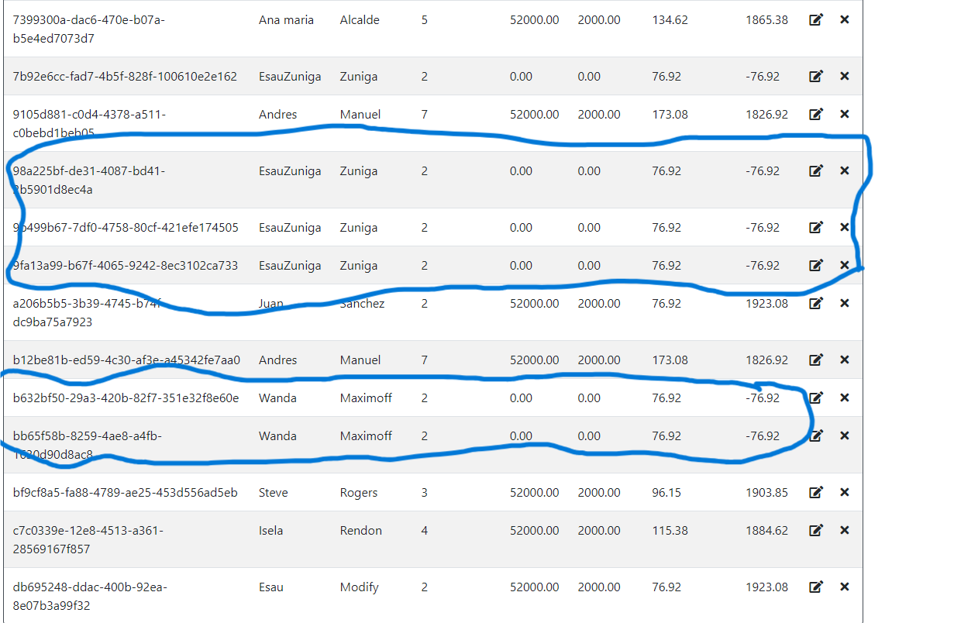
Open | New Record Created with Incorrect Data when Updating Employee with Invalid ID |  |  |  | 1- Open Postman and Set method PUT | The API should return an error response when the employee ID does not exist, and no new records should be created. | A new record is added to the database with invalid or incomplete data when the API receives an update request with an incorrect employee ID.
 |  |  |  |  | 2. API Endpoint: https://wmxrwq14uc.execute-api.us-east-1.amazonaws.com/Prod/api/employees/{{Ids}}
 |  |  |  |  | 3 Set json postman
 |  | API | Postman | API | 4 Send Request

 |  |  |  |  | 1. Open Postman or any API testing tool.
Open | API DELETE Employee Endpoint Fails to Remove Employee Record |  |  |  | 2. Set the request method to DELETE.
 |  |  |  |  | 3. API Endpoint: URL: https://wmxrwq14uc.execute-api.us-east-1.amazonaws.com/Prod/api/employees/{{Ids}} | The DELETE request should remove the specified employee from the database. | The record is not deleted when the request is sent.
 |  |  |  |  | 4. Add any required headers or authentication tokens (if needed).
 |  | API | Postman | Api | 5. Click Send to submit the DELETE request.

