3.5
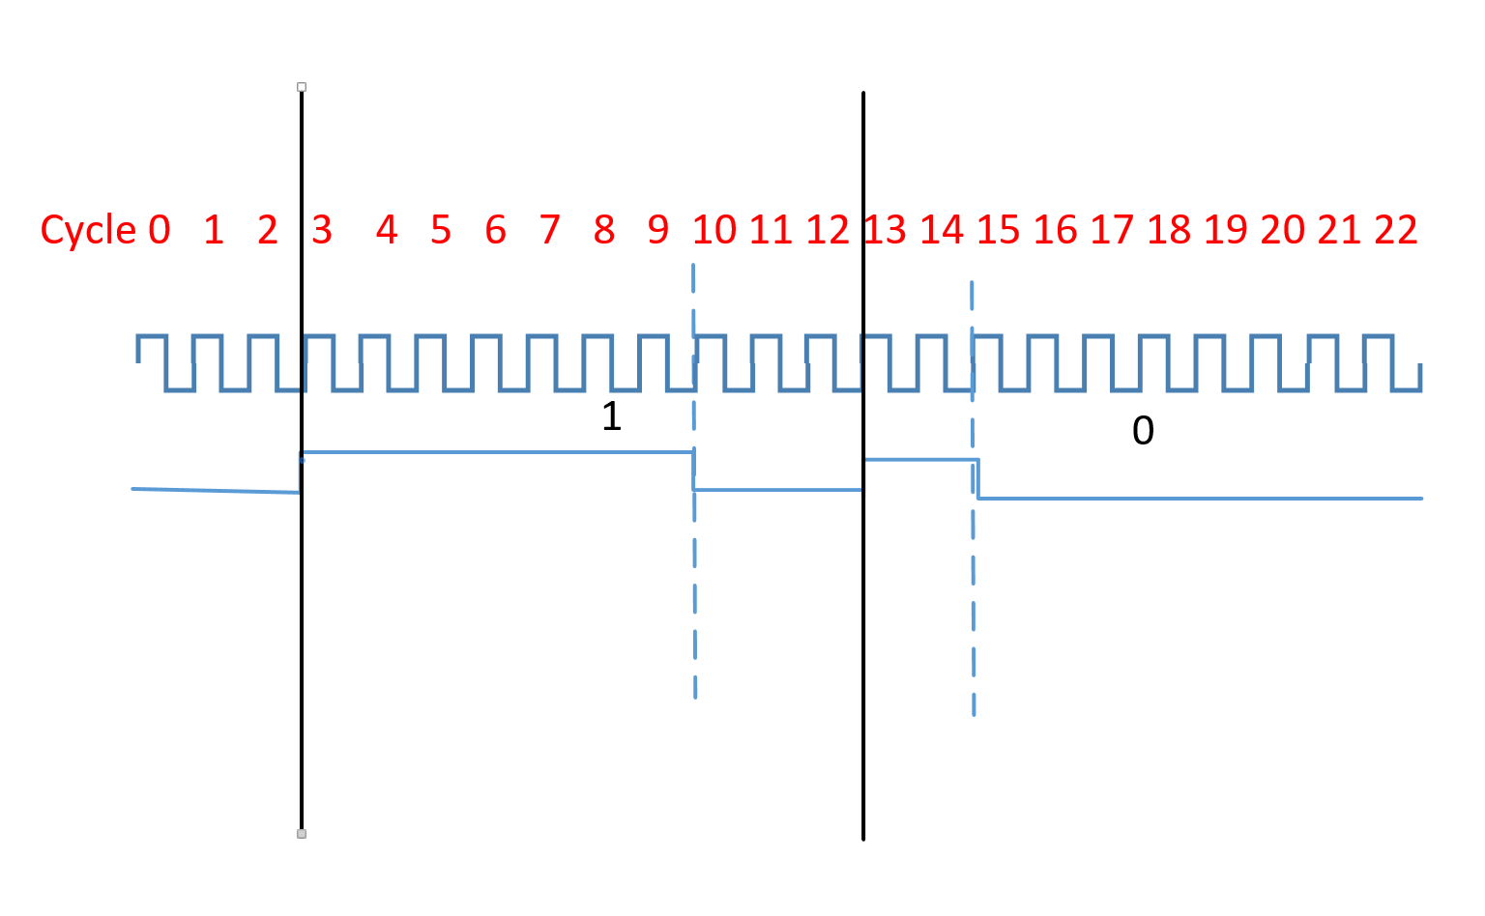
1-bit data Transmission process for ws2812: .wrap_target L0 bitloop: L1 out x, 1 side 0 [T3 - 1] ; Side-set still takes place when instruction stalls L1 jmp !x do_zero side 1 [T1 - 1] ; Branch on the bit we shifted out. Positive pulse L2 do_one: L2 jmp bitloop side 1 [T2 - 1] ; Continue driving high, for a long pulse L3 do_zero: L3 nop side 0 [T2 - 1] ; Or drive low, for a short pulse L4 .wrap L4 T1=2 T2=5 T3=3 |  |  |  |  |  |  |  | transmit 1 bit data as "1" ; 7(T1+T2) cycles high level, 3 (T3)cycles low level; transmit 1 bit data as "0" ; 2(T1) cycles high level, 8(T3+T2) cycles low level
 | Output 1 for pin |  |  |  | Output 0 for pin
state | L0 | L1 | L2 | L3 | L1 | L2 | L4
Data in FIFO? | Y | Y | Y | N | Y | Y | N
State Machine stalled? | N | Y | N | N | N | N | N
delay cycles | 1 | 3 | 2 | 5 | 3 | 2 | 5
output shift register | 0 | 0 | 0 | 0 | 1 | 1 | 1
X variable | 0 | 0 | 0 | 0 | 1 | 1 | 1
LED pin | 0 | 0 | 1 | 1 | 0 | 1 | 0

