3.6
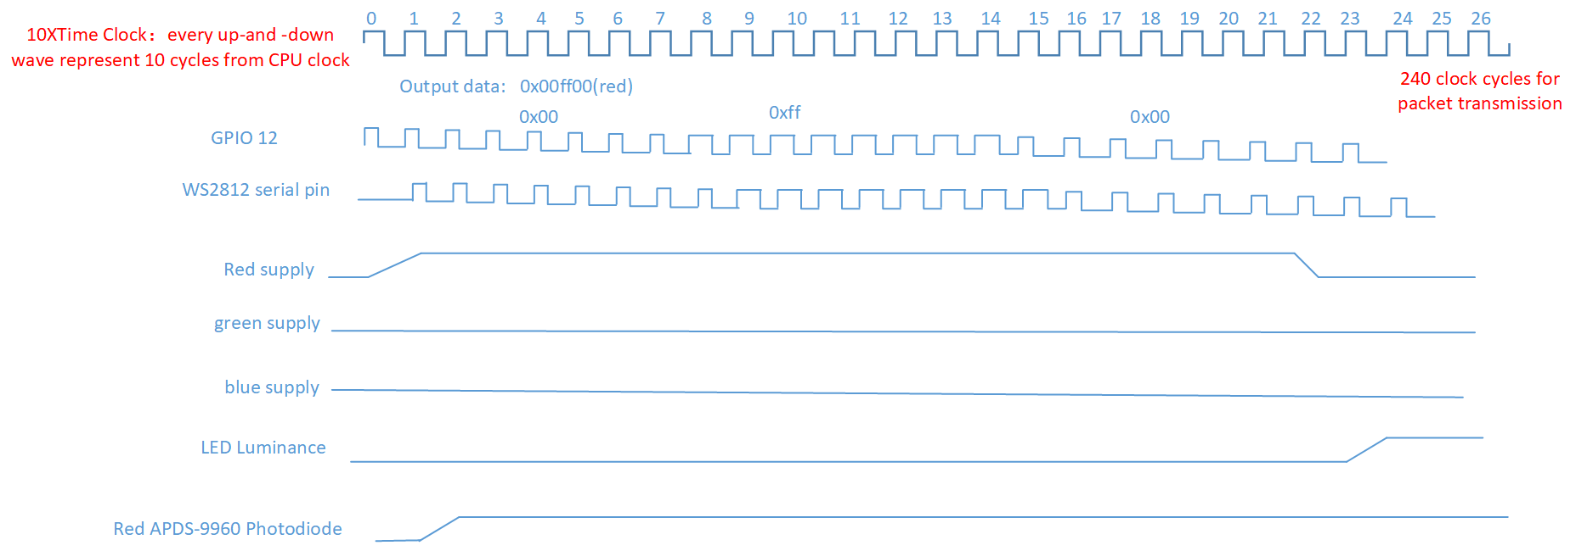
 | for every 10 cycle | 11-20 | 21-30 | 40 | 50 | 60
SM0_ADDR | 0x00000000(2cycles)->0x00000001(3cycles)->0x00000002(send 1)/0x00000003(send 0)(5cyles)
SM0_INSTR | 0x00006221(3cycles)->0x00001123(2cycles)->0x00001400(send 0)/0x0000A442(send 0)(5cycles)

