总体
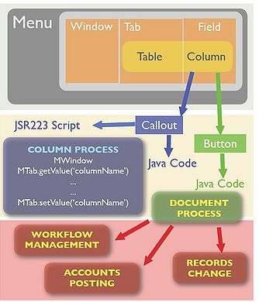

系统配置
 | 窗口页签和字段
 | 表和列
 | 菜单
 | 角色
 | 组织

开发方法
 | 功能名称 | 参照sheet | 描述
 | 标准方法 | Model | 单表维护画面
 | 修改了某个值后，别的值需要联动 | Callout | 在单表中根据业务逻辑变更字段的值
 | 保存或者删除前业务的校验 | Validate | 简略说明
 | 保存或者删除时执行业务 | ProcessSave
 | 点击工具栏中的按钮执行业务 | ProcessProcessButtom
 | 点击工具栏中的按钮打印JasperReport | ProcessJasper
 | 点击DocAction运行审批流程 | WorkFlow | 范围以外

其他
 | SQL的写法
 | log的写法
 | 画面消息的写法
 | 调试方法
 | 取值方法
 | 集成JasperReport
 | 版本控制
 | validate和callout的区别
 | svn管理方式

文献
 | http://www.adempiere.com/DevGuide_When_to_use
 | http://www.adempiere.com/Extending_ADempiere
 | http://www.adempiere.com/NewWindow
 | http://www.adempiere.com/How_to_create_a_complete_new_module_in_ADempiere
 | http://www.adempiere.com/ADempiere/Compiere_JasperReports_Integration_HowTo

环境
数据库 | postgresql

jdk1.6

idempiere2.0

创建新的插件项目，本次指南的java源代码都放在此处

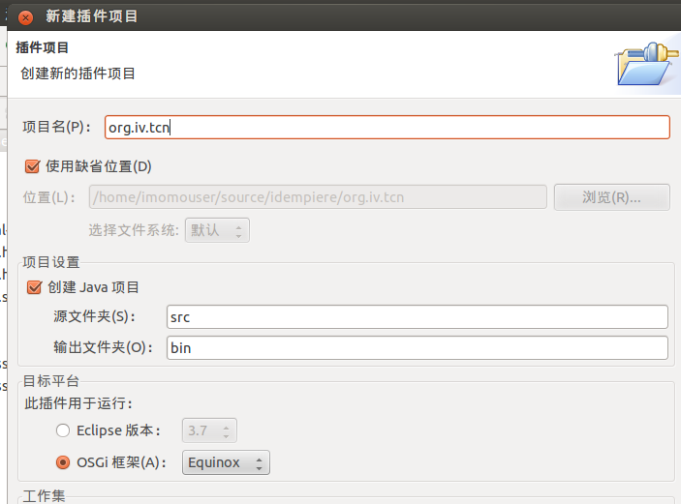

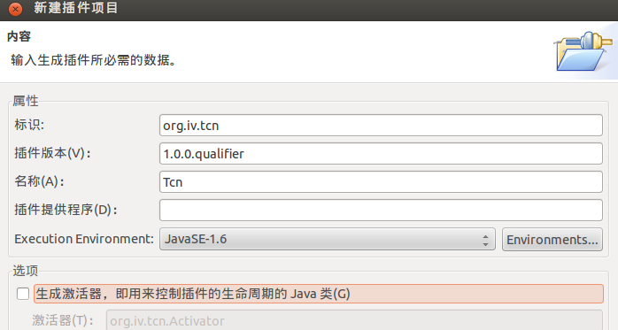

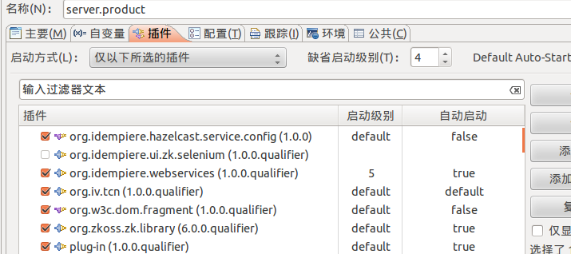

导入数据库后
需要根据数据库的版本修改idempiereEnv.properties文件中的版本

OSGI配置
创建一个继承X_C_Material类的M类

package org.iv.tcn.model;
import java.util.Properties;
import java.sql.PreparedStatement;
import java.sql.ResultSet;
import org.iv.tcn.model.X_C_Material;
public class MCMaterial extends X_C_Material {
/** Process Message */
private static final long serialVersionUID =9879869;
public MCMaterial(Properties ctx, int C_Material_ID,
String trxName) {
super(ctx, C_Material_ID, trxName);
// TODO Auto-generated constructor stub
}
public MCMaterial(Properties ctx, ResultSet rs, String trxName) {
super(ctx, rs, trxName);
// TODO Auto-generated constructor stub
}
public static MCMaterial getMaterial(Properties ctx,int C_Material_ID,String trxName){
return new MCMaterial(ctx,C_Material_ID,trxName);
}
}

创建ModelFactory

package org.iv.tcn.model;
import java.sql.ResultSet;
import org.adempiere.base.IModelFactory;
import org.compiere.model.PO;
import org.compiere.util.Env;
public class TCN_ModelFactory implements IModelFactory {
@Override
public Class<?> getClass(String tableName) {
if (tableName.equals(I_C_Material.Table_Name)) {
return MCMaterial.class;
} else
return null;
}
@Override
public PO getPO(String tableName, int Record_ID, String trxName) {
if (tableName.equals(I_C_Material.Table_Name)) {
return new MCMaterial(Env.getCtx(), Record_ID, trxName);
} else
return null;
}
@Override
public PO getPO(String tableName, ResultSet rs, String trxName) {
if (tableName.equals(I_C_Material.Table_Name)) {
return new MCMaterial(Env.getCtx(), rs, trxName);
} else
return null;
}
}

在OSGI-INF目录下，创建ModelFactory的xml配置文件TCN_ModelFactory.xml

<?xml version="1.0" encoding="UTF-8"?>
<scr:component xmlns:scr="http://www.osgi.org/xmlns/scr/v1.1.0" name="org.iv.tcn.model.factory">
<implementation class="org.iv.tcn.model.TCN_ModelFactory"/>
<property name="service.ranking" type="Integer" value="1"/>
<service>
<provide interface="org.adempiere.base.IModelFactory"/>
</service>
</scr:component>

Manifest-Version: 1.0
Bundle-ManifestVersion: 2
Bundle-Name: Tcn
Bundle-SymbolicName: org.iv.tcn
Bundle-Version: 1.0.0.qualifier
Import-Package: org.osgi.framework;version="1.3.0",
org.osgi.service.event;version="1.2.0"
Require-Bundle: org.adempiere.base;bundle-version="1.0.0",
org.adempiere.plugin.utils;bundle-version="0.0.0"
Bundle-Activator: org.adempiere.plugin.utils.AdempiereActivator
Service-Component: OSGI-INF/*.xml
Bundle-RequiredExecutionEnvironment: JavaSE-1.6

在METE-INF目录下MANIFEST.MF

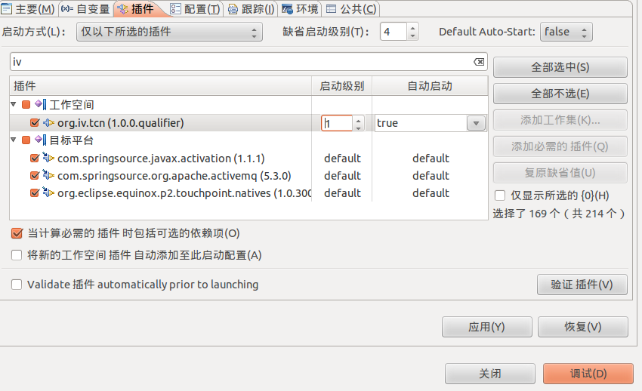

bundle默认启动级别是4，
一般>4即可,小于4会有警告

Model
 | 材料头表 | 式样:创建一个单表，实现基本的增删改查

1.红字为必须字段，每个表都需要有这些个字段
2.建表语句中，表名不要带“”，容易出错
3.绿字为主键，主键名必须为表名+“_ID”
4.建表的时候表名需要区分大小写
第一步

 | CREATE TABLE C_Material (
 | AD_CLIENT_ID | NUMERIC(10) NOT NULL,
 | AD_ORG_ID | NUMERIC(10) NOT NULL,
 | ISACTIVE | CHAR(1) DEFAULT 'Y' NOT NULL,
 | CREATED | DATE DEFAULT NOW() NOT NULL,
 | CREATEDBY | NUMERIC(10) NOT NULL,
 | UPDATED | DATE DEFAULT NOW() NOT NULL,
 | UPDATEDBY | NUMERIC(10) NOT NULL,
 | C_Material_UU | VARCHAR(100),
 | C_MATERIAL_ID | NUMERIC(10,0) | NOT NULL,
 | NAME | VARCHAR(100) | NOT NULL,
 | NAMESHORT | VARCHAR(100) | NOT NULL，
 | total | NUMERIC(10,0)
 | );

 | ALTER TABLE C_Material ADD PRIMARY KEY (C_MATERIAL_ID );

第二步 | iDempiere中设定对象实体类型

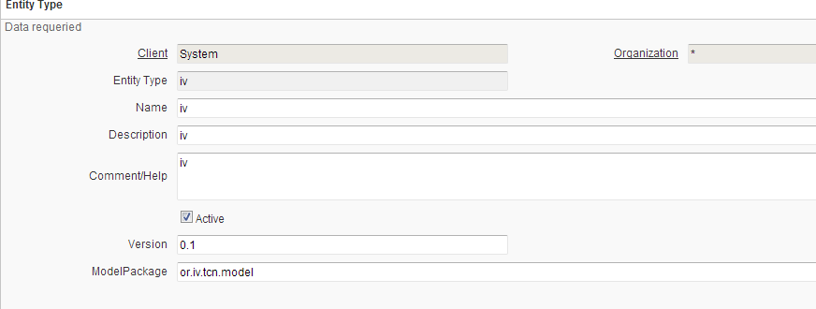

使用iv作为新的类型。
在iDempiere中所有的修改都会用EntityType作为标识，用于记录变更隶属于哪个批次。
Model Generate生成的文件会放在org.iv.tcn.model中

第三步 | 在idempiere中创建表和列信息

EntityType注意需要指定为iv

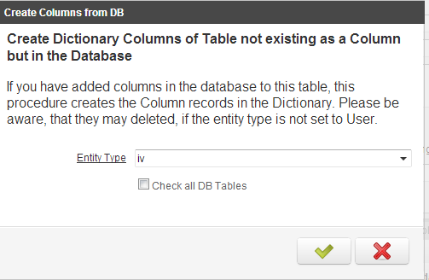
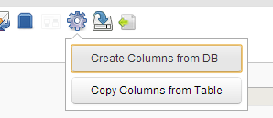

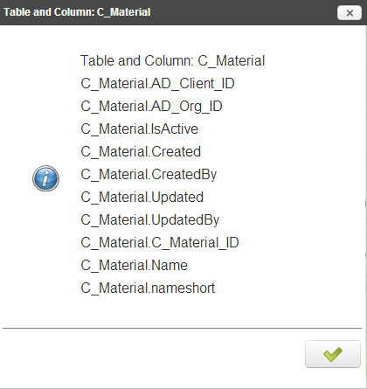

注意主键的refrence需要指定为ID

第四步 | 在iDempiere中创建实体

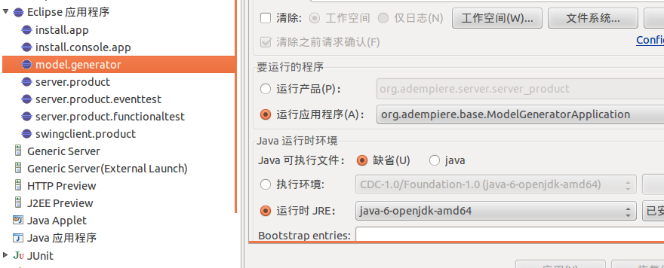

第五步 | 创建新的窗口和标签

 | 创建标签中的字段

第六步 | 创建菜单

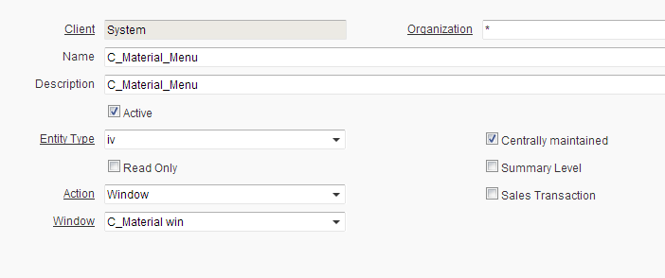

完成了，切换一下用户就可以访问了

可以正常的添加删除和保存了。
但是系统中会有警告，不影响使用。
解决方法参照OSGI配置

callout
在单表画面中对值的合法性进行check,不通过的话,重新设置值

业务逻辑代码

package org.iv.tcn.callout;
import java.sql.PreparedStatement;
import java.sql.ResultSet;
import java.sql.SQLException;
import java.util.Properties;
import java.util.logging.Level;
import org.compiere.model.CalloutEngine;
import org.compiere.model.GridField;
import org.compiere.model.GridTab;
public class CalloutCMaterial extends CalloutEngine {
public String checkNameShort(Properties ctx, int WindowNo, GridTab mTab, GridField mField, Object value, Object oldValue)
{
String newNameShort = (String)value;
String oldNameShort = (String)oldValue;
//if (!mTab.getTableName().equals("C_Material") || !mField.getColumnName().equals("nameshort")){
if(newNameShort == null || newNameShort.equals(""))
{
return "null";
}
//String Name = mTab.getField("Name").getValue().toString();
String Name = GetName();
if(newNameShort.substring(0,4).equals(Name.substring(0, 4))){
return "";
}
else{
//log.log(Level.SEVERE, "nameshort",mTab.getName());
mTab.setValue("nameshort", Name.substring(0, 4));
return "sub!=";
}
}
public String GetName() {
//String Name = mTab.getField("Name").getValue().toString();
return "substring";
}
}
创建一个继承CalloutEngine类的CalloutCMaterial类

创建一个继承CalloutCMaterial的TCN_CalloutFromFactory类

package org.iv.tcn.callout;
import java.util.Properties;
import java.util.logging.Level;
import org.adempiere.base.IColumnCallout;
import org.compiere.model.GridField;
import org.compiere.model.GridTab;
import org.jfree.util.Log;
public class TCN_CalloutFromFactory extends CalloutCMaterial implements IColumnCallout {
@Override
public String start(Properties ctx, int WindowNo, GridTab mTab,
GridField mField, Object value, Object oldValue) {
if (mField.getColumnName().equals("nameshort"))
return checkNameShort(ctx, WindowNo, mTab, mField,value,oldValue);
return null;
}
}

注册的，调用TCN_CalloutFromFactory的TCN_CalloutFactory类

package org.iv.tcn.callout;
import java.util.ArrayList;
import java.util.List;
import org.adempiere.base.IColumnCallout;
import org.adempiere.base.IColumnCalloutFactory;
import org.iv.tcn.model.MCMaterial;
public class TCN_CalloutFactory implements IColumnCalloutFactory {
@Override
public IColumnCallout[] getColumnCallouts(String tableName,
String columnName) {
List<IColumnCallout> list = new ArrayList<IColumnCallout>();
if (tableName.equals(MCMaterial.Table_Name) && columnName.equals(MCMaterial.COLUMNNAME_nameshort)) {
list.add(new TCN_CalloutFromFactory());
}
return list != null ? list.toArray(new IColumnCallout[0]) : new IColumnCallout[0];
}
}

在OSGI-INF目录下，创建CalloutFactory的xml配置文件TCN_CalloutFactory.xml

<?xml version="1.0" encoding="UTF-8"?>
<scr:component xmlns:scr="http://www.osgi.org/xmlns/scr/v1.1.0" name="org.iv.tcn.callout.factory">
<implementation class="org.iv.tcn.callout.TCN_CalloutFactory"/>
<property name="service.ranking" type="Integer" value="1"/>
<service>
<provide interface="org.adempiere.base.IColumnCalloutFactory"/>
</service>
</scr:component>

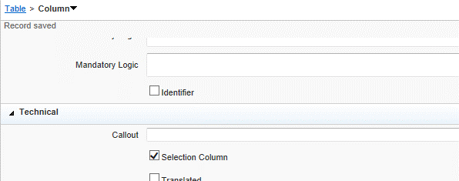

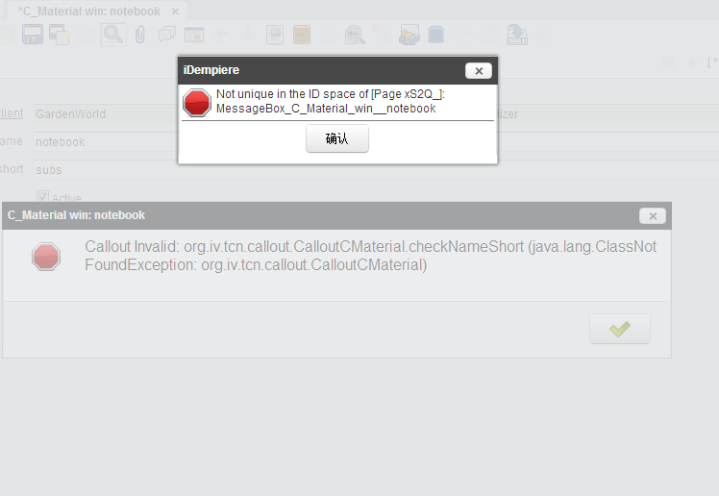

出现如上错误时，是因为callout中设置了方法名。
callout有多种开发方式：
1.本指南使用的，单独配置call factory的方法
2.使用idempiere自带的CallEngine方法(例如汇率中乘率和除率的转换)
使用第2种方法时，需要在column的callout配置中设置方法名，
使用第1种方法时，不需要在callout配置中设置

ProcessButtom
材料明细表 |  | 式样： | 在head表上添加一个计算按钮，将明细行数更新到Total字段

第一步

 | CREATE TABLE C_MaterialLine (
 | AD_CLIENT_ID | NUMERIC(10) NOT NULL,
 | AD_ORG_ID | NUMERIC(10) NOT NULL,
 | ISACTIVE | CHAR(1) DEFAULT 'Y' NOT NULL,
 | CREATED | DATE DEFAULT NOW() NOT NULL,
 | CREATEDBY | NUMERIC(10) NOT NULL,
 | UPDATED | DATE DEFAULT NOW() NOT NULL,
 | UPDATEDBY | NUMERIC(10) NOT NULL,
 | C_MaterialLine_UU | VARCHAR(100),
 | C_MaterialLine_ID | NUMERIC(10,0) | NOT NULL,
 | NAME | VARCHAR(100) |  | NOT NULL,
 | NAMESHORT | VARCHAR(100) |  | NOT NULL,
 | C_Material_ID | NUMERIC(10,0) | NOT NULL
 | );

第二步 | 在idempiere中创建表和列信息

新建明细表
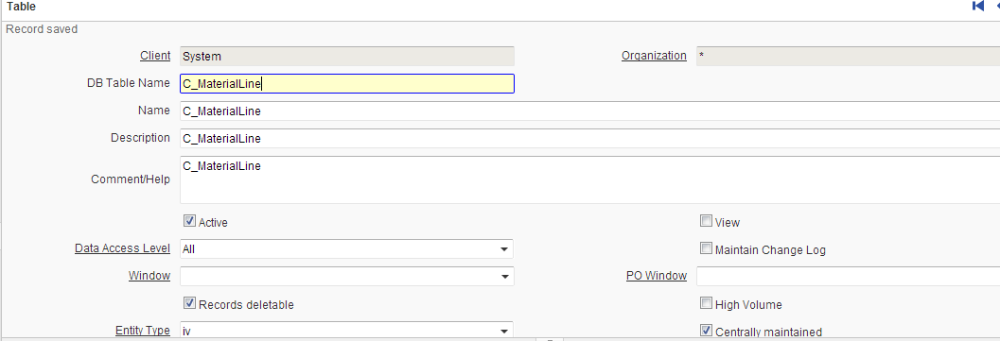

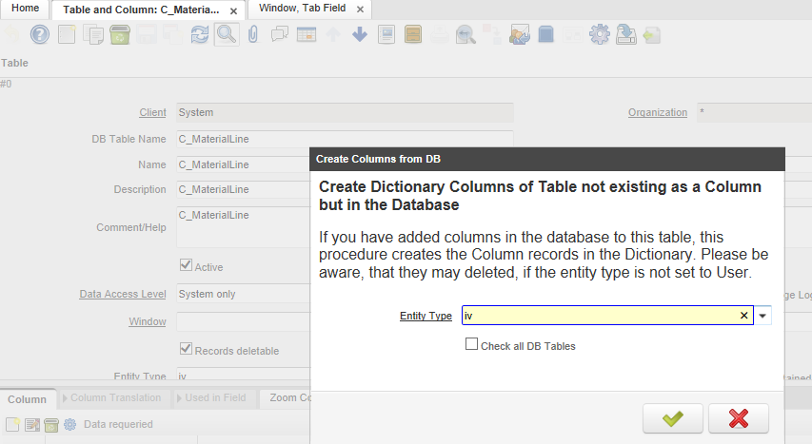

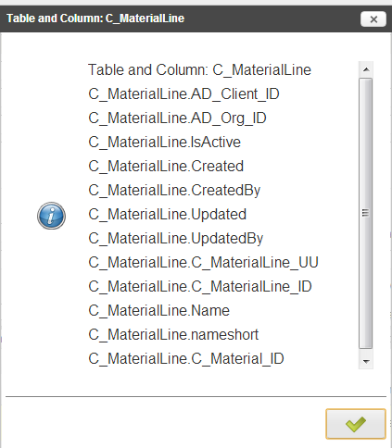

注意用于外键的字段的Reference属性
注意用于外键的字段的Reference属性应该为Table Direct

更新head表，新增字段

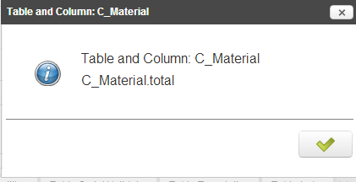

在原来的窗口中新建新的页签

因为同一个窗口下有2个Tab了，所以Sequece和Tab Level都要递增

外键Link Column和Parent Column配置好

创建画面上的字段

原来head页签中创建Total字段

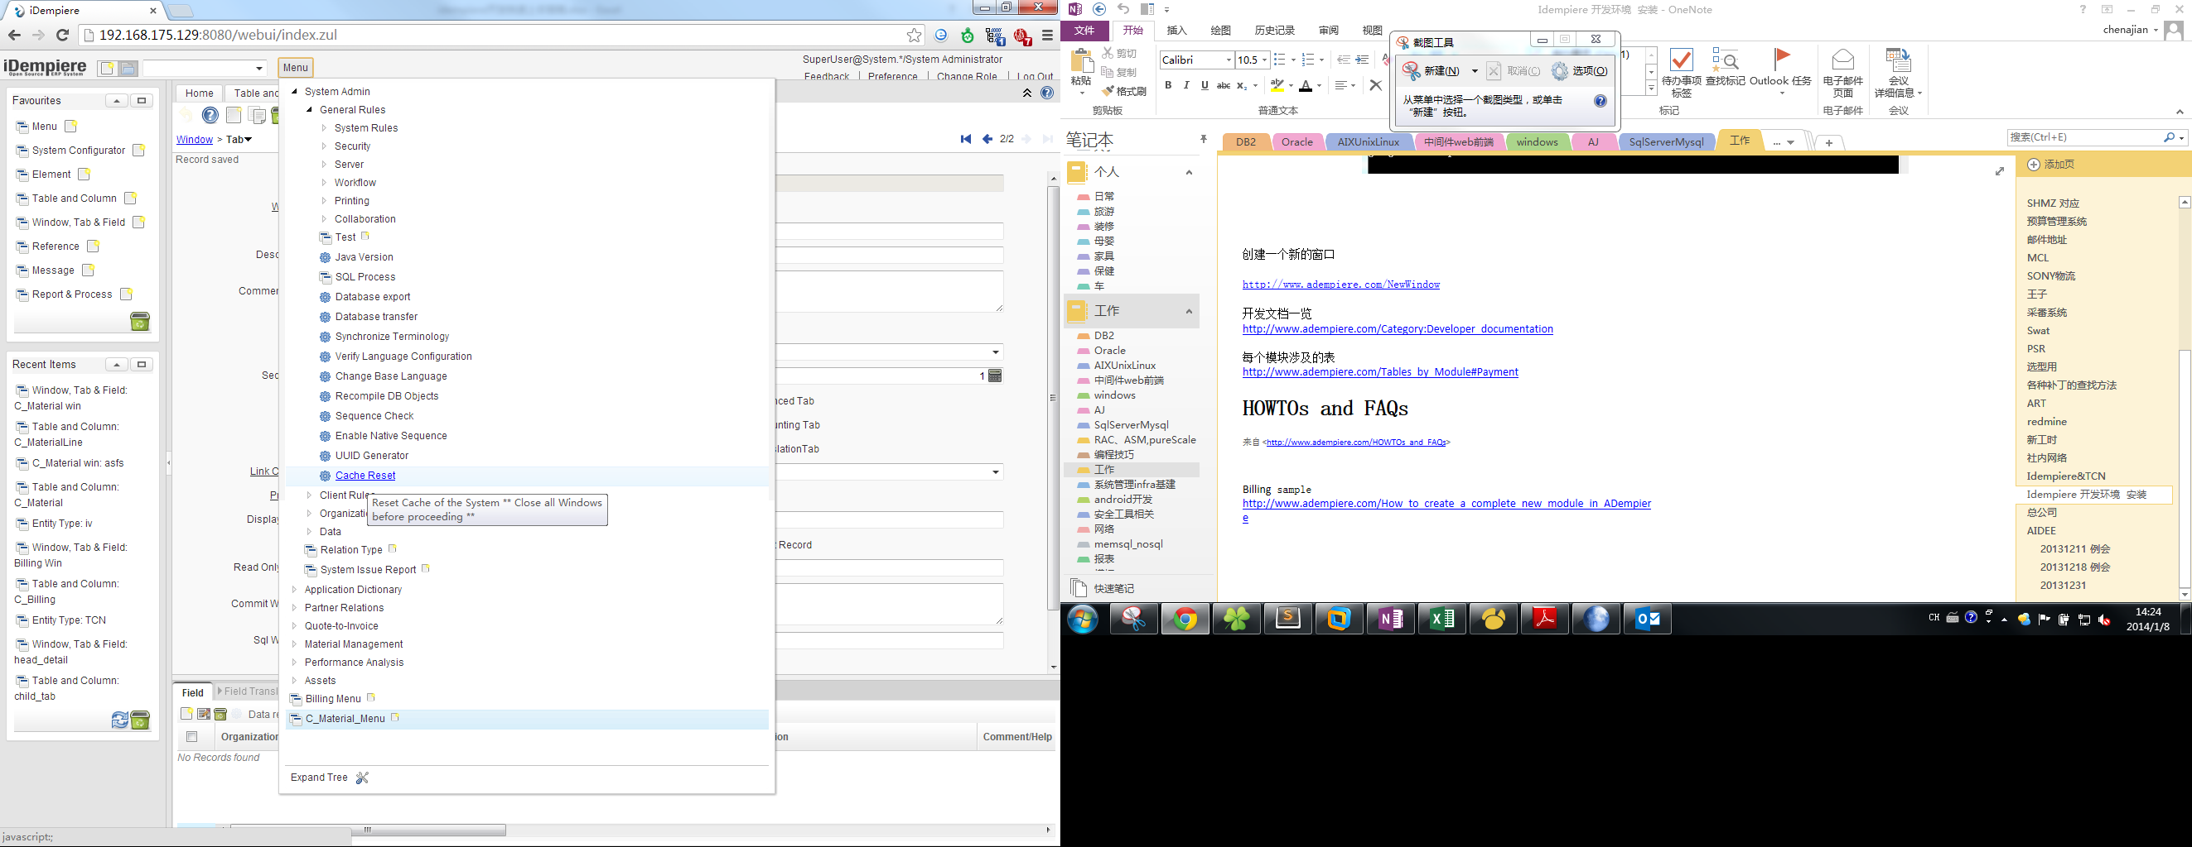

刷新缓存

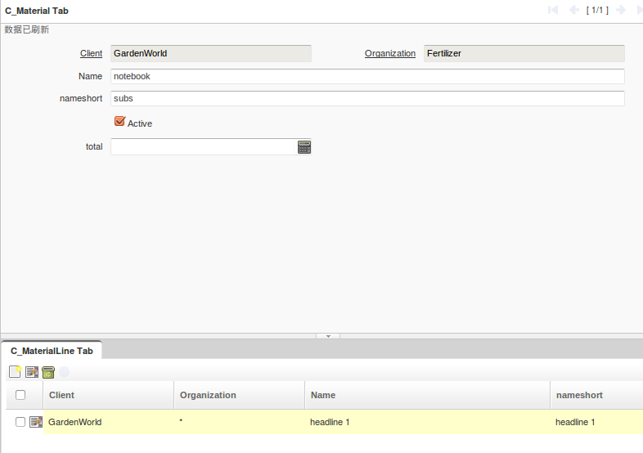

创建明细表的model
更新head表的model

package org.iv.tcn.model;
import java.util.Properties;
import java.sql.PreparedStatement;
import java.sql.ResultSet;
import org.iv.tcn.model.X_C_MaterialLine;
public class MCMaterialLine extends X_C_MaterialLine {
/**Process Message */
private static final long serialVersionUID =9879869;
public MCMaterialLine(Properties ctx, int C_MaterialLine_ID,
String trxName) {
super(ctx, C_MaterialLine_ID, trxName);
// TODO Auto-generated constructor stub
}
public MCMaterialLine(Properties ctx, ResultSet rs, String trxName) {
super(ctx, rs, trxName);
// TODO Auto-generated constructor stub
}
public static MCMaterialLine getMaterial(Properties ctx,int C_MaterialLine_ID,String trxName){
return new MCMaterialLine(ctx,C_MaterialLine_ID,trxName);
}
}
创建M类

修改ModelFactory
package org.iv.tcn.model;
import java.sql.ResultSet;
import org.adempiere.base.IModelFactory;
import org.compiere.model.PO;
import org.compiere.util.Env;
public class TCN_ModelFactory implements IModelFactory {
@Override
public Class<?> getClass(String tableName) {
if (tableName.equals(I_C_Material.Table_Name)) {
return MCMaterial.class;
} else
if (tableName.equals(I_C_MaterialLine.Table_Name)) {
return MCMaterialLine.class;
}
return null;
}
@Override
public PO getPO(String tableName, int Record_ID, String trxName) {
if (tableName.equals(I_C_Material.Table_Name)) {
return new MCMaterial(Env.getCtx(), Record_ID, trxName);
} else
if (tableName.equals(I_C_MaterialLine.Table_Name)) {
return new MCMaterialLine(Env.getCtx(), Record_ID, trxName);
}
return null;
}
@Override
public PO getPO(String tableName, ResultSet rs, String trxName) {
if (tableName.equals(I_C_Material.Table_Name)) {
return new MCMaterial(Env.getCtx(), rs, trxName);
} else
if (tableName.equals(I_C_MaterialLine.Table_Name)) {
return new MCMaterialLine(Env.getCtx(), rs, trxName);
}
return null;
}
}

创建ProcessFactory的xml配置文件

<?xml version="1.0" encoding="UTF-8"?>
<scr:component xmlns:scr="http://www.osgi.org/xmlns/scr/v1.1.0" name="org.iv.tcn.process.factory">
<implementation class="org.iv.tcn.process.TCN_ProcessFactory"/>
<property name="service.ranking" type="Integer" value="1"/>
<service>
<provide interface="org.adempiere.base.IProcessFactory"/>
</service>
</scr:component>

对应xml的java文件

package org.iv.tcn.process;
import org.adempiere.base.IProcessFactory;
import org.compiere.process.ProcessCall;
public class TCN_ProcessFactory implements IProcessFactory {
@Override
public ProcessCall newProcessInstance(String className) {
ProcessCall process = null;
try {
Class<?> clazz = getClass().getClassLoader().loadClass(className);
process = (ProcessCall) clazz.newInstance();
} catch (Exception e) {
}
return process;
}
}

业务java

package org.iv.tcn.process;
import org.compiere.model.GridTab;
import org.compiere.model.MTab;
import org.compiere.process.ProcessInfoParameter;
import org.compiere.process.SvrProcess;
import org.compiere.util.AdempiereUserError;
import java.sql.PreparedStatement;
import java.sql.ResultSet;
import java.sql.SQLException;
import java.util.List;
import java.util.Properties;
import java.util.logging.Level;
import org.compiere.util.DB;
import org.compiere.util.Env;
import org.compiere.util.Msg;
import org.iv.tcn.model.MCMaterial;
import org.iv.tcn.model.MCMaterialLine;
public class UpdateTotalFromLine extends SvrProcess {
private intp_Record_ID = 0;
protected String doIt() throws Exception
{
int cnt = 0;
int CMaterialID = 0;
MCMaterial Mat = new MCMaterial(getCtx(), p_Record_ID, get_TrxName());
CMaterialID = Mat.getC_Material_ID();
try
{
String sqlCnt = "Select count(*) from C_MaterialLine "
+ "where C_Material_ID=?";
PreparedStatement pstmtcnt = DB.prepareStatement(sqlCnt, get_TrxName());
pstmtcnt.setInt(1, CMaterialID);
ResultSet rs = pstmtcnt.executeQuery();
while (rs.next()){
cnt = rs.getInt(1);
}
}
catch (SQLException e)
{
log.log(Level.SEVERE, "", e);
return "error";
}
return "total = " + cnt ;
}
@Override
protected void prepare() {
ProcessInfoParameter[] para = getParameter();
for (int i = 0; i < para.length; i++)
{
String name = para[i].getParameterName();
if (para[i].getParameter() == null)
;
if (name.equals("C_Material_ID"))
p_Record_ID = para[i].getParameterAsInt();
else
log.log(Level.SEVERE, "Unknown Parameter: " + name);
}
p_Record_ID = getRecord_ID();
}
}

配置Process

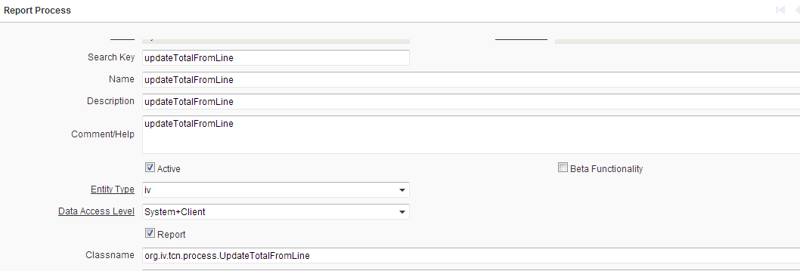

添加toolbar buttom

PorcessSave
材料明细表 | 式样： | 新增或者保存明细信息时，同时更新head的Total字段

在上一个Process的基础上

修改Mcmaterialine类，添加触发器

package org.iv.tcn.model;
import java.util.Properties;
import java.util.logging.Level;
import java.sql.PreparedStatement;
import java.sql.ResultSet;
import java.sql.SQLException;
import org.compiere.model.MAssetAddition;
import org.compiere.model.MInvoiceLine;
import org.compiere.util.DB;
import org.iv.tcn.model.X_C_MaterialLine;
public class MCMaterialLine extends X_C_MaterialLine {
/** Process Message */
private static final long serialVersionUID =9879869;
public MCMaterialLine(Properties ctx, int C_MaterialLine_ID,
String trxName) {
super(ctx, C_MaterialLine_ID, trxName);
// TODO Auto-generated constructor stub
}
public MCMaterialLine(Properties ctx, ResultSet rs, String trxName) {
super(ctx, rs, trxName);
// TODO Auto-generated constructor stub
}
public static MCMaterialLine getMaterial(Properties ctx,int C_MaterialLine_ID,String trxName){
return new MCMaterialLine(ctx,C_MaterialLine_ID,trxName);
}
@Override
protected boolean afterDelete(boolean success) {
int count = 0;
try
{
String sqlcount = "Select count(*) from C_MaterialLine "
+" where C_Material_ID = ?"
;
PreparedStatement pstmtcount = DB.prepareStatement(sqlcount,get_TrxName());
pstmtcount.setInt(1, getC_Material_ID());
ResultSet rs = pstmtcount.executeQuery();
while (rs.next()){
count = rs.getInt(1);
}
// update total
String sqlupdate = "Update C_Material "
+ "Set Total = ? "
+ " WHERE C_Material_ID = ?";
PreparedStatement pstmtupdate = DB.prepareStatement(sqlupdate, get_TrxName());
pstmtupdate.setInt(1, count);
pstmtupdate.setInt(2, getC_Material_ID());
int nodel = pstmtupdate.executeUpdate();
log.config("C_Material total="+count);
pstmtupdate.close();
}
catch (SQLException e)
{
log.log(Level.SEVERE, "", e);
return false;
}
return true;
}
@Override
protected boolean beforeDelete() {
//updateHeaderAmount();
return true;
}
@Override
protected boolean afterSave(boolean newRecord, boolean success) {
int count = 0;
try
{
String sqlcount = "Select count(*) from C_MaterialLine "
+" where C_Material_ID = ?"
;
PreparedStatement pstmtcount = DB.prepareStatement(sqlcount,get_TrxName());
pstmtcount.setInt(1, getC_Material_ID());
ResultSet rs = pstmtcount.executeQuery();
while (rs.next()){
count = rs.getInt(1);
}
// update total
String sqlupdate = "Update C_Material "
+ "Set Total = ? "
+ " WHERE C_Material_ID = ?";
PreparedStatement pstmtupdate = DB.prepareStatement(sqlupdate, get_TrxName());
pstmtupdate.setInt(1, count);
pstmtupdate.setInt(2, getC_Material_ID());
int nodel = pstmtupdate.executeUpdate();
log.config("C_Material total="+count);
pstmtupdate.close();
}
catch (SQLException e)
{
log.log(Level.SEVERE, "", e);
return false;
}
return true;
}
@Override
protected boolean beforeSave(boolean newRecord) {
// Check LineNet Amount Should Not Over Invoice Total Amount
return true;
}
}

jaspser
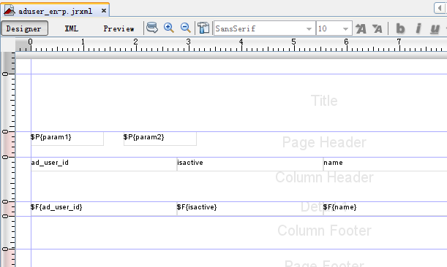

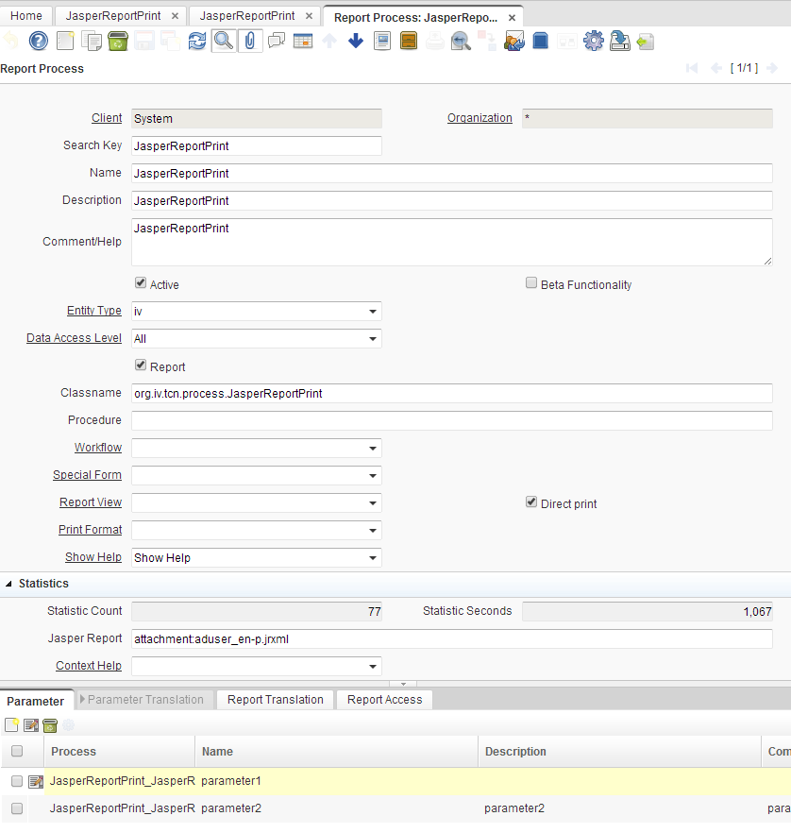

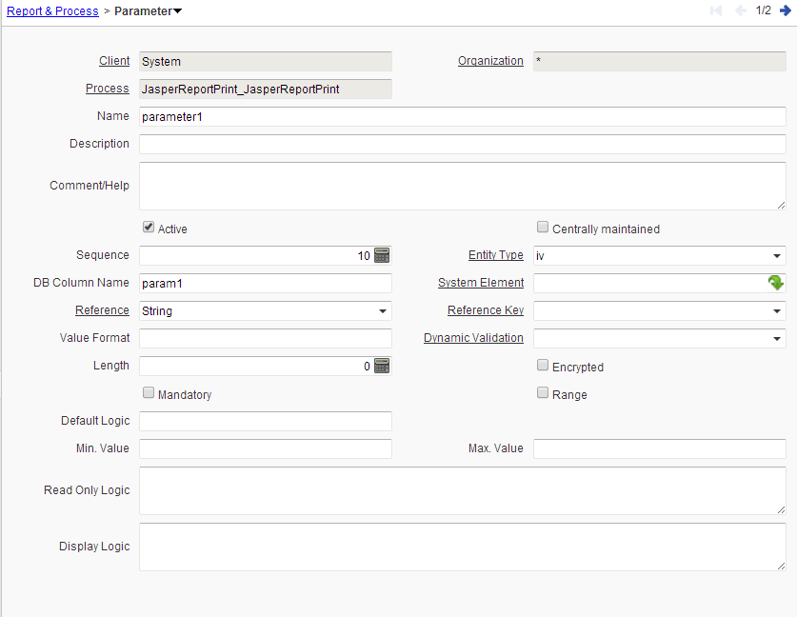

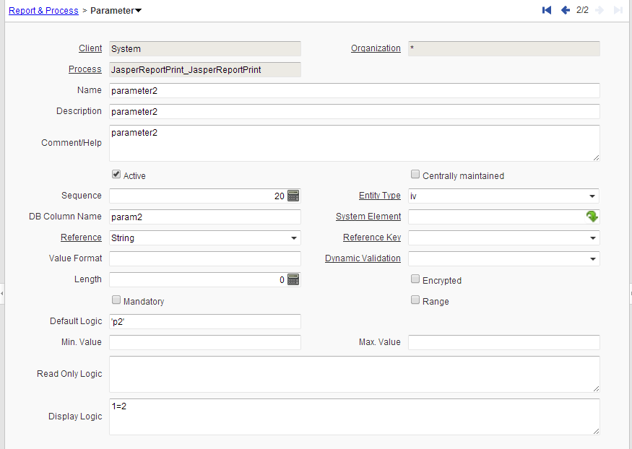

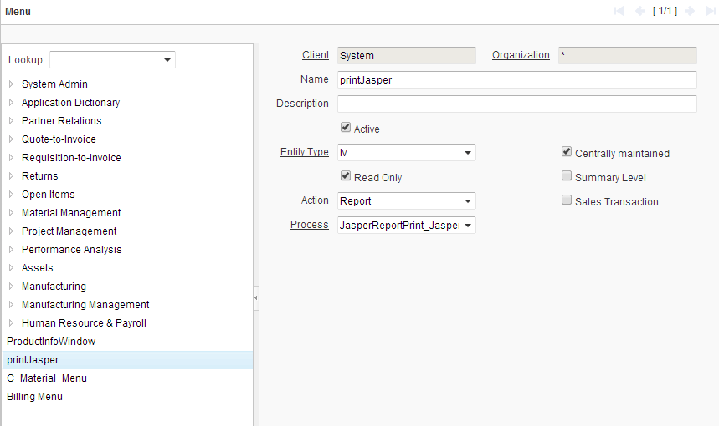

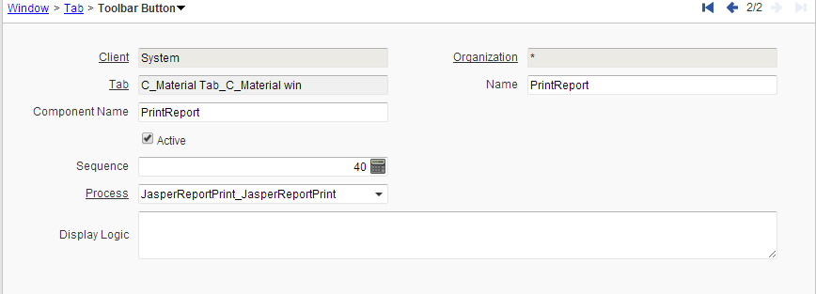

创建调用报表的方法

package org.iv.tcn.process;
import java.sql.PreparedStatement;
import java.sql.ResultSet;
import java.sql.Timestamp;
import java.util.logging.Level;
import org.compiere.print.MPrintFormat;
import org.compiere.print.ServerReportCtl;
import org.compiere.process.ProcessInfo;
import org.compiere.process.ProcessInfoParameter;
import org.compiere.process.SvrProcess;
import org.compiere.util.AdempiereUserError;
import org.compiere.util.DB;
import org.compiere.util.Env;
public class JasperReportPrint extends SvrProcess {
private String p_param = "";
private int p_Record_ID = 0;
private ProcessInfo m_pi;
protected void prepare()
{
ProcessInfoParameter[] para = getParameter();
p_Record_ID = getRecord_ID();
for (int i = 0; i < para.length; i++)
{
String name = para[i].getParameterName();
String value = para[i].getParameterAsString();
log.log(Level.SEVERE, "Parameter List : " + name + " value :" + value);
if (para[i].getParameter() == null)
;
else if (name.equals("param1"))
{
p_param = value;
}
else if(name.equals("param2"))
{
if(p_param.equals("p1"))
{
para[i].setParameter(p_Record_ID);
}
}
else {
log.log(Level.SEVERE, "Unknown Parameter: " + name);
}
}
} // prepare
@Override
protected String doIt() throws Exception {
return "";
}
}

