CollabNet
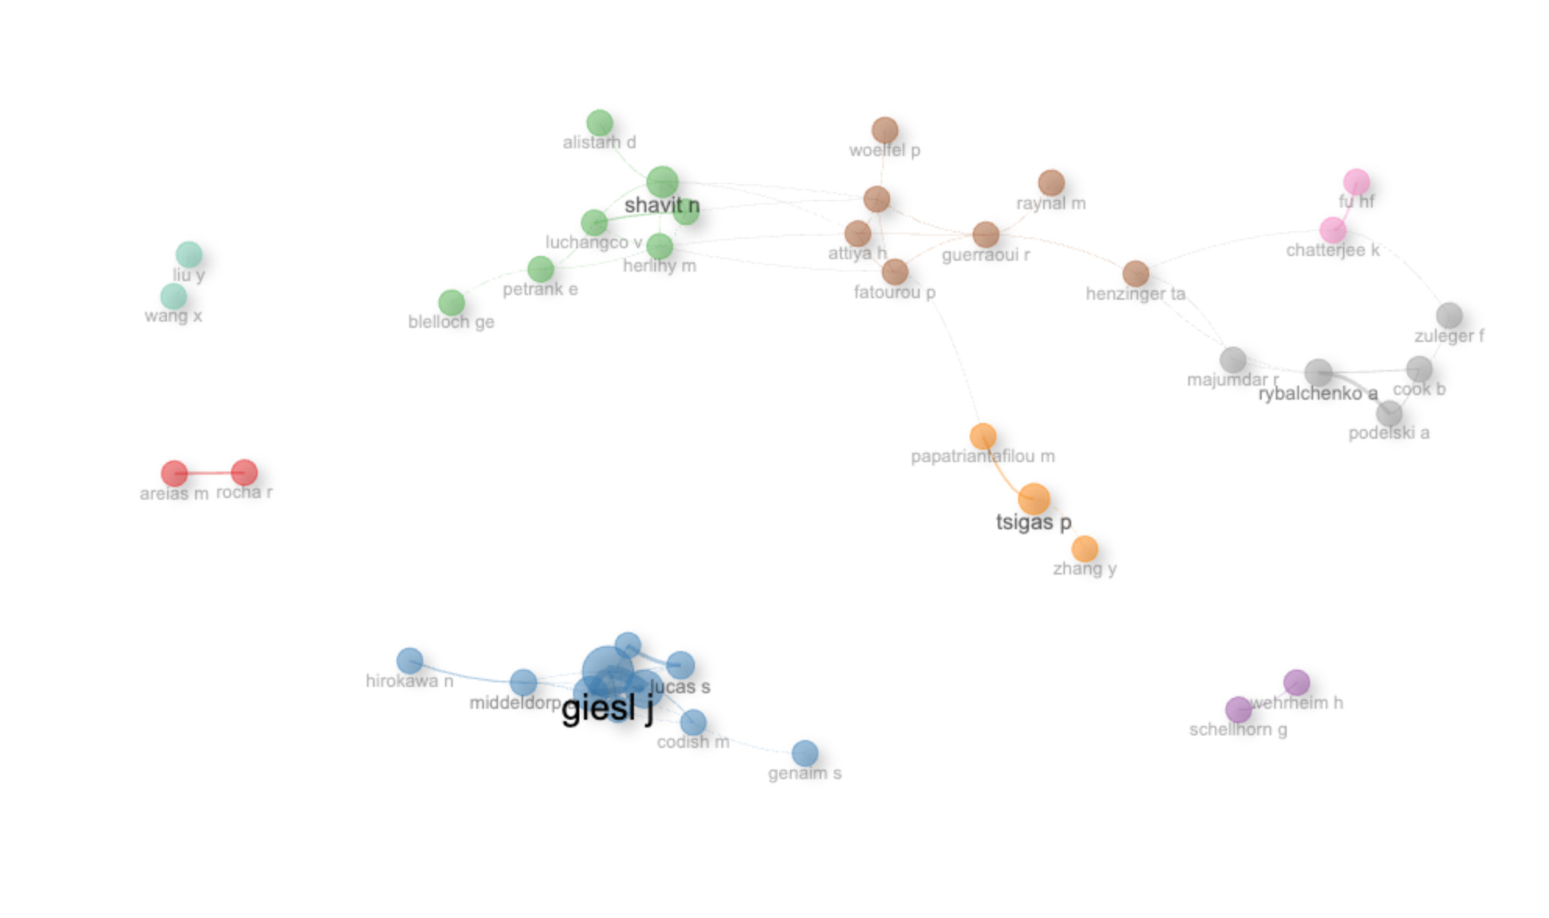
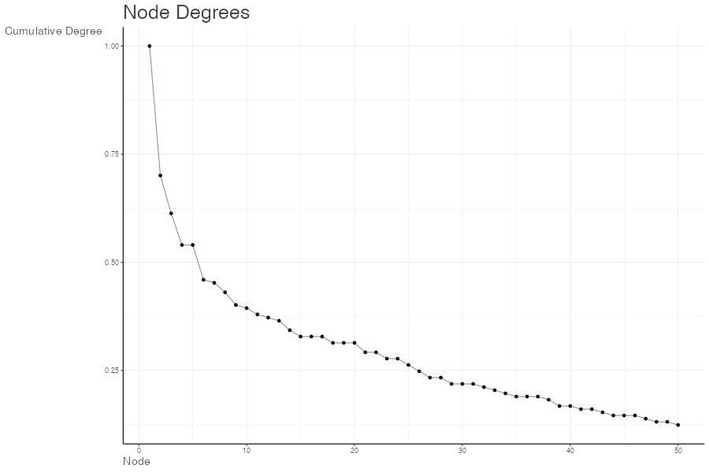
params | values
normalize | association
Title | Author Collaboration network
type | auto
label | TRUE
labelsize | 2
label.cex | TRUE
label.color | FALSE
label.n | 50
halo | FALSE
cluster | walktrap
community.repulsion | 0.05
size | 5
size.cex | TRUE
curved | FALSE
noloops | TRUE
remove.multiple | FALSE
remove.isolates | TRUE
edgesize | 15
edges.min | 1
alpha | 0.7
verbose | FALSE

Node | Cluster | Betweenness | Closeness | PageRank
rocha r | 1 | 0 | 1 | 0.025
areias m | 1 | 0 | 1 | 0.025
giesl j | 2 | 5.3084377611 | 0.090909090909 | 0.049972417237
middeldorp a | 2 | 8 | 0.071428571429 | 0.019364695093
lucas s | 2 | 0 | 0.066666666667 | 0.020509949491
schneider-kamp p | 2 | 2.897978279 | 0.090909090909 | 0.045408517225
thiemann r | 2 | 1.9223725982 | 0.090909090909 | 0.035422784834
genaim s | 2 | 0 | 0.045454545455 | 0.005800354592
gutiérrez r | 2 | 0 | 0.066666666667 | 0.017832755487
codish m | 2 | 8 | 0.071428571429 | 0.019297454983
fuhs c | 2 | 1.8712113617 | 0.090909090909 | 0.022511845932
hirokawa n | 2 | 0 | 0.045454545455 | 0.013879225125
shavit n | 3 | 31.519266241 | 0.014925373134 | 0.047593361493
petrank e | 3 | 22 | 0.012048192771 | 0.016926144638
herlihy m | 3 | 47.840637141 | 0.015625 | 0.034383731444
moir m | 3 | 3.1582784365 | 0.014492753623 | 0.035641589629
alistarh d | 3 | 0 | 0.011235955056 | 0.012944172107
luchangco v | 3 | 5.998989899 | 0.012658227848 | 0.040749342929
blelloch ge | 3 | 0 | 0.0095238095238 | 0.0066274445885
schellhorn g | 4 | 0 | 1 | 0.025
wehrheim h | 4 | 0 | 1 | 0.025
tsigas p | 5 | 22 | 0.010752688172 | 0.03397377118
papatriantafilou m | 5 | 42 | 0.013698630137 | 0.03213289701
zhang y | 5 | 0 | 0.0086956521739 | 0.0066377705503
guerraoui r | 6 | 134 | 0.018867924528 | 0.028346731904
fatourou p | 6 | 65.251370851 | 0.018181818182 | 0.019706746351
attiya h | 6 | 44.516305916 | 0.017857142857 | 0.030572829317
raynal m | 6 | 0 | 0.013333333333 | 0.0085689444237
henzinger ta | 6 | 118.13993974 | 0.016393442623 | 0.026551985684
hendler d | 6 | 51.715151515 | 0.017543859649 | 0.032021757351
woelfel p | 6 | 0 | 0.012658227848 | 0.0060182078124
chatterjee k | 7 | 39.275862069 | 0.012820512821 | 0.034158326511
fu hf | 7 | 0 | 0.01 | 0.022415085558
rybalchenko a | 8 | 38.588215601 | 0.012987012987 | 0.043080227286
podelski a | 8 | 0 | 0.010309278351 | 0.033149889608
cook b | 8 | 2.8600602611 | 0.010638297872 | 0.027959982382
majumdar r | 8 | 0 | 0.0125 | 0.012430762846
zuleger f | 8 | 2.1359223301 | 0.010526315789 | 0.007408297397
wang x | 9 | 0 | 1 | 0.025
liu y | 9 | 0 | 1 | 0.025

