CountrySciProd
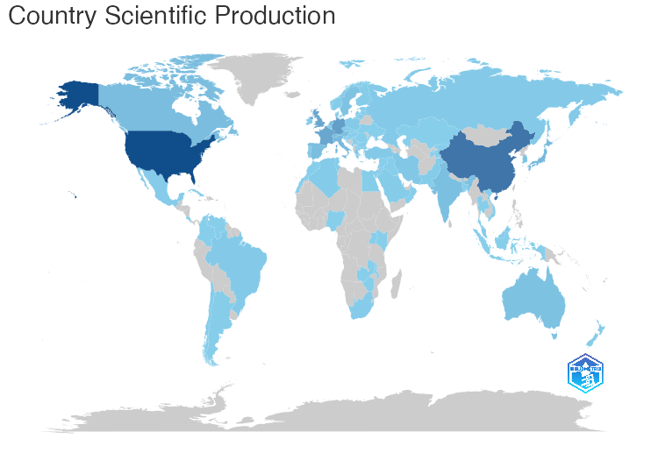
region | Freq
USA | 1277
CHINA | 866
GERMANY | 452
UK | 375
FRANCE | 369
ISRAEL | 199
ITALY | 195
JAPAN | 192
CANADA | 160
SPAIN | 151
NETHERLANDS | 146
SWITZERLAND | 141
INDIA | 134
AUSTRIA | 131
AUSTRALIA | 112
SWEDEN | 103
SOUTH KOREA | 97
IRAN | 64
GREECE | 59
PORTUGAL | 59
DENMARK | 51
BELGIUM | 47
SINGAPORE | 45
BRAZIL | 40
POLAND | 40
RUSSIA | 38
TURKEY | 36
ALGERIA | 32
CZECH REPUBLIC | 30
FINLAND | 24
NEW ZEALAND | 24
NORWAY | 24
PAKISTAN | 24
SAUDI ARABIA | 23
IRELAND | 18
MEXICO | 18
MALAYSIA | 17
SOUTH AFRICA | 16
TUNISIA | 16
EGYPT | 13
CHILE | 12
ARGENTINA | 11
SLOVAKIA | 11
THAILAND | 9
BANGLADESH | 8
VIETNAM | 8
SERBIA | 7
SLOVENIA | 7
HUNGARY | 6
INDONESIA | 5
COLOMBIA | 4
ESTONIA | 4
NIGERIA | 4
IRAQ | 3
LITHUANIA | 3
LUXEMBOURG | 3
MOROCCO | 3
ROMANIA | 3
UGANDA | 3
UKRAINE | 3
COSTA RICA | 2
CROATIA | 2
CUBA | 2
LEBANON | 2
MALAWI | 2
TAJIKISTAN | 2
ZAMBIA | 2
ZIMBABWE | 2
BULGARIA | 1
JORDAN | 1
KAZAKHSTAN | 1
KENYA | 1
KUWAIT | 1
KYRGYZSTAN | 1
LATVIA | 1
MALTA | 1
MONTENEGRO | 1
NORTH MACEDONIA | 1
OMAN | 1
QATAR | 1
SYRIA | 1
VENEZUELA | 1

