THE PEARLSBURG RESCUE SQUAD
THE PEARLSBURG RESCUE SQUAD
 |  |  |  |  |  |  |  | Definition of Network (Cost Parameters)
 |  |  |  |  |  |  |  | Objective Function (Total Cost)
 |  |  |  |  |  |  |  | Binary Decision Variables
Select Branch | Node | City | Node | City | Distance (in minutes) | Node | Network Flow
0 | 1 | Pearlsburg | 2 | Kitchen Corner | 10 | 1 | 1 | all possible outflows from starting Node 1 (Pearlsburg)
0 | 1 | Pearlsburg | 3 | Quarry | 15 | 2 | 0 | netflow through Node 2 (Kitchen Corner)
1 | 1 | Pearlsburg | 4 | Morgan Creek | 12 | 3 | 0 | netflow through Node 3 (Quarry)
0 | 2 | Kitchen Corner | 3 | Quarry | 8 | 4 | 0 | netflow through Node 4 (Morgan Creek)
0 | 2 | Kitchen Corner | 5 | Stone House | 14 | 5 | 0 | netflow through Node 5 (Stone House)
0 | 2 | Kitchen Corner | 7 | Cutter's Store | 20 | 6 | 0 | netflow through Node 6 (Cedar Creek)
0 | 3 | Quarry | 6 | Cedar Creek | 9 | 7 | 0 | netflow through Node 7 (Cutter's Store)
0 | 3 | Quarry | 8 | Blake's Crossing | 18 | 8 | 0 | netflow through Node 8 (Blake's Crossing)
0 | 4 | Morgan Creek | 3 | Quarry | 16 | 9 | 0 | netflow through Node 9 (Homer)
1 | 4 | Morgan Creek | 6 | Cedar Creek | 7 | 10 | 0 | netflow through Node 10 (McKinney Farm)
0 | 4 | Morgan Creek | 9 | Homer | 18 | 11 | 0 | netflow through Node 11 (Bottom Town)
0 | 4 | Morgan Creek | 10 | McKinney Farm | 11 | 12 | 0 | netflow through Node 12 (Wellis Farm)
0 | 5 | Stone House | 7 | Cutter's Store | 10 | 13 | 1 | all possible inflows to terminal Node 13 (Holbrook)
FORMULATION OF LINEAR PROGRAMMING MODEL
Let Node 1 = Pearlsburg, Node 2 = Kitchen Corner, Node 3 = Quarry,
Node 4 = Morgan Creek, Node 5 = Stone House, Node 6 = Cedar Creek,
Node 7 = Cutter's Store, Node 8 = Blake's Crossing, Node 9 = Homer, Node 10 = McKinney Farm, Node 11 = Bottom Town, Node 12 = Wellis Farm, Node 13 = Holbrook
Minimize Z = ${10N}_{1,2}$ + 15$N_{1,3}$ + 12$N_{1,4}$ + 8$N_{2,3}$ + 14 $N_{2,5}$ + 20$N_{2,7}$ + ${9N}_{3,6}$ + ${18N}_{3,8}$ + ${16N}_{4,3}$ + 7$N_{4,6}$ + 18$N_{4,9}$ + 11$N_{4,10}$ + 10$N_{5,7}$ + 6$N_{5,8}$ + 10$N_{6,8}$+ 5$N_{6,9}$ + 17$N_{6,12}$ + 12$N_{7,8}$ + 14$N_{7,11}$ + 6$N_{8,11}$ + 9$N_{8,12}$ + 15$N_{8,13}$ + 8$N_{9,10}$ + 11$N_{9,12}$ + 21$N_{10,12}$ +12$N_{11,13}$ + 10$N_{12,13}$
subject to the following constraints
$N_{1,2}$ + $N_{1,3}$ + $N_{1,4}$ = 1
$N_{1,2}$ - $N_{2,3}$ - $N_{2,5}$ - $N_{2,7}$ = 0
$N_{1,3}$ + $N_{2,3}$ + $N_{4,3}$ - $N_{3,6}$ - $N_{3,8}$ = 0
$N_{1,4}$ - $N_{4,3}$ - $N_{4,6}$ - $N_{4,9}$ - $N_{4,10}$ = 0
$N_{2,5}$ - $N_{5,7}$ - $N_{5,8}$ = 0
$N_{3,6}$ + $N_{4,6}$ - $N_{6,8}$ - $N_{6,9}$ - $N_{6,12}$ = 0
$N_{2,7}$ + $N_{5,7}$ - $N_{7,8}$ - $N_{7,11}$ = 0
$N_{3,8}$ + $N_{5,8}$ + $N_{6,8}$+ $N_{7,8}$ - $N_{8,11}$ - $N_{8,12}$ - $N_{8,13}$ = 0
$N_{4,9}$ + $N_{6,9}$ - $N_{9,10}$ - $N_{9,12}$ = 0
$N_{4,10}$ + $N_{9,10}$ - $N_{10,12}$ = 0
$N_{7,11}$ + $N_{8,11}$ - $N_{11,13}$ = 0
$N_{6,12}$ + $N_{8,12}$ + $N_{9,12}$ + $N_{10,12}$ - $N_{12,13}$ = 0
$N_{8,13}$ + $N_{11,13}$ + $N_{12,13}$ = 1
$N_{i,j}$ = 0 or 1
0 | 5 | Stone House | 8 | Blake's Crossing | 6
1 | 6 | Cedar Creek | 8 | Blake's Crossing | 10
0 | 6 | Cedar Creek | 9 | Homer | 5
0 | 6 | Cedar Creek | 12 | Wellis Farm | 17
0 | 7 | Cutter's Store | 8 | Blake's Crossing | 12
0 | 7 | Cutter's Store | 11 | Bottom Town | 14
0 | 8 | Blake's Crossing | 11 | Bottom Town | 6
0 | 8 | Blake's Crossing | 12 | Wellis Farm | 9
1 | 8 | Blake's Crossing | 13 | Holbrook | 15
0 | 9 | Homer | 10 | McKinney Farm | 8
0 | 9 | Homer | 12 | Wellis Farm | 11
0 | 10 | McKinney Farm | 12 | Wellis Farm | 21
0 | 11 | Bottom Town | 13 | Holbrook | 12
0 | 12 | Wellis Farm | 13 | Holbrook | 10
 |  |  |  | Total | 44

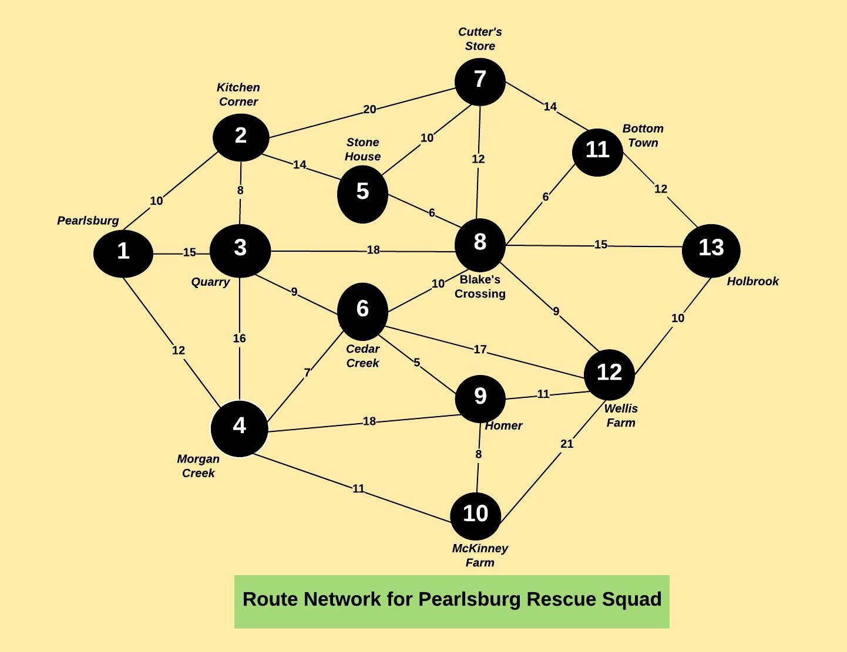

 |  |  |  |  |  | SOLUTION:
 |  |  |  |  |  | The shortest route from Pearlsburg to each of the destinations are:
 |  |  |  |  |  | Full Description |  |  | Route | Time (in minutes)
 |  |  |  |  |  | Pearlsburg (1) to Kitchen Corner (2) takes 10 minutes |  |  | 1-2 | 10
 |  |  |  |  |  | Pearlsburg (1) to Quarry (3) takes 15 minutes |  |  | 1-3 | 15
 |  |  |  |  |  | Pearlsburg (1) to Morgan Creek (4) takes 12 minutes |  |  | 1-4 | 12
 |  |  |  |  |  | Pearlsburg (1) to Kitchen Corner (2) to Stone House (5) takes 24 minutes |  |  | 1-2-5 | 24
 |  |  |  |  |  | Pearlsburg (1) to Morgan Creek (4) to Cedar Creek (6) takes 19 minutes |  |  | 1-4-6 | 19
 |  |  |  |  |  | Pearlsburg (1) to Kitchen Corner (2) to Cutter's Store (7) takes 30 minutes |  |  | 1-2-7 | 30
 |  |  |  |  |  | Pearlsburg (1) to Morgan Creek (4) to Cedar Creek (6) to Blake's Crossing (8) takes 29 minutes |  |  | 1-4-6-8 | 29
 |  |  |  |  |  | Pearlsburg (1) to Morgan Creek (4) to Cedar Creek (6) to Homer (9) takes 24 minutes |  |  | 1-4-6-9 | 24
 |  |  |  |  |  | Pearlsburg (1) to Morgan Creek (4) to McKinney Farm (10) takes 23 minutes |  |  | 1-4-10 | 23
 |  |  |  |  |  | Pearlsburg (1) to Morgan Creek (4) to Cedar Creek (6) to Blake's Crossing (8) to Bottom Town (11) takes 35 minutes |  |  | 1-4-6-8-11 | 35
 |  |  |  |  |  | Pearlsburg (1) to Morgan Creek (4) to Cedar Creek (6) to Homer (9) to Wellis Farm (12) takes 35 minutes |  |  | 1-4-6-9-12 | 35
 |  |  |  |  |  | Pearlsburg (1) to Morgan Creek (4) to Cedar Creek (6) to Blake's Crossing (8) to Holbrook (13) takes 44 minutes |  |  | 1-4-6-8-13 | 44

