Data Monitor
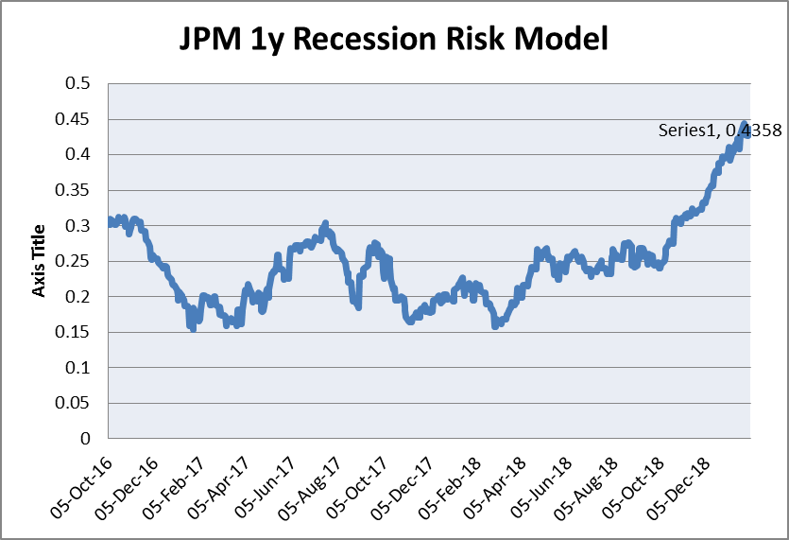
 |  | 2020-01-05 | ECO_RELEASE_DT | LAST_PRICE |  |  |  |  | CHG_NET_6M | CHG_NET_1YR |  | INTERVAL_EXP_MOV_AVG
Rank
 | Data Series | Days To | Next Date | Last | T-1 | T-2 | T-3 | T-4 | 6mth Chg | 12mth Chg | Weight
 | Prices
 | Core PCE | 26 | 31/01/2020 | 0.14 | 0.14 | 0.21 | 0.26 | 0.12 | 0.02 | -0.05
 | Personal Income | 26 | 31/01/2020 | 0.50 | 0.4 | 0.1 | 0.4 | 0.4 | 0.3 | 0.3
1 | Nonfarm Payrolls | 5 | 10/01/2020 | 266.00 | 168 | 166 | 178 | 62 | 204 | 70
 | Activity
2 | Industrial Production | 12 | 17/01/2020 | 1.10 | 0.77 | -0.19 | 0.05 | 0.24 | 0.88 | 0.56
1 | ISM Manufacturing PMI | 29 | 03/02/2020 | 47.20 | 49.1 | 51.2 | 51.7 | 52.1 | -4.5 | -7.1
 | Markit Manufacturing PMI | 19 | 24/01/2020 | 52.40 | 51.1 | 50.3 | 50.4 | 50.6 | 1.8 | -1.4
 | Construction Spending | 29 | 03/02/2020 | 0.60 | 0.1 | 0 | -0.9 | -0.7 | 1.3 | 1.1
 | Orders
 | Durable Goods New Orders | 2 | 07/01/2020 | -2.00 | 0.3 | 2.1 | 1.8 | -2.3 | 0.3 | -2.6
 | ISM New Orders | 29 | 03/02/2020 | 46.80 | 47.2 | 50.8 | 50 | 52.7 | -3.2 | -4.5
 | Business Outlook New Orders | 11 | 16/01/2020 | 9.40 | 24.8 | 25.8 | 18.9 | 8.3 | 1.1 | -3.9
 | Empire Manuf New Orders | 10 | 15/01/2020 | 2.60 | 3.5 | 6.7 | -1.5 | -12 | 14.6 | -10.8
 | Consumption
1 | Retail sales | 11 | 16/01/2020 | 0.20 | 0.6 | 0.7 | 0.4 | 0.5 | -0.3 | 0.1
 | Existing home sales | 17 | 22/01/2020 | -1.70 | 1.48 | 2.46 | -1.31 | 2.88 | -4.53 | -1.46
 | New Home starts | 12 | 17/01/2020 | 1365.00 | 706 | 665 | 729 | 598 | 101 | 163
 | Survey
 | Conf Board Leading Ind | 18 | 23/01/2020 | 0.00 | -0.2 | 0.4 | 0 | 0 | 0 | -0.1
 | Umich Consumer conf | 12 | 17/01/2020 | 99.30 | 93.2 | 89.8 | 98.4 | 98.2 | 1.1 | 1
 | Consumer confidence | 23 | 28/01/2020 | 126.50 | 126.3 | 134.2 | 135.8 | 124.3 | 2.2 | -0.1
 | ECRI Leading Ind

 | Data Series | Days To | Next Date | Last | T-1 | T-2 | T-3 | T-4 | 6mth Chg | 12mth Chg
 | Prices
1 | EU Core CPI | 2 | 07/01/2020 | 1.3 | 0.9 | 0.9 | 1.1 | 0.8 | 0.5 | 0.4
 | EU Headline CPI | 12 | 17/01/2020 | 1.0 | 1 | 1 | 1.3 | 1.2 | -1 | -1.6

 | Activity
 | Industrial Production | 10 | 15/01/2020 | -0.5 | 0.4 | -0.4 | -1.5 | 0.8 | 0.1 | -0.4
1 | Manufacturing PMI | 19 | 24/01/2020 | 46.3 | 45.7 | 47 | 46.5 | 47.6 | -1.3 | -5.1
 | Services PMI | 1 | 06/01/2020 | 52.4 | 51.6 | 53.5 | 53.2 | 53.6 | -1.2 | 1.2
 | Italy Manufacturing PMI | 29 | 03/02/2020 | 46.2 | 48.7 | 48.5 | 48.4 | 49.7 | -2.2 | -3
 | Survey
 | Ifo Bus Expectations | 22 | 27/01/2020 | 93.8 | 90.9 | 91.3 | 92.1 | 94 | -0.2 | -3.4
 | ZEW Current Situation | 16 | 21/01/2020 | -19.9 | -19.9 | -13.5 | -1.1 | 7.8 | -27.7 | -65.2

 | Consumption
 | Retail sales | 2 | 07/01/2020 | -0.6 | 0.3 | -0.5 | 0.8 | -0.3 | -0.7 | -1.3

 | Add Leading Indictors
 | PLN
 | SEK

CB Speakers
Fed | Speaker | Bias | Comment
1 | Powell | Centre | Given muted inflation pressures, the committee has adopted a patient, wait-and-see approach
2 | Clarida | Dove | FED INFLATION TARGET IS SYMMETRIC, 2% IS NOT A CEILING
3 | Williams | Dove | Williams said that higher wage growth would “still be consistent with on-target inflation,”
4 | Mester | Hawk | RATES MAY NEED TO GO BIT HIGHER IF OUTLOOK MET
5 | Brainard | Dove | Heightened downside risks to output and employment would argue for a softer federal funds rate path

ECB | Speaker | Bias | Comment
1 | Draghi | Dove
2 | Praet | Dove | ECB COULD ADAPT RATE GUIDANCE IF ECONOMY SLOWS SHARPLY. NORMALIZATION OF ECB INSTRUMENTS NOT POLICY TIGHTENING
3 | Coeure | Centre | On TLTRO - "It is possible. We are discussing it"
4 | Villeroy de Galhau | Dove | ECB SHOULD STUDY ADVERSE IMPACT OF NEGATIVE RATES
5 | Lane | Centre | WE ARE SEEING UPWARD WAGE PRESSURES

NBP | Speaker | Bias | Comment
1
2
3
4

CNB | Speaker | Bias | Comment
1
2
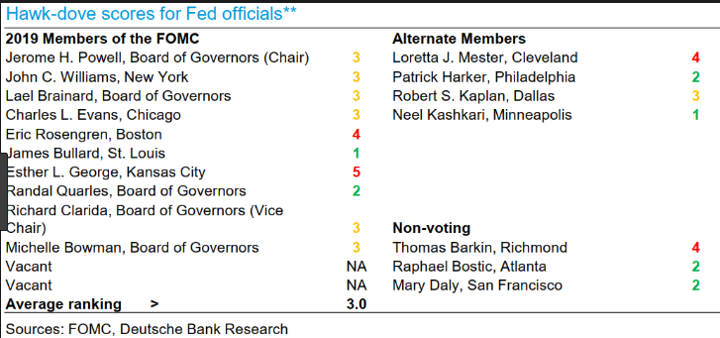
3
4

RIKS | Speaker | Bias | Comment
1
2
3
4

G8 Movers
 |  |  |  |  |  |  |  |  |  |  |  |  |  |  | CHG_NET_5D | CHG_NET_1M |  | CHG_NET_1D
 |  |  |  |  |  |  |  |  |  |  |  |  |  | USSA2 Curncy | -6.83 | 6.55 | US | -5.61
 |  |  |  |  |  |  |  |  |  |  |  |  |  | USSA5 Curncy | -8.44 | 9.82 |  | -8.24
Change on Day
 | 2Y | 5Y | 10Y | 30Y
US | -5.61 | -8.24 | -9.4 | -9.56
EUR | -1.48 | -3.5 | -5.19 | -5.96
UK | -2.15 | -4.35 | -5.35 | -5.5
SEK | -0.94 | -2.7 | -4.5 | -5.5
CAD | -5.9 | -8.29 | -9.85 | -9.27
PLN
HUF
CZK
ILS
 |  |  |  |  |  |  |  |  |  |  |  |  |  | USSA10 Curncy | -8.66 | 11.1 |  | -9.4
 |  |  |  |  |  |  |  |  |  |  |  |  |  | USSA30 Curncy | -9.37 | 10.53 |  | -9.56
 |  |  |  |  |  |  |  |  |  |  |  |  |  | USFS055 CMPN Curncy | -9.2 | 12.29 |  | -10.9
 |  |  |  |  |  |  |  |  |  |  |  |  |  | USSWIT10 Curncy | 3.6 | 10.5 |  | -1.7
 |  |  |  |  |  |  |  |  |  |  |  |  |  | EUSA2 Curncy | -1.41 | 2.29 | EUR | -1.48
 |  |  |  |  |  |  |  |  |  |  |  |  |  | EUSA5 Curncy | -2.85 | 4.96 |  | -3.5
 |  |  |  |  |  |  |  |  |  |  |  |  |  | EUSA10 Curncy | -3.6 | 6.07 |  | -5.19
 |  |  |  |  |  |  |  |  |  |  |  |  |  | EUSA30 Curncy | -5.02 | 6.49 |  | -5.96
 |  |  |  |  |  |  |  |  |  |  |  |  |  | EUSA0505 Curncy | -6 | 5.55 |  | -8.71
 |  |  |  |  |  |  |  |  |  |  |  |  |  | EUSWI10 Curncy | 1.75 | 11.73 |  | 0.25
 |  |  |  |  |  |  |  |  |  |  |  |  |  | BPSW2 Curncy | -3.89 | 1.465 | UK | -2.15
 |  |  |  |  |  |  |  |  |  |  |  |  |  | BPSW5 Curncy | -3.4 | 3.25 |  | -4.35
 |  |  |  |  |  |  |  |  |  |  |  |  |  | BPSW10 Curncy | -2.276 | 5.157 |  | -5.35
 |  |  |  |  |  |  |  |  |  |  |  |  |  | BPSW30 Curncy | -1.912 | 3.7 |  | -5.5
 |  |  |  |  |  |  |  |  |  |  |  |  |  | BPSW0505 CMPN Curncy | -1.1 | 7.19 |  | -6.43
 |  |  |  |  |  |  |  |  |  |  |  |  |  | BPSWIT10 Curncy | 1.75 | -5.5 |  | 1.38
 |  |  |  |  |  |  |  |  |  |  |  |  |  | SKSW2 Curncy | -0.09 | 2.11 | SEK | -0.94 |  |  | CHG_PCT_1D | CHG_NET_5D | CHG_NET_1M
 |  |  |  |  |  |  |  |  |  |  |  |  |  | SKSW5 Curncy | -1.2 | 5.3 |  | -2.7 | ITRX XOVER CDSI GEN 5Y Corp | XOVER | 1.767025
 |  |  |  |  |  |  |  |  |  |  |  |  |  | SKSW10 Curncy | -2 | 9.16 |  | -4.5 | HGA Comdty | Copper | -1.3451327434
 |  |  |  |  |  |  |  |  |  |  |  |  |  | SKSW30 Curncy | -2 | 5.8 |  | -5.5 | XAU Curncy | Gold | 1.5087
 |  |  |  |  |  |  |  |  |  |  |  |  |  | SKFS0505 Curncy | -2.87 | 13.28 |  | -6.46 | POLA Comdty | Poly | 0.54682159945
 |  |  |  |  |  |  |  |  |  |  |  |  |  | CDSW2 Curncy | -7.4 | 6.83 | CAD | -5.9 | CO1 Comdty | Brent | 3.5471698113
 |  |  |  |  |  |  |  |  |  |  |  |  |  | CDSW5 Curncy | -8.69 | 8.41 |  | -8.29 | SOX Index | Semi-C | -1.797437
 |  |  |  |  |  |  |  |  |  |  |  |  |  | CDSW10 Curncy | -7.9 | 10.7 |  | -9.85 | EMLC US Equity | EM Local | -0.5870267
1 Week Changes (bp) |  |  |  |  |  |  | 1mth Changes (bp) |  |  |  |  |  |  | CDSW30 Curncy | -5.87 | 11.53 |  | -9.27 | DXY Curncy | DXY | -0.008260536495
 | 2y | 5y | 10y | 30y | 5y5y | 10y Inf |  | 2y | 5y | 10y | 30y | 5y5y | 10y Inf | CDFS0505 Curncy | -7.03 | 13.29 |  | -11.6 | MXWO Index | MSCI | -0.5394922
US | -6.8 | -8.4 | -8.7 | -9.4 | -9.2 | 3.6 | US | 6.6 | 9.8 | 11.1 | 10.5 | 12.3 | 10.5 | PZSW2 Curncy | 2 | 8.5 | PLN | -0.75
EUR | -1.4 | -2.9 | -3.6 | -5.0 | -6.0 | 1.8 | EUR | 2.3 | 5.0 | 6.1 | 6.5 | 5.6 | 11.7 | PZSW5 Curncy | 1.75 | 13.75 |  | -3.75
UK | -3.9 | -3.4 | -2.3 | -1.9 | -1.1 | 1.8 | UK | 1.5 | 3.3 | 5.2 | 3.7 | 7.2 | -5.5 | PZSW10 Curncy | 1.75 | 16.25 |  | -4.25
SEK | -0.1 | -1.2 | -2.0 | -2.0 | -2.9 |  | SEK | 2.1 | 5.3 | 9.2 | 5.8 | 13.3 |  | PZFS0505 Curncy | 1.75 | 19.03 |  | -4.83
CAD | -7.4 | -8.7 | -7.9 | -5.9 | -7.0 |  | CAD | 6.8 | 8.4 | 10.7 | 11.5 | 13.3 |  | HFSW2 Curncy | 0 | 9 | HUF | -2.5
PLN | 2.0 | 1.8 | 1.8 |  | 1.8 |  | PLN | 8.5 | 13.8 | 16.3 |  | 19.0 |  | HFSW5 Curncy | -1.5 | 20 |  | -5.5
HUF | 0.0 | -1.5 | 0.8 |  | 3.1 |  | HUF | 9.0 | 20.0 | 26.3 |  | 23.1 |  | HFSW10 Curncy | 0.8 | 26.3 |  | -7.2
CZK | -2.3 | -0.3 | 1.0 |  | 2.3 |  | CZK | 10.0 | 19.0 | 21.0 |  | 12.0 |  | .HUF_5Y5Y Index | 3.1 | 23.1 |  | -8.9
ILS | -1.0 | -3.5 | -6.5 |  | -9.5 |  | ILS | 1.0 | 4.0 | 3.0 |  | -2.5 |  | CKSW2 Curncy | -2.255 | 9.995 | CZK | -3.26
 |  |  |  |  |  |  |  |  |  |  |  |  |  | CKSW5 Curncy | -0.25 | 19 |  | -3.5
 |  |  |  |  |  |  |  |  |  |  |  |  |  | CKSW10 Curncy | 1 | 21 |  | -3.75
Change on Day
 | 2Y | 5Y | 10Y
EUR | -1.48 | -3.5 | -5.19
SEK | -0.94 | -2.7 | -4.5
PLN | -0.75 | -3.75 | -4.25
HUF | -2.5 | -5.5 | -7.2
CZK | -3.26 | -3.5 | -3.75
ILS | -0.5 | -3 | -5.5
ZAR | 1.6 | 3.5 | 3
 |  |  |  |  |  |  |  |  |  |  |  |  |  | .CZK_5Y5Y Index | 2.25 | 12 |  | -4
 |  |  |  |  |  |  |  |  |  |  |  |  |  | ISSW2 Curncy | -1 | 1 | ILS | -0.5
 |  |  |  |  |  |  |  |  |  |  |  |  |  | ISSW5 Curncy | -3.5 | 4 |  | -3
 |  |  |  |  |  |  |  |  |  |  |  |  |  | ISSW10 Curncy | -6.5 | 3 |  | -5.5
 |  |  |  |  |  |  |  |  |  |  |  |  |  | .ILS_5Y5Y Curncy | -9.5 | -2.5 |  | -8
 |  |  |  |  |  |  |  |  |  |  |  |  |  | SASW2 Curncy | 3.3 | -12.6 | ZAR | 1.6
 |  |  |  |  |  |  |  |  |  |  |  |  |  | SASW5 Curncy | 4.5 | -17 |  | 3.5
 |  |  |  |  |  |  |  |  |  |  |  |  |  | SASW10 Curncy | 3.5 | -18.5 |  | 3

Change on Day
XOVER | 1.767025
Copper | -1.3451327434
Gold | 1.5087
Poly | 0.54682159945
Brent | 3.5471698113
Semi-C | -1.797437
EM Local | -0.5870267
DXY | -0.008260536495
MSCI | -0.5394922

Snips
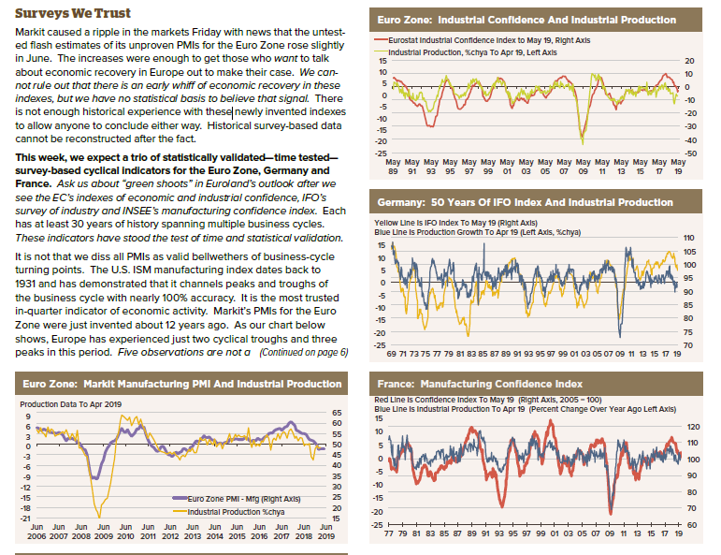
IFO v PMI | Giovanni Zanni: Decent rebound in IFO expectations, by nearly 2pp, is significant and suggests a turning point in expectations of German firms.

 | It is more relevant than the PMI of last Friday, in my view, for several reasons:
 | 1/ the number of companies surveyed is 10x larger;
 | 2/ the questions on expectations in the IFO is about business up to 6m ahead, whereas the PMI is essentially a coincident indicator, with little indication on future dynamics;
 | 3/the IFO had largely signalled the sharp slowdown in previous months and to a large extent the German PMI last week converged to that (past) level of the IFO, from which the IFO this month has rebounded.
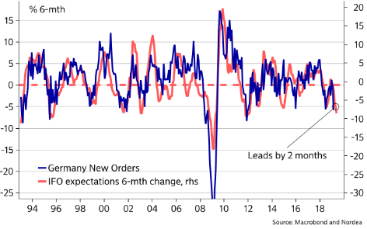
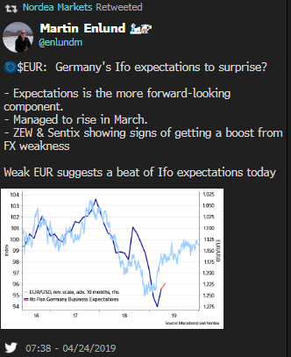
 | IFO expectations leads German orders by 2 months

Factory Orders and Industrial Production: Germany

 | Volatile series. Hard data so one month behind PMI, therefore lags. German orders is good indicator for Italian orders later in the month as highly correlated economies.

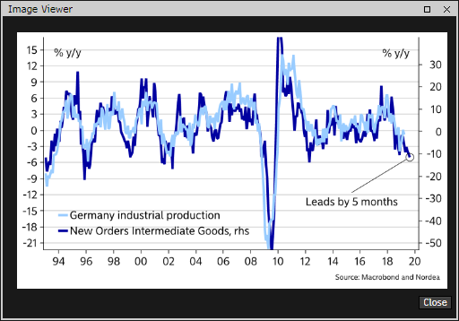
 | German Factory orders day before are good lead on IP following day. |  |  |  |  | Nordea think German orders lead Industrial prod by several months.
 | However as IP has lagged so much even though orders were weak still saw
 | bounce in IP in Feb.

 | PMI prev month - Factory Orders - IP

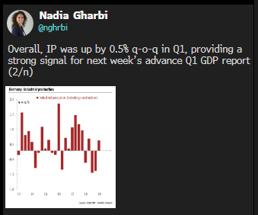

US housing starts:
 | St Louis Fed
 | Given an inversion in the yield curve, the probability that a recession will start in the next three months is slightly over 20 percent.
 | In contrast, given an inversion of housing starts, the likelihood that a recession will start in the next three months is slightly over 50 percent.

US Inflation
 | Evercore
 | 10-year Treasury yield when the core CPI is higher than expected is +5.2 bp. But when the
 | change in the core CPI is lower than expected, then the average change is -3.2 bp. Finally,
 | when the consensus estimate for the core CPI is essentially correct (which is about 50% of
 | the time), then the 10-year Treasury yield fell -1.2 bp. This relationship between inflation
 | and 10Y shows that if inflation does show up should be bearish. (Has this changed after Fed pivot?)

BNP on US data next 2 months

 | So, we ask – what are the key data points to watch and why are they important?

 | 1. ISM Manufacturing
 | We have seen some stabilization following December’s plunge. March saw a rebound to a solid 55.3 (from peak of 60.8 in August). While we do not think we are at the bottom yet, the April through June prints will be crucial to gauge manufacturing cycle.

 | 2. Retail Sales
 | Part of Q1 weakness going to be the consumer – Atlanta Fed GDPNow currently tracking about 1.0% for consumption for Q1. We expect consumer to slow in 2019 but in line with disposable income, and are looking for a 2.8% q/q saar performance in Q2. If Retail Sales points to more subdued picture, then bets are off for a Q2 rebound.

 | 3. Core Capital Goods Orders
 | Given the degree to which orders have come off in Q1, it would not take much to get a bit of a q/q pop in Equipment Investment in Q2. Still, this presumes we find a bottom. If we do not, equipment investment could be nil once again.

 | 4. University of Michigan Sentiment
 | We are coming off a two-month rally following declines in December and January. This implies that the December/January decline was due at least in part to Q4 equity decline and government shutdown. As we are close to being back in the middle of the range for where we were through 2018, April print could set tone for consumer for the quarter.

 | 5. NFIB Small Business Optimism
 | Similar story to ISM Mfg – large peak-to-trough decline from August to January, and has found some stabilization through February print. ISM Mfg incorporates exposure to global cycle, while NFIB represents more domestically-oriented small businesses. How these evolve in Q2 will have implications for fixed investment spending and hiring.

 | 6. Payrolls
 | How much will they slow? We expect the 3-month average to be about 160k by June. This is where we see the main driver of the deceleration in disposable income and which should see consumption growth moderate from its 2018 pace. With February’s print aside, payrolls have surprised positively, but the February print showed some cracks that we think could endure, particularly weaker manufacturing and construction hiring.

Claims

once claims officially put in the cycle bottom, it means the expansion is coming to an end in the not-too-distant future. But the problem with this argument – much like arguing about peaks in consumer confidence and/or bottoms in the unemployment rate – is that you don’t know you have put in a cycle extreme until well after the fact. Nonetheless, the cycle low in claims gives plenty of lead time to recessions historically. The average time from the cycle low in claims to the start of the recession is 66 weeks back to 1968. If this latest print is the cycle low (a big if!), it would put the start of the next recession sometime in mid-2020.

EU Sentix survey |  | (Thomas)

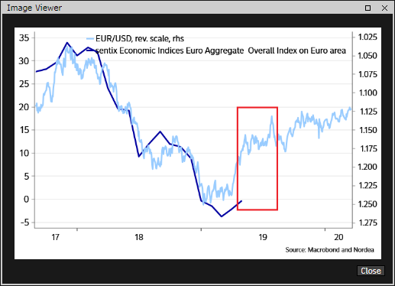

ZEW

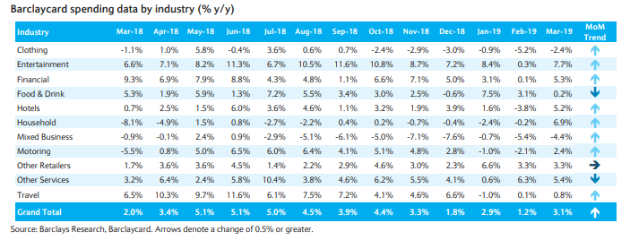
Retail Sales
 | UK | Barclays UK Spend Trends

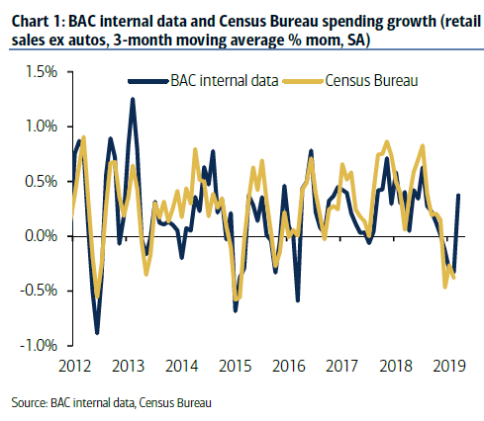
 | US | BAML BAC data

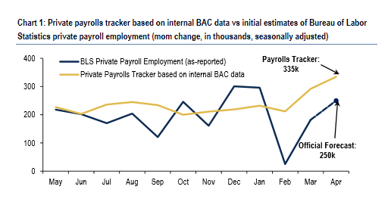
Payrolls
 |  |  |  |  |  |  | ADP as a leading indicator. Av error is 60k

 |  |  |  |  |  |  | RBS do Real Money survey of what will be reaction post payrolls

 | China Data Lag
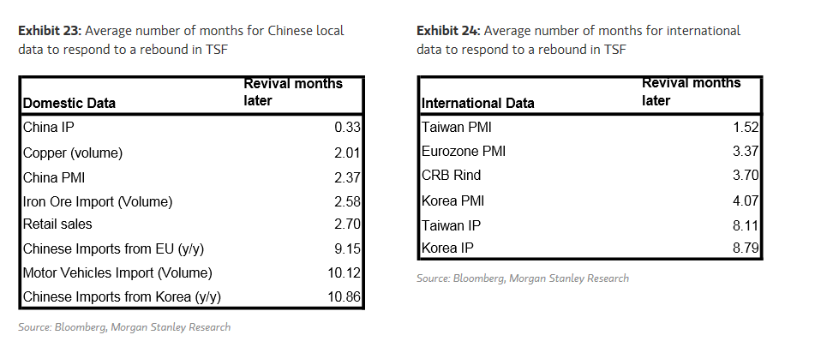

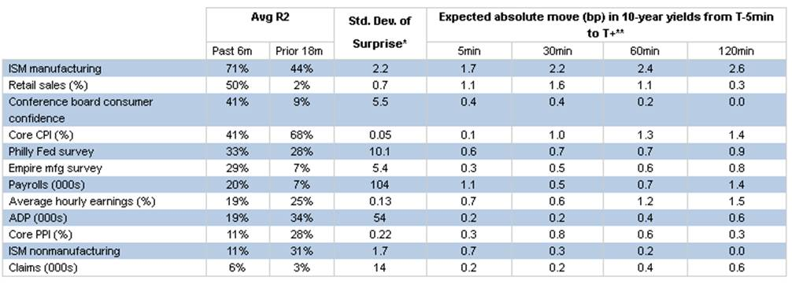
US Data sensitivity

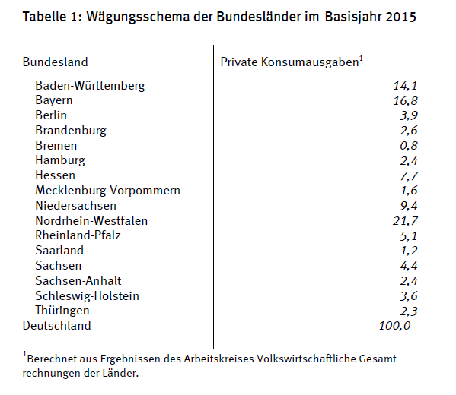
German Regional CPI

Time line |  | Weight | CPI | Cum | Projection
8 | Saxony | 4.4 | 1.8 | 4.4 | 1.800
9 | Brandenburg | 2.6 | 1.8 | 7 | 1.800
9 | Hesse | 7.7 | 1.5 | 14.7 | 1.643
9 | Bavaria | 16.8 | 1.8 | 31.5 | 1.727
9.3 | NRW | 21.7 | 1.6 | 53.2 | 1.675
 |  | 53.2 |  |  | 1.775

Note | Baden Wurttemberg is released off Bloomberg ECO
Note | Need to take CPI-HICP wedge into account

ISM
 | The ISM survey accepts participant responses up through the end of the month, and typically more responses tend to filter in in the back half. We think the deterioration in US-China trade negotiations since Trump's tweet on May 5th could filter into the ISM survey more so than reflected in regionals earlier in the month.

PMI v IFO, IC,IP

Recession Watch
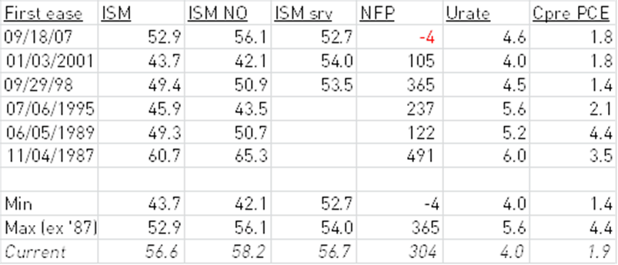
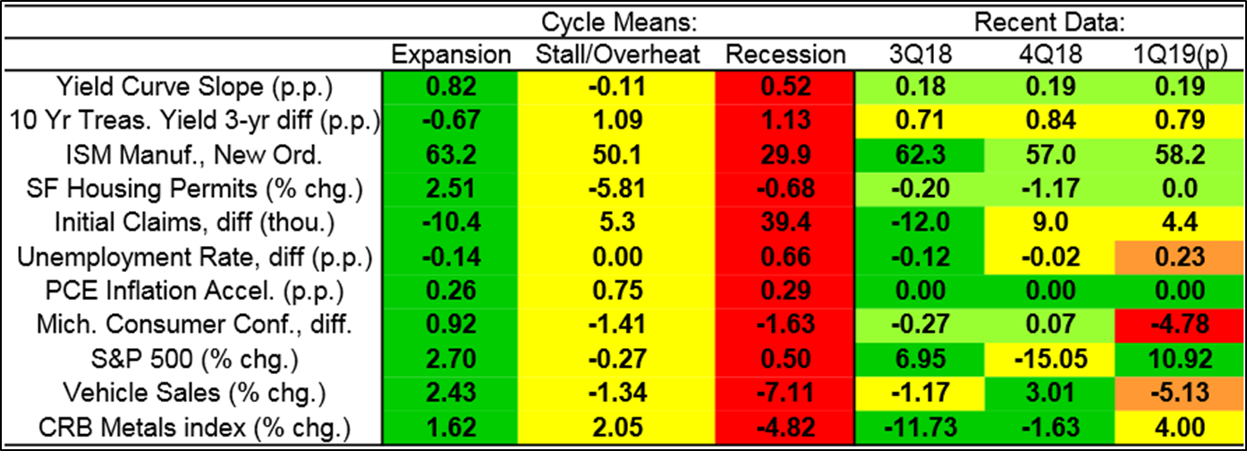
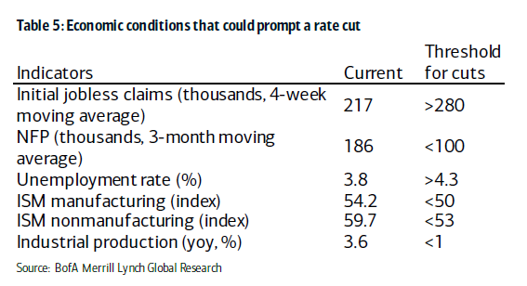
3m3m 18m3m
 |  | PX_LAST | CHG_NET_1M | CHG_NET_3M | CHG_NET_1YR

 | Recession Indicator | Latest | 1m Net Chg | 3m Net Chg | 12m Net Chg | Fed Threshold

 | ISM Manu | 47.2 | -0.9 | -0.6 | -7.1 | <50
 | ISM New Orders | 46.8 | -0.4 | -0.5 | -4.5 | <30
 | Payrolls | 266 | 110 | 47 | 70
 | Jobless Claims | 222 | 9 | 2 | -9 | >30
 | GS Fin. Conditions | 98.74 | -0.25 | -0.53 | -1.36
 | U Rate | 3.5 | -0.1 | -0.2 | -0.2 | >4.3
 | Housing starts | 1365 | 42 | -10 | 163
 | Vehicle Sales | 16.7 | -0.39 | -0.49 | -0.8

