Mapping latlong
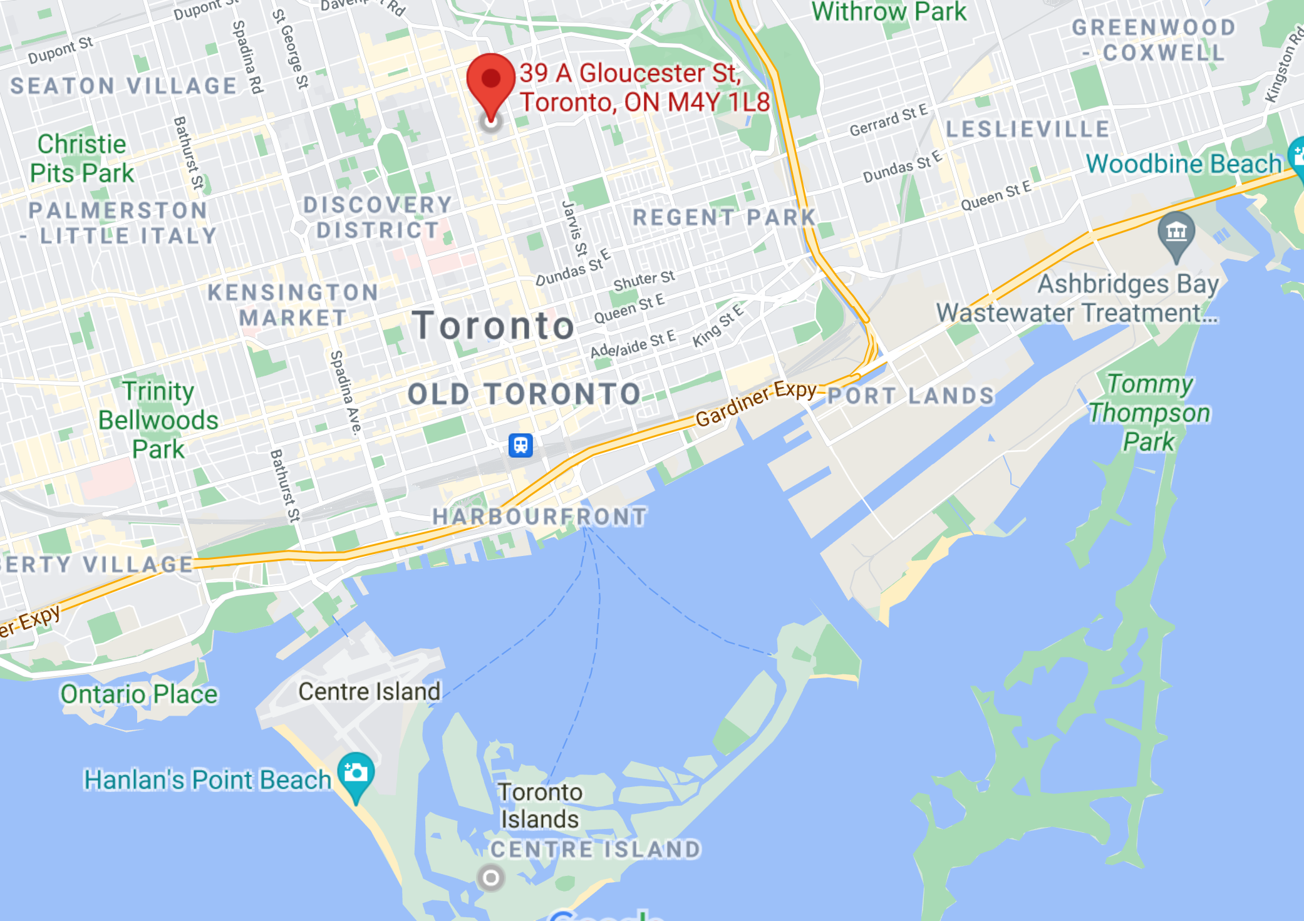

WRDC: 43.666667, -79.383333

GSOD: 43.6166666, -79.3833333

GSOD summary
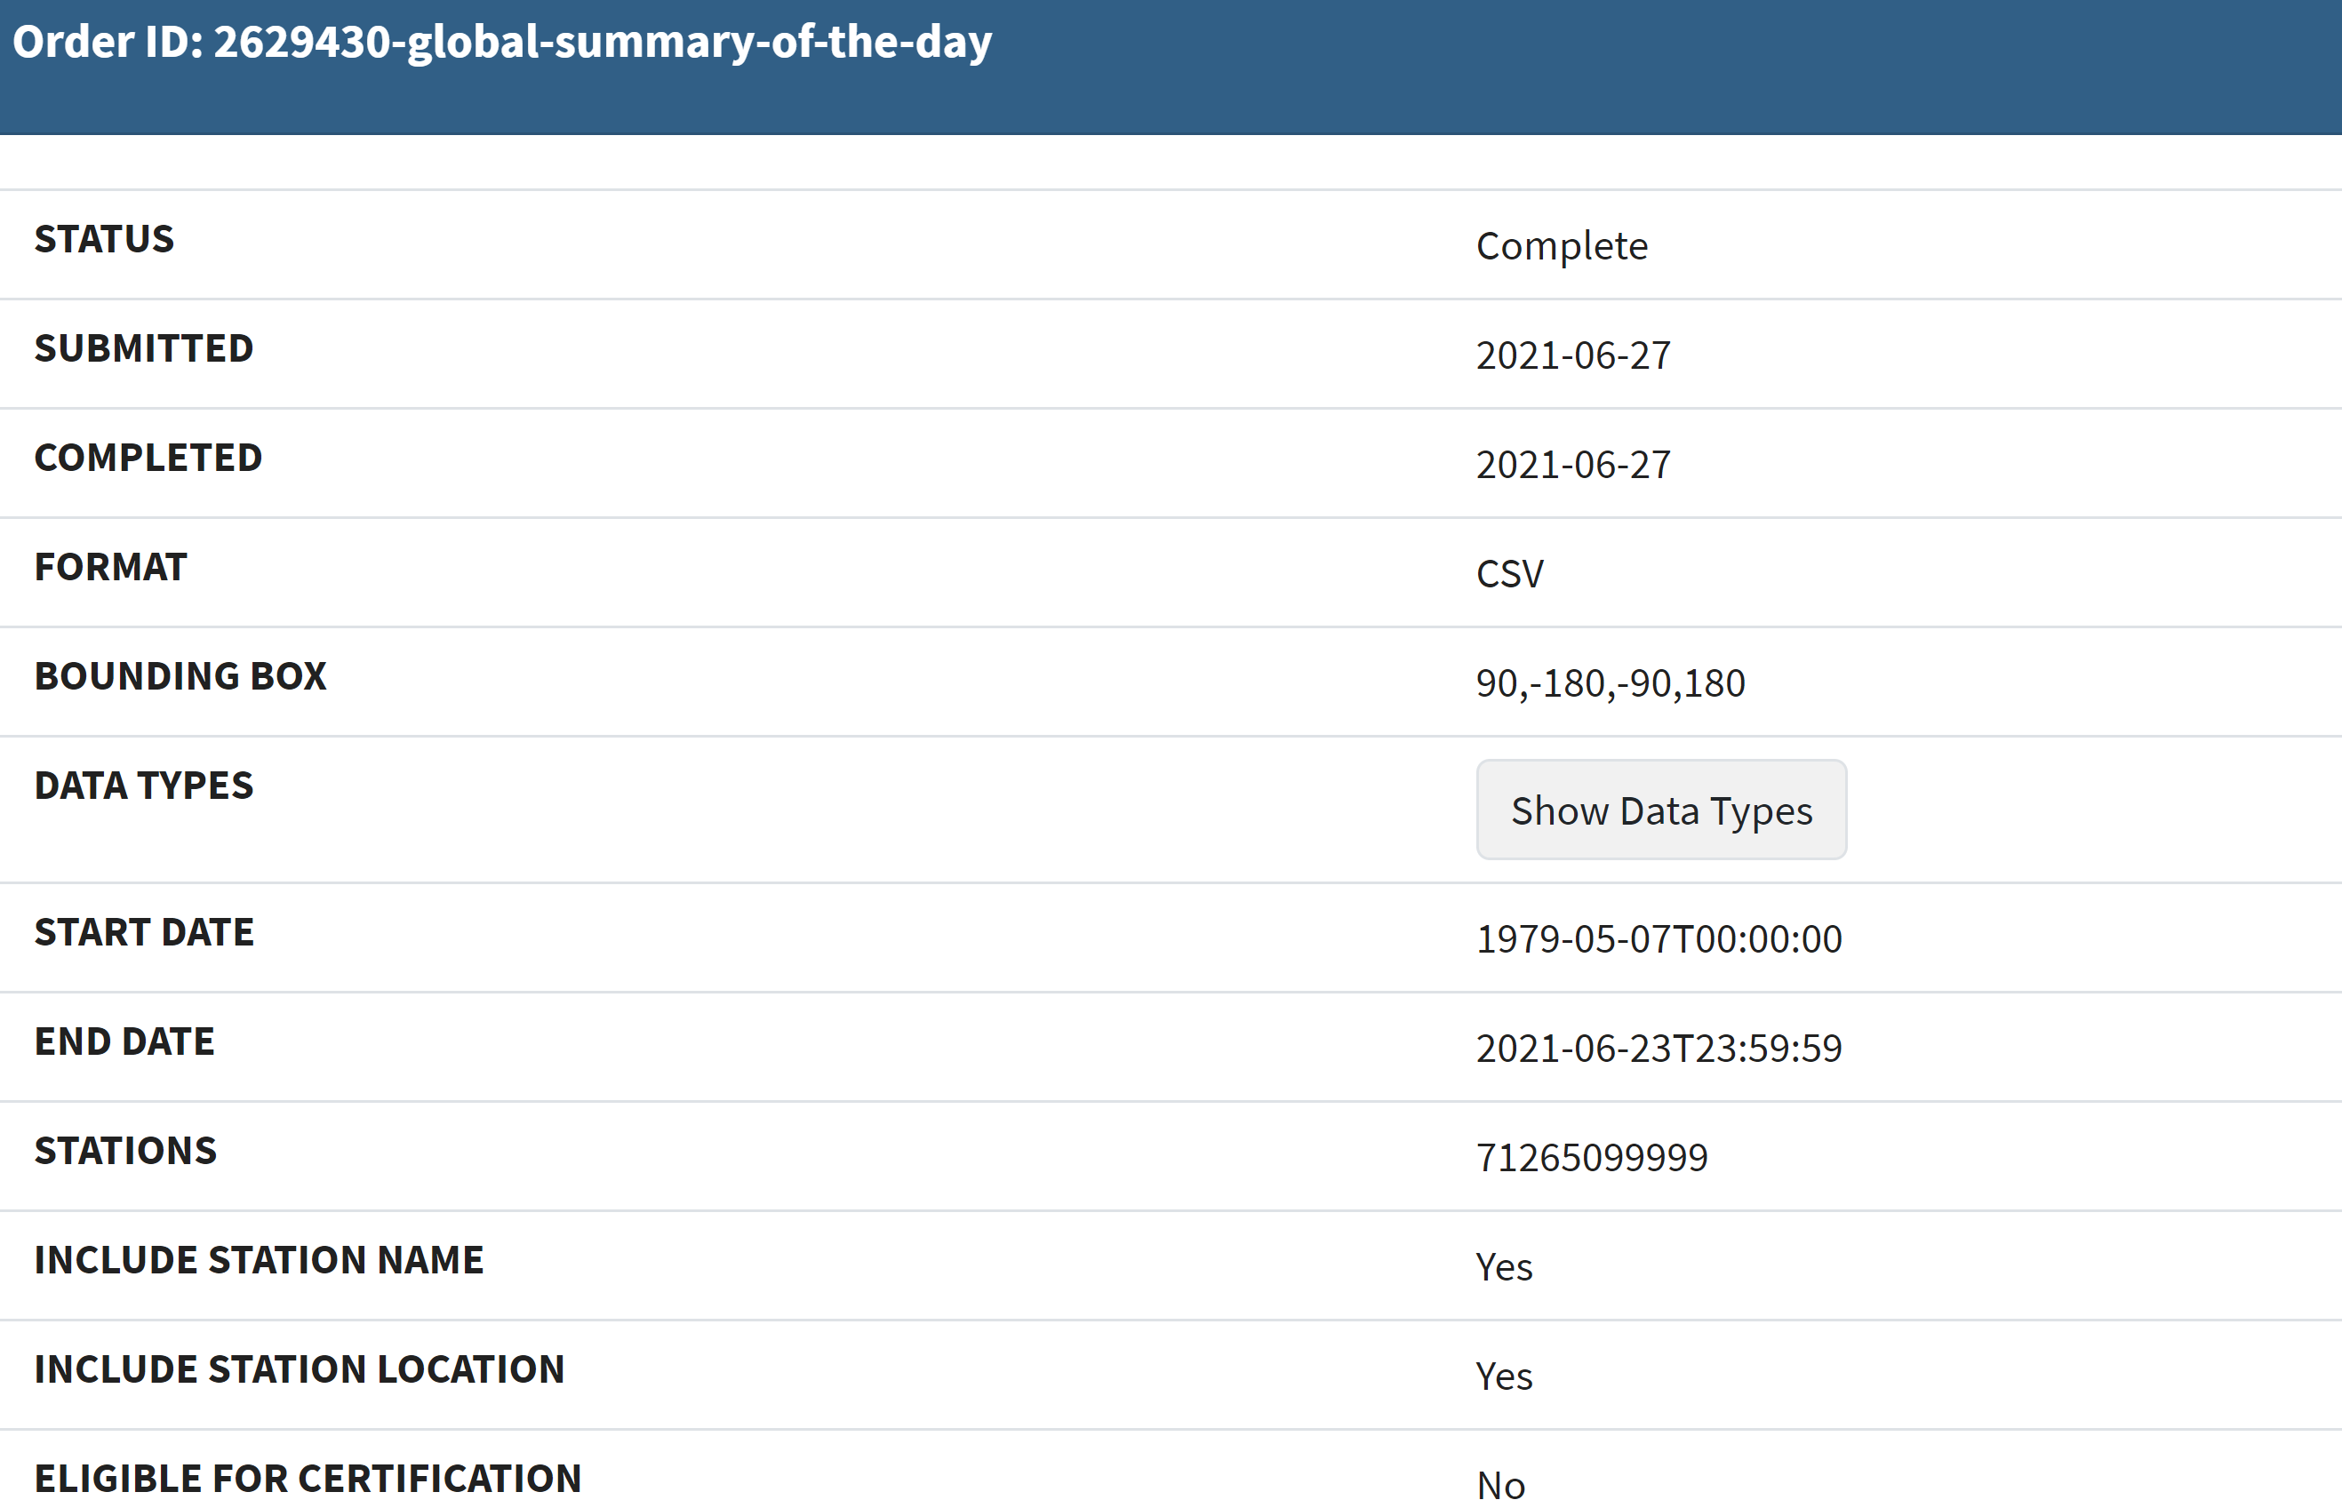
toronto city centre aka toronto centre island
43.6166666, -79.3833333
wmo ID: 71265

