Mapping latlong
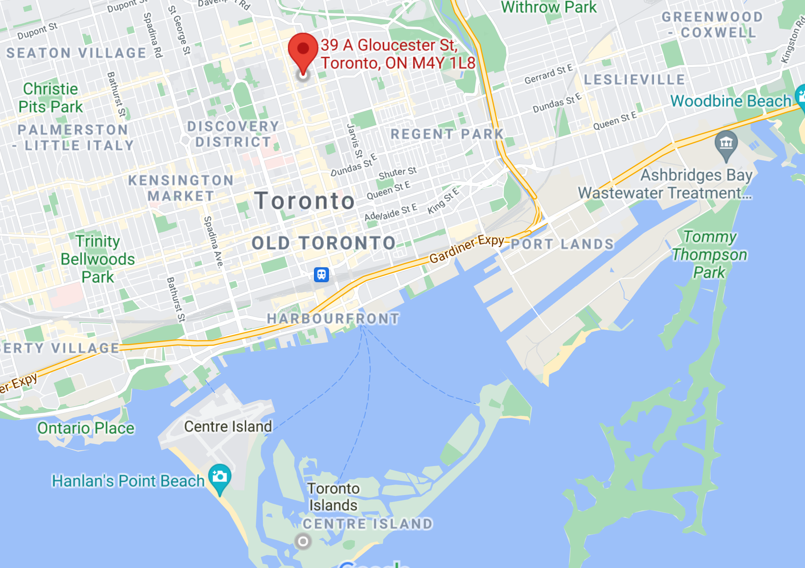

WRDC - 43.666667, -79.383333

GSOD - 43.6166666, -79.3833333

WRDC summary
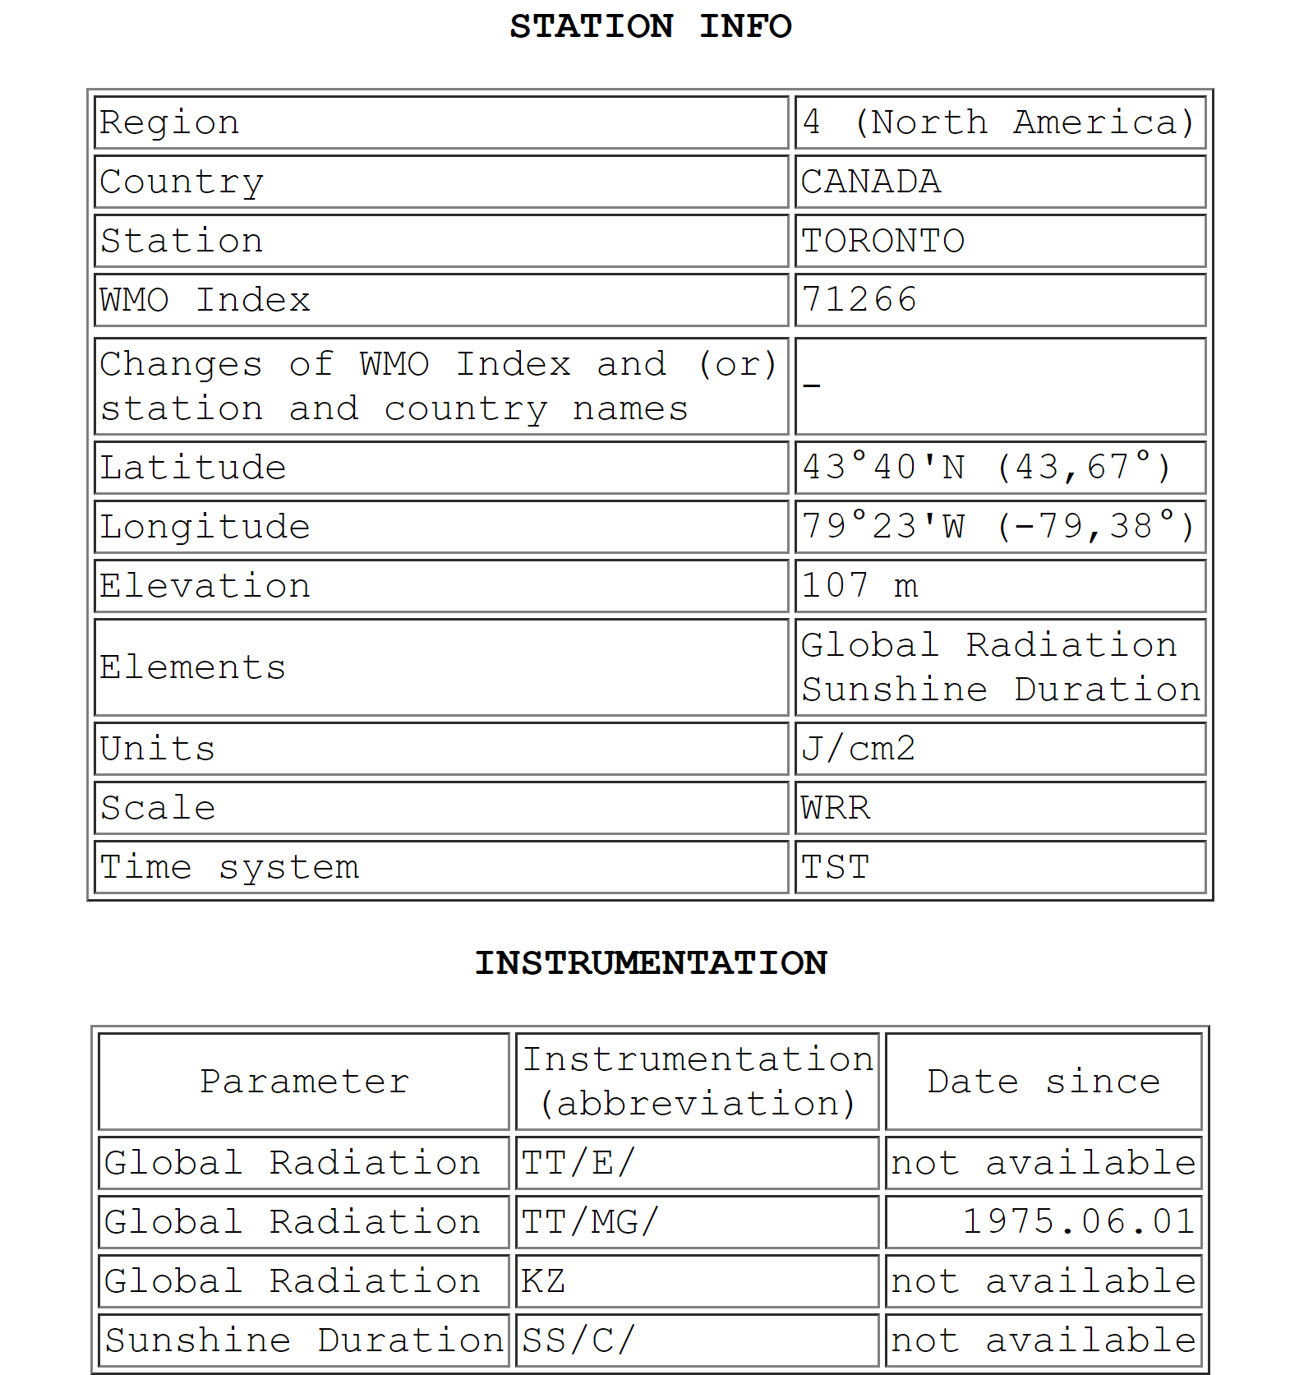
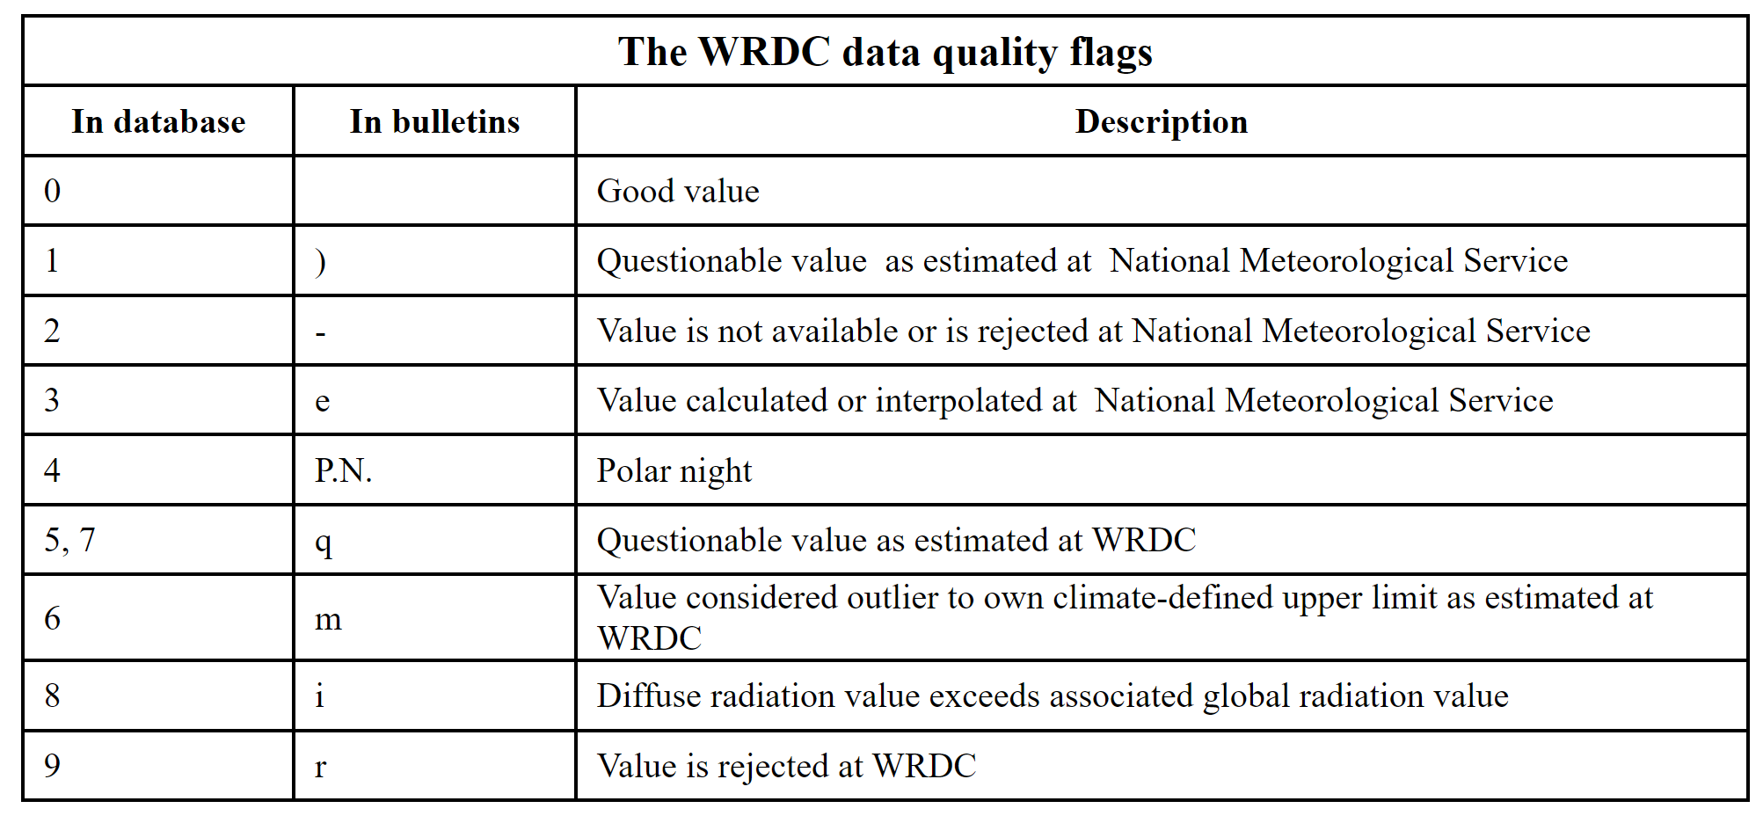

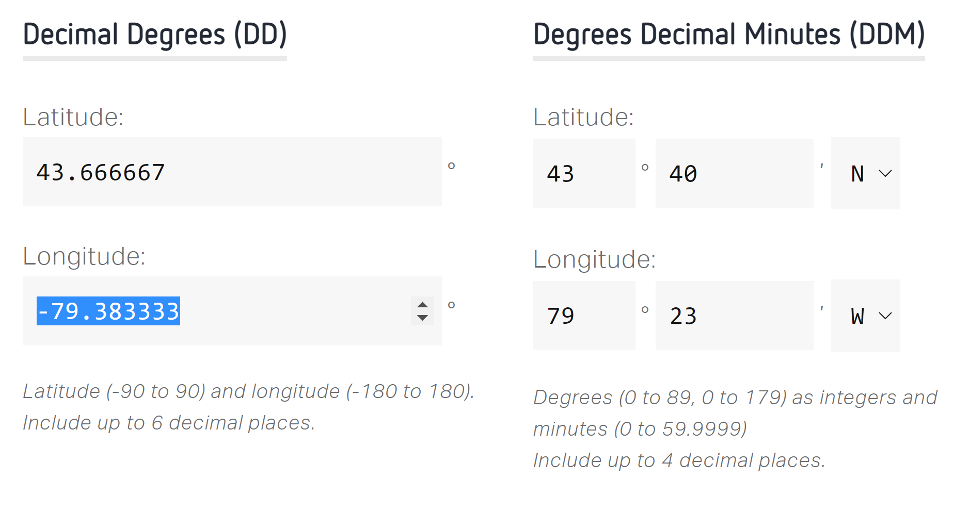

 |  |  | Value "-32768" - no data available or bad data

surface radiation budget | downward shortwave | direct + difffuse solar radiation
 | upward shortwave | reflected
 | downward longwave | emitted from diff levels of atmosphere
 | upward longwave | emitted from surface
global radiation | total shortwave radiation | direct + difffuse solar radiation
downwelling shortwave | downward shortwave | direct + difffuse solar radiation

surface incoming shortwave radiation

