Params
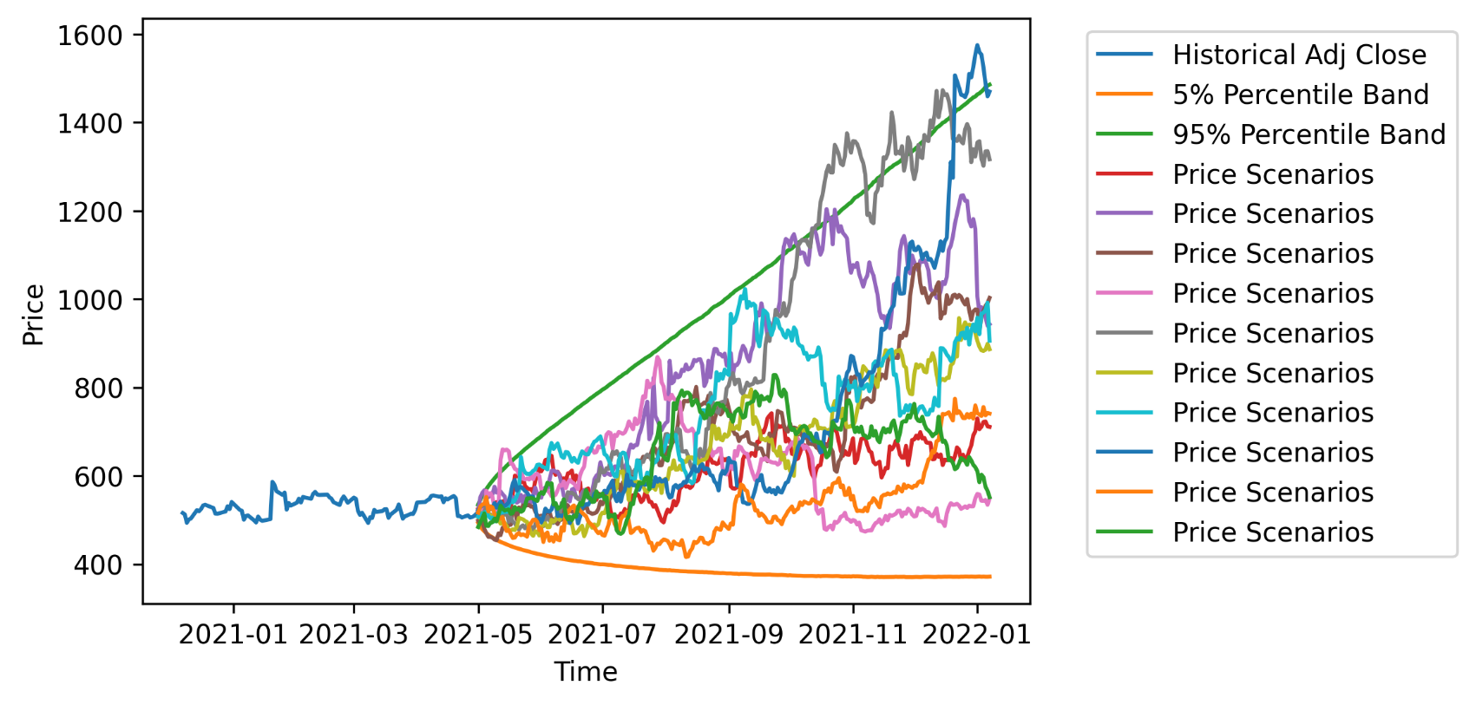
Run Montecarlo
Ticker | NFLX
Start | 2015-01-01
End | 2021-05-01

