CAN
Motorola:
 | 0x1234
 | byte 0 (b7.6.5.4.3.2.1.0)
 | 0001 0010

 | byte 1 (b7.6.5.4.3.2.1.0)
 | 0011 0100

Motorola format |  |  |  |  | Intel format
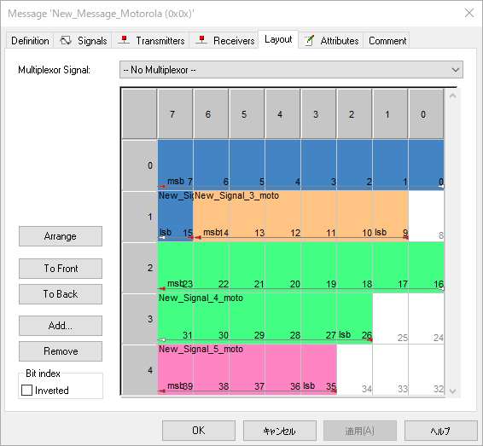
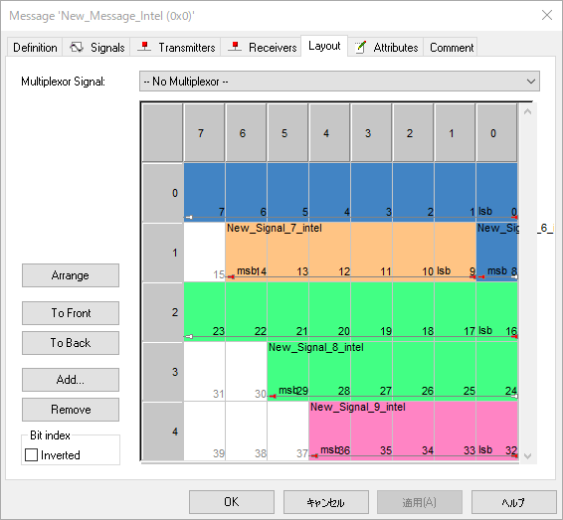

BO_ 0 New_Message_Intel: 5 Vector__XXX
SG_ New_Signal_9_intel : 32|5@1+ (1,0) [0|31] "" Vector__XXX
SG_ New_Signal_8_intel : 16|14@1+ (1,0) [0|16383] "" Vector__XXX
SG_ New_Signal_7_intel : 9|6@1+ (1,0) [0|63] "" Vector__XXX
SG_ New_Signal_6_intel : 0|9@1+ (1,0) [0|511] "" Vector__XXX
<-------------
Signal_name: lsb_start_bit | signal_length @1+
BO_ 2147483648 New_Message_Motorola: 5 Vector__XXX
SG_ New_Signal_5_moto : 39|5@0+ (1,0) [0|31] "" Vector__XXX
SG_ New_Signal_4_moto : 23|14@0+ (1,0) [0|16383] "" Vector__XXX
SG_ New_Signal_3_moto : 14|6@0+ (1,0) [0|511] "" Vector__XXX
SG_ New_Signal_2_moto : 7|9@0+ (1,0) [0|255] "" Vector__XXX
---------->
Signal_name: msb_start_bit | signal_length @0+

(lsb)

(msb)

(lsb)

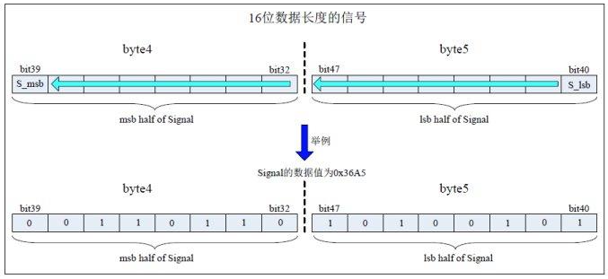
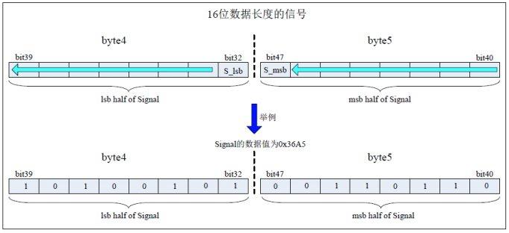

3 |  | 6 | A | 5 | A | 5 | 3 | 6

Start-End bit position
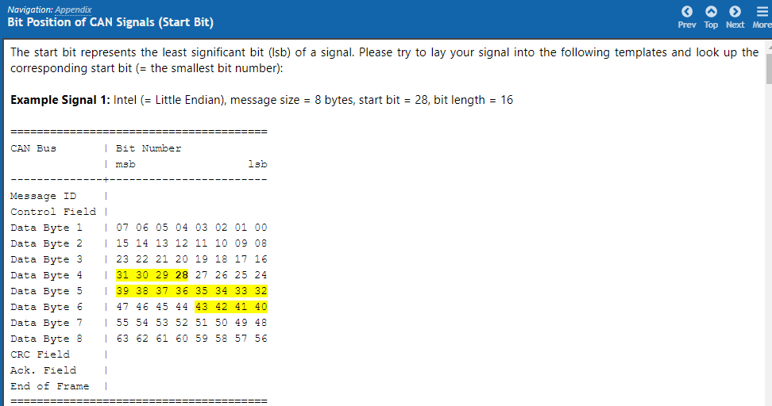
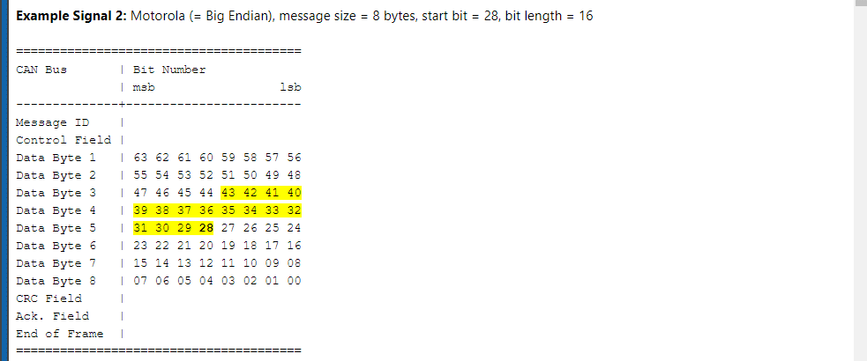
https://www.tellert.de/files/media/temes/help/position-of-can-signals-(start.html
start bit = lsb

Signal layout
//layout[0] = "0.7-0.7"; //startbit / length: 7 / 1 Enable
//layout[1] = "0.6-0.1"; //startbit / length: 1 / 6 AverageVarius
//layout[2] = "0.0-2.5"; //startbit / length: 21 / 12 Temperature
Signal | Message | ID | ID-Format | Cycle[ms] | DLC | Layout | DataType | Value Table | InitialValue
Enable | Exmessage | AABBCC | Extend | 300 | 8 | 0.7-0.7 | Unsigned | 0 | 0
AverageVarius | Exmessage | AABBCC | Extend | 300 | 8 | 0.6-0.1 | Unsigned | 0 | 0
Temperature | Exmessage | AABBCC | Extend | 300 | 8 | 0.0-2.5 | Unsigned | 0 | 0

