Car App
TOPへ

1 | Use "Car App Library" (part of AndroidX)
Android Studio

MyNavigationApp
・MyCarAppService extends CarAppService
・<uses-permission android:name="androidx.car.app.NAVIGATION_TEMPLATES"/>

CarAppService
・androidx.car.app
★prebuild library, declare in build.gradle (download from google maven server)
★Config build.gradle
https://developer.android.com/jetpack/androidx/releases/car-app#declaring_dependencies

APK installer file
★Manual build APK
https://source.android.com/docs/devices/automotive/hmi/aosp_host
★Or install from Google Play
https://play.google.com/store/apps/details?id=com.google.android.apps.automotive.templates.host
Automotive Host App (system app)
・com.android.car.templates.host
★prebuild APK installer file

Android image

Car API (AOSP)
・android.car

CarService (AOSP)
・com.android.car

 | Example:
 | https://github.com/android/car-samples/tree/main/car_app_library

2 | Use "Android Automotive Library" (android.car.jar)

 | Add android.car.jar from SDK folder to project
 | https://developer.android.com/reference/android/car/classes

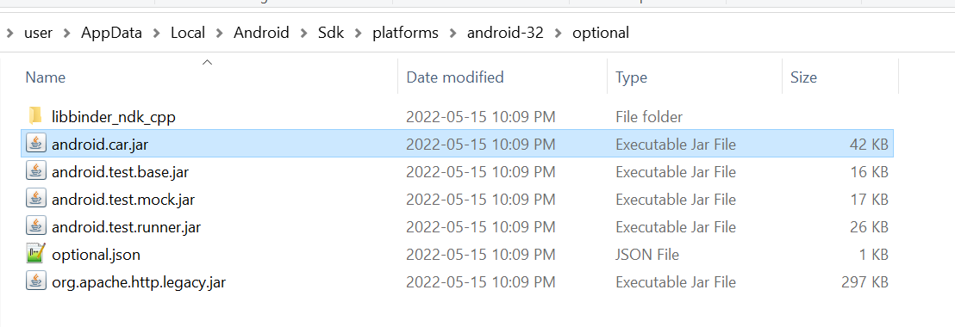

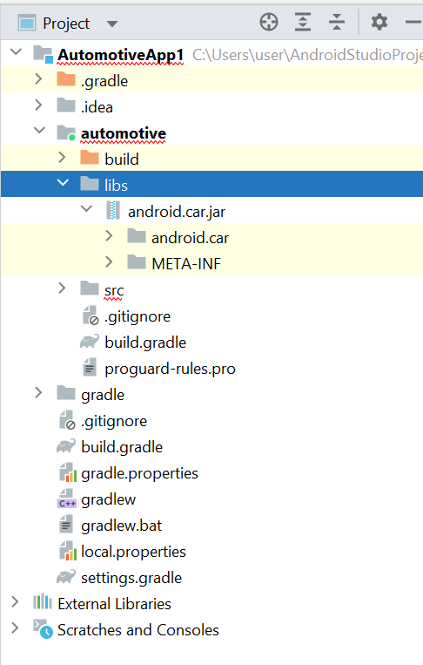
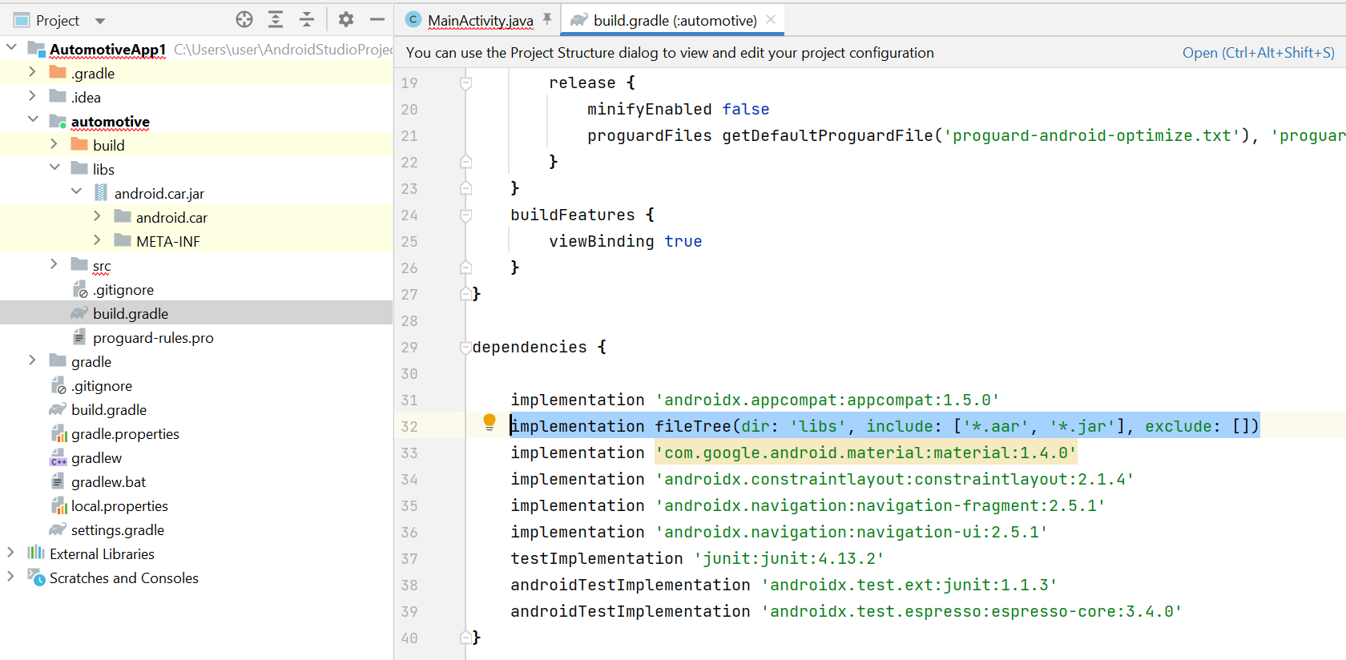

 | Example:
 | packages\services\Car\tests\EmbeddedKitchenSinkApp\src\com\google\android\car\kitchensink\cluster\
 | ・InstrumentClusterFragment.java
 | ・FakeClusterNavigationActivity.java

Arch
TOPへ

CarService.java
- ServiceManager.addService(ICarImpl)
MyApp.java
- Car mCar = Car.createCar(mContext)
- Car***Manager = mCar.getCarManager()
★Car***Manager extends CarBaseManager
Car.java
- getCarManager
VehicleService.cpp
- VehicleHalManager.cpp

IBinder service=Servicemanager.getService(car_service)
ICar mService = ICar.Stub.asInterface(service)
binder = mService.getCarService
- Car***Manager(this, binder) extends CarManagerBase.java
★service ~ ICarImpl
ICarImpl extends ICar.Stub

Car***Service extends I***.Stub implements CarServiceBase
HIDL
AIDL
***HalService extends HalServiceBase

VehicleHal extends IVehicleCallback.Stub

HalClient
- IVehicle mVehicle
- IVehicleCallback mInternalCallback

VehicleHal extends IVehicleCallback.Stub

IVehicle.java

 | CarAudioManager | CarAudioManager(Car car, IBinder service) |  | CarAudioService extends ICarAudio.Stub
 |  | service = ICarAudio
 | CarAppFocusmanager | CarAppFocusmanager |  | AppFocusService extends IAppFocus.Stub

Car.java | https://cs.android.com/android/platform/superproject/+/master:packages/services/Car/car-lib/src/android/car/Car.java
CarManagerBase.java | https://cs.android.com/android/platform/superproject/+/master:packages/services/Car/car-lib/src/android/car/CarManagerBase.java
ICarImpl.java | https://cs.android.com/android/platform/superproject/+/master:packages/services/Car/service/src/com/android/car/ICarImpl.java
CarService.java | https://cs.android.com/android/platform/superproject/+/master:packages/services/Car/service/src/com/android/car/CarService.java
CarServiceBase.java | https://cs.android.com/android/platform/superproject/+/master:packages/services/Car/service/src/com/android/car/CarServiceBase.java

 | Manager | Car.getCarManager(service) | Service |  | Start Cluster Activity
start activity for cluster | InstrumentClusterRenderingService | - | InstrumentClusterService.java |  | FixedActivityService
 | ClusterHomeManager | CLUSTER_HOME_SERVICE | ClusterHomeService.java |  | FixedActivityService
 | CarAppFocusmanager | APP_FOCUS_SERVICE | AppFocusService.java |  | -
Control Turn-by-turn | CarNavigationStatusManager | CAR_NAVIGATION_SERVICE | ClusterNavigationService.java |  | -
 | CarOccupantZoneManager | CAR_OCCUPANT_ZONE_SERVICE | CarOccupantZoneService.java |  | -

HAL
TOPへ

★Android 12

IVehicle.hal | https://cs.android.com/android/platform/superproject/+/master:hardware/interfaces/automotive/vehicle/2.0/IVehicle.hal
IVehicleCallback.hal | https://cs.android.com/android/platform/superproject/+/master:hardware/interfaces/automotive/vehicle/2.0/IVehicleCallback.hal

↓↓Compile↓↓

IVehicle.h | https://cs.android.com/android/platform/superproject/+/master:out/soong/.intermediates/hardware/interfaces/automotive/vehicle/2.0/android.hardware.automotive.vehicle@2.0_genc++_headers/gen/android/hardware/automotive/vehicle/2.0/IVehicle.h
IVehicleCallback.h | https://cs.android.com/android/platform/superproject/+/master:out/soong/.intermediates/hardware/interfaces/automotive/vehicle/2.0/android.hardware.automotive.vehicle@2.0_genc++_headers/gen/android/hardware/automotive/vehicle/2.0/IVehicleCallback.h

IVehicleAll.cpp (HIDL) | https://cs.android.com/android/platform/superproject/+/master:out/soong/.intermediates/hardware/interfaces/automotive/vehicle/2.0/android.hardware.automotive.vehicle@2.0_genc++/gen/android/hardware/automotive/vehicle/2.0/VehicleAll.cpp
IVehicleCallbackAll.cpp (HIDL) | https://cs.android.com/android/platform/superproject/+/master:out/soong/.intermediates/hardware/interfaces/automotive/vehicle/2.0/android.hardware.automotive.vehicle@2.0_genc++/gen/android/hardware/automotive/vehicle/2.0/VehicleCallbackAll.cpp

IVehicle.java | https://cs.android.com/android/platform/superproject/+/master:out/soong/.intermediates/hardware/interfaces/automotive/vehicle/2.0/android.hardware.automotive.vehicle-V2.0-java/android_common/xref/srcjars.xref/android/hardware/automotive/vehicle/V2_0/IVehicle.java
IVehicleCallback.java | https://cs.android.com/android/platform/superproject/+/master:out/soong/.intermediates/hardware/interfaces/automotive/vehicle/2.0/android.hardware.automotive.vehicle-V2.0-java/android_common/xref/srcjars.xref/android/hardware/automotive/vehicle/V2_0/IVehicleCallback.java

↓↓Implementation↓↓

VehicleHalManager.h | https://cs.android.com/android/platform/superproject/+/master:hardware/interfaces/automotive/vehicle/2.0/default/common/include/vhal_v2_0/VehicleHalManager.h
VehicleHalManager.cpp | https://cs.android.com/android/platform/superproject/+/master:hardware/interfaces/automotive/vehicle/2.0/default/common/src/VehicleHalManager.cpp
VehicleService.app (main) | https://cs.android.com/android/platform/superproject/+/master:hardware/interfaces/automotive/vehicle/2.0/default/VehicleService.cpp
CarService.java | https://cs.android.com/android/platform/superproject/+/master:packages/services/Car/service/src/com/android/car/CarService.java;drc=6d16809e45ccd3c0b4b62da8579a19c197229d59;l=162

IVehicle.hal

Android 13:
IVehicle -> AidlVehicleStub.java extends VehicleStub.java
-IVehicle getAidlVehicle()
"android.hardware.automotive.vehicle.IVehicle/default"
IVehicle.h
IVehicle.java
- subscribe
- unsubcribe
- setvalue
- getValue

VehicleHalManager.h/cpp
HalClient
- mVehicle

VehicleHal extends IVehicleCallback.Stub

VehicleService.cpp

ICarimpl

CarService.java
- getVehicle
android.hardware.automotive.vehicle.V2_0.IVehicle.getService(instanceName)

Instrument cluster
TOPへ

App
ClusterRenderingService.java | https://cs.android.com/android/platform/superproject/+/master:packages/apps/Car/Cluster/DirectRenderingCluster/src/android/car/cluster/ClusterRenderingService.java

API:
InstrumentClusterRenderingService.java | https://cs.android.com/android/platform/superproject/+/master:packages/services/Car/car-lib/src/android/car/cluster/renderer/InstrumentClusterRenderingService.java
NavigationRenderer.java | https://cs.android.com/android/platform/superproject/+/master:packages/services/Car/car-lib/src/android/car/cluster/renderer/NavigationRenderer.java

Service:
InstrumentClusterService.java | https://cs.android.com/android/platform/superproject/+/master:packages/services/Car/service/src/com/android/car/cluster/InstrumentClusterService.java

IVI (head Unit)

Google Maps

CarAppFocusmanager
- Car mCar = Car.createCar()
- CarAppFocusmanager mCarAppFocusmanager = mCar.getCarManager()
mCarAppFocusmanager.requestFocus(CarAppFocusManager.APP_FOCUS_TYPE_NAVIGATION)

CarService
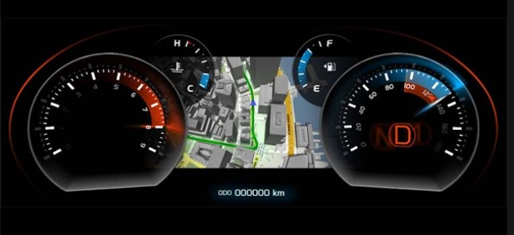
Meter cluster
ClusterRenderingService extends InstrumentClusterRenderingService
ICarImpl

InstrumentClusterService
- startFixedActivityModeForDisplayAndUser
- stopFixedActivityMode
VitualDisplay
Stream
Surface

CarAppFocusmanager
- Car mCar = Car.createCar()
- CarAppFocusmanager mCarAppFocusmanager = mCar.getCarManager()
mCarAppFocusmanager.requestFocus(CarAppFocusManager.APP_FOCUS_TYPE_NAVIGATION)

AIDL

IAppFocusOwnershipCallbackImpl.onAppFocusOwnershipGranted(appType)
IAppFocusOwnershipCallbackImpl.onAppFocusOwnershipLost(appType)
IAppFocusListenerImpl.onAppFocusChanged

requestFocus(IAppFocusOwnershipCallbackImpl)
registerFocusListener(IAppFocusListenerImpl)

mAppFocusService.registerContextOwnerChangedCallback
AppFocusService
- registerContextOwnerChangedCallback
★
-detect ownership change
-detect app focus change
ClusterNavigationService
- onNavigationStateChanged
-onFocusAcquired
-onFocusAbandoned
- changeNavContextOwner

FocusOwnershipCallback.onFocusAcquired
FocusOwnershipCallback.onFocusAbandoned

ClusterNavigationService.setClusterServiceCallback

ClusterNavigationServiceCallback.onNavigationStateChanged
ClusterNavigationServiceCallback.notifyNavContextOwnerChanged

IInstrumentCluster.setNavigationContextOwner
IInstrumentCluster.getNavigationService
IInstrumentCluster.IInstrumentClusterNavigation.onNavigationStateChanged
ClusterRenderingService extends InstrumentClusterRenderingService
- setNavigationContextOwner
- onNavigationStateChanged

InstrumentClusterService
- onNavigationStateChanged
- notifyNavContextOwnerChanged
- startFixedActivityModeForDisplayAndUser
binServiceAsUser()
IInstrumentClusterHelper(mInstrumentClusterHelper) --->
<-- RendererBinder(IInstrumentCluster)

IInstrumentClusterHelper.startFixedActivityModeForDisplayAndUser

GoogleMaps
CarAppFocusmanager
CarService(iCarImpl)
AppFocusService
InstrumentClusterService
InstrumentClusterRenderingService
ClusterNavigationService

init()

MyApp

ClusterStateListener.onClusterStateChanged
ClusterNavigationStateListener.onNavigationState
onAppFocusChanged

MeterService extends VenderService

CarAppFocusmanager
- OnAppFocusChangedListener.onAppFocusChanged(@AppFocusType int appType, boolean active)
- OnAppFocusOwnershipCallback.onAppFocusOwnershipLost(@AppFocusType int appType)
- OnAppFocusOwnershipCallback.onAppFocusOwnershipGranted(@AppFocusType int appType)
ClusterHomeManager
- ClusterStateListener.onClusterStateChanged(ClusterState state, @Config int changes)
- ClusterNavigationStateListener.onNavigationState(byte[] navigationState)

IClusterStateListenerImpl.onClusterStateChanged
IClusterNavigationStateListenerImpl.onNavigationStateChanged

ClusterHomeService

onNavigationStateChanged
notifyNavContextOwnerChanged
onOccupantZoneConfigChanged
→initClusterDisplay()

onClusterStateChanged

ClusterNavigationService
CarOccupantZoneService
・update mClusterDisplayId
FixedActivityService
- startFixedActivityModeForDisplayAndUser
- stopFixedActivityMode
ClusterHalService.java
- ClusterHalEventCallback.onSwitchUi
- oClusterHalEventCallback.onDisplayState

BuildSystem
TOPへ

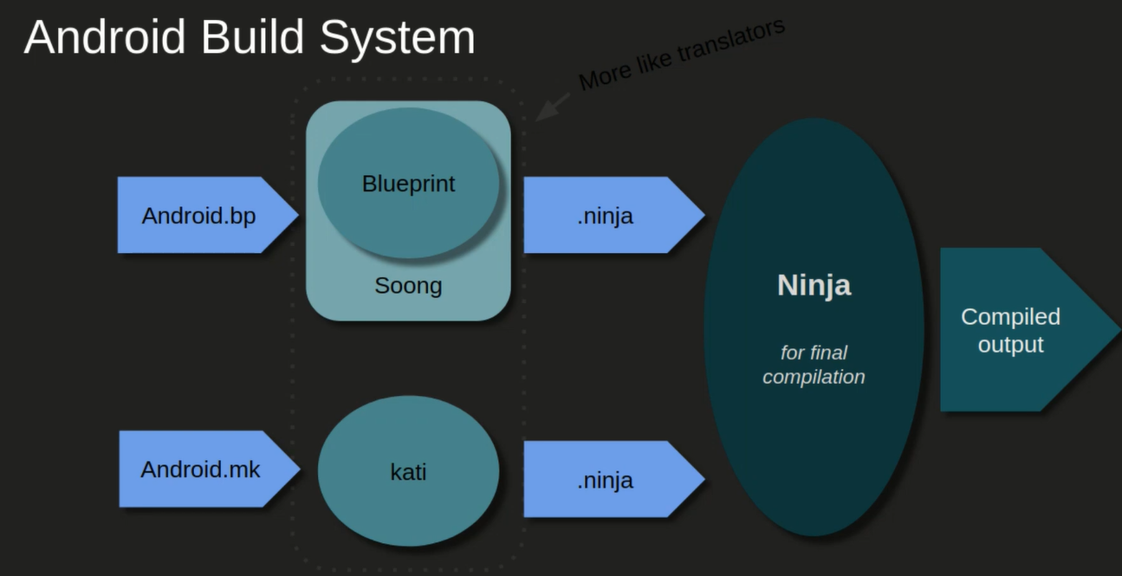

★Difference between CMake and NDK-build in android studio project - Android
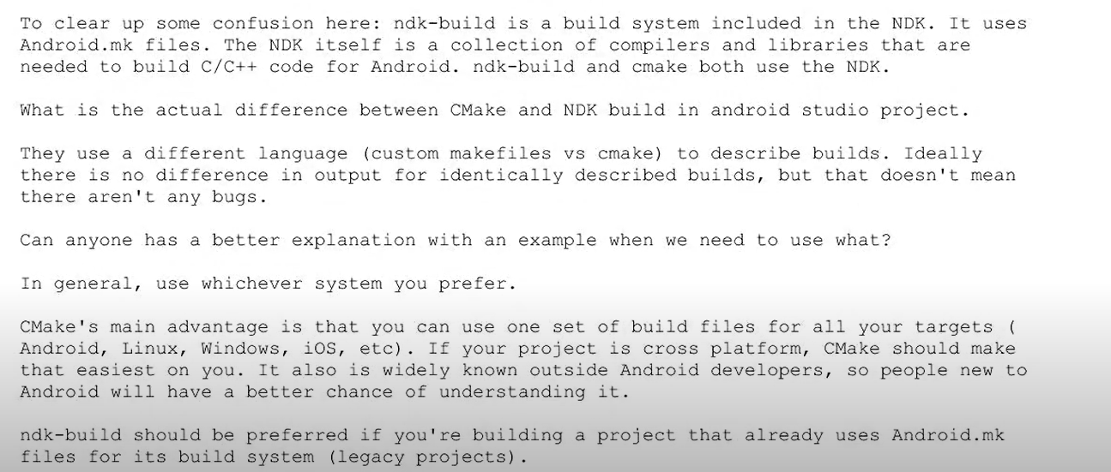

Android Studio環境
- Add C/C++ souce, library
Gradle
module's build.gradle
CMake (-> GNU Make - gcc)
- CMakeList.txt
// Encapsulates your external native build configurations. externalNativeBuild { // Encapsulates your CMake build configurations. cmake { // Provides a relative path to your CMake build script. path "path/to/CMakeLists.txt" } }
ndk-build (-> GNU Make - gcc)
- Android.mk
- Application.mk
// Encapsulates your external native build configurations. externalNativeBuild { // Encapsulates your ndk-build build configurations. ndkBuild { // Provides a relative path to your gnu make build script. path "path/to/Android.mk" } }
NDK

★recommend

AOSP環境 (use command line, have not Gradle)
- do not use CMake ??? (but can use cmake command to build cmake project to ninja project)
Soong (Blueprint)
- Adnroid.bp
Kati (GNU make)
- Android.mk

 | AndroidManifest
 |  | https://developer.android.com/guide/topics/manifest/manifest-intro
 | build.gradle
 |  | https://developer.android.com/studio/build

 | Android.bp
 |  | https://source.android.com/setup/build
 |  | https://docs.bazel.build/versions/main/be/overview.html
 |  | https://android.googlesource.com/platform/build/soong/
 |  | https://blog.spacepatroldelta.com/a?ID=00001-0c67f178-ce73-4544-914f-d0c1c8c42fa4 |  |  | OK
 |  | https://android.googlesource.com/platform/build/soong/+/refs/heads/master/README.md
 |  | https://note.qidong.name/demo/soong_build/ | OK
 |  | https://ci.android.com/builds/submitted/8944109/linux/latest/soong_build.html |  | OK (full)

 | Android.mk
 |  | https://developer.android.com/ndk/guides/android_mk
 |  | https://android.googlesource.com/platform/build/+/master/Changes.md

★summary

 | C/C++ support recommend:
 | - libc++ instead of libstdc++(STL)
 | - CMake instead of GNU Make (Android Studio環境-Gradle)
 | - Android.bp (Soong) instead of Android.mk (kati)(without gradle)

★Android.bp
https://ci.android.com/builds/submitted/8944109/linux/latest/soong_build.html
 | android_app → .APK
 | android_library→.AAR
 | android_test→.APK +AndroidTest.xml
 | android_robolectric_test
 | android_library_import
 | android_test_helper_app
 | android_app_certificate

 | java_library→.JAR
 | java_library_static
 | java_import
 | java_test_helper_library

 | cc_defaults
 | cc_library→.so and/or .a
 | cc_binary→runable file (same .exe in windows)
 | cc_prebuilt_library_shared
 | cc_library_headers
 | cc_library_static→.a
 | cc_library_shared→.so
 | cc_test
 | cc_fuzz

 | aidl_interface
 | genrule
 | gensrcs
 | filegroup

★Android.mk

GUI design
TOPへ

MyApp
 | ★Note
 |  | Có 2 cách để điểu khiển Fragment
 |  | ・NavHostFragment →strong recommend
 |  | ・FragmentManager

 |  | Template design UI
 |  | ・Có ít Activity
 |  | ・Trong mỗi Activity có 1 NavHostFragment để quản lý nhiểu Fragment
Activity 1
Activity 2
 |  | ・Trong Fragment có thể có vài child Fragment
 |  | ・Không nên giao tiếp trực tiếp giữa các Fragment mà nên thông qua Activity
 |  | ・Thiết kế Fragment độc lập để có thể re-use

AppBarLayout
・ToolBar
FragmentContainerView
・NavHostFragment
★this ia a Fragment

Fragment 1
Fragment
・child 1
Fragment
・child 2
Fragment 2
Fragment
・child 1
Fragment
・child 2

Fragment 1-1
Fragment
・child 1
Fragment
・child 2
Fragment 1-1
Fragment
・child 1
Fragment
・child 2
Fragment 2-1
Fragment
・child 1
Fragment
・child 2
Fragment 2-2
Fragment
・child 1
Fragment
・child 2

Application class
TOPへ

https://developer.android.com/training/dependency-injection/manual

 | ・dung de quan ly du lieu toan cuc co the truy cap o moi noi trong app

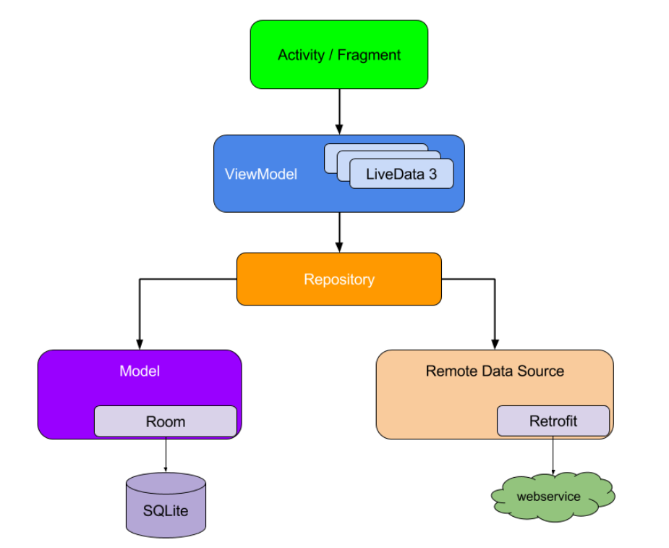
Ex1
 | // Custom Application class that needs to be specified
 | // in the AndroidManifest.xml file
 | public class MyApplication extends Application {

 | // Instance of AppContainer that will be used by all the Activities of the app
 | public AppContainer appContainer = new AppContainer();
 | }

 | // Container of objects shared across the whole app
 | public class AppContainer {

 | // Since you want to expose userRepository out of the container, you need to satisfy
 | // its dependencies as you did before
 | private Retrofit retrofit = new Retrofit.Builder()
 | .baseUrl("https://example.com")
 | .build()
 | .create(LoginService.class);

 | private UserRemoteDataSource remoteDataSource = new UserRemoteDataSource(retrofit);
 | private UserLocalDataSource localDataSource = new UserLocalDataSource();

 | // userRepository is not private; it'll be exposed
 | public UserRepository userRepository = new UserRepository(localDataSource, remoteDataSource);
 | }

Ex2
 | https://developer.android.com/guide/background/threading

 | public class MyApplication extends Application {
 | ExecutorService executorService = Executors.newFixedThreadPool(4);
 | }

Context
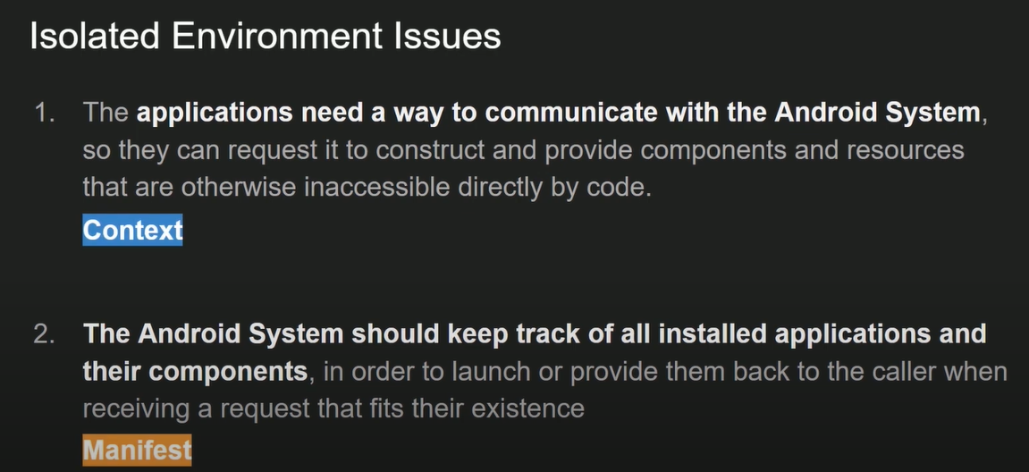
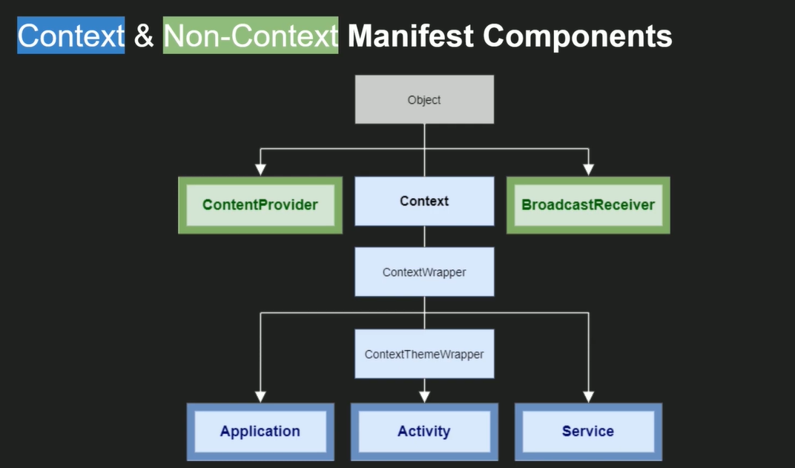
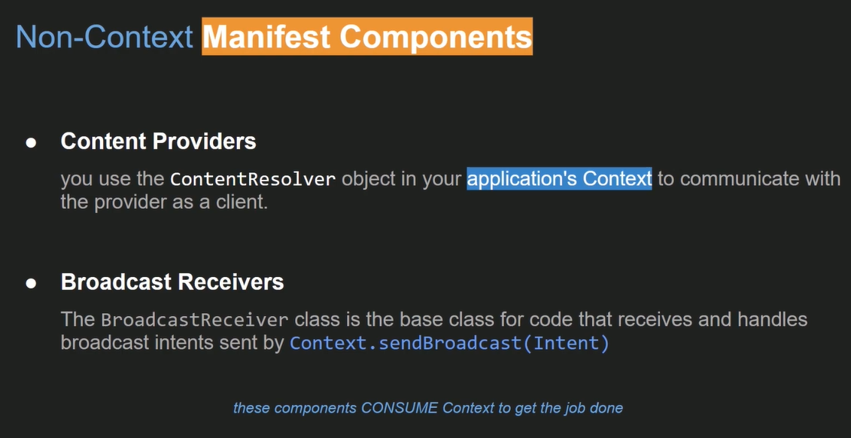
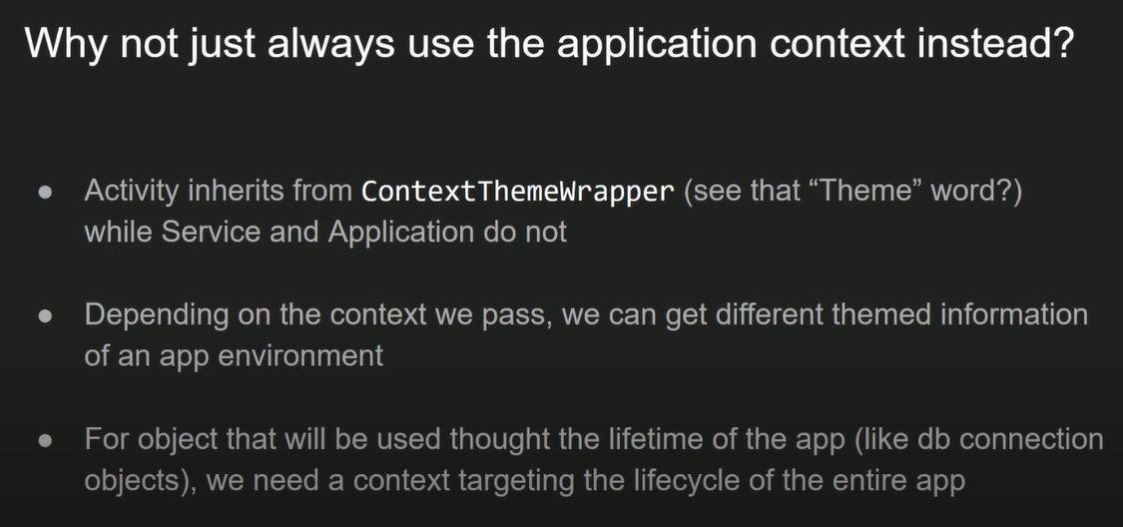
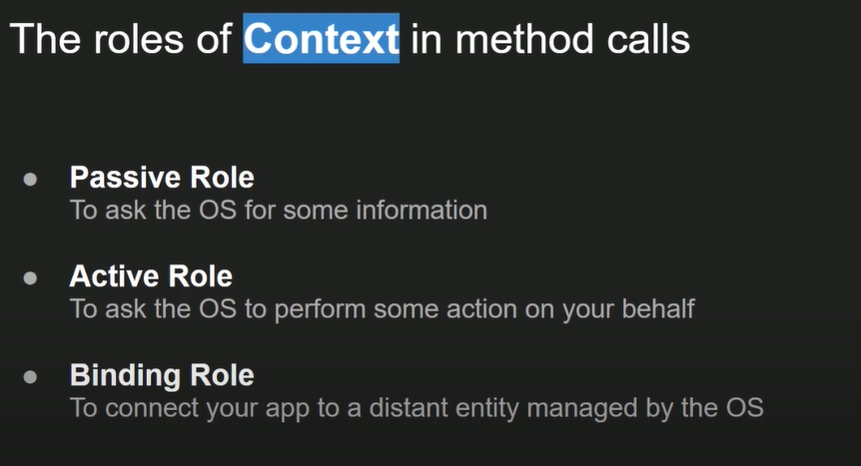
TOPへ

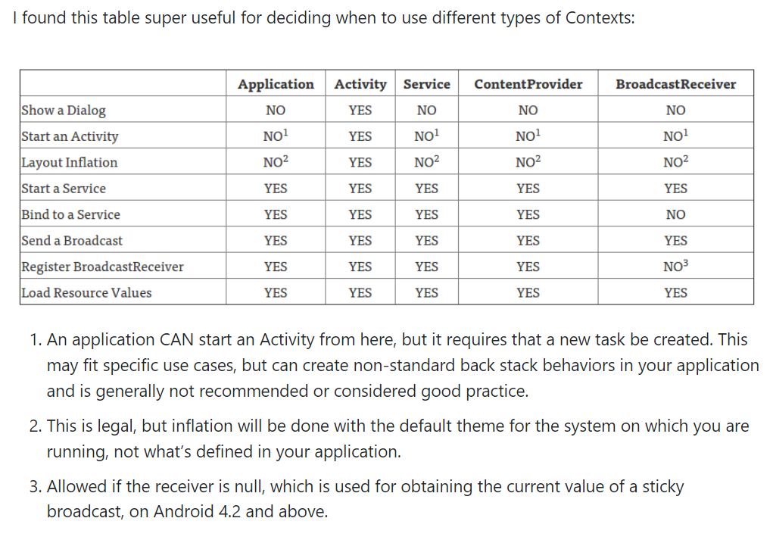

 | Suggest using
 |  | Application | Activity
 | Create Singleton object which require a Context | Should use. Because if we use ActivityContext here, the Singleton object will keep the reference to activity and the activity will not be garbage collected => memory leak | Shouldn't use
 | Use a object in Library which require a Context | Should use | Shouldn't use
 | Do some thing with GUI | Almost can not do, it will return WindowManager$BadTokenException: Unable to add window -- token null is not for an application. It is not complete Context that supporting everything that Activity does | --
 | Show Toast | Same, Currently I think we can use ApplicationContext or ActivityContext because no document say which is better but I think we should use ActivityContext because some good developer say only use ApplicationContext when we really need it (https://stackoverflow.com/a/5228494/5381331) some post say ApplicationContext may crash in some few device(https://stackoverflow.com/a/36032279/5381331) and some developer say Toast is is UI so we should use ActivityContext (however in some case we show Toast outside of Activity so we need ApplicationContext). Conclusion, feel free to use both of theme is same | Same
 | Load resource | The same with Toast | The same with Toast
 | Normal object which require a Context (tied with Activity life cycle) | Shouldn't use because it simple not necessary and suitable | Should use

Background thread
TOPへ

1.Handler
https://viblo.asia/p/android-handler-looper-va-handlerthread-hoat-dong-nhu-the-nao-OeVKBy1Y5kW
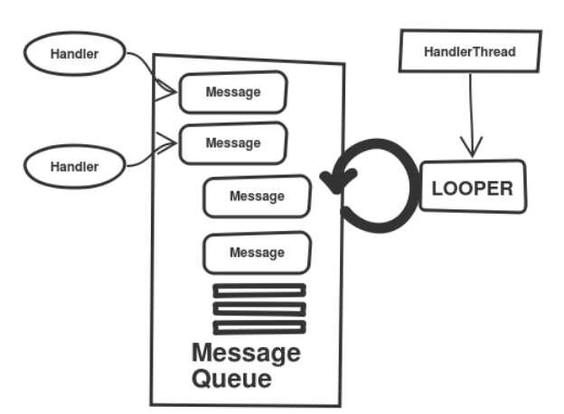
1. Create handler
HandlerThread handlerThread = new HandlerThread("MyHandlerThread");
handlerThread.start();
Handler handler = new Handler(handlerThread.getLooper());
★Looper of main thread: Looper.getMainLooper ()
2. Usage
handler.post(new Runnable() {
@Override
public void run() {
doSomething()
}
});
OR
handler.post(()->doSomething());

2. Thread pool
https://icancodeit.wordpress.com/2019/08/04/java-concurrency-executorservice-va-scheduledexecutorservice-trong-java/

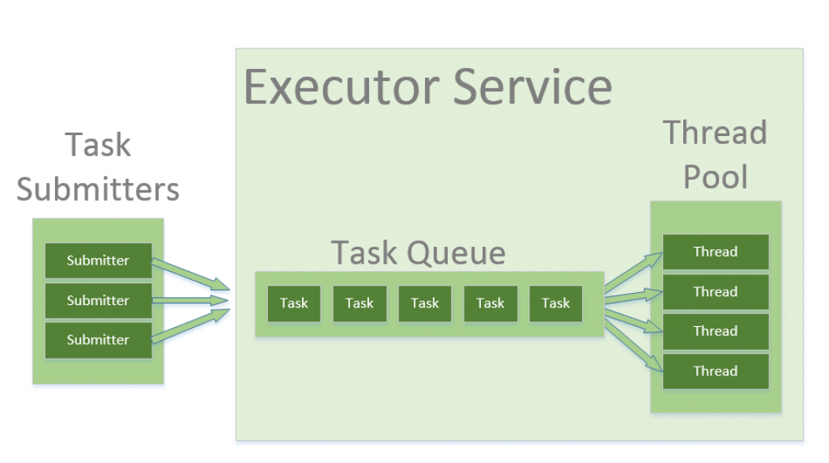

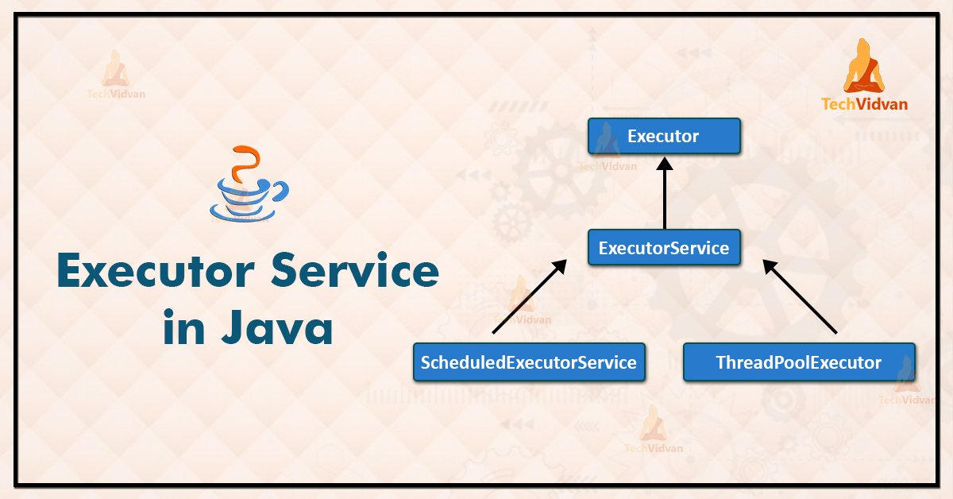

Return an Executor that will run enqueued tasks on the main thread associated with this context. This is the thread used to dispatch calls to application components (activities, services, etc).
public Executor getMainExecutor() { // This is pretty inefficient, which is why ContextImpl overrides it return new HandlerExecutor(new Handler(getMainLooper())); }

https://developer.android.com/guide/background/threading
 | ThreadPoolExecutor and BlockingQueue

