Sheet1
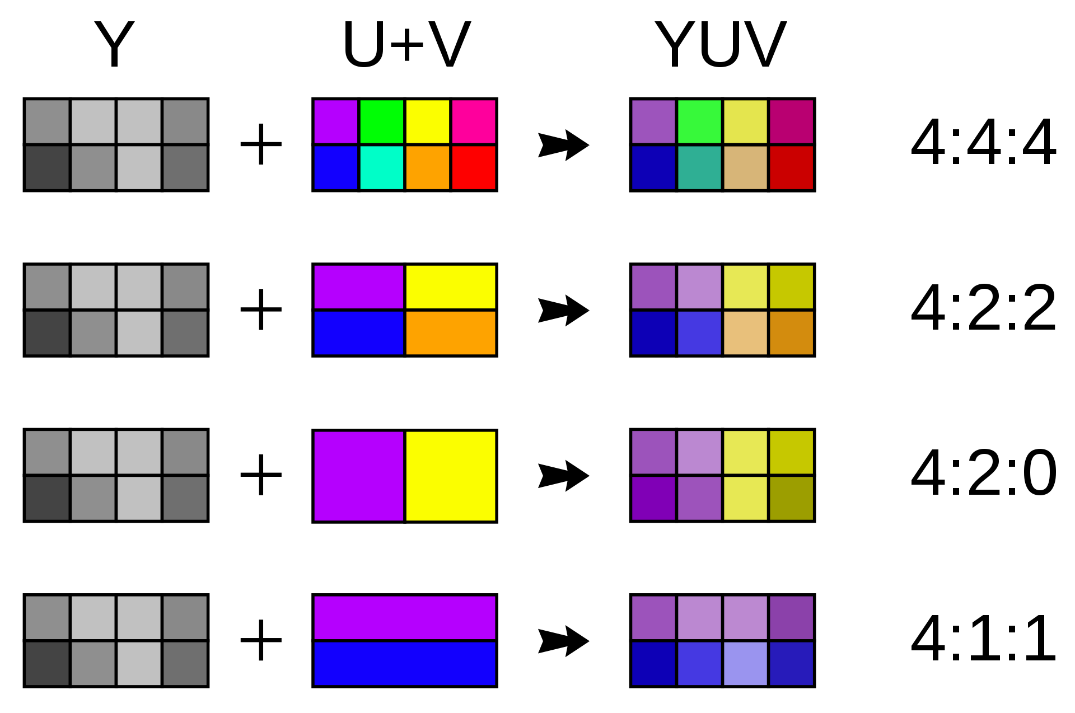

 |  |  |  |  |  |  |  |  |  | 24 | 24 | 24 | 24 |  | 24 | bpp
 |  |  |  |  |  |  |  |  |  | 24 | 24 | 24 | 24

 |  |  |  |  |  |  |  |  |  | 24 | 8 | 24 | 8 |  | 16 | bpp
 |  |  |  |  |  |  |  |  |  | 24 | 8 | 24 | 8

 |  |  |  |  |  |  |  |  |  | 24 | 8 | 24 | 8 |  | 12 | bpp
 |  |  |  |  |  |  |  |  |  | 8 | 8 | 8 | 8

 |  |  |  |  |  |  |  |  |  | 24 | 8 | 8 | 8 |  | 12 | bpp
 |  |  |  |  |  |  |  |  |  | 24 | 8 | 8 | 8

 |  |  |  |  |  |  |  |  |  |  | 6
 | Y1U1V1 | Y2 | Y3U3V3 | Y4 | Y5 | Y6 | Y7 | Y8
 | Y1U1V1 | Y2U1V1 | Y3U3V3 | Y4U3V3 | Y5U1V1 | Y6U1V1 | Y7U3V3 | Y8U3V3
 | Y1Y2Y3Y4Y5Y6Y7Y8U1U3V1V3 |  |  |  | 12 | 8

 |  |  |  |  |  |  |  |  | width | heigh | bpp
 |  |  |  |  |  |  |  |  | 1920 | 720 | 12 | 2073600 | 2MB | n= | 345600
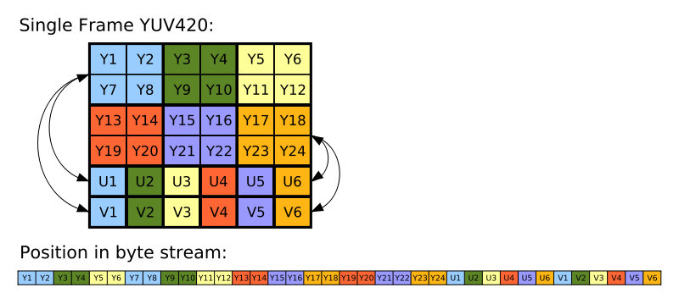

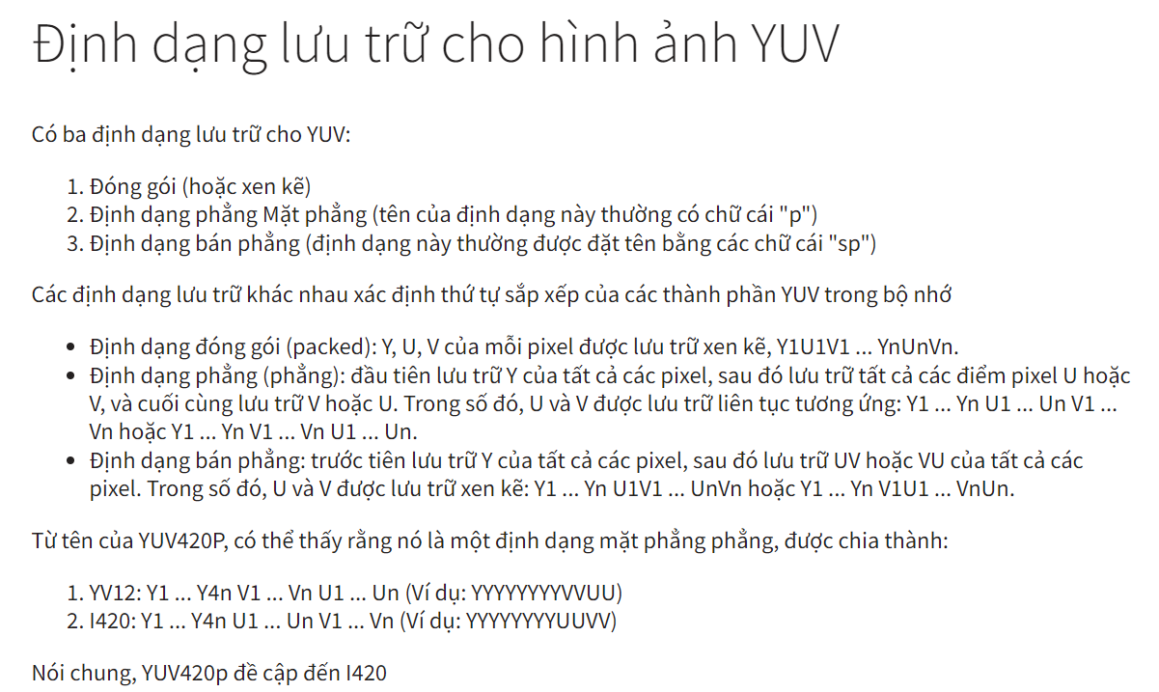

Sampling
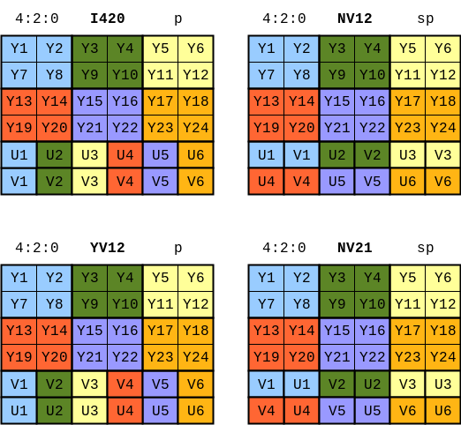

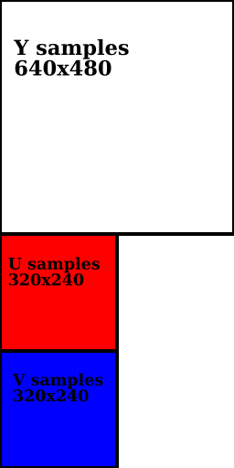

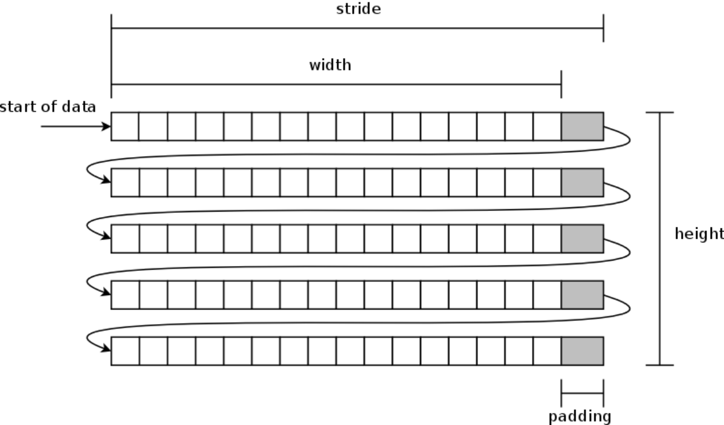
void RGB32_To_YV12(
BYTE* pDest,
LONG lDestStride,
const BYTE* pSrc,
LONG lSrcStride,
DWORD dwWidthInPixels,
DWORD dwHeightInPixels
)
{
assert(dwWidthInPixels % 2 == 0);
assert(dwHeightInPixels % 2 == 0);

const BYTE *pSrcRow = pSrc;

BYTE *pDestY = pDest;

// Calculate the offsets for the V and U planes.
// In YV12, each chroma plane has half the stride and half the height
// as the Y plane.
BYTE *pDestV = pDest + (lDestStride * dwHeightInPixels);
BYTE *pDestU = pDest + (lDestStride * dwHeightInPixels) + ((lDestStride * dwHeightInPixels) / 4);

// Convert the Y plane.
for (DWORD y = 0; y < dwHeightInPixels; y++)
{
RGBQUAD *pSrcPixel = (RGBQUAD*)pSrcRow;

for (DWORD x = 0; x < dwWidthInPixels; x++)
{
pDestY[x] = RGBtoY(pSrcPixel[x]); // Y0
}
pDestY += lDestStride;
pSrcRow += lSrcStride;
}

// Convert the V and U planes.
// YV12 is a 4:2:0 format, so each chroma sample is derived from four
// RGB pixels.
pSrcRow = pSrc;
for (DWORD y = 0; y < dwHeightInPixels; y += 2)
{
RGBQUAD *pSrcPixel = (RGBQUAD*)pSrcRow;
RGBQUAD *pNextSrcRow = (RGBQUAD*)(pSrcRow + lSrcStride);

BYTE *pbV = pDestV;
BYTE *pbU = pDestU;
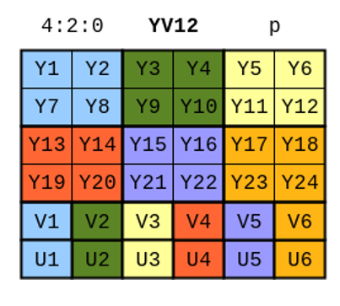
for (DWORD x = 0; x < dwWidthInPixels; x += 2)
{
// Use a simple average to downsample the chroma.

*pbV++ = ( RGBtoV(pSrcPixel[x]) +
RGBtoV(pSrcPixel[x + 1]) +
RGBtoV(pNextSrcRow[x]) +
RGBtoV(pNextSrcRow[x + 1]) ) / 4;

*pbU++ = ( RGBtoU(pSrcPixel[x]) +
RGBtoU(pSrcPixel[x + 1]) +
RGBtoU(pNextSrcRow[x]) +
RGBtoU(pNextSrcRow[x + 1]) ) / 4;
}
pDestV += lDestStride / 2;
pDestU += lDestStride / 2;

// Skip two lines on the source image.
pSrcRow += (lSrcStride * 2);
}
}

