MediaCodec
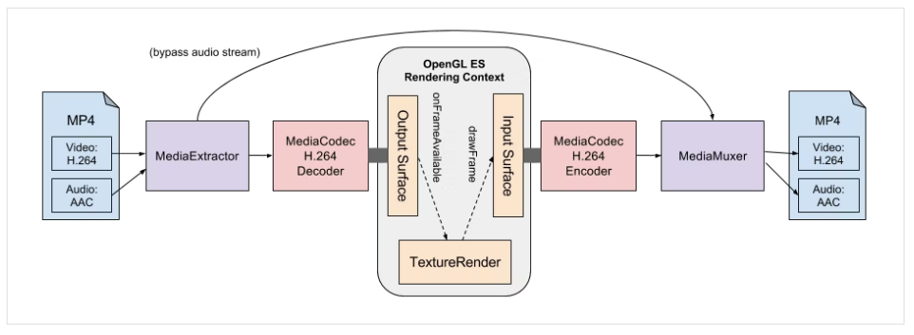
https://qiita.com/yuya_presto/items/d48e29c89109b746d000

Surface
Ex1

Camera
・capture from camera
MediaRecorder
file.mp4

Ex2

Main display
MediaProjection
- capture from main display and render to surface of MediaRecorder
MediaRecorder
Surface
file.mp4

MediaCodec - Encoder
Surface
MediaMuxer
file.mp4

 |  | https://www.youtube.com/watch?v=O7ZmPpo2CH8&list=PL_y9E6-8-1UnkLgunn5cjpHYBwS7vo01m&index=1

Ex3

ImageWriter
- write to surface of MediaRecorder
MediaProjection
- capture from main display and render to surface of ImageReader
ImageReader
Surface
MediaRecorder
Surface
file.mp4
Image

ImageReader
 | https://www.programcreek.com/java-api-examples/?class=android.media.ImageReader&method=setOnImageAvailableListener | ⇒ save bitmap
 | https://www.programcreek.com/java-api-examples/?api=android.media.ImageReader

ImageWriter
 | https://programtalk.com/java-more-examples/android.media.ImageWriter.dequeueInputImage()/

MediaProjection
 | Run in forgeground service with android 30 and later
 | https://blog.csdn.net/w690333243/article/details/120476935
 | https://stackoverflow.com/questions/62004735/media-projections-require-a-foreground-service-of-type-serviceinfo-foreground-se

MediaRecorder
 | Audio recorder
 | https://www.javatpoint.com/android-mediarecorder-example
 | https://www.geeksforgeeks.org/audio-recorder-in-android-with-example/

Encoder-Stream
現在：

ImageReader
- Loop acquire image
YUV converter
MediaCodec
-Encoder
(YUV420pplanar)
非同期
onOutputBufferAvailable
RTPPacketizer
VirtualDisplay

Surface
getSurface

案１： | Ko duoc, boi vi output cua MdiaCodec la bit stream cua H264, chu ko phai buffer cua mot frame

VirtualDisplay
MediaCodec
-Encoder
(FrameSurface)
同期 scheduler 30FPS
dequeueOutputBuffer
RTPPacketizer

Surface
createInputSurface

案２：
ImageReader
- Loop acquire image
ImageWriter
MediaCodec
-Encoder
(FrameSurface)
VirtualDisplay

Surface
getSurface
Surface
createInputSurface

H264
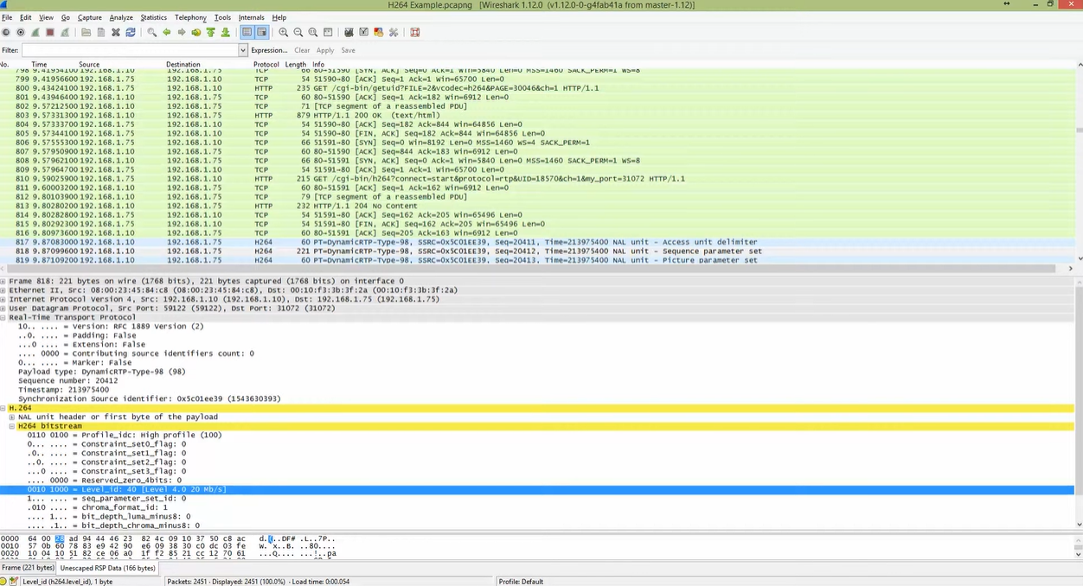
What are H264 and NAL unit

https://www.slideshare.net/DSPIP/h-264-nal
https://vocal.com/video-codecs/itu-h-264/what-are-h-264-nal-units/

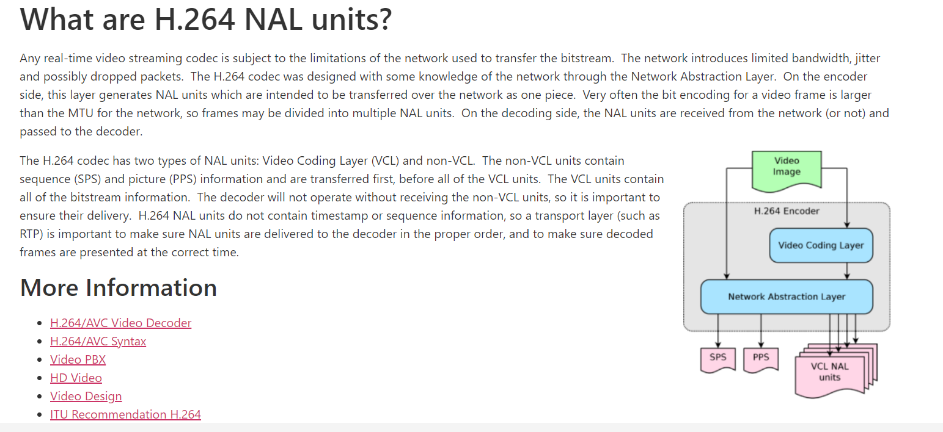

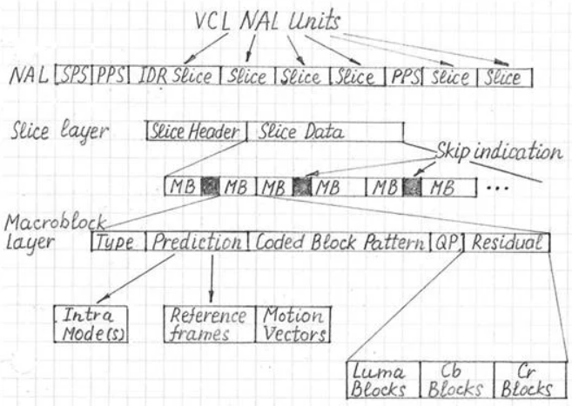

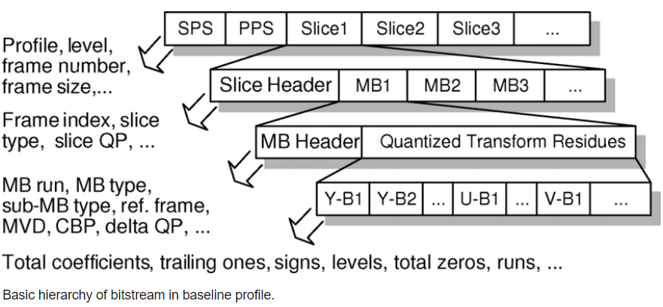

H264-From-NAL-to-RTP
https://xjsxjtu.github.io/2017-06-08/H264-From-NAL-to-RTP/

How to find the AVC Level ID of an H.264 stream in Wireshark
https://www.youtube.com/watch?v=zyt5d9GfaUo

