Feuil1
year | study | id | t | r | n | Harmful | Outcome: pharmacological interventions for the prevention of relapse in people with bipolar disorder - all relapses
2000 | Calabrese, 2000 | 1 | 3 | 45 | 90
 | Calabrese, 2000 | 1 | 1 | 49 | 87 |  | Treatments | 1 | placebo
2003 | Calabrese, 2003 | 2 | 3 | 134 | 165 |  |  | 2 | lithium
 | Calabrese, 2003 | 2 | 2 | 99 | 120 |  |  | 3 | Lamotrigine
 | Calabrese, 2003 | 2 | 1 | 107 | 119 |  |  | 4 | carbamazepine
1992 | Coxhead, 1992 | 3 | 2 | 8 | 16 |  |  | 5 | Olanzapine
 | Coxhead, 1992 | 3 | 4 | 6 | 15 |  |  | 6 | lithium + imipramine
2000 | Kleindienst, 2000 | 4 | 2 | 24 | 58 |  |  | 7 | valproate
 | Kleindienst, 2000 | 4 | 4 | 28 | 56 |  |  | 8 | Imipramine
1974 | Prien, 1974 | 5 | 2 | 47 | 101
 | Prien, 1974 | 5 | 1 | 90 | 104
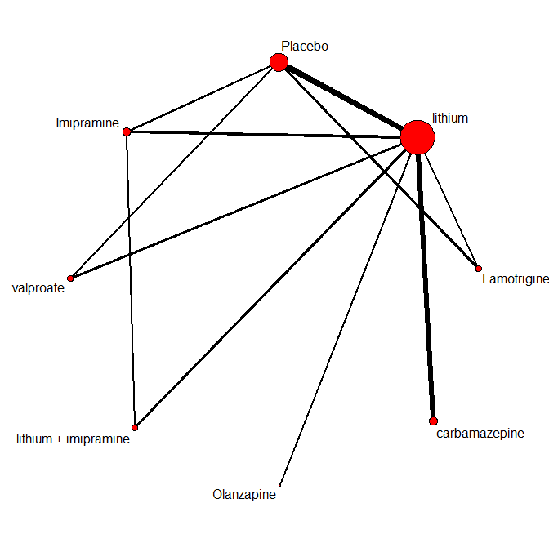
1993 | Simhandl, 1993 | 6 | 4 | 5 | 14
 | Simhandl, 1993 | 6 | 2 | 3 | 21
1973 | Prien, 1973 | 7 | 2 | 9 | 18
 | Prien, 1973 | 7 | 1 | 12 | 13
 | Prien, 1973 | 7 | 8 | 11 | 13
2003 | Bowden, 2003 | 8 | 2 | 28 | 91
 | Bowden, 2003 | 8 | 1 | 36 | 94
2000 | Bowden, 2000 | 9 | 2 | 28 | 91
 | Bowden, 2000 | 9 | 7 | 45 | 187
 | Bowden, 2000 | 9 | 1 | 36 | 94
2005 | Calabrese, 2005 | 10 | 2 | 18 | 32
 | Calabrese, 2005 | 10 | 7 | 14 | 28
2003 | Hartong, 2003 | 11 | 2 | 3 | 22
 | Hartong, 2003 | 11 | 4 | 14 | 30
2005 | Tohen, 2005 | 12 | 2 | 69 | 193
 | Tohen, 2005 | 12 | 5 | 53 | 202
1984 | Prien, 1984 | 13 | 2 | 23 | 42
 | Prien, 1984 | 13 | 8 | 29 | 36
 | Prien, 1984 | 13 | 6 | 18 | 36
1981 | Kane, 1981 | 14 | 2 | 8 | 38
 | Kane, 1981 | 14 | 6 | 12 | 37

