Feuil1
year | study | id | t | r | n |  | Harmful | Outcome: effectiveness for the prevention of NSAID induced GI toxicity - serious GI complications
1993 | Levine 1993 | 1 | 2 | 0 | 248 |  |  | Treatments | 1 | Placebo
 | Levine 1993 | 1 | 1 | 1 | 248 |  |  |  | 2 | H2RA
1998 | Bianchi Porro 1998 | 2 | 3 | 0 | 50 |  |  |  | 3 | PPI
 | Bianchi Porro 1998 | 2 | 1 | 1 | 53 |  |  |  | 4 | Misoprostol
2002 | Graham 2002 | 3 | 3 | 1 | 268 |  |  |  | 5 | Cox-2 preferentials
 | Graham 2002 | 3 | 1 | 0 | 133 |  |  |  | 6 | Cox-2 coxibs
1998 | Hawkey 1998b | 4 | 3 | 0 | 274
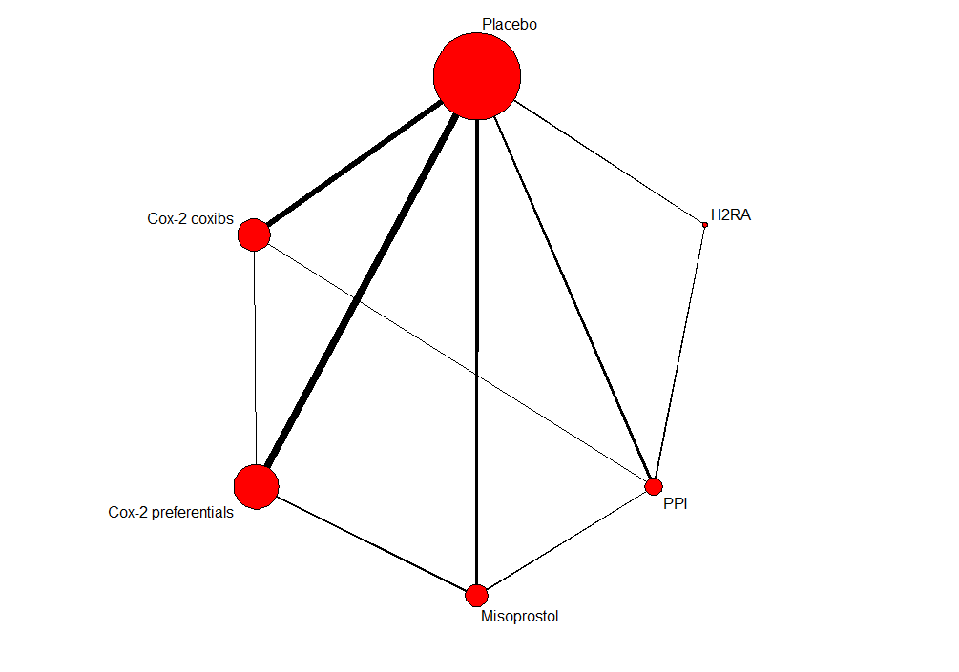
 | Hawkey 1998b | 4 | 1 | 1 | 155
 | Hawkey 1998b | 4 | 4 | 0 | 297
1989 | Bolten 1989 | 5 | 4 | 0 | 31
 | Bolten 1989 | 5 | 1 | 1 | 36
1993 | Melo Gomes 1993 | 6 | 4 | 0 | 216
 | Melo Gomes 1993 | 6 | 1 | 5 | 427
1998 | Graham 1998 | 7 | 4 | 1 | 283
 | Graham 1998 | 7 | 1 | 0 | 138
1995 | Silverstein 1995 | 8 | 4 | 25 | 4404
 | Silverstein 1995 | 8 | 1 | 42 | 4439
1998 | Yeomans 1998 | 9 | 2 | 0 | 215
 | Yeomans 1998 | 9 | 3 | 1 | 210
1995 | Valentini 1995 | 10 | 3 | 1 | 268
 | Valentini 1995 | 10 | 4 | 0 | 134
2002 | Chan 2002 | 11 | 3 | 14 | 143
 | Chan 2002 | 11 | 6 | 7 | 144
1999 | Agrawal 1999 | 12 | 4 | 2 | 393
 | Agrawal 1999 | 12 | 5 | 1 | 426
2001 | Chan 2001 | 13 | 4 | 10 | 45
 | Chan 2001 | 13 | 5 | 3 | 45
2001 | Truit 2001 | 14 | 6 | 0 | 174
 | Truit 2001 | 14 | 5 | 1 | 115
 | Truit 2001 | 14 | 1 | 1 | 115
1991 | Astorga Paulsen 1991 | 15 | 5 | 1 | 112
 | Astorga Paulsen 1991 | 15 | 1 | 0 | 106
1991 | Karbowski 1991 | 16 | 5 | 0 | 31
 | Karbowski 1991 | 16 | 1 | 1 | 33
1992 | Waterworth 1992 | 17 | 5 | 0 | 28
 | Waterworth 1992 | 17 | 1 | 1 | 29
1995 | Dore 1995 | 18 | 5 | 0 | 86
 | Dore 1995 | 18 | 1 | 1 | 82
1996 | Hosie 1996 | 19 | 5 | 1 | 169
 | Hosie 1996 | 19 | 1 | 1 | 167
1996 | Linden 1996 | 20 | 5 | 1 | 128
 | Linden 1996 | 20 | 1 | 2 | 127
1997 | Hosie 1997 | 21 | 5 | 1 | 306
 | Hosie 1997 | 21 | 1 | 0 | 149
1997 | Rogind 1997 | 22 | 5 | 0 | 138
 | Rogind 1997 | 22 | 1 | 2 | 133
1998 | Dequeker 1998 | 23 | 5 | 6 | 4320
 | Dequeker 1998 | 23 | 1 | 11 | 4336
1998 | Hawkey 1998 | 24 | 5 | 3 | 4635
 | Hawkey 1998 | 24 | 1 | 5 | 4688
1999 | Dougados 1999 | 25 | 5 | 0 | 244
 | Dougados 1999 | 25 | 1 | 1 | 108
1999 | Huskison 1999 | 26 | 5 | 1 | 135
 | Huskison 1999 | 26 | 1 | 0 | 144
2000 | Yocum 2000 | 27 | 5 | 1 | 310
 | Yocum 2000 | 27 | 1 | 0 | 153
2001 | Furst 2001 | 28 | 5 | 2 | 536
 | Furst 2001 | 28 | 1 | 0 | 181
1999 | Bensen 1999 | 29 | 6 | 0 | 399
 | Bensen 1999 | 29 | 1 | 1 | 198
1999 | Emery 1999 | 30 | 6 | 0 | 326
 | Emery 1999 | 30 | 1 | 1 | 329
1999 | Laine 1999 | 31 | 6 | 1 | 381
 | Laine 1999 | 31 | 1 | 2 | 183
1999 | Simon 1999 | 32 | 6 | 0 | 693
 | Simon 1999 | 32 | 1 | 1 | 225
2000 | Bombardies 2000 | 33 | 6 | 18 | 4047
 | Bombardies 2000 | 33 | 1 | 39 | 4029
2000 | Class 2000 | 34 | 6 | 20 | 3897
 | Class 2000 | 34 | 1 | 24 | 3981
2000 | Hawkey 2000 | 35 | 6 | 0 | 369
 | Hawkey 2000 | 35 | 1 | 1 | 187
2001 | Dougados 2001 | 36 | 6 | 0 | 80
 | Dougados 2001 | 36 | 1 | 1 | 90
2001 | Goldstein 2001 | 37 | 6 | 2 | 269
 | Goldstein 2001 | 37 | 1 | 2 | 270
2001 | Kivitz 2001 | 38 | 6 | 0 | 420
 | Kivitz 2001 | 38 | 1 | 1 | 207
 |  | 39 | 5 | 0 | 147 | EXCLUDED
 | Lightfoot 1997 | 39 | 1 | 0 | 139
 | Cannon 2000 | 40 | 6 | 0 | 516
 | Cannon 2000 | 40 | 1 | 0 | 268

