Feuil1
year | study | id | t | r | n |  | Harmful | Outcome | Adverse event (treatment related) leading to drug Discontinuation, no. of patients
2003 | Ballantyne 2003 | 1 | 3 | 28 | 464 |  |  | treatments | 1 | Placebo
 | Ballantyne 2003 | 1 | 2 | 12 | 453 |  |  |  | 2 | Simvastatin 40 mg/day
2005 | Cowell 2005 | 2 | 3 | 7 | 77 |  |  |  | 3 | Atorvastatin 80 mg/day
 | Cowell 2005 | 2 | 1 | 4 | 78 |  |  |  | 4 | Simvastatin 80 mg/day
2005 | Heart Protection 2005 | 3 | 2 | 493 | 10269 |  |  |  | 5 | Rosuvastatin 40 mg/day
 | Heart Protection 2005 | 3 | 1 | 524 | 10267
1998 | Jones 1998 | 4 | 3 | 0 | 10
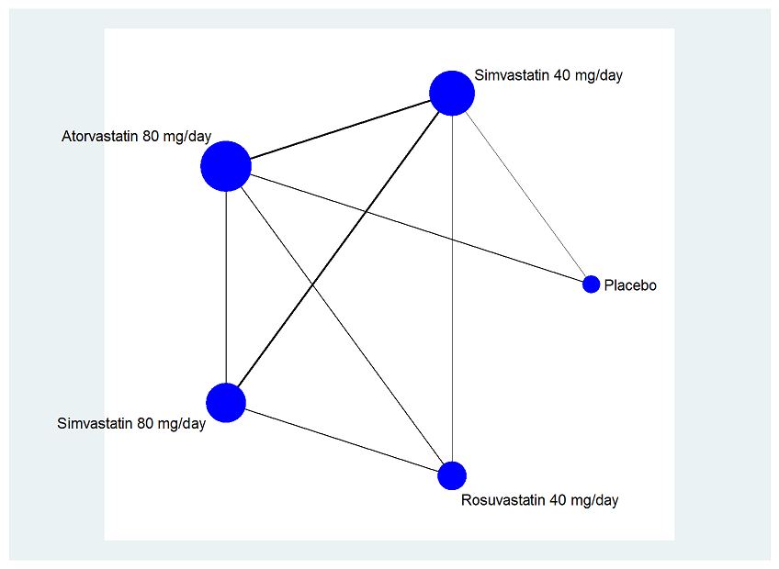
 | Jones 1998 | 4 | 2 | 1 | 61
2003 | Jones 2003 | 5 | 5 | 3 | 158
 | Jones 2003 | 5 | 3 | 6 | 167
 | Jones 2003 | 5 | 4 | 6 | 165
 | Jones 2003 | 5 | 2 | 3 | 159
2002 | Karalis 2002 | 6 | 3 | 17 | 207
 | Karalis 2002 | 6 | 4 | 10 | 207
2003 | Mohler 2003 | 7 | 3 | 3 | 120
 | Mohler 2003 | 7 | 1 | 2 | 114
1998 | Ose 1998 | 8 | 4 | 12 | 355
 | Ose 1998 | 8 | 2 | 8 | 229
2003 | Schneck 2003 | 9 | 5 | 0 | 45
 | Schneck 2003 | 9 | 3 | 1 | 41
2007 | Stein 2007 | 10 | 5 | 5 | 308
 | Stein 2007 | 10 | 4 | 5 | 318
1998 | Stein 1998 | 11 | 4 | 3 | 314
 | Stein 1998 | 11 | 2 | 2 | 207
 | Isaacsohn 2003 | 12 | 2 | 0 | 90 | EXCLUDED
 | Isaacsohn 2003 | 12 | 4 | 0 | 87
 | Isaacsohn 2003 | 12 | 3 | 0 | 93

