Feuil1
year | study | id | t | r | n | CGR ref Treat | Harmful | Outcome: | exacerbation episodes in Chronic Obstructive Pulmonary Disease (COPD>=1)
1996 | Llewellyn-Jones 1996 | 1 | 2 | 0 | 8 |  |  | Treatments: | 1 | Placebo
 | Llewellyn-Jones 1996 | 1 | 1 | 3 | 8 | 0.375 |  |  | 2 | Fluticasone
1997 | Boyd 1997 | 2 | 4 | 47 | 229 |  |  |  | 3 | Budesonide
 | Boyd 1997 | 2 | 1 | 59 | 227 | 0.25991189427 |  |  | 4 | Salmeterol
1998 | Paggiaro 1998 | 3 | 2 | 45 | 142 |  |  |  | 5 | Formoterol
 | Paggiaro 1998 | 3 | 1 | 51 | 139 | 0.36690647482 |  |  | 6 | Tiotropium
1999 | Mahler 1999 | 4 | 4 | 28 | 135 |  |  |  | 7 | Fluticasone+Salmeterol
 | Mahler 1999 | 4 | 1 | 47 | 143 | 0.32867132867 |  |  | 8 | Budesonide+Formoterol
2000 | Casaburi 2000 | 5 | 6 | 45 | 279
 | Casaburi 2000 | 5 | 1 | 41 | 191 | 0.21465968586
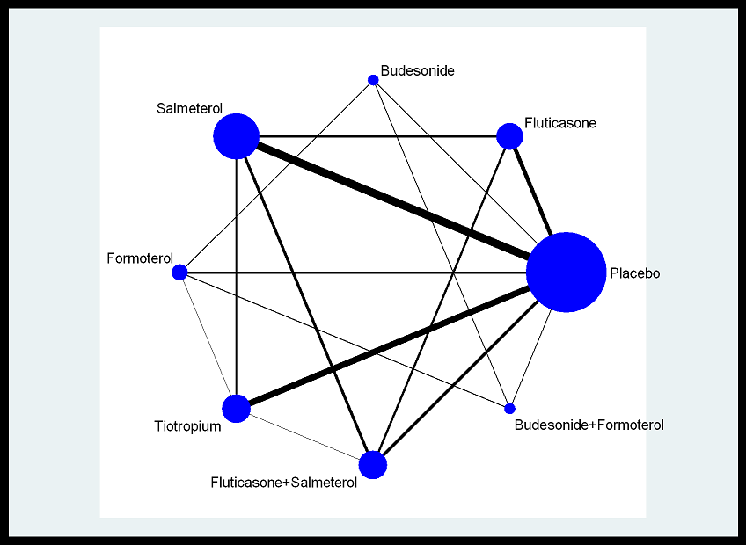
2000 | Burge 2000 | 6 | 2 | 290 | 372
 | Burge 2000 | 6 | 1 | 286 | 370 | 0.77297297297
2000 | Littner 2000 | 7 | 6 | 0 | 33
 | Littner 2000 | 7 | 1 | 1 | 35 | 0.028571428571
2000 | vanNoord 2000 | 8 | 4 | 11 | 47
 | vanNoord 2000 | 8 | 1 | 18 | 50 | 0.36
2001 | Rennard 2001 | 9 | 4 | 38 | 132
 | Rennard 2001 | 9 | 1 | 41 | 135 | 0.3037037037
2002 | Casaburi 2002 | 10 | 6 | 198 | 550
 | Casaburi 2002 | 10 | 1 | 156 | 371 | 0.4204851752
2002 | Chapman 2002 | 11 | 4 | 52 | 201
 | Chapman 2002 | 11 | 1 | 68 | 207 | 0.32850241546
2002 | Donohue 2002 | 12 | 6 | 77 | 209
 | Donohue 2002 | 12 | 4 | 82 | 213
 | Donohue 2002 | 12 | 1 | 92 | 201 | 0.45771144279
2002 | Hattotuwa 2002 | 13 | 2 | 3 | 16
 | Hattotuwa 2002 | 13 | 1 | 10 | 14 | 0.71428571429
2002 | Mahler 2002 | 14 | 2 | 77 | 168
 | Mahler 2002 | 14 | 4 | 63 | 160
 | Mahler 2002 | 14 | 7 | 68 | 165
 | Mahler 2002 | 14 | 1 | 79 | 181 | 0.4364640884
2002 | Rossi 2002 | 15 | 5 | 117 | 425
 | Rossi 2002 | 15 | 1 | 75 | 220 | 0.34090909091
2003 | Brusasco 2003 | 16 | 6 | 129 | 402
 | Brusasco 2003 | 16 | 4 | 142 | 405
 | Brusasco 2003 | 16 | 1 | 156 | 400 | 0.39
2003 | Carverley-ERJ 2003 | 17 | 3 | 167 | 257
 | Carverley-ERJ 2003 | 17 | 5 | 179 | 255
 | Carverley-ERJ 2003 | 17 | 8 | 140 | 254
 | Carverley-ERJ 2003 | 17 | 1 | 154 | 256 | 0.6015625
2003 | Carverley-L 2003 | 18 | 2 | 221 | 374
 | Carverley-L 2003 | 18 | 4 | 216 | 372
 | Carverley-L 2003 | 18 | 7 | 218 | 358
 | Carverley-L 2003 | 18 | 1 | 235 | 361 | 0.65096952909
2003 | Celli 2003 | 19 | 4 | 95 | 554
 | Celli 2003 | 19 | 1 | 59 | 270 | 0.21851851852
2003 | Hanania 2003 | 20 | 2 | 79 | 183
 | Hanania 2003 | 20 | 4 | 65 | 177
 | Hanania 2003 | 20 | 7 | 71 | 178
 | Hanania 2003 | 20 | 1 | 73 | 185 | 0.39459459459
2004 | Szafranski 2004 | 21 | 3 | 26 | 198
 | Szafranski 2004 | 21 | 5 | 38 | 201
 | Szafranski 2004 | 21 | 8 | 35 | 208
 | Szafranski 2004 | 21 | 1 | 53 | 205 | 0.25853658537
2004 | Odonnel 2004 | 22 | 6 | 7 | 96
 | Odonnel 2004 | 22 | 1 | 11 | 91 | 0.12087912088
2005 | Briggs 2005 | 23 | 6 | 30 | 328
 | Briggs 2005 | 23 | 4 | 36 | 325
2005 | Campbell 2005 | 24 | 5 | 35 | 215
 | Campbell 2005 | 24 | 1 | 34 | 217 | 0.15668202765
2005 | Niewoehner 2005 | 25 | 6 | 255 | 914
 | Niewoehner 2005 | 25 | 1 | 296 | 915 | 0.32349726776
2005 | vanNoord 2005 | 26 | 6 | 4 | 70
 | vanNoord 2005 | 26 | 5 | 14 | 69
2006 | Barnes 2006 | 27 | 7 | 11 | 67
 | Barnes 2006 | 27 | 1 | 24 | 73 | 0.32876712329
2006 | Beeh 2006 | 28 | 6 | 180 | 1236
 | Beeh 2006 | 28 | 1 | 80 | 403 | 0.19851116625
2006 | Dusser 2006 | 29 | 6 | 249 | 500
 | Dusser 2006 | 29 | 1 | 307 | 510 | 0.60196078431
2006 | Odonnel 2006 | 30 | 7 | 2 | 62
 | Odonnel 2006 | 30 | 4 | 1 | 59
 | Odonnel 2006 | 30 | 1 | 6 | 64 | 0.09375
2006 | Stokley 2006 | 31 | 4 | 146 | 316
 | Stokley 2006 | 31 | 1 | 163 | 318 | 0.51257861635
2006 | Verkindre 2006 | 32 | 6 | 0 | 43
 | Verkindre 2006 | 32 | 1 | 2 | 44 | 0.045454545455
2007 | Baumgartner 2007 | 33 | 4 | 20 | 144
 | Baumgartner 2007 | 33 | 1 | 24 | 143 | 0.16783216783
2007 | Freeman 2007 | 34 | 6 | 19 | 200
 | Freeman 2007 | 34 | 1 | 35 | 195 | 0.17948717949
2007 | Carverley 2007 | 35 | 2 | 928 | 1534
 | Carverley 2007 | 35 | 4 | 932 | 1521
 | Carverley 2007 | 35 | 7 | 879 | 1533
 | Carverley 2007 | 35 | 1 | 969 | 1524 | 0.63582677165
2007 | Kardos 2007 | 36 | 7 | 210 | 507
 | Kardos 2007 | 36 | 4 | 241 | 487
2007 | Powrie 2007 | 37 | 6 | 30 | 69
 | Powrie 2007 | 37 | 1 | 47 | 73 | 0.64383561644
2008 | Wedzicha 2008 | 38 | 7 | 408 | 658
 | Wedzicha 2008 | 38 | 6 | 392 | 665
 | DalNegro 2003 | 39 | 7 | 6 | 6 | EXCLUDED
 | DalNegro 2003 | 39 | 4 | 6 | 6
 | DalNegro 2003 | 39 | 1 | 6 | 6

