Feuil1
year | study | id | t | r | n | CGR treat ref | Harmful | Outcome: association between antihypertensive drugs and cancer risk - cancer risk
2008 | Ontarget | 1 | 8 | 762 | 8542 |  |  | Treatments | 1 | Placebo
 | Ontarget | 1 | 7 | 735 | 8576 |  |  |  | 2 | ACEi+ARBs
 | Ontarget | 1 | 2 | 824 | 8502 |  |  |  | 3 | Controls
2008 | Profess | 2 | 8 | 326 | 10146 |  |  |  | 4 | Diuretics
 | Profess | 2 | 1 | 340 | 10186 | 0.03337914785 |  |  | 5 | CCBs
2008 | Transcend | 3 | 8 | 236 | 2954 |  |  |  | 6 | ? blockers
 | Transcend | 3 | 1 | 204 | 2972 | 0.06864064603 |  |  | 7 | ACEi
2003 | Alpine | 4 | 8 | 1 | 197 |  |  |  | 8 | ARBs
 | Alpine | 4 | 4 | 1 | 196
2003 | Charm Alternative | 5 | 8 | 59 | 1013
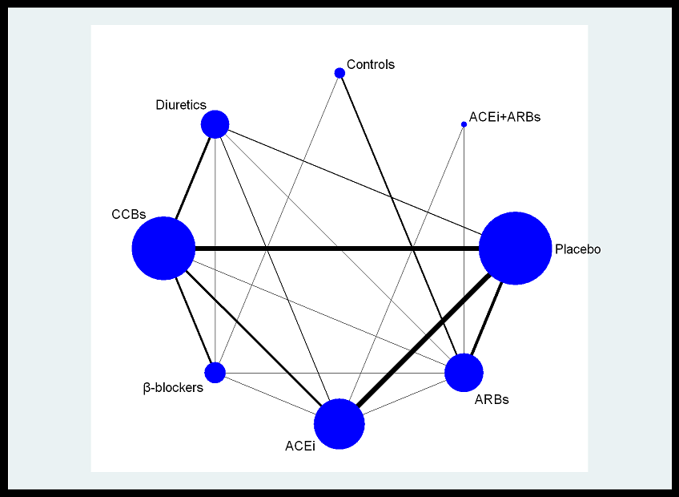
 | Charm Alternative | 5 | 1 | 59 | 1015 | 0.058128078818
2009 | Gissi-AF | 6 | 8 | 7 | 722
 | Gissi-AF | 6 | 1 | 7 | 720 | 0.0097222222222
2009 | Hij-Create | 7 | 8 | 55 | 1024
 | Hij-Create | 7 | 3 | 58 | 1025
2001 | Irma 2 | 8 | 8 | 5 | 402
 | Irma 2 | 8 | 1 | 2 | 206 | 0.0097087378641
2007 | Jikea | 9 | 8 | 7 | 1541
 | Jikea | 9 | 3 | 7 | 1540
2009 | Kyoto | 10 | 8 | 12 | 1517
 | Kyoto | 10 | 3 | 13 | 1514
2002 | Life | 11 | 8 | 358 | 4605
 | Life | 11 | 6 | 320 | 4588
2001 | Renaal | 12 | 8 | 4 | 751
 | Renaal | 12 | 1 | 3 | 762 | 0.003937007874
2006 | Trophy | 13 | 8 | 4 | 391
 | Trophy | 13 | 1 | 3 | 381 | 0.007874015748
2004 | Value | 14 | 8 | 510 | 7649
 | Value | 14 | 5 | 591 | 7596
1998 | Abcd | 15 | 7 | 0 | 235
 | Abcd | 15 | 5 | 2 | 235
2002 | Allhat | 16 | 7 | 703 | 9054
 | Allhat | 16 | 5 | 707 | 9048
 | Allhat | 16 | 4 | 1170 | 15255
2004 | Camellot | 17 | 7 | 18 | 673
 | Camellot | 17 | 5 | 18 | 663
 | Camellot | 17 | 1 | 20 | 655 | 0.030534351145
2003 | Charm Added | 18 | 7 | 68 | 1272
 | Charm Added | 18 | 1 | 90 | 1276 | 0.070532915361
1998 | Facet | 19 | 7 | 8 | 189
 | Facet | 19 | 5 | 11 | 191
2004 | Phyllis | 20 | 7 | 1 | 127
 | Phyllis | 20 | 4 | 0 | 127
1996 | Progressive RIG | 21 | 7 | 8 | 300
 | Progressive RIG | 21 | 1 | 5 | 283 | 0.017667844523
2000 | Scat | 22 | 7 | 19 | 229
 | Scat | 22 | 1 | 17 | 231 | 0.073593073593
1992 | Solvd-P | 23 | 7 | 43 | 2111
 | Solvd-P | 23 | 1 | 41 | 2117 | 0.019367028814
1991 | Solvd-T | 24 | 7 | 34 | 1285
 | Solvd-T | 24 | 1 | 22 | 1284 | 0.017133956386
1999 | Stop 2 | 25 | 7 | 216 | 2205
 | Stop 2 | 25 | 6 | 200 | 2213
 | Stop 2 | 25 | 5 | 209 | 2196
2000 | Apres | 26 | 7 | 1 | 80
 | Apres | 26 | 1 | 1 | 79 | 0.012658227848
1997 | Gisen | 27 | 7 | 0 | 78
 | Gisen | 27 | 1 | 1 | 88 | 0.011363636364
2000 | Hope | 28 | 7 | 383 | 4645
 | Hope | 28 | 1 | 401 | 4652 | 0.086199484093
2008 | Pharao | 29 | 7 | 11 | 505
 | Pharao | 29 | 1 | 13 | 503 | 0.025844930417
1998 | Va Coop II | 30 | 6 | 0 | 182
 | Va Coop II | 30 | 4 | 3 | 212
2005 | Ascot-Bpla | 31 | 6 | 914 | 9618
 | Ascot-Bpla | 31 | 5 | 966 | 9639
2003 | Convince | 32 | 6 | 299 | 8297
 | Convince | 32 | 5 | 310 | 8179
1986 | Coope+Warrender | 33 | 6 | 29 | 419
 | Coope+Warrender | 33 | 3 | 23 | 465
2003 | Invest | 34 | 6 | 186 | 11309
 | Invest | 34 | 5 | 192 | 11267
2004 | Action | 35 | 5 | 311 | 3825
 | Action | 35 | 1 | 262 | 3840 | 0.068229166667
2005 | Fever | 36 | 5 | 42 | 4841
 | Fever | 36 | 1 | 62 | 4870 | 0.01273100616
2000 | Insight | 37 | 5 | 145 | 3157
 | Insight | 37 | 4 | 123 | 3164
1991 | Kanamasa | 38 | 5 | 18 | 566
 | Kanamasa | 38 | 1 | 13 | 488 | 0.026639344262
1996 | Midas | 39 | 5 | 13 | 442
 | Midas | 39 | 4 | 20 | 441
2003 | Nicole | 40 | 5 | 10 | 408
 | Nicole | 40 | 1 | 11 | 411 | 0.026763990268
1999 | Nics Eh | 41 | 5 | 5 | 215
 | Nics Eh | 41 | 4 | 5 | 214
1996 | Praise | 42 | 5 | 9 | 571
 | Praise | 42 | 1 | 10 | 582 | 0.017182130584
2000 | Prevent | 43 | 5 | 22 | 417
 | Prevent | 43 | 1 | 12 | 408 | 0.029411764706
1996 | Stone | 44 | 5 | 2 | 817
 | Stone | 44 | 1 | 8 | 815 | 0.0098159509202
1997 | Syst-Eur | 45 | 5 | 73 | 2398
 | Syst-Eur | 45 | 1 | 82 | 2297 | 0.035698737484
1999 | Davit II | 46 | 5 | 57 | 878
 | Davit II | 46 | 1 | 73 | 897 | 0.08138238573
1989 | Verdi | 47 | 5 | 2 | 100
 | Verdi | 47 | 4 | 0 | 67
1991 | Ewphe | 48 | 4 | 20 | 416
 | Ewphe | 48 | 1 | 22 | 424 | 0.051886792453
2000 | LaCroix | 49 | 4 | 1 | 215
 | LaCroix | 49 | 1 | 0 | 105 | 0

