Feuil1
study | id | t | r | n | CGR ref treatm | Beneficial | Outcome: efficacy - PASI 75 response score for the treatment of psoriasis
Papp 2005 | 1 | 1 | 6 | 193 | 0.031088082902 |  | Treatments | 1 | Placebo
Papp 2005 | 1 | 2 | 162 | 390 |  |  |  | 2 | Etanercept
Gottlieb 2003 | 2 | 1 | 1 | 55 | 0.018181818182 |  |  | 3 | Infliximab
Gottlieb 2003 | 2 | 2 | 17 | 57 |  |  |  | 4 | Adalimumab
Leonardi 2003 | 3 | 1 | 7 | 166 | 0.042168674699 |  |  | 5 | Efalizumab
Leonardi 2003 | 3 | 2 | 157 | 486 |  |  |  | 6 | Alefacept
Tyring 2006 | 4 | 1 | 15 | 307 | 0.048859934853 |  |  | 7 | Cyclosporine
Tyring 2006 | 4 | 2 | 146 | 311 |  |  |  | 8 | Methotrexate
Gottlieb 2004 | 5 | 1 | 3 | 51 | 0.058823529412
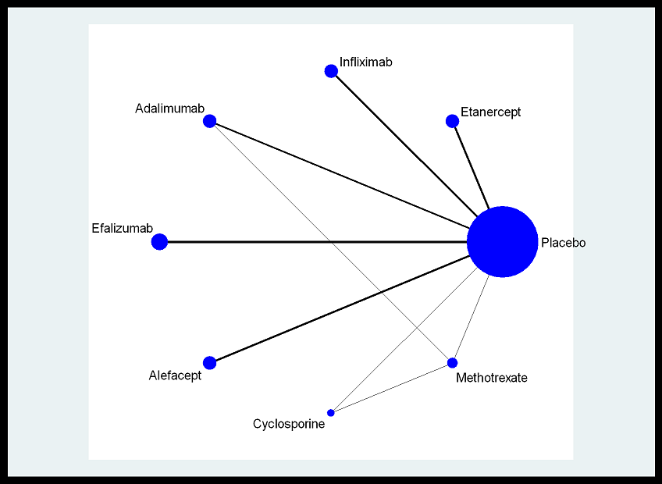
Gottlieb 2004 | 5 | 3 | 158 | 198
Reich 2005 | 6 | 1 | 2 | 77 | 0.025974025974
Reich 2005 | 6 | 3 | 241 | 301
Chaudhari 2001 | 7 | 1 | 2 | 11 | 0.18181818182
Chaudhari 2001 | 7 | 3 | 17 | 22
Menter 2007 | 8 | 1 | 4 | 208 | 0.019230769231
Menter 2007 | 8 | 3 | 458 | 627
Gordon 2006 | 9 | 1 | 2 | 52 | 0.038461538462
Gordon 2006 | 9 | 4 | 64 | 95
Saurat 2008 | 10 | 1 | 10 | 53 | 0.18867924528
Saurat 2008 | 10 | 4 | 86 | 108
Saurat 2008 | 10 | 8 | 40 | 110
Menter 2008 | 11 | 1 | 28 | 398 | 0.070351758794
Menter 2008 | 11 | 4 | 578 | 814
Gordon 2003 | 12 | 1 | 7 | 187 | 0.03743315508
Gordon 2003 | 12 | 5 | 100 | 369
Dubertret 2006 | 13 | 1 | 11 | 264 | 0.041666666667
Dubertret 2006 | 13 | 5 | 164 | 529
Papp 2006 | 14 | 1 | 7 | 236 | 0.029661016949
Papp 2006 | 14 | 5 | 117 | 450
Leonardi 2005 | 15 | 1 | 3 | 170 | 0.017647058824
Leonardi 2005 | 15 | 5 | 108 | 328
Lebwohl 2003 | 16 | 1 | 6 | 122 | 0.049180327869
Lebwohl 2003 | 16 | 5 | 119 | 475
Ortonne 2003 | 17 | 1 | 8 | 168 | 0.047619047619
Ortonne 2003 | 17 | 6 | 56 | 458
Krueger 2003 | 18 | 1 | 7 | 186 | 0.037634408602
Krueger 2003 | 18 | 6 | 51 | 367
Ellis 2001 | 19 | 1 | 6 | 59 | 0.10169491525
Ellis 2001 | 19 | 6 | 48 | 229
Schlessinger 2007 | 20 | 1 | 3 | 65 | 0.046153846154
Schlessinger 2007 | 20 | 6 | 12 | 130
Meffert 1997 | 21 | 1 | 2 | 43 | 0.046511627907
Meffert 1997 | 21 | 7 | 17 | 85
Heydendael 2003 | 22 | 8 | 26 | 43
Heydendael 2003 | 22 | 7 | 30 | 42

