Feuil1
year | study | id | t | r | n | CGR ref treatm | Beneficial | Outcome: efficacy of topical therapies for scalp psoriasis in adults - IGA response after 4 weeks
2008 | Buckley 2008 | 1 | 5 | 79 | 108 |  |  | Treatments | 1 | Placebo
 | Buckley 2008 | 1 | 4 | 67 | 110 |  |  |  | 2 | Capasal
2008 | Jemec 2008 | 2 | 5 | 362 | 541 |  |  |  | 3 | Calcipotriol
 | Jemec 2008 | 2 | 4 | 304 | 556 |  |  |  | 4 | BDP
 | Jemec 2008 | 2 | 3 | 64 | 272 |  |  |  | 5 | TCF
 | Jemec 2008 | 2 | 1 | 20 | 136 | 0.14705882353 |  |  | 6 | Calcipotriol + Polytar
2009 | Van de Kerkhof 2009 | 3 | 5 | 311 | 567 |  |  |  | 7 | BMV
 | Van de Kerkhof 2009 | 3 | 4 | 287 | 562
 | Van de Kerkhof 2009 | 3 | 3 | 74 | 286
2008 | Tyring 2008 | 4 | 5 | 74 | 135
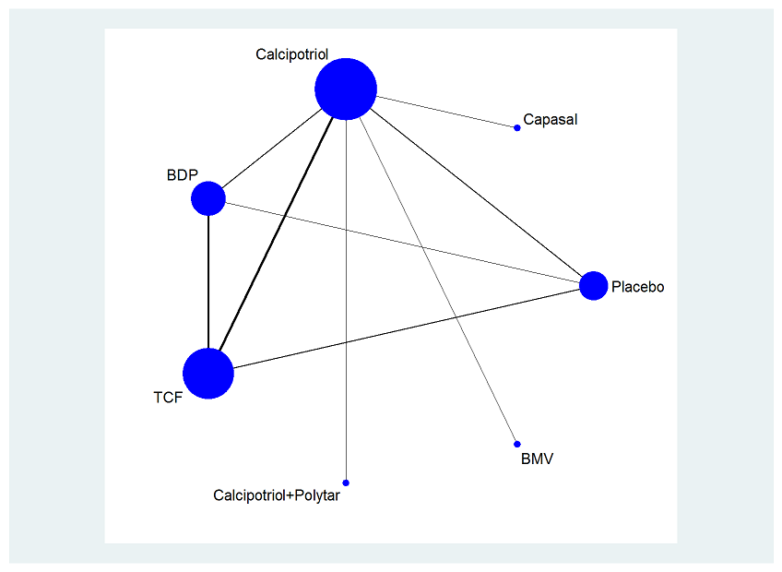
 | Tyring 2008 | 4 | 1 | 12 | 37 | 0.32432432432
2009 | Kragballe 2009 | 5 | 5 | 114 | 207
 | Kragballe 2009 | 5 | 3 | 19 | 105
2008 | Luger 2008 | 6 | 5 | 196 | 417
 | Luger 2008 | 6 | 3 | 101 | 427
1994 | Klaber 1994 | 7 | 3 | 138 | 240
 | Klaber 1994 | 7 | 7 | 175 | 234
2000 | CSR 2000 | 8 | 3 | 42 | 179
 | CSR 2000 | 8 | 1 | 11 | 90 | 0.12222222222
2005 | Barrett 2005 | 9 | 3 | 79 | 225
 | Barrett 2005 | 9 | 6 | 79 | 236
2000 | Klaber & McKinnon 2000 | 10 | 3 | 55 | 226
 | Klaber & McKinnon 2000 | 10 | 2 | 31 | 217

