Feuil1
study | id | t | r | n
Annseaau1993 | 1 | 6 | 24 | 64 | 1 | fluoxetine
Annseaau1993 | 1 | 5 | 24 | 56 | 2 | sertraline
Clerc2001 | 2 | 6 | 32 | 56 | 3 | citalopram
Clerc2001 | 2 | 7 | 40 | 57 | 4 | escitalopram
Dalery1998 | 3 | 6 | 53 | 90 | 5 | paroxetine
Dalery1998 | 3 | 1 | 54 | 94 | 6 | fluvoxamine
Hackett1998 | 4 | 6 | 14 | 34 | 7 | milnacipran
Hackett1998 | 4 | 8 | 48 | 77 | 8 | venlafaxine
Kato2006 | 5 | 6 | 31 | 49 | 9 | reboxetine
Kato2006 | 5 | 5 | 37 | 52 | 10 | bupropion
Kiev1997 | 6 | 6 | 17 | 30 | 11 | mirtazapine
Kiev1997 | 6 | 5 | 16 | 30 | 12 | duloxetine
Nemeroff1995 | 7 | 6 | 19 | 49
Nemeroff1995 | 7 | 2 | 21 | 48
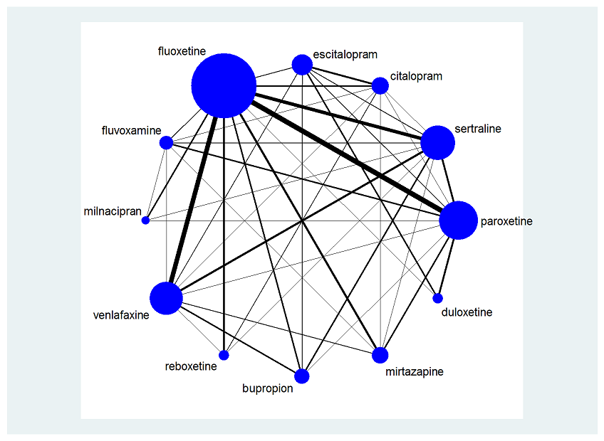
Rapaport1995 | 8 | 6 | 30 | 51
Rapaport1995 | 8 | 1 | 29 | 49
Rossini2002 | 9 | 6 | 29 | 40
Rossini2002 | 9 | 2 | 28 | 48
Schoemaker2002 | 10 | 6 | 127 | 207
Schoemaker2002 | 10 | 11 | 132 | 205
Timmerman1993 | 11 | 6 | 31 | 109
Timmerman1993 | 11 | 3 | 33 | 108
Annseau1994 | 12 | 7 | 32 | 97
Annseau1994 | 12 | 1 | 43 | 93
Guelfi1998 | 13 | 7 | 109 | 200
Guelfi1998 | 13 | 1 | 51 | 100
Lee2002 | 14 | 7 | 15 | 39
Lee2002 | 14 | 1 | 12 | 31
Sechter2000 | 15 | 7 | 74 | 149
Sechter2000 | 15 | 5 | 78 | 153
Yang2003 | 16 | 7 | 4 | 27
Yang2003 | 16 | 2 | 2 | 26
Agren1999 | 17 | 11 | 116 | 137
Agren1999 | 17 | 3 | 117 | 133
Amini2005 | 18 | 11 | 12 | 18
Amini2005 | 18 | 1 | 8 | 18
Benkert1999 | 19 | 11 | 74 | 139
Benkert1999 | 19 | 5 | 66 | 136
Guelfi2000 | 20 | 11 | 48 | 78
Guelfi2000 | 20 | 8 | 39 | 79
Hong2003 | 21 | 11 | 35 | 66
Hong2003 | 21 | 1 | 30 | 66
Kjernisted2002 | 22 | 11 | 117 | 176
Kjernisted2002 | 22 | 2 | 114 | 170
Schazberg2000 | 23 | 11 | 72 | 128
Schazberg2000 | 23 | 5 | 60 | 126
Szegedi2005 | 24 | 11 | 65 | 130
Szegedi2005 | 24 | 8 | 52 | 128
Versiani2005 | 25 | 11 | 106 | 147
Versiani2005 | 25 | 1 | 104 | 152
Wade2003 | 26 | 11 | 38 | 99
Wade2003 | 26 | 5 | 34 | 98
Wheatley1997 | 27 | 11 | 39 | 66
Wheatley1997 | 27 | 1 | 28 | 67
Winokur2000 | 28 | 11 | 8 | 9
Winokur2000 | 28 | 1 | 6 | 13
Akkaya2003 | 29 | 9 | 32 | 57
Akkaya2003 | 29 | 8 | 37 | 50
Bosc1997a | 30 | 9 | 49 | 126
Bosc1997a | 30 | 1 | 55 | 127
Bosc1997b | 31 | 9 | 46 | 79
Bosc1997b | 31 | 1 | 51 | 89
Berlanga2004 | 32 | 9 | 27 | 47
Berlanga2004 | 32 | 3 | 33 | 54
Clayton2002 | 33 | 9 | 59 | 150
Clayton2002 | 33 | 1 | 79 | 150
Eker2005 | 34 | 9 | 16 | 25
Eker2005 | 34 | 2 | 17 | 24
Langworth2006 | 35 | 9 | 83 | 177
Langworth2006 | 35 | 3 | 112 | 173
Taner2006 | 36 | 9 | 14 | 22
Taner2006 | 36 | 1 | 19 | 21
Coleman1999 | 37 | 2 | 67 | 118
Coleman1999 | 37 | 10 | 78 | 122
Chen2001 | 38 | 2 | 26 | 45
Chen2001 | 38 | 8 | 31 | 44
Bennie1995 | 39 | 2 | 73 | 142
Bennie1995 | 39 | 1 | 63 | 144
Fava2000 | 40 | 2 | 37 | 43
Fava2000 | 40 | 1 | 26 | 35
Fava2000 | 40 | 5 | 23 | 30
Fava2002 | 41 | 2 | 70 | 96
Fava2002 | 41 | 1 | 57 | 92
Fava2002 | 41 | 5 | 64 | 96
Newhouse2000 | 42 | 2 | 85 | 117
Newhouse2000 | 42 | 1 | 84 | 119
Van Moffaert1995 | 43 | 2 | 49 | 83
Van Moffaert1995 | 43 | 1 | 48 | 82
Oslin2003 | 44 | 2 | 9 | 25
Oslin2003 | 44 | 8 | 5 | 27
Mehtonen2000 | 45 | 2 | 41 | 72
Mehtonen2000 | 45 | 8 | 49 | 75
Kavoussi1997 | 46 | 2 | 85 | 126
Kavoussi1997 | 46 | 10 | 82 | 122
Croft1999 | 47 | 2 | 79 | 119
Croft1999 | 47 | 10 | 77 | 120
Zanardi1996 | 48 | 2 | 18 | 24
Zanardi1996 | 48 | 5 | 6 | 22
Aguglia1993 | 49 | 2 | 35 | 52
Aguglia1993 | 49 | 1 | 26 | 56
Suri2000 | 50 | 2 | 9 | 35
Suri2000 | 50 | 1 | 5 | 18
Sir2005 | 51 | 2 | 56 | 79
Sir2005 | 51 | 8 | 56 | 84
Shelton2006 | 52 | 2 | 45 | 82
Shelton2006 | 52 | 8 | 49 | 78
De Wilde1993 | 53 | 5 | 25 | 37
De Wilde1993 | 53 | 1 | 26 | 41
MY-1045/BRL-029060/1 | 54 | 5 | 217 | 357
MY-1045/BRL-029060/1 | 54 | 1 | 244 | 351
MY-1043/BRL-029060/115 | 55 | 5 | 152 | 284
MY-1043/BRL-029060/115 | 55 | 1 | 167 | 289
Tignol1993 | 56 | 5 | 53 | 89
Tignol1993 | 56 | 1 | 54 | 87
Gagiano1993 | 57 | 5 | 30 | 45
Gagiano1993 | 57 | 1 | 27 | 45
Wehis2000 | 58 | 5 | 40 | 52
Wehis2000 | 58 | 10 | 34 | 48
Aberg-Wisted2000 | 59 | 5 | 111 | 177
Aberg-Wisted2000 | 59 | 2 | 116 | 176
Goldstein2004 | 60 | 5 | 34 | 87
Goldstein2004 | 60 | 12 | 81 | 177
Detke2004 | 61 | 5 | 63 | 86
Detke2004 | 61 | 12 | 126 | 188
29060/785 | 62 | 5 | 77 | 199
29060/785 | 62 | 3 | 102 | 207
ID#4091 | 63 | 5 | 38 | 89
ID#4091 | 63 | 12 | 52 | 175
Chouinard1999 | 64 | 5 | 51 | 102
Chouinard1999 | 64 | 1 | 53 | 101
Fava1998 | 65 | 5 | 32 | 55
Fava1998 | 65 | 1 | 31 | 54
Ontiveros1994 | 66 | 5 | 41 | 60
Ontiveros1994 | 66 | 1 | 35 | 62
29060/365 | 67 | 5 | 33 | 68
29060/365 | 67 | 1 | 32 | 70
Baldwin2005 | 68 | 5 | 111 | 159
Baldwin2005 | 68 | 4 | 112 | 166
Geretsegger MY1021/BRC | 69 | 5 | 19 | 54
Geretsegger MY1021/BRC | 69 | 1 | 8 | 52
Perahia2006 | 70 | 5 | 65 | 97
Perahia2006 | 70 | 12 | 139 | 196
Goldstein2002 | 71 | 12 | 32 | 70
Goldstein2002 | 71 | 1 | 15 | 33
Allard2004 | 72 | 3 | 50 | 75
Allard2004 | 72 | 8 | 49 | 76
Ekselius1997 | 73 | 3 | 136 | 200
Ekselius1997 | 73 | 2 | 139 | 200
Khanzode2003 | 74 | 3 | 3 | 33
Khanzode2003 | 74 | 1 | 4 | 34
Bielski2004 | 75 | 4 | 59 | 101
Bielski2004 | 75 | 8 | 47 | 101
Burke2000 | 76 | 4 | 122 | 252
Burke2000 | 76 | 3 | 57 | 127
Lepola2001 | 77 | 4 | 95 | 156
Lepola2001 | 77 | 3 | 79 | 161
Montgomery2004 | 78 | 4 | 113 | 148
Montgomery2004 | 78 | 8 | 113 | 145
Colonna2005 | 79 | 4 | 104 | 175
Colonna2005 | 79 | 3 | 96 | 182
Moore2005 | 80 | 4 | 105 | 142
Moore2005 | 80 | 3 | 87 | 152
Nieremberg2007 | 81 | 4 | 109 | 274
Nieremberg2007 | 81 | 12 | 113 | 273
Wade2007 | 82 | 4 | 94 | 144
Wade2007 | 82 | 12 | 81 | 151
Khan2007 | 83 | 4 | 83 | 140
Khan2007 | 83 | 12 | 66 | 138
SCT-MD-16 | 84 | 4 | 65 | 102
SCT-MD-16 | 84 | 1 | 65 | 103
Ventura2007 | 85 | 4 | 75 | 107
Ventura2007 | 85 | 2 | 74 | 108
SCT-MD-27 | 86 | 4 | 69 | 136
SCT-MD-27 | 86 | 2 | 78 | 138
Kasper2005 | 87 | 4 | 78 | 174
Kasper2005 | 87 | 1 | 61 | 164
Alves1999 | 88 | 1 | 35 | 47
Alves1999 | 88 | 8 | 36 | 40
Bougerol1997a | 89 | 1 | 113 | 184
Bougerol1997a | 89 | 3 | 115 | 173
Bougerol1997b | 90 | 1 | 102 | 158
Bougerol1997b | 90 | 3 | 98 | 158
Clerc1994 | 91 | 1 | 17 | 34
Clerc1994 | 91 | 8 | 24 | 34
Coleman2001 | 92 | 1 | 83 | 154
Coleman2001 | 92 | 10 | 76 | 150
Costaesilva1998 | 93 | 1 | 153 | 186
Costaesilva1998 | 93 | 8 | 170 | 196
DeNayer2002 | 94 | 1 | 29 | 73
DeNayer2002 | 94 | 8 | 37 | 73
DiazMaritinez1998 | 95 | 1 | 46 | 75
DiazMaritinez1998 | 95 | 8 | 45 | 70
Dierick1996 | 96 | 1 | 67 | 161
Dierick1996 | 96 | 8 | 80 | 153
Feighner1991 | 97 | 1 | 35 | 62
Feighner1991 | 97 | 10 | 37 | 61
Rudolph1999 | 98 | 1 | 51 | 103
Rudolph1999 | 98 | 8 | 54 | 100
Sechter1999 | 99 | 2 | 48 | 118
Sechter1999 | 99 | 1 | 35 | 120
Silverstone1999 | 100 | 1 | 75 | 119
Silverstone1999 | 100 | 8 | 79 | 122
Tylee1997 | 101 | 1 | 58 | 170
Tylee1997 | 101 | 8 | 67 | 171
Tzanakaki2000 | 102 | 1 | 31 | 54
Tzanakaki2000 | 102 | 8 | 36 | 55
Nemeroff2007 | 103 | 1 | 45 | 104
Nemeroff2007 | 103 | 8 | 51 | 102
Thase2006 | 104 | 8 | 82 | 177
Thase2006 | 104 | 10 | 86 | 171
WXL101497 | 105 | 10 | 106 | 188
WXL101497 | 105 | 8 | 120 | 189
Clayton2006a(WELL_AK130927) | 106 | 10 | 82 | 141
Clayton2006a(WELL_AK130927) | 106 | 4 | 90 | 138
Clayton2006b(WELL_AK130926) | 107 | 10 | 81 | 138
Clayton2006b(WELL_AK130926) | 107 | 4 | 82 | 149
AK130939 | 108 | 10 | 115 | 204
AK130939 | 108 | 8 | 127 | 198
WELL_AK1A4006 | 109 | 10 | 74 | 158
WEL_ AK1A4006 | 109 | 1 | 88 | 155
McPartlin1998 | 110 | 8 | 113 | 183
McPartlin1998 | 110 | 5 | 105 | 178
Boulenger2006 | 111 | 4 | 162 | 232
Boulenger2006 | 111 | 5 | 144 | 227

