Feuil1
year | study | id | t | r | n | CGR ref treatm | Beneficial | Outcome: most rigorous criterion of abstinence in smoking cessation
2003 | Tonnesen 2003 | 1 | 1 | 20 | 180 | 0.11111111111 |  | Treatments | 1 | Placebo
 | Tonnesen 2003 | 1 | 2 | 111 | 527 |  |  |  | 2 | Buprobion
2006 | Jorenby 2006 | 2 | 1 | 59 | 341 | 0.17302052786 |  |  | 3 | Nicotine gum
 | Jorenby 2006 | 2 | 2 | 80 | 342 |  |  |  | 4 | Transdermal nicotine
 | Jorenby 2006 | 2 | 5 | 105 | 344 |  |  |  | 5 | Varenicline
2006 | Gonzales 2006 | 3 | 1 | 48 | 344 | 0.13953488372
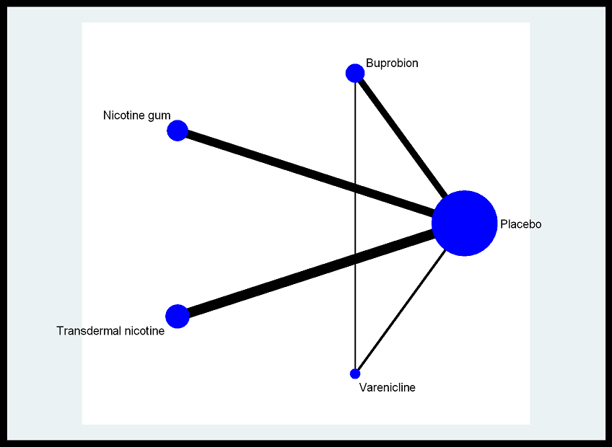
 | Gonzales 2006 | 3 | 2 | 75 | 329
 | Gonzales 2006 | 3 | 5 | 99 | 352
2002 | Ahluwalia | 4 | 1 | 19 | 300 | 0.063333333333
 | Ahluwalia | 4 | 2 | 37 | 300
2007 | Fossati | 5 | 1 | 26 | 193 | 0.13471502591
 | Fossati | 5 | 2 | 101 | 400
2004 | Collins | 6 | 1 | 43 | 270 | 0.15925925926
 | Collins | 6 | 2 | 74 | 285
2004 | Aubin | 7 | 1 | 21 | 164 | 0.12804878049
 | Aubin | 7 | 2 | 85 | 340
2001 | Gonzales 2001 | 8 | 1 | 5 | 224 | 0.022321428571
 | Gonzales 2001 | 8 | 2 | 27 | 226
2006 | Jorenby 1999 | 9 | 1 | 9 | 160 | 0.05625
 | Jorenby 1999 | 9 | 2 | 45 | 224
2004 | Dalsgareth | 10 | 1 | 8 | 114 | 0.070175438596
 | Dalsgareth | 10 | 2 | 39 | 221
1997 | Hurt 1997 | 11 | 1 | 19 | 153 | 0.12418300654
 | Hurt 1997 | 11 | 2 | 36 | 156
2006 | Nides | 12 | 1 | 6 | 123 | 0.048780487805
 | Nides | 12 | 2 | 8 | 126
 | Nides | 12 | 5 | 35 | 377
2007 | Muramoto | 13 | 1 | 6 | 103 | 0.058252427184
 | Muramoto | 13 | 2 | 11 | 208
2002 | Hall 2002 | 14 | 1 | 9 | 73 | 0.12328767123
 | Hall 2002 | 14 | 2 | 15 | 73
2005 | Holt | 15 | 1 | 5 | 46 | 0.10869565217
 | Holt | 15 | 2 | 19 | 88
1987 | Campbell | 16 | 1 | 11 | 424 | 0.025943396226
 | Campbell | 16 | 3 | 19 | 412
1990 | Killen 1990 | 17 | 1 | 56 | 309 | 0.18122977346
 | Killen 1990 | 17 | 3 | 57 | 301
2000 | Garvey | 18 | 1 | 13 | 203 | 0.064039408867
 | Garvey | 18 | 3 | 43 | 405
1982 | Fee | 19 | 1 | 15 | 172 | 0.087209302326
 | Fee | 19 | 3 | 23 | 180
1989 | Hughes 1989 | 20 | 1 | 6 | 105 | 0.057142857143
 | Hughes 1989 | 20 | 3 | 23 | 210
1988 | Fortmann | 21 | 1 | 44 | 148 | 0.2972972973
 | Fortmann | 21 | 3 | 33 | 152
2005 | Cooper | 22 | 1 | 15 | 148 | 0.10135135135
 | Cooper | 22 | 3 | 17 | 146
1984 | Hjalmarson | 23 | 1 | 16 | 99 | 0.16161616162
 | Hjalmarson | 23 | 3 | 29 | 106
1996 | Hall 1996 | 24 | 1 | 25 | 103 | 0.2427184466
 | Hall 1996 | 24 | 3 | 21 | 98
1984 | Jamrozik | 25 | 1 | 8 | 99 | 0.080808080808
 | Jamrozik | 25 | 3 | 10 | 101
1988 | Areechon | 26 | 1 | 37 | 101 | 0.36633663366
 | Areechon | 26 | 3 | 56 | 98
1989 | Blondal | 27 | 1 | 22 | 90 | 0.24444444444
 | Blondal | 27 | 3 | 30 | 92
1995 | Harrera | 28 | 1 | 17 | 78 | 0.21794871795
 | Harrera | 28 | 3 | 37 | 76
1980 | Malcolm | 29 | 1 | 3 | 63 | 0.047619047619
 | Malcolm | 29 | 3 | 17 | 73
1982 | Jarvis | 30 | 1 | 8 | 58 | 0.13793103448
 | Jarvis | 30 | 3 | 18 | 58
1988 | Tonnesen 1988 | 31 | 1 | 12 | 53 | 0.22641509434
 | Tonnesen 1988 | 31 | 3 | 23 | 60
1987 | Hall 1987 | 32 | 1 | 7 | 34 | 0.20588235294
 | Hall 1987 | 32 | 3 | 30 | 71
1984 | Jarvik | 33 | 1 | 4 | 23 | 0.17391304348
 | Jarvik | 33 | 3 | 7 | 25
1983 | Schneider 1 | 34 | 1 | 6 | 30 | 0.2
 | Schneider 1 | 34 | 3 | 9 | 30
1983 | Schneider 2 | 35 | 1 | 3 | 23 | 0.13043478261
 | Schneider 2 | 35 | 3 | 1 | 13
1994 | ICRF GPRG | 36 | 1 | 53 | 844 | 0.062796208531
 | ICRF GPRG | 36 | 4 | 76 | 842
1999 | Tonnesen 1999 | 37 | 1 | 71 | 714 | 0.09943977591
 | Tonnesen 1999 | 37 | 4 | 406 | 2861
1995 | Stapleton | 38 | 1 | 19 | 400 | 0.0475
 | Stapleton | 38 | 4 | 77 | 800
1999 | Hays | 39 | 1 | 9 | 322 | 0.027950310559
 | Hays | 39 | 4 | 18 | 321
1995 | Gourlay | 40 | 1 | 4 | 314 | 0.012738853503
 | Gourlay | 40 | 4 | 5 | 315
1991 | TNSG | 41 | 1 | 31 | 253 | 0.12252964427
 | TNSG | 41 | 4 | 111 | 503
1999 | Jorenby 1999 | 42 | 1 | 9 | 160 | 0.05625
 | Jorenby 1999 | 42 | 4 | 24 | 244
1998 | Daughton 1998 | 43 | 1 | 16 | 185 | 0.086486486486
 | Daughton 1998 | 43 | 4 | 27 | 184
1999 | Hughes 1999 | 44 | 1 | 6 | 160 | 0.0375
 | Hughes 1999 | 44 | 4 | 32 | 439
1994 | Richmond | 45 | 1 | 14 | 153 | 0.091503267974
 | Richmond | 45 | 4 | 29 | 154
1991 | Tonnesen 1991 | 46 | 1 | 3 | 144 | 0.020833333333
 | Tonnesen 1991 | 46 | 4 | 16 | 154
1994 | Hurt 1994 | 47 | 1 | 17 | 120 | 0.14166666667
 | Hurt 1994 | 47 | 4 | 33 | 120
1995 | Kornitzer | 48 | 1 | 10 | 75 | 0.13333333333
 | Kornitzer | 48 | 4 | 19 | 150
1993 | Sachs | 49 | 1 | 10 | 107 | 0.093457943925
 | Sachs | 49 | 4 | 28 | 113
1997 | Killen 1997 1 | 50 | 1 | 11 | 108 | 0.10185185185
 | Killen 1997 1 | 50 | 4 | 15 | 109
1997 | Killen 1997 2 | 51 | 1 | 15 | 104 | 0.14423076923
 | Killen 1997 2 | 51 | 4 | 21 | 103
1989 | Abelin | 52 | 1 | 12 | 99 | 0.12121212121
 | Abelin | 52 | 4 | 22 | 100
1993 | Westman | 53 | 1 | 2 | 80 | 0.025
 | Westman | 53 | 4 | 16 | 78
1996 | Paoletti | 54 | 1 | 5 | 60 | 0.083333333333
 | Paoletti | 54 | 4 | 17 | 60
1994 | Fiore 1 | 55 | 1 | 4 | 55 | 0.072727272727
 | Fiore 1 | 55 | 4 | 10 | 57
1994 | Fiore 2 | 56 | 1 | 9 | 43 | 0.20930232558
 | Fiore 2 | 56 | 4 | 15 | 44
2003 | Glavas | 57 | 1 | 9 | 56 | 0.16071428571
 | Glavas | 57 | 4 | 13 | 56
1991 | Daughton 1991 | 58 | 1 | 3 | 25 | 0.12
 | Daughton 1991 | 58 | 4 | 14 | 52
2007 | Nakamura | 59 | 1 | 35 | 154 | 0.22727272727
 | Nakamura | 59 | 5 | 154 | 463
2006 | Oncken | 60 | 1 | 5 | 129 | 0.038759689922
 | Oncken | 60 | 5 | 106 | 518
2007 | Tsai | 61 | 1 | 27 | 124 | 0.21774193548
 | Tsai | 61 | 5 | 59 | 126

