Feuil1
year | study | id | t | r | n | CGR ref treatm | Harmful | Outcome: effect of antihypertensives on incidence diabetes mellitus-proportion of patients who developed diabetes
2006 | AASK | 1 | 3 | 45 | 410 |  |  | Treatments | 1 | Placebo
 | AASK | 1 | 6 | 70 | 405 |  |  |  | 2 | Thiazide diuretic
 | AASK | 1 | 4 | 32 | 202 |  |  |  | 3 | ACE inhibitor
2002 | ALLHAT | 2 | 3 | 119 | 4096 |  |  |  | 4 | CCB
 | ALLHAT | 2 | 4 | 154 | 3954 |  |  |  | 5 | ARB
 | ALLHAT | 2 | 2 | 302 | 6766 |  |  |  | 6 | b blocker
2003 | ALPINE | 3 | 5 | 1 | 196
 | ALPINE | 3 | 2 | 8 | 196
2005 | ANBP-2 | 4 | 3 | 138 | 2800
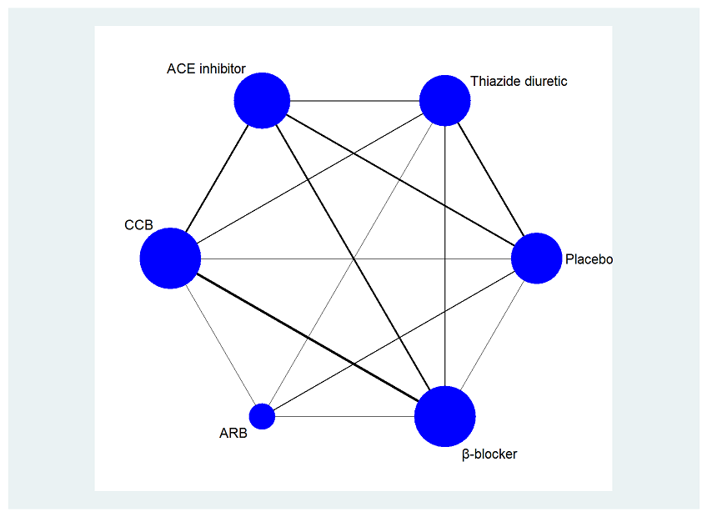
 | ANBP-2 | 4 | 2 | 200 | 2826
2005 | ASCOT | 5 | 6 | 799 | 7040
 | ASCOT | 5 | 4 | 567 | 7072
1999 | CAPPP | 6 | 3 | 337 | 5183
 | CAPPP | 6 | 6 | 380 | 5230
2005 | CHARM | 7 | 5 | 163 | 2715
 | CHARM | 7 | 1 | 202 | 2721 | 0.074237412716
2006 | DREAM | 8 | 3 | 449 | 2623
 | DREAM | 8 | 1 | 489 | 2646 | 0.18480725624
1991 | EWPHE | 9 | 2 | 29 | 416
 | EWPHE | 9 | 1 | 20 | 424 | 0.047169811321
2005 | FEVER | 10 | 4 | 177 | 4841
 | FEVER | 10 | 1 | 154 | 4870 | 0.031622176591
1987 | HAPPHY | 11 | 6 | 86 | 3297
 | HAPPHY | 11 | 2 | 75 | 3272
2001 | HOPE | 12 | 3 | 102 | 2837
 | HOPE | 12 | 1 | 155 | 2883 | 0.05376344086
2000 | INSIGHT | 13 | 4 | 136 | 2508
 | INSIGHT | 13 | 2 | 176 | 2511
2003 | INVEST | 14 | 6 | 665 | 8078
 | INVEST | 14 | 4 | 569 | 8098
2002 | LIFE | 15 | 5 | 242 | 4020
 | LIFE | 15 | 6 | 320 | 3979
1992 | MRC | 16 | 6 | 37 | 1102
 | MRC | 16 | 2 | 43 | 1081
 | MRC | 16 | 1 | 34 | 2213 | 0.015363759602
2000 | NORDIL | 17 | 6 | 251 | 5059
 | NORDIL | 17 | 4 | 216 | 5095
2004 | PEACE | 18 | 3 | 335 | 3432
 | PEACE | 18 | 1 | 399 | 3472 | 0.11491935484
2003 | SCOPE | 19 | 5 | 93 | 2167
 | SCOPE | 19 | 1 | 115 | 2175 | 0.052873563218
1998 | SHEP | 20 | 2 | 140 | 1631
 | SHEP | 20 | 1 | 118 | 1578 | 0.074778200253
1999 | STOP-2 | 21 | 3 | 93 | 1970
 | STOP-2 | 21 | 6 | 97 | 1960
 | STOP-2 | 21 | 4 | 95 | 1965
2004 | VALUE | 22 | 5 | 690 | 5087
 | VALUE | 22 | 4 | 845 | 5074

