Feuil1
year | study | id | t | r | n | CGR ref treatm | Beneficial | Outcome: Smoking Abstinence at approximately 4 weeks post-target quit date (TQD)
1989 | Abelin T1 | 1 | 2 | 41 | 100 |  |  | Treatments: | 1 | Control
 | Abelin T1 | 1 | 1 | 19 | 99 | 0.19191919192 |  |  | 2 | Nicotine replacement Therapy (NRT)
1989 | Abelin T2 | 2 | 2 | 29 | 56 |  |  |  | 3 | Bupropion
 | Abelin T2 | 2 | 1 | 16 | 56 | 0.28571428571 |  |  | 4 | Varenicline
1988 | Tonnesen | 3 | 2 | 77 | 145
 | Tonnesen | 3 | 1 | 24 | 144 | 0.16666666667
1991 | Daughton DM | 4 | 2 | 39 | 106
 | Daughton DM | 4 | 1 | 7 | 52 | 0.13461538462
1993 | Sachs DP | 5 | 2 | 69 | 113
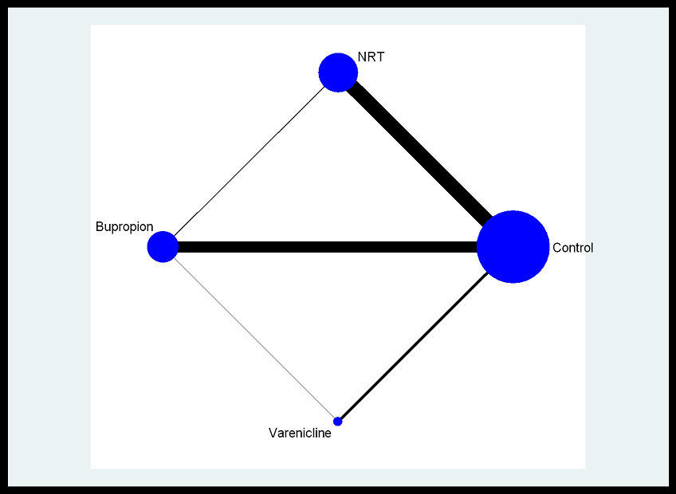
 | Sachs DP | 5 | 1 | 37 | 107 | 0.34579439252
1993 | Merz PG | 6 | 2 | 19 | 80
 | Merz PG | 6 | 1 | 14 | 80 | 0.175
1993 | RussellMA | 7 | 2 | 144 | 400
 | RussellMA | 7 | 1 | 33 | 200 | 0.165
1994 | Fiore MC1 | 8 | 2 | 26 | 44
 | Fiore MC1 | 8 | 1 | 17 | 43 | 0.39534883721
1994 | Fiore MC2 | 9 | 2 | 21 | 57
 | Fiore MC2 | 9 | 1 | 11 | 55 | 0.2
1994 | Richmond RL | 10 | 2 | 90 | 156
 | Richmond RL | 10 | 1 | 47 | 157 | 0.29936305732
1994 | Levin ED | 11 | 2 | 11 | 31
 | Levin ED | 11 | 1 | 4 | 31 | 0.12903225806
1995 | Stapleton JA | 12 | 2 | 217 | 800
 | Stapleton JA | 12 | 1 | 54 | 400 | 0.135
1995 | Puska P | 13 | 2 | 86 | 150
 | Puska P | 13 | 1 | 67 | 150 | 0.44666666667
1995 | Dale LC | 14 | 2 | 22 | 35
 | Dale LC | 14 | 1 | 10 | 18 | 0.55555555556
1995 | Gourlay SG | 15 | 2 | 17 | 315
 | Gourlay SG | 15 | 1 | 14 | 314 | 0.044585987261
1996 | Cinciripini PM | 16 | 2 | 16 | 32
 | Cinciripini PM | 16 | 1 | 8 | 32 | 0.25
1997 | Killen JD1 | 17 | 1 | 42 | 103 | 0.40776699029
 | Killen JD1 | 17 | 2 | 19 | 104
1997 | Killen JD2 | 18 | 1 | 34 | 109 | 0.3119266055
 | Killen JD2 | 18 | 2 | 23 | 108
1997 | Sonderskov J1 | 19 | 1 | 64 | 119 | 0.53781512605
 | Sonderskov J1 | 19 | 2 | 63 | 125
1997 | Sonderskov J2 | 20 | 1 | 60 | 132 | 0.45454545455
 | Sonderskov J2 | 20 | 2 | 53 | 142
1998 | Lewis SF | 21 | 1 | 21 | 62 | 0.33870967742
 | Lewis SF | 21 | 2 | 11 | 62
1999 | Jorenby DE1 | 22 | 2 | 117 | 244
 | Jorenby DE1 | 22 | 3 | 137 | 342
 | Jorenby DE1 | 22 | 1 | 114 | 501 | 0.22754491018
1999 | Jorenby DE2 | 23 | 2 | 159 | 245
 | Jorenby DE2 | 23 | 1 | 202 | 404 | 0.5
 | Jorenby DE2 | 23 | 3 | 146 | 244
1999 | Hays JT | 24 | 2 | 54 | 321
 | Hays JT | 24 | 1 | 31 | 322 | 0.096273291925
2000 | Wisborg | 25 | 2 | 46 | 124
 | Wisborg | 25 | 1 | 37 | 126 | 0.29365079365
2000 | Tonnesen2 | 26 | 2 | 28 | 115
 | Tonnesen2 | 26 | 1 | 20 | 118 | 0.16949152542
2000 | Bohadana A | 27 | 2 | 121 | 200
 | Bohadana A | 27 | 1 | 95 | 200 | 0.475
2002 | Shiffman S | 28 | 2 | 74 | 283
 | Shiffman S | 28 | 1 | 22 | 284 | 0.077464788732
2003 | Molyneux A | 29 | 2 | 50 | 91
 | Molyneux A | 29 | 1 | 39 | 91 | 0.42857142857
2003 | Glavas D | 30 | 2 | 22 | 56
 | Glavas D | 30 | 1 | 11 | 56 | 0.19642857143
2003 | Swanson NA1 | 31 | 2 | 9 | 30
 | Swanson NA1 | 31 | 1 | 6 | 50 | 0.12
2003 | Swanson NA2 | 32 | 2 | 4 | 29
 | Swanson NA2 | 32 | 1 | 3 | 21 | 0.14285714286
2003 | Hanson K | 33 | 2 | 18 | 50
 | Hanson K | 33 | 1 | 13 | 50 | 0.26
2004 | Smith SS1 | 34 | 2 | 117 | 244
 | Smith SS1 | 34 | 1 | 56 | 160 | 0.35
2004 | Smith SS2 | 35 | 2 | 159 | 245
 | Smith SS2 | 35 | 1 | 146 | 244 | 0.59836065574
2004 | Schuurmans MM | 36 | 2 | 37 | 100
 | Schuurmans MM | 36 | 1 | 30 | 100 | 0.3
2007 | Uyar M | 37 | 2 | 18 | 50
 | Uyar M | 37 | 1 | 7 | 31 | 0.22580645161
2007 | Pollak KI | 38 | 2 | 29 | 122
 | Pollak KI | 38 | 1 | 5 | 59 | 0.084745762712
2007 | Prapavessis H1 | 39 | 2 | 21 | 26
 | Prapavessis H1 | 39 | 1 | 19 | 27 | 0.7037037037
2007 | Prapavessis H2 | 40 | 2 | 28 | 33
 | Prapavessis H2 | 40 | 1 | 18 | 35 | 0.51428571429
2007 | Oncken C | 41 | 2 | 32 | 57
 | Oncken C | 41 | 1 | 45 | 95 | 0.47368421053
2007 | Transdermal Nicotine study group | 42 | 2 | 332 | 624
 | Transdermal Nicotine study group | 42 | 1 | 68 | 124 | 0.54838709677
2007 | Buchkremer G | 43 | 2 | 29 | 42
 | Buchkremer G | 43 | 1 | 42 | 89 | 0.47191011236
2007 | Piper ME | 44 | 2 | 260 | 529
 | Piper ME | 44 | 1 | 162 | 449 | 0.36080178174
2006 | Rigotti NA | 45 | 2 | 191 | 369
 | Rigotti NA | 45 | 1 | 104 | 366 | 0.28415300546
2002 | Hand | 46 | 2 | 50 | 136
 | Hand | 46 | 1 | 28 | 109 | 0.25688073394
2007 | Piper M | 47 | 2 | 143 | 267
 | Piper M | 47 | 1 | 57 | 189 | 0.30158730159
2006 | Gonzales D | 48 | 4 | 172 | 352
 | Gonzales D | 48 | 1 | 76 | 344 | 0.22093023256
 | Gonzales D | 48 | 3 | 122 | 329
2006 | Jorenby DE | 49 | 4 | 155 | 344
 | Jorenby DE | 49 | 1 | 58 | 341 | 0.17008797654
2006 | Oncken | 50 | 4 | 197 | 518
 | Oncken | 50 | 1 | 14 | 129 | 0.10852713178
2006 | Nides | 51 | 4 | 122 | 377
 | Nides | 51 | 1 | 17 | 123 | 0.13821138211
2007 | Williams KE | 52 | 4 | 110 | 251
 | Williams KE | 52 | 1 | 24 | 126 | 0.19047619048
2007 | Tsai, S | 53 | 4 | 73 | 126
 | Tsai, S | 53 | 1 | 44 | 124 | 0.35483870968
2007 | Nakamura M | 54 | 4 | 209 | 386
 | Nakamura M | 54 | 1 | 54 | 129 | 0.41860465116
2008 | Niaura R | 55 | 4 | 60 | 157
 | Niaura R | 55 | 1 | 18 | 155 | 0.11612903226
2006 | Rigotti | 56 | 4 | 192 | 355
 | Rigotti | 56 | 1 | 65 | 359 | 0.18105849582
2008 | McCarthy DE | 57 | 3 | 33 | 116
 | McCarthy DE | 57 | 1 | 19 | 113 | 0.16814159292
2008 | McCarthy DE2 | 58 | 3 | 36 | 113
 | McCarthy DE2 | 58 | 1 | 23 | 121 | 0.19008264463
2007 | Muramoto ML | 59 | 3 | 33 | 209
 | Muramoto ML | 59 | 1 | 8 | 103 | 0.077669902913
2007 | Fossati R | 60 | 3 | 200 | 400
 | Fossati R | 60 | 1 | 60 | 193 | 0.31088082902
2007 | Grant KM | 61 | 3 | 9 | 30
 | Grant KM | 61 | 1 | 5 | 28 | 0.17857142857
2007 | Piper ME1 | 62 | 3 | 84 | 224
 | Piper ME1 | 62 | 1 | 34 | 156 | 0.21794871795
2007 | Schmitz JM1 | 63 | 3 | 18 | 41
 | Schmitz JM1 | 63 | 1 | 5 | 39 | 0.12820512821
2007 | Schmitz JM2 | 64 | 3 | 7 | 37
 | Schmitz JM2 | 64 | 1 | 15 | 37 | 0.40540540541
2007 | Evins AE | 65 | 3 | 13 | 25
 | Evins AE | 65 | 1 | 5 | 26 | 0.19230769231
2007 | Uyar M | 66 | 3 | 23 | 50
 | Uyar M | 66 | 1 | 7 | 31 | 0.22580645161
2006 | Nides M1 | 67 | 3 | 36 | 126
 | Nides M1 | 67 | 1 | 17 | 123 | 0.13821138211
2005 | Wagena EJ | 68 | 3 | 34 | 86
 | Wagena EJ | 68 | 1 | 27 | 89 | 0.30337078652
2005 | Zellweger J | 69 | 3 | 300 | 501
 | Zellweger J | 69 | 1 | 78 | 166 | 0.46987951807
2007 | Evins AE1 | 70 | 3 | 9 | 25
 | Evins AE1 | 70 | 1 | 2 | 28 | 0.071428571429
2005 | Holt S | 71 | 3 | 62 | 88
 | Holt S | 71 | 1 | 22 | 46 | 0.47826086957
2004 | Myles PS | 72 | 3 | 9 | 24
 | Myles PS | 72 | 1 | 2 | 23 | 0.086956521739
2004 | Simon JA | 73 | 3 | 92 | 121
 | Simon JA | 73 | 1 | 92 | 123 | 0.74796747967
2004 | Aubin HJ | 74 | 3 | 163 | 340
 | Aubin HJ | 74 | 1 | 39 | 164 | 0.23780487805
2004 | Dalsgareth OJ | 75 | 3 | 104 | 222
 | Dalsgareth OJ | 75 | 1 | 24 | 114 | 0.21052631579
2004 | Hatsukami DK | 76 | 3 | 41 | 295
 | Hatsukami DK | 76 | 1 | 25 | 299 | 0.083612040134
2003 | Swanson NA1 | 77 | 3 | 6 | 30
 | Swanson NA1 | 77 | 1 | 9 | 30 | 0.3
2003 | Swanson NA2 | 78 | 3 | 11 | 30
 | Swanson NA2 | 78 | 1 | 17 | 50 | 0.34
2003 | Tonnesen P1 | 79 | 3 | 311 | 527
 | Tonnesen P1 | 79 | 1 | 67 | 180 | 0.37222222222
2003 | Tonstad S1 | 80 | 3 | 163 | 313
 | Tonstad S1 | 80 | 1 | 72 | 313 | 0.23003194888
2003 | Hurt RD1 | 81 | 3 | 3 | 96
 | Hurt RD1 | 81 | 1 | 0 | 98 | 0
2003 | Hurt RD2 | 82 | 3 | 46 | 88
 | Hurt RD2 | 82 | 1 | 48 | 88 | 0.54545454545
2005 | Evins AE2 | 83 | 3 | 3 | 9
 | Evins AE2 | 83 | 1 | 1 | 9 | 0.11111111111
2001 | Hays JT | 84 | 3 | 175 | 214
 | Hays JT | 84 | 1 | 149 | 215 | 0.69302325581
2001 | Gonzales DH2 | 85 | 3 | 61 | 226
 | Gonzales DH2 | 85 | 1 | 11 | 224 | 0.049107142857
2001 | Tashkin D | 86 | 3 | 68 | 204
 | Tashkin D | 86 | 1 | 36 | 200 | 0.18
2001 | Hertzberg MA | 87 | 3 | 8 | 10
 | Hertzberg MA | 87 | 1 | 1 | 5 | 0.2
1999 | Jorenby DE3 | 88 | 3 | 159 | 245
 | Jorenby DE3 | 88 | 1 | 117 | 244 | 0.47950819672
1994 | Hurt RD | 89 | 3 | 172 | 462
 | Hurt RD | 89 | 1 | 29 | 153 | 0.18954248366

