Feuil1
year | study | id | t | r | n | Baseline Risk | Beneficial | Outcome: ACR20 at 6 months for Rheumatoid arthritis
2002 | Cohen2002 | 1 | 4 | 17 | 74 |  |  | Treatments: | 1 | Placebo
 | Cohen2002 | 1 | 5 | 112 | 345 |  |  |  | 2 | Anakinra
1998 | Bresnihan1998 | 2 | 1 | 31 | 121 | 0.21487603306 |  |  | 3 | Etanercept
 | Bresnihan1998 | 2 | 2 | 134 | 351 |  |  |  | 4 | Placebo + MTX
2004 | Cohen2004 | 3 | 4 | 55 | 251 |  |  |  | 5 | Anakinra + MTX
 | Cohen2004 | 3 | 2 | 95 | 250 |  |  |  | 6 | Etanercept + MTX
1999 | Moreland1999 | 4 | 1 | 9 | 80 | 0.1375 |  |  | 7 | Infliximab + MTX
 | Moreland1999 | 4 | 3 | 85 | 154 |  |  |  | 8 | Adalimumab + MTX
1999 | Weinblatt1999 | 5 | 4 | 8 | 30 |  |  |  | 9 | Adalimumab
 | Weinblatt1999 | 5 | 6 | 42 | 59
2000 | Era2000 | 6 | 4 | 128 | 217
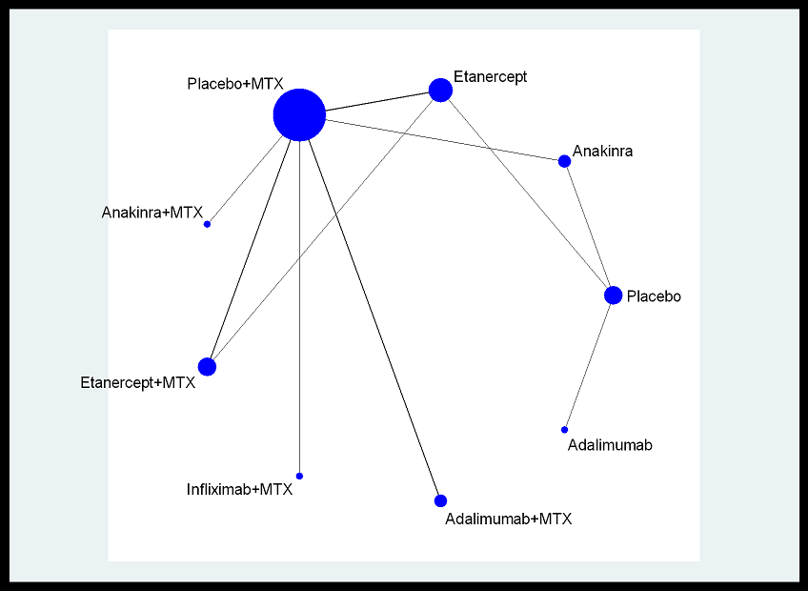
 | Era2000 | 6 | 3 | 266 | 415
2004 | Tempo2004 | 7 | 4 | 169 | 228
 | Tempo2004 | 7 | 6 | 182 | 231
 | Tempo2004 | 7 | 3 | 163 | 223
1999 | Attract1999 | 8 | 4 | 20 | 88
 | Attract1999 | 8 | 7 | 195 | 340
2003 | Armada2003 | 9 | 4 | 9 | 62
 | Armada2003 | 9 | 8 | 126 | 209
2004 | Keystone2004 | 10 | 4 | 60 | 200
 | Keystone2004 | 10 | 8 | 259 | 419
2004 | Van de Putte2004 | 11 | 1 | 21 | 110 | 0.17272727273
 | Van de Putte2004 | 11 | 9 | 189 | 434

