Feuil1
year | study | id | t | r | n | Beneficial | Outcome: analgecic efficacy of proplylactic interventions for the prevention of pain on injection with propofol - no pain
1996 | Alyafi 1996 | 1 | 3 | 22 | 50 |  | Treatments | 1 | Placebo
 | Alyafi 1996 | 1 | 1 | 10 | 50 |  |  | 2 | No treatment
1995 | Basar 1995 | 2 | 7 | 15 | 15 |  |  | 3 | Lidocaine before
 | Basar 1995 | 2 | 1 | 4 | 15 |  |  | 4 | Lidocaine mixed
 | Basar 1995 | 2 | 3 | 15 | 15 |  |  | 5 | Lidocaine+tourniquet
1992 | Chessa 1992 | 3 | 6 | 9 | 14 |  |  | 6 | Opioids
 | Chessa 1992 | 3 | 1 | 1 | 14 |  |  | 7 | Metoclopramide
1982 | Bahar 1982 | 4 | 6 | 1 | 10 |  |  | 8 | Temperature
 | Bahar 1982 | 4 | 2 | 2 | 10
1991 | Barker 1991 | 5 | 8 | 18 | 27
 | Barker 1991 | 5 | 4 | 15 | 27
 | Barker 1991 | 5 | 1 | 21 | 27
 | Barker 1991 | 5 | 2 | 7 | 28
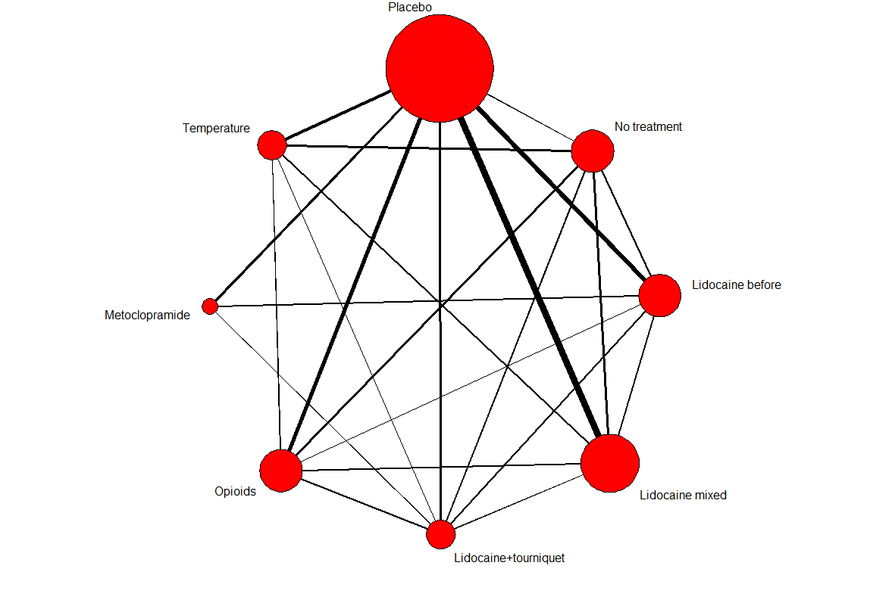
1992 | Croston 1992 | 6 | 4 | 24 | 60
 | Croston 1992 | 6 | 2 | 5 | 19
1991 | Dru 1991 | 7 | 6 | 15 | 30
 | Dru 1991 | 7 | 1 | 0 | 10
1995 | Eriksson 1995 | 8 | 4 | 4 | 12
 | Eriksson 1995 | 8 | 1 | 1 | 9
1994 | Fletcher 1994 | 9 | 6 | 14 | 22
 | Fletcher 1994 | 9 | 8 | 35 | 45
 | Fletcher 1994 | 9 | 1 | 3 | 22
 | Fletcher 1994 | 9 | 2 | 23 | 56
1996 | Gajraj 1996 | 10 | 4 | 90 | 108
 | Gajraj 1996 | 10 | 1 | 4 | 27
1992 | Ganta 1992 | 11 | 3 | 67 | 85
 | Ganta 1992 | 11 | 7 | 65 | 85
 | Ganta 1992 | 11 | 1 | 43 | 85
1991 | Gehan 1991 | 12 | 4 | 193 | 233
 | Gehan 1991 | 12 | 1 | 49 | 77
1995 | Haugen 1995 | 13 | 3 | 7 | 30
 | Haugen 1995 | 13 | 1 | 0 | 30
1988 | Helbo-Han 1988 | 14 | 4 | 30 | 40
 | Helbo-Han 1988 | 14 | 1 | 19 | 40
1990 | Helmers 1990 | 15 | 6 | 83 | 99
 | Helmers 1990 | 15 | 1 | 30 | 50
1990 | Johnson 1990 | 16 | 3 | 35 | 41
 | Johnson 1990 | 16 | 4 | 37 | 40
 | Johnson 1990 | 16 | 1 | 6 | 22
1992 | King 1992 | 17 | 4 | 167 | 270
 | King 1992 | 17 | 1 | 26 | 98
1998 | Kobayashi 1998b | 18 | 4 | 17 | 40
 | Kobayashi 1998b | 18 | 6 | 24 | 40
 | Kobayashi 1998b | 18 | 2 | 8 | 40
1994 | Lee 1994 | 19 | 3 | 26 | 36
 | Lee 1994 | 19 | 1 | 18 | 36
1999 | Liaw 1999 | 20 | 5 | 31 | 35
 | Liaw 1999 | 20 | 7 | 70 | 105
 | Liaw 1999 | 20 | 1 | 8 | 35
1994 | Lin 1994 | 21 | 5 | 12 | 20
 | Lin 1994 | 21 | 8 | 2 | 20
 | Lin 1994 | 21 | 1 | 7 | 20
1996 | Lyons 1996 | 22 | 3 | 29 | 51
 | Lyons 1996 | 22 | 6 | 34 | 52
 | Lyons 1996 | 22 | 1 | 17 | 47
1992 | Mangar 1992 | 23 | 5 | 12 | 19
 | Mangar 1992 | 23 | 2 | 2 | 20
1990 | Mangar 1992 | 23 | 3 | 2 | 22
 | McCrirrick 1990 | 24 | 8 | 26 | 34
1985 | McCrirrick 1990 | 24 | 2 | 20 | 37
 | McCulloch 1985 | 25 | 3 | 24 | 40
1996 | McCulloch 1985 | 25 | 2 | 16 | 40
 | McDonald 1996 | 26 | 4 | 27 | 33
1996 | McDonald 1996 | 26 | 1 | 13 | 31
 | Nathanson 1996 | 27 | 4 | 26 | 30
1990 | Nathanson 1996 | 27 | 1 | 10 | 30
 | Nathanson 1996 | 27 | 6 | 22 | 29
1991 | Newcombe 1990 | 28 | 4 | 24 | 47
 | Newcombe 1990 | 28 | 1 | 6 | 46
1995 | Nicol 1991 | 29 | 3 | 62 | 95
 | Nicol 1991 | 29 | 1 | 47 | 95
1997 | Ozkocak 1995 | 30 | 7 | 25 | 40
 | Ozkocak 1995 | 30 | 1 | 10 | 40
1998 | O Hara 1997 | 31 | 4 | 16 | 31
 | O Hara 1997 | 31 | 1 | 11 | 31
1998 | Ozturk 1998 | 32 | 8 | 13 | 50
 | Ozturk 1998 | 32 | 2 | 6 | 25
 | Pang 1998b | 33 | 5 | 31 | 35
1998 | Pang 1998b | 33 | 6 | 43 | 70
 | Pang 1998b | 33 | 1 | 9 | 35
1998 | Pang 1998a | 34 | 6 | 24 | 31
 | Pang 1998a | 34 | 1 | 7 | 30
 | Parma 1998 | 35 | 4 | 35 | 77
1988 | Parma 1998 | 35 | 8 | 3 | 38
 | Parma 1998 | 35 | 1 | 5 | 38
 | Scott 1988 | 36 | 3 | 6 | 15
1996 | Scott 1988 | 36 | 4 | 2 | 15
 | Scott 1988 | 36 | 2 | 7 | 15
1995 | Scott 1988 | 36 | 5 | 7 | 15
 | Smith 1996 | 37 | 3 | 22 | 32
1999 | Smith 1996 | 37 | 1 | 14 | 34
 | Tham 1995 | 38 | 4 | 54 | 89
1989 | Tham 1995 | 38 | 1 | 24 | 94
 | Uda 1999 | 39 | 8 | 4 | 50
1990 | Uda 1999 | 39 | 1 | 6 | 25
 | Valtonen 1989 | 40 | 4 | 16 | 20
1996 | Valtonen 1989 | 40 | 1 | 3 | 20
 | Wall 1990 | 41 | 6 | 43 | 51
 | Wall 1990 | 41 | 2 | 31 | 51
1997 | Wrench 1996 | 42 | 6 | 11 | 22
 | Wrench 1996 | 42 | 5 | 20 | 22
 | Wrench 1996 | 42 | 1 | 7 | 22
 | Yokota 1997 | 43 | 4 | 24 | 30
 | Yokota 1997 | 43 | 1 | 4 | 30

