Feuil1
year | study | id | t | r | n | Baseline Risk | Harmful | Outcome: Antifungal agents for preventing fungal infections in solid organ transplant recipients - mortality
1996 | Lumbreras 1996 | 1 | 2 | 10 | 76 |  |  | Treatments | 1 | Placebo
 | Lumbreras 1996 | 1 | 1 | 9 | 67 | 0.13432835821 |  |  | 2 | Fluconazole
1997 | Meyers 1997 | 2 | 2 | 6 | 23 |  |  |  | 3 | Itraconazole
 | Meyers 1997 | 2 | 1 | 2 | 24 | 0.083333333333 |  |  | 4 | Liposomal amphotericin B
1995 | Tortorano 1995 | 3 | 2 | 0 | 38 |  |  |  | 5 | Ketoconazole
 | Tortorano 1995 | 3 | 1 | 2 | 37 | 0.054054054054
1999 | Winston 1999 | 4 | 2 | 12 | 108
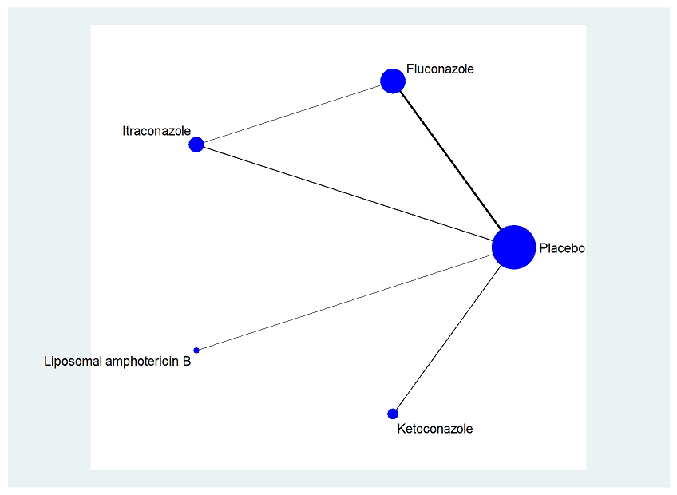
 | Winston 1999 | 4 | 1 | 15 | 104 | 0.14423076923
2002 | Bianco?ore 2002 | 5 | 3 | 5 | 85
 | Bianco?ore 2002 | 5 | 1 | 3 | 44 | 0.068181818182
2003 | Sharpe 2003 | 6 | 3 | 1 | 25
 | Sharpe 2003 | 6 | 1 | 6 | 37 | 0.16216216216
1995 | Tollemar 1995 | 7 | 4 | 3 | 43
 | Tollemar 1995 | 7 | 1 | 5 | 41 | 0.12195121951
1995 | Keogh 1995 | 8 | 5 | 1 | 23
 | Keogh 1995 | 8 | 1 | 2 | 20 | 0.1
1994 | Patton 1994 | 9 | 5 | 3 | 26
 | Patton 1994 | 9 | 1 | 2 | 68 | 0.029411764706
2002 | Winston 2002 | 10 | 3 | 12 | 97
 | Winston 2002 | 10 | 2 | 7 | 91

