Feuil1
study | id | t | r | n | Baseline Risk | Harmful | Outcome: Antihypertensive Therapy-Coronary heart disease (CHD) including fatal and nonfatal events
EWPHE 1985 | 1 | 2 | 29 | 416 |  |  | Treatments: | 1 | Placebo/untreated/usual care
EWPHE 1985 | 1 | 1 | 47 | 424 | 0.1108490566 |  |  | 2 | Diuretics
MRC 1985 | 2 | 3 | 103 | 4403 |  |  |  | 3 | b-blocker
MRC 1985 | 2 | 1 | 234 | 8654 | 0.027039519297 |  |  | 4 | ACE inhibitors
Coope and Warrender 1986 | 3 | 3 | 35 | 419 |  |  |  | 5 | ARBs
Coope and Warrender 1986 | 3 | 1 | 38 | 465 | 0.081720430108 |  |  | 6 | CCBs
SHEP pilot 1989 | 4 | 2 | 8 | 443 |  |  |  | 7 | a-blockers
SHEP pilot 1989 | 4 | 1 | 2 | 108 | 0.018518518519
SHEP 1991 and 1997 | 5 | 2 | 104 | 2365
SHEP 1991 and 1997 | 5 | 1 | 141 | 2371 | 0.059468578659
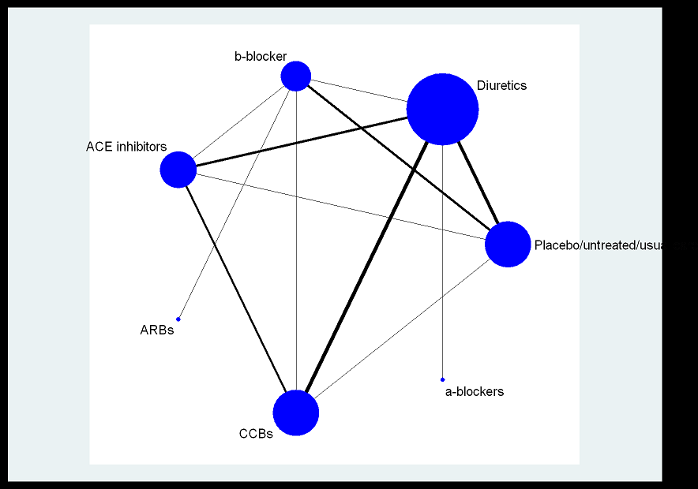
STOP 1991 | 6 | 2 | 25 | 812
STOP 1991 | 6 | 1 | 28 | 815 | 0.034355828221
MRC 1992 | 7 | 2 | 48 | 1081
MRC 1992 | 7 | 3 | 80 | 1102
MRC 1992 | 7 | 1 | 159 | 2213 | 0.071848169905
Dutch TIA 1993 | 8 | 3 | 45 | 732
Dutch TIA 1993 | 8 | 1 | 40 | 741 | 0.053981106613
PATS 1995 | 9 | 2 | 25 | 2841
PATS 1995 | 9 | 1 | 21 | 2824 | 0.0074362606232
TEST 1995 | 10 | 3 | 29 | 372
TEST 1995 | 10 | 1 | 36 | 348 | 0.10344827586
MIDAS 1996 | 11 | 6 | 6 | 442
MIDAS 1996 | 11 | 2 | 5 | 441
SYST-EUR 1997 and 1999 | 12 | 6 | 36 | 2398
SYST-EUR 1997 and 1999 | 12 | 1 | 47 | 2297 | 0.020461471485
VHAS 1997 | 13 | 6 | 8 | 707
VHAS 1997 | 13 | 2 | 9 | 707
ABCD 1998 and 2000 | 14 | 6 | 27 | 235
ABCD 1998 and 2000 | 14 | 4 | 9 | 235
FACET 1998 | 15 | 6 | 13 | 191
FACET 1998 | 15 | 4 | 10 | 189
UKPDS 1998 | 16 | 4 | 61 | 400
UKPDS 1998 | 16 | 3 | 46 | 358
CAPPP 1999 | 17 | 4 | 162 | 5492
CAPPP 1999 | 17 | 2 | 161 | 5493
NICSEH 1999 | 18 | 6 | 2 | 204
NICSEH 1999 | 18 | 2 | 2 | 210
STOP-2 1999 | 19 | 6 | 179 | 2196
STOP-2 1999 | 19 | 2 | 154 | 2213
STOP-2 1999 | 19 | 4 | 139 | 2205
INSIGHT 2000 | 20 | 6 | 77 | 3157
INSIGHT 2000 | 20 | 2 | 61 | 3164
NORDIL 2000 | 21 | 6 | 183 | 5410
NORDIL 2000 | 21 | 2 | 157 | 5471
ALLHAT 2000 | 22 | 7 | 365 | 9067
ALLHAT 2000 | 22 | 2 | 608 | 15268
PROGRESS 2001 | 23 | 4 | 48 | 1281
PROGRESS 2001 | 23 | 1 | 154 | 3054 | 0.050425671251
PROGRESS 2001 | 23 | 2 | 67 | 1770
LIFE 2002 | 24 | 5 | 198 | 4605
LIFE 2002 | 24 | 3 | 188 | 4588
CONVINCE 2002 | 25 | 6 | 133 | 8179
CONVINCE 2002 | 25 | 2 | 166 | 8297
ELSA 2002 | 26 | 3 | 17 | 1157
ELSA 2002 | 26 | 6 | 18 | 1177
ALLHAT 2002 | 27 | 2 | 1362 | 15255
ALLHAT 2002 | 27 | 6 | 798 | 9048
ALLHAT 2002 | 27 | 4 | 796 | 9054
ANBP2 2002 and 2003 | 28 | 4 | 173 | 3044
ANBP2 2002 and 2003 | 28 | 2 | 195 | 3039

