Feuil1
year | study | id | t | r | n | CGR ref treatment | Harmful | Outcome | exacerbation in patients with chronic obstructive pulmonary disease
2007 | Baumgartner 2007 | 1 | 1 | 24 | 143 | 0.16783216783 |  | Treatments |  | 1 | placebo
 | Baumgartner 2007 | 1 | 2 | 39 | 287 |  |  |  |  | 2 | betamimetic
2006 | Beeh 2006 | 2 | 1 | 80 | 403 | 0.19851116625 |  |  |  | 3 | anticholinergic
 | Beeh 2006 | 2 | 3 | 180 | 1236 |  |  |  |  | 4 | inhaled steroid
1998 | Bourbeau 1998 | 3 | 1 | 4 | 40 | 0.1 |  |  |  | 5 | combined treatment
 | Bourbeau 1998 | 3 | 4 | 2 | 39
1997 | Boyd 1997 | 4 | 1 | 59 | 227 | 0.25991189427
 | Boyd 1997 | 4 | 2 | 47 | 229
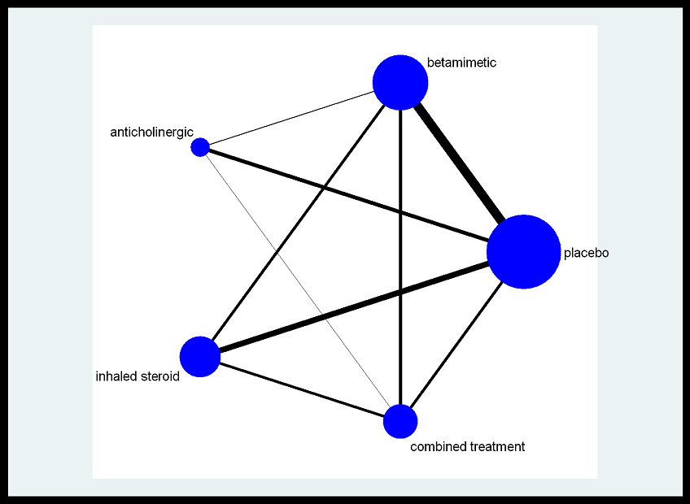
2005 | Briggs 2005 | 5 | 2 | 36 | 328
 | Briggs 2005 | 5 | 3 | 29 | 325
2003 | Brusasco 2003 | 6 | 1 | 156 | 400 | 0.39
 | Brusasco 2003 | 6 | 2 | 142 | 405
 | Brusasco 2003 | 6 | 3 | 129 | 402
2000 | Burge 2000 | 7 | 1 | 53 | 370 | 0.14324324324
 | Burge 2000 | 7 | 4 | 39 | 372
2003 | Calverley 2003 / 1 | 8 | 1 | 19 | 361 | 0.052631578947
 | Calverley 2003 / 1 | 8 | 2 | 8 | 372
 | Calverley 2003 / 1 | 8 | 4 | 10 | 374
 | Calverley 2003 / 1 | 8 | 5 | 9 | 358
2007 | Calverley 2007 | 9 | 1 | 451 | 1524 | 0.29593175853
 | Calverley 2007 | 9 | 2 | 366 | 1521
 | Calverley 2007 | 9 | 4 | 397 | 1534
 | Calverley 2007 | 9 | 5 | 377 | 1533
2003 | Calverley 2003 /2 | 10 | 1 | 79 | 256 | 0.30859375
 | Calverley 2003 /2 | 10 | 2 | 73 | 255
 | Calverley 2003 /2 | 10 | 4 | 62 | 257
 | Calverley 2003 /2 | 10 | 5 | 48 | 254
2003 | Calverley 2003 /3 | 11 | 1 | 8 | 42 | 0.19047619048
 | Calverley 2003 /3 | 11 | 3 | 1 | 38
2005 | Campbell 2005 | 12 | 1 | 34 | 217 | 0.15668202765
 | Campbell 2005 | 12 | 2 | 23 | 215
2002 | Casaburi 2002 | 13 | 1 | 156 | 371 | 0.4204851752
 | Casaburi 2002 | 13 | 3 | 198 | 550
2003 | Celli 2003 | 14 | 1 | 59 | 270 | 0.21851851852
 | Celli 2003 | 14 | 2 | 95 | 554
2002 | Chapman 2002 | 15 | 1 | 68 | 207 | 0.32850241546
 | Chapman 2002 | 15 | 2 | 52 | 201
2004 | Covelli 2004 | 16 | 1 | 12 | 96 | 0.125
 | Covelli 2004 | 16 | 3 | 9 | 100
2001 | Dahl 2001 | 17 | 1 | 4 | 200 | 0.02
 | Dahl 2001 | 17 | 2 | 2 | 192
2006 | Dusser 2006 | 18 | 1 | 306 | 510 | 0.6
 | Dusser 2006 | 18 | 3 | 250 | 500
2003 | Hanania 2003 | 19 | 1 | 73 | 185 | 0.39459459459
 | Hanania 2003 | 19 | 2 | 65 | 177
 | Hanania 2003 | 19 | 4 | 79 | 183
 | Hanania 2003 | 19 | 5 | 71 | 178
2007 | Kardos 2007 | 20 | 2 | 241 | 487
 | Kardos 2007 | 20 | 5 | 210 | 507
2000 | Littner 2000 | 21 | 1 | 1 | 35 | 0.028571428571
 | Littner 2000 | 21 | 3 | 0 | 33
2002 | Mahler 2002 | 22 | 1 | 16 | 181 | 0.088397790055
 | Mahler 2002 | 22 | 2 | 9 | 160
 | Mahler 2002 | 22 | 4 | 17 | 165
 | Mahler 2002 | 22 | 5 | 14 | 165
1999 | Mahler 1999 | 23 | 1 | 47 | 143 | 0.32867132867
 | Mahler 1999 | 23 | 2 | 28 | 135
2005 | Niewoehner 2005 | 24 | 1 | 296 | 915 | 0.32349726776
 | Niewoehner 2005 | 24 | 3 | 255 | 914
2006 | Paggiaro 2006 | 25 | 1 | 26 | 56 | 0.46428571429
 | Paggiaro 2006 | 25 | 4 | 16 | 58
1998 | Paggiaro 1998 | 26 | 1 | 51 | 139 | 0.36690647482
 | Paggiaro 1998 | 26 | 4 | 45 | 142
2002 | Rossi 2002 | 27 | 1 | 73 | 220 | 0.33181818182
 | Rossi 2002 | 27 | 2 | 49 | 214
2006 | Stockley 2006 | 28 | 1 | 60 | 318 | 0.18867924528
 | Stockley 2006 | 28 | 2 | 63 | 316
2000 | Szafranski 2000 | 29 | 1 | 53 | 205 | 0.25853658537
 | Szafranski 2000 | 29 | 2 | 38 | 201
 | Szafranski 2000 | 29 | 4 | 26 | 198
 | Szafranski 2000 | 29 | 5 | 35 | 208
2002 | van der Valk 2002 | 30 | 1 | 69 | 121 | 0.57024793388
 | van der Valk 2002 | 30 | 4 | 58 | 123
2000 | Van Noord 2000 | 31 | 1 | 18 | 50 | 0.36
 | Van Noord 2000 | 31 | 2 | 11 | 47
2002 | Wadbo 2002 | 32 | 1 | 23 | 60 | 0.38333333333
 | Wadbo 2002 | 32 | 2 | 23 | 61
2008 | Wedzicha 2008 | 33 | 3 | 392 | 665
 | Wedzicha 2008 | 33 | 5 | 408 | 658
1999 | Weir 1999 | 34 | 1 | 28 | 49 | 0.57142857143
 | Weir 1999 | 34 | 4 | 18 | 49

