Feuil1
study | id | t | r | n | CGR ref treatm | Beneficial | Outcome: efficacy for the treatment of fibromyalgia - 30% improvement in pain response
Arnold 2005 | 1 | 2 | 64 | 116 |  |  | Treatments | 1 | Placebo
Arnold 2005 | 1 | 1 | 39 | 118 | 0.33050847458 |  |  | 2 | duloxetine
Russell 2008 | 2 | 2 | 73 | 144 |  |  |  | 3 | fluoxetine
Russell 2008 | 2 | 1 | 50 | 139 | 0.35971223022 |  |  | 4 | gabapentin
Arnold 2002 | 3 | 3 | 14 | 25 |  |  |  | 5 | milnacipran 100mg
Arnold 2002 | 3 | 1 | 4 | 26 | 0.15384615385 |  |  | 6 | milnacipran 200mg
Goldenberg 1996 | 4 | 3 | 7 | 22 |  |  |  | 7 | pregabalin 300mg
Goldenberg 1996 | 4 | 9 | 5 | 21 |  |  |  | 8 | pregabalin 450mg
Goldenberg 1996 | 4 | 1 | 1 | 19 | 0.052631578947 |  |  | 9 | TCAs
Arnold 2007 | 5 | 4 | 38 | 75 |  |  |  | 10 | Tramadol+Paracetamol
Arnold 2007 | 5 | 1 | 23 | 75 | 0.30666666667
Clauw 2008 | 6 | 5 | 149 | 399
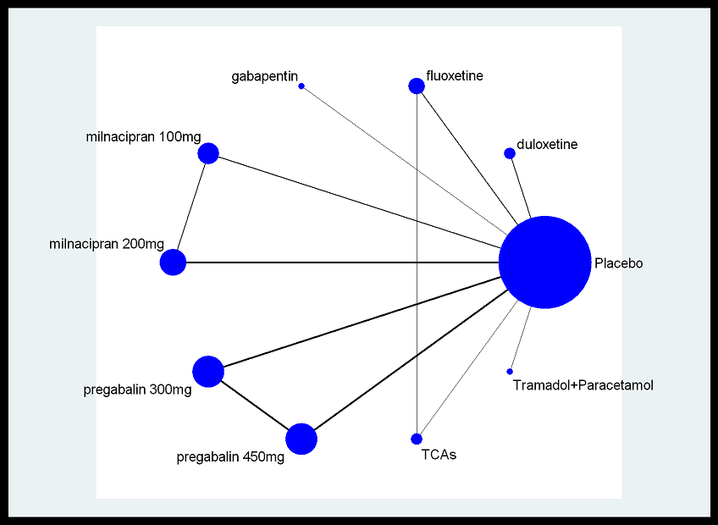
Clauw 2008 | 6 | 1 | 115 | 401 | 0.28678304239
Clauw 2008 | 6 | 6 | 158 | 396
Mease 2009 | 7 | 5 | 76 | 144
Mease 2009 | 7 | 1 | 66 | 164 | 0.40243902439
Mease 2009 | 7 | 6 | 155 | 276
Gendreau 2005 | 8 | 6 | 36 | 97
Gendreau 2005 | 8 | 1 | 6 | 28 | 0.21428571429
Arnold 2008 | 9 | 7 | 76 | 183
Arnold 2008 | 9 | 1 | 56 | 184 | 0.30434782609
Arnold 2008 | 9 | 8 | 94 | 190
Crofford 2005 | 10 | 7 | 50 | 132
Crofford 2005 | 10 | 1 | 35 | 129 | 0.27131782946
Crofford 2005 | 10 | 8 | 62 | 128
Mease 2008 | 11 | 7 | 80 | 185
Mease 2008 | 11 | 1 | 67 | 190 | 0.35263157895
Mease 2008 | 11 | 8 | 79 | 183
Bennett 2003 | 12 | 10 | 65 | 156
Bennett 2003 | 12 | 1 | 37 | 157 | 0.23566878981

