Feuil1
year | study | id | t | r | n | CGR ref tream | Beneficial | Outcome: ACR50 response rates at week 24 in patients with rheumatoid arthritis despite methotrexate
2006 | Kremer AIM 2006 | 1 | 2 | 169 | 424 |  |  | Treatments | 1 | Placebo
 | Kremer AIM 2006 | 1 | 1 | 36 | 214 | 0.16822429907 |  |  | 2 | Abatacept
2003 | Kremer NEJM 2003 | 2 | 2 | 42 | 115 |  |  |  | 3 | Rituximab
 | Kremer NEJM 2003 | 2 | 1 | 14 | 119 | 0.11764705882 |  |  | 4 | Anti-TNF
2008 | Schiff ARD 2008 | 3 | 2 | 63 | 156 |  |  |  | 5 | Tocilizumab
 | Schiff ARD 2008 | 3 | 1 | 22 | 110 | 0.2
 | Schiff ARD 2008 | 3 | 4 | 61 | 165
2004 | Edwards NEJM 2004 | 4 | 3 | 17 | 40
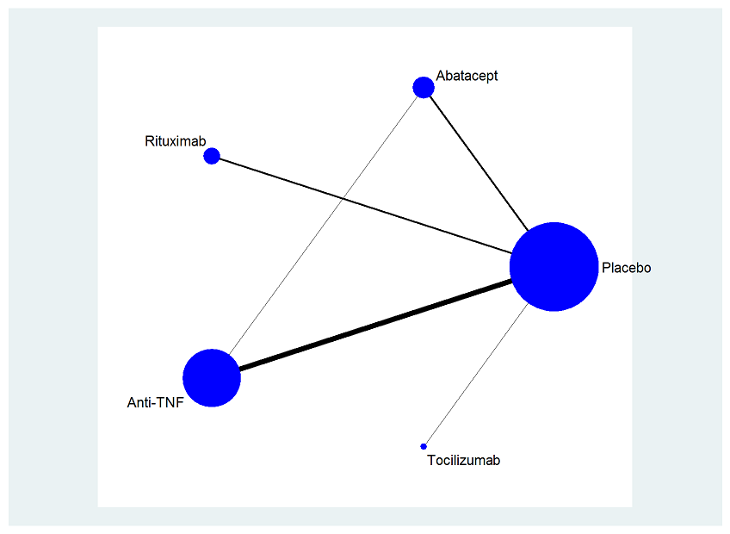
 | Edwards NEJM 2004 | 4 | 1 | 5 | 40 | 0.125
2008 | Emery ACR 2008 | 5 | 3 | 44 | 172
 | Emery ACR 2008 | 5 | 1 | 15 | 172 | 0.087209302326
2006 | Emery AR 2006 | 6 | 3 | 42 | 192
 | Emery AR 2006 | 6 | 1 | 16 | 149 | 0.10738255034
2007 | Ho-Yaun JR 2007 | 7 | 4 | 28 | 65
 | Ho-Yaun JR 2007 | 7 | 1 | 9 | 63 | 0.14285714286
2004 | Keystone AR 2004 | 8 | 4 | 81 | 207
 | Keystone AR 2004 | 8 | 1 | 19 | 200 | 0.095
2008 | Keystone AR 2008 | 9 | 4 | 146 | 393
 | Keystone AR 2008 | 9 | 1 | 15 | 199 | 0.075376884422
2008 | Keystone ARD 2008 | 10 | 4 | 33 | 89
 | Keystone ARD 2008 | 10 | 1 | 18 | 133 | 0.13533834586
1999 | Maini Lancet 1999 | 11 | 4 | 48 | 173
 | Maini Lancet 1999 | 11 | 1 | 4 | 88 | 0.045454545455
2003 | Weinblatt AR 2003 | 12 | 4 | 37 | 67
 | Weinblatt AR 2003 | 12 | 1 | 5 | 62 | 0.08064516129
1999 | Weinblatt NEJM 1999 | 13 | 4 | 23 | 59
 | Weinblatt NEJM 1999 | 13 | 1 | 1 | 30 | 0.033333333333
2008 | Rapid 2 | 14 | 4 | 80 | 246
 | Rapid 2 | 14 | 1 | 4 | 127 | 0.031496062992
2006 | Option | 15 | 5 | 90 | 205
 | Option | 15 | 1 | 22 | 204 | 0.10784313725

