Feuil1
year | study | id | t | r | n | CGR ref treat | Harmful | Outcome: efficacy of antiplatelet in the prevention of serious vascular events after transient ischaemic attack or stroke
1983 | AICLA | 1 | 1 | 46 | 204 | 0.22549019608 |  | Treatments | 1 | Placebo
 | AICLA | 1 | 3 | 31 | 198 |  |  |  | 2 | Thieno+ASA
 | AICLA | 1 | 4 | 30 | 202 |  |  |  | 3 | ASA ( Aspirin )
2003 | AAASPS | 2 | 3 | 112 | 907 |  |  |  | 4 | ASA+DP
 | AAASPS | 2 | 5 | 133 | 902 |  |  |  | 5 | Thieno
1996 | CAPRIE stroke | 3 | 3 | 488 | 3195
 | CAPRIE stroke | 3 | 5 | 453 | 3233
1989 | TASS | 4 | 3 | 395 | 1540
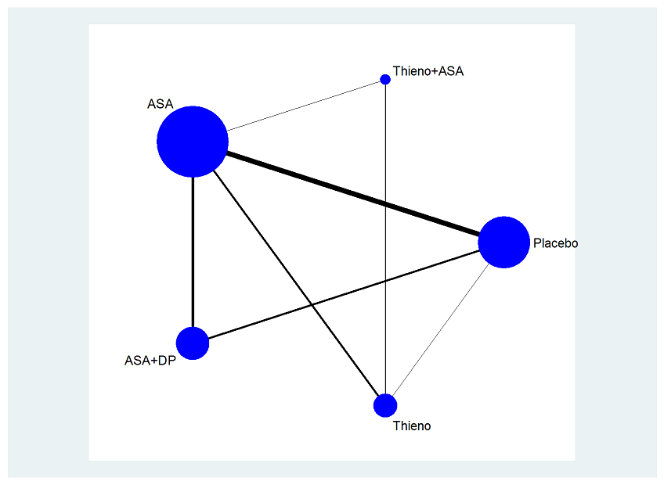
 | TASS | 4 | 5 | 370 | 1529
2000 | Li | 5 | 3 | 22 | 164
 | Li | 5 | 5 | 12 | 165
2004 | MATCH | 6 | 2 | 445 | 3797
 | MATCH | 6 | 5 | 473 | 3802
2003 | TOPALS | 7 | 2 | 10 | 132
 | TOPALS | 7 | 5 | 10 | 138
2007 | CHARISMA Stroke and TIA group | 8 | 2 | 175 | 2160
 | CHARISMA Stroke and TIA group | 8 | 3 | 207 | 2160
1996 | ESPS1 | 9 | 4 | 183 | 1250
 | ESPS1 | 9 | 1 | 263 | 1250 | 0.2104
1996 | ESPS2 | 10 | 4 | 246 | 1650
 | ESPS2 | 10 | 1 | 361 | 1649 | 0.21892055791
 | ESPS2 | 10 | 3 | 314 | 1649
1982 | Toulouse TIA | 11 | 4 | 12 | 137
 | Toulouse TIA | 11 | 3 | 11 | 147
 | Toulouse TIA | 11 | 1 | 16 | 155 | 0.10322580645
1990 | Kaye | 12 | 4 | 6 | 88
 | Kaye | 12 | 3 | 3 | 95
2006 | ESPRIT | 13 | 4 | 149 | 1363
 | ESPRIT | 13 | 3 | 192 | 1376
1985 | ACCSG | 14 | 4 | 79 | 448
 | ACCSG | 14 | 3 | 85 | 442
1977 | AITIA | 15 | 3 | 26 | 162
 | AITIA | 15 | 1 | 35 | 157 | 0.22292993631
1987 | Swedish Coop | 16 | 3 | 59 | 253
 | Swedish Coop | 16 | 1 | 55 | 252 | 0.21825396825
1978 | Canadian Coop | 17 | 3 | 32 | 144
 | Canadian Coop | 17 | 1 | 30 | 139 | 0.21582733813
1983 | Danish Coop | 18 | 3 | 23 | 101
 | Danish Coop | 18 | 1 | 27 | 102 | 0.26470588235
1988 | Danish low dose | 19 | 3 | 21 | 150
 | Danish low dose | 19 | 1 | 21 | 151 | 0.13907284768
1980 | Reuther | 20 | 3 | 2 | 30
 | Reuther | 20 | 1 | 5 | 30 | 0.16666666667
1991 | UK TIA | 21 | 3 | 342 | 1622
 | UK TIA | 21 | 1 | 193 | 814 | 0.2371007371
1991 | SALT | 22 | 3 | 183 | 676
 | SALT | 22 | 1 | 193 | 684 | 0.28216374269
1989 | CATS | 23 | 1 | 139 | 541 | 0.25693160813
 | CATS | 23 | 5 | 112 | 531
 | Ross Russell | 24 | 4 | 0 | 11 | EXCLUDED
 | Ross Russell | 24 | 5 | 0 | 11

