Feuil1
year | study | id | t | r | n
2002 | PATENCY 2002 | 1 | 3 | 1 | 26
 | PATENCY 2002 | 1 | 4 | 0 | 24 |  |  | CGR ref treatm | Harmful | Outcome: Coronary artery disease - death (Risk Ratio)
2004 | DELIVER 2004 | 2 | 3 | 5 | 519 |  |  |  |  | Treatments: | 1 | Medical Therapy
 | DELIVER 2004 | 2 | 4 | 5 | 522 |  |  |  |  |  | 2 | PTCA (percutaneous transluminal coronary)
2003 | ASPECT 2003 | 3 | 3 | 0 | 58 |  |  |  |  |  | 3 | BMS (bare-metal stents)
 | ASPECT 2003 | 3 | 4 | 1 | 117 |  |  |  |  |  | 4 | DES (drug-eluting stents)
2004 | ELUTES 2004 | 4 | 3 | 0 | 38
 | ELUTES 2004 | 4 | 4 | 1 | 152
2003 | TAXUS-II(MR) 2003 | 5 | 3 | 2 | 136
 | TAXUS-II(MR) 2003 | 5 | 4 | 0 | 131
2004 | TAXUS-IV 2004 | 6 | 3 | 8 | 652
 | TAXUS-IV 2004 | 6 | 4 | 9 | 662
2005 | _STONE_ 2005 | 7 | 3 | 8 | 576
 | _STONE_ 2005 | 7 | 4 | 7 | 569
2005 | TAXUS-VI 2005 | 8 | 3 | 2 | 227
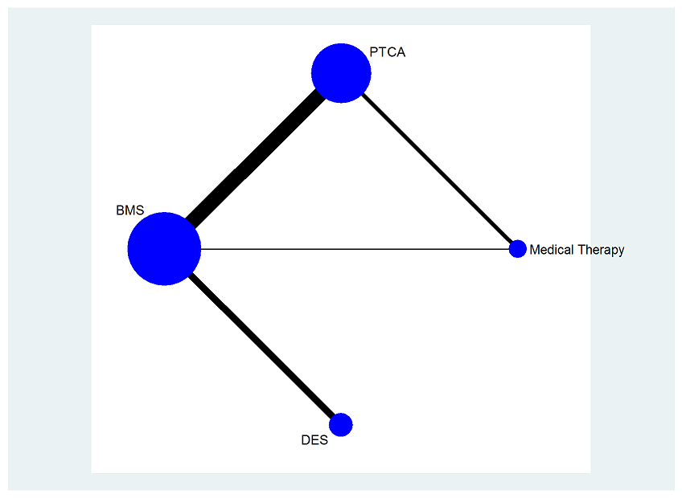
 | TAXUS-VI 2005 | 8 | 4 | 0 | 219
2006 | APPLAUSE 2006 | 9 | 3 | 1 | 10
 | APPLAUSE 2006 | 9 | 4 | 0 | 20
2004 | SIRIUS 2004 | 10 | 3 | 4 | 525
 | SIRIUS 2004 | 10 | 4 | 7 | 533
2002 | RAVEL 2002 | 11 | 3 | 2 | 118
 | RAVEL 2002 | 11 | 4 | 2 | 120
2003 | E-SIRIUS 2003 | 12 | 3 | 1 | 177
 | E-SIRIUS 2003 | 12 | 4 | 2 | 175
2005 | _PACHE_ 2005 | 13 | 3 | 5 | 250
 | _PACHE_ 2005 | 13 | 4 | 7 | 250
2005 | RAVEL 2005 | 14 | 3 | 5 | 118
 | RAVEL 2005 | 14 | 4 | 9 | 120
2006 | SCANDSTENT 2006 | 15 | 3 | 1 | 159
 | SCANDSTENT 2006 | 15 | 4 | 1 | 163
2006 | PRISON-II 2006 | 16 | 3 | 1 | 100
 | PRISON-II 2006 | 16 | 4 | 0 | 100
1999 | START I 1999 | 17 | 3 | 6 | 229
 | START I 1999 | 17 | 2 | 5 | 223
1999 | START II 1999 | 18 | 3 | 4 | 229
 | START II 1999 | 18 | 2 | 4 | 223
2005 | TOSCA 2005 | 19 | 3 | 3 | 202
 | TOSCA 2005 | 19 | 2 | 1 | 208
1999 | TOSCA 1999 | 20 | 3 | 1 | 202
 | TOSCA 1999 | 20 | 2 | 1 | 208
2000 | DESTINI 2000 | 21 | 3 | 3 | 370
 | DESTINI 2000 | 21 | 2 | 3 | 365
2001 | SISA 2001 | 22 | 3 | 1 | 169
 | SISA 2001 | 22 | 2 | 1 | 182
1998 | _ERBEL_ 1998 | 23 | 3 | 2 | 178
 | _ERBEL_ 1998 | 23 | 2 | 2 | 176
1994 | STRESS 1994 | 24 | 3 | 3 | 205
 | STRESS 1994 | 24 | 2 | 3 | 202
2000 | WIDEST 2000 | 25 | 3 | 0 | 154
 | WIDEST 2000 | 25 | 2 | 3 | 146
1998 | _HANCOCK_ 1998 | 26 | 3 | 0 | 30
 | _HANCOCK_ 1998 | 26 | 2 | 1 | 30
2003 | COAST 2003 | 27 | 3 | 4 | 393
 | COAST 2003 | 27 | 2 | 0 | 195
1999 | SPACTO 1999 | 28 | 3 | 1 | 42
 | SPACTO 1999 | 28 | 2 | 0 | 43
2000 | ISAR-SMART 2000 | 29 | 3 | 2 | 204
 | ISAR-SMART 2000 | 29 | 2 | 3 | 200
2003 | _KINSARA_ 2003 | 30 | 3 | 1 | 96
 | _KINSARA_ 2003 | 30 | 2 | 0 | 106
2001 | BESMART 2001 | 31 | 3 | 1 | 192
 | BESMART 2001 | 31 | 2 | 4 | 189
2000 | FROST 2000 | 32 | 3 | 3 | 125
 | FROST 2000 | 32 | 2 | 0 | 126
1999 | EPISTENT 1999 | 33 | 3 | 4 | 794
 | EPISTENT 1999 | 33 | 2 | 14 | 796
2001 | SISCA 2001 | 34 | 3 | 0 | 74
 | SISCA 2001 | 34 | 2 | 1 | 71
2002 | SISCA 2002 | 35 | 3 | 1 | 74
 | SISCA 2002 | 35 | 2 | 1 | 71
2004 | _PANCHAVINNIN_ 2004 | 36 | 3 | 0 | 23
 | _PANCHAVINNIN_ 2004 | 36 | 2 | 1 | 22
2004 | PRISON 2004 | 37 | 3 | 1 | 100
 | PRISON 2004 | 37 | 2 | 1 | 100
1998 | OCBAS 1998 | 38 | 3 | 0 | 57
 | OCBAS 1998 | 38 | 2 | 1 | 59
2005 | LASMAL 2005 | 39 | 3 | 0 | 124
 | LASMAL 2005 | 39 | 2 | 1 | 122
1998 | GISSOC 1998 | 40 | 3 | 0 | 56
 | GISSOC 1998 | 40 | 2 | 1 | 54
2003 | GISSOC 2003 | 41 | 3 | 6 | 56
 | GISSOC 2003 | 41 | 2 | 3 | 54
1994 | BENESTENT-I 1994 | 42 | 3 | 2 | 259
 | BENESTENT-I 1994 | 42 | 2 | 1 | 257
1996 | BENESTENT-I 1996 | 43 | 3 | 3 | 259
 | BENESTENT-I 1996 | 43 | 2 | 2 | 257
2001 | BENESTENT-I 2001 | 44 | 3 | 15 | 259
 | BENESTENT-I 2001 | 44 | 2 | 8 | 257
1998 | BENESTENT-II 1998 | 45 | 3 | 4 | 413
 | BENESTENT-II 1998 | 45 | 2 | 4 | 410
2000 | DEBATE-II 2000 | 46 | 3 | 5 | 286
 | DEBATE-II 2000 | 46 | 2 | 4 | 322
2004 | MAJIC 2004 | 47 | 3 | 0 | 110
 | MAJIC 2004 | 47 | 2 | 10 | 111
1997 | _VERSACI_ 1997 | 48 | 3 | 1 | 60
 | _VERSACI_ 1997 | 48 | 2 | 1 | 60
2004 | _VERSACI_ 2004 | 49 | 3 | 4 | 60
 | _VERSACI_ 2004 | 49 | 2 | 10 | 60
2003 | RITA II 2003 | 50 | 2 | 43 | 504
 | RITA II 2003 | 50 | 1 | 43 | 514 |  | 0.083657587549
1997 | VA ACME I (1 vessel) 1997 | 51 | 2 | 16 | 115
 | VA ACME I (1 vessel) 1997 | 51 | 1 | 15 | 112 |  | 0.13392857143
1992 | VA ACME 1992 | 52 | 2 | 0 | 105
 | VA ACME 1992 | 52 | 1 | 1 | 107 |  | 0.0093457943925
1998 | VA ACME 1998 | 53 | 2 | 5 | 105
 | VA ACME 1998 | 53 | 1 | 7 | 107 |  | 0.065420560748
2007 | SWISS-II 2007 | 54 | 2 | 6 | 96
 | SWISS-II 2007 | 54 | 1 | 22 | 105 |  | 0.20952380952
1995 | MASS 1995 | 55 | 2 | 1 | 72
 | MASS 1995 | 55 | 1 | 0 | 72 |  | 0
1997 | VA ACME I (2 vessel) 1997 | 56 | 2 | 2 | 51
 | VA ACME I (2 vessel) 1997 | 56 | 1 | 1 | 50 |  | 0.02
1997 | VA ACME II (2 vessel) 1997 | 57 | 2 | 9 | 51
 | VA ACME II (2 vessel) 1997 | 57 | 1 | 10 | 50 |  | 0.2
1993 | _SIEVERS_ 1993 | 58 | 2 | 0 | 44
 | _SIEVERS_ 1993 | 58 | 1 | 1 | 44 |  | 0.022727272727
2006 | OAT 2006 | 59 | 3 | 87 | 1082
 | OAT 2006 | 59 | 1 | 84 | 1084 |  | 0.077490774908
2007 | COURAGE 2007 | 60 | 3 | 85 | 1148
 | COURAGE 2007 | 60 | 1 | 95 | 1138 |  | 0.083479789104
2002 | TOAT 2002 | 61 | 3 | 2 | 32
 | TOAT 2002 | 61 | 1 | 1 | 34 |  | 0.029411764706
1999 | MASS 1999 | 62 | 2 | 6 | 72
 | MASS 1999 | 62 | 1 | 6 | 72 |  | 0.083333333333
1997 | VA ACME II (1 vessel) 1997 | 63 | 2 | 0 | 115 | EXCLUDED
 | VA ACME II (1 vessel) 1997 | 63 | 1 | 0 | 112

