Feuil1
year | study | id | t | r | n | CGR for reference treatment | Harmful | Outcome: effectiveness of venous catheters for catheter-related infections - colonisation
1995 | Goldschmidt | 1 | 7 | 54 | 120 |  |  | Treatments | 1 | Standard
 | Goldschmidt | 1 | 1 | 50 | 113 | 0.44247787611 |  |  | 2 | CHSS+
1996 | Appelgren | 2 | 9 | 4 | 13 |  |  |  | 3 | Benzalkonium chloride
 | Appelgren | 2 | 1 | 14 | 19 | 0.73684210526 |  |  | 4 | Silver iontophoretic
1996 | Bach 1996 | 3 | 6 | 21 | 116 |  |  |  | 5 | Minocycline-rifampicin
 | Bach 1996 | 3 | 1 | 36 | 117 | 0.30769230769 |  |  | 6 | CHSS
1996 | Ciresi | 4 | 6 | 10 | 124 |  |  |  | 7 | Silver alloy-coated
 | Ciresi | 4 | 1 | 12 | 127 | 0.094488188976 |  |  | 8 | Silver-impregnated
1996 | van Heerden | 5 | 6 | 4 | 28 |  |  |  | 9 | Heparin-bonded
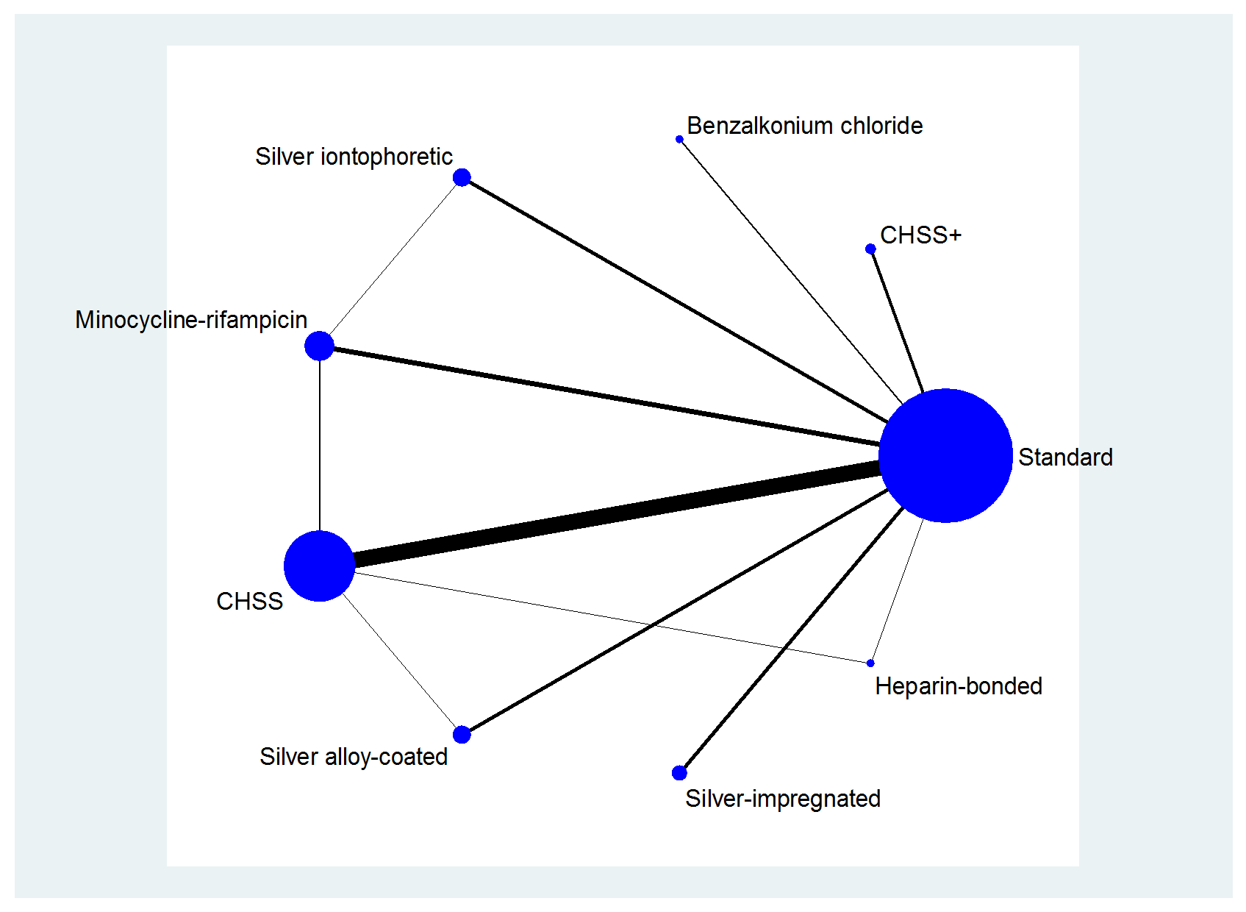
 | van Heerden | 5 | 1 | 10 | 26 | 0.38461538462
1997 | George | 6 | 6 | 10 | 44
 | George | 6 | 1 | 25 | 35 | 0.71428571429
1997 | Maki | 7 | 6 | 28 | 208
 | Maki | 7 | 1 | 47 | 195 | 0.24102564103
1997 | Raad | 8 | 5 | 11 | 130
 | Raad | 8 | 1 | 36 | 136 | 0.26470588235
1997 | Tennenberg | 9 | 6 | 8 | 137
 | Tennenberg | 9 | 1 | 32 | 145 | 0.22068965517
1998 | Heard | 10 | 6 | 60 | 151
 | Heard | 10 | 1 | 81 | 157 | 0.51592356688
1998 | Trerotola | 11 | 7 | 8 | 47
 | Trerotola | 11 | 1 | 7 | 44 | 0.15909090909
1999 | Bach 1999 | 12 | 7 | 9 | 34
 | Bach 1999 | 12 | 1 | 7 | 33 | 0.21212121212
1999 | Boswald | 13 | 8 | 12 | 86
 | Boswald | 13 | 1 | 18 | 79 | 0.22784810127
1999 | Collin | 14 | 6 | 2 | 98
 | Collin | 14 | 1 | 25 | 139 | 0.17985611511
1999 | Darouiche 1999 | 15 | 6 | 87 | 382
 | Darouiche 1999 | 15 | 5 | 28 | 356
1999 | Hannan | 16 | 6 | 47 | 174
 | Hannan | 16 | 1 | 71 | 177 | 0.4011299435
1999 | Marik | 17 | 6 | 7 | 36
 | Marik | 17 | 5 | 4 | 38
 | Marik | 17 | 1 | 11 | 39 | 0.28205128205
2000 | Moss | 18 | 3 | 26 | 106
 | Moss | 18 | 1 | 45 | 98 | 0.45918367347
2000 | Sheng | 19 | 6 | 9 | 113
 | Sheng | 19 | 1 | 25 | 122 | 0.20491803279
2001 | Jaeger 2001 | 20 | 3 | 4 | 25
 | Jaeger 2001 | 20 | 1 | 4 | 25 | 0.16
2001 | Van-Vliet | 21 | 6 | 6 | 48
 | Van-Vliet | 21 | 1 | 10 | 46 | 0.21739130435
2002 | Stoiser | 22 | 8 | 10 | 50
 | Stoiser | 22 | 1 | 14 | 47 | 0.29787234043
2002 | Theaker | 23 | 6 | 40 | 101
 | Theaker | 23 | 1 | 55 | 131 | 0.41984732824
2003 | Bong | 24 | 4 | 47 | 128
 | Bong | 24 | 1 | 48 | 142 | 0.33802816901
2003 | Chatzinikolaou | 25 | 5 | 13 | 66
 | Chatzinikolaou | 25 | 1 | 46 | 64 | 0.71875
2003 | Corral | 26 | 4 | 29 | 103
 | Corral | 26 | 1 | 41 | 103 | 0.39805825243
2003 | Ranucci | 27 | 4 | 50 | 268
 | Ranucci | 27 | 1 | 82 | 277 | 0.29602888087
2004 | Brun-Buisson | 28 | 2 | 7 | 188
 | Brun-Buisson | 28 | 1 | 23 | 175 | 0.13142857143
2004 | Carrasco | 29 | 6 | 13 | 128
 | Carrasco | 29 | 9 | 29 | 132
2004 | Leon | 30 | 5 | 20 | 187
 | Leon | 30 | 1 | 45 | 180 | 0.25
2004 | Yucel | 31 | 5 | 6 | 118
 | Yucel | 31 | 1 | 38 | 105 | 0.3619047619
2005 | Darouiche 2005 | 32 | 5 | 41 | 166
 | Darouiche 2005 | 32 | 1 | 41 | 146 | 0.28082191781
2005 | Dunser | 33 | 7 | 27 | 160
 | Dunser | 33 | 6 | 12 | 165
 | Dunser | 33 | 1 | 19 | 160 | 0.11875
2005 | Jaeger 2005 | 34 | 6 | 5 | 51
 | Jaeger 2005 | 34 | 1 | 9 | 55 | 0.16363636364
2005 | Moretti | 35 | 4 | 61 | 252
 | Moretti | 35 | 1 | 64 | 162 | 0.3950617284
2005 | Ostendorf | 36 | 2 | 11 | 90
 | Ostendorf | 36 | 1 | 31 | 94 | 0.32978723404
2005 | Rupp | 37 | 2 | 32 | 384
 | Rupp | 37 | 1 | 59 | 393 | 0.15012722646
2006 | Fraenkel | 38 | 4 | 43 | 294
 | Fraenkel | 38 | 5 | 25 | 280
2006 | Osma | 39 | 6 | 14 | 64
 | Osma | 39 | 1 | 14 | 69 | 0.20289855072
2007 | Kalfon | 40 | 8 | 47 | 320
 | Kalfon | 40 | 1 | 36 | 297 | 0.12121212121
2009 | Camargo | 41 | 6 | 15 | 51
 | Camargo | 41 | 1 | 20 | 58 | 0.34482758621
2009 | Hagau | 42 | 8 | 30 | 131
 | Hagau | 42 | 1 | 38 | 141 | 0.2695035461
2009 | Mer | 43 | 6 | 2 | 56
 | Mer | 43 | 1 | 3 | 62 | 0.048387096774

